Sheet1
exercise 7
郭涛算法
 | best distance
EIL51 | 445.75815512 | 452.0805048
EIL76 | 703.97802547 | 665.22390315
EIL101 | 1096.1760501 | 1060.3765027
ST70 | 850.5364807 | 844.3422952
KROA100 | 41290.156976 | 42183.359188
KROC100 | 42981.333026 | 43644.232573
LIN105 | 31312.591469 | 32505.338493
PCB442 | 571721.80694 | 572722.98343
PR2392 | 14607469.267 | 14559996.149
USA13509

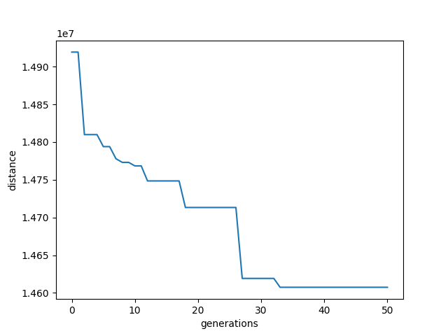
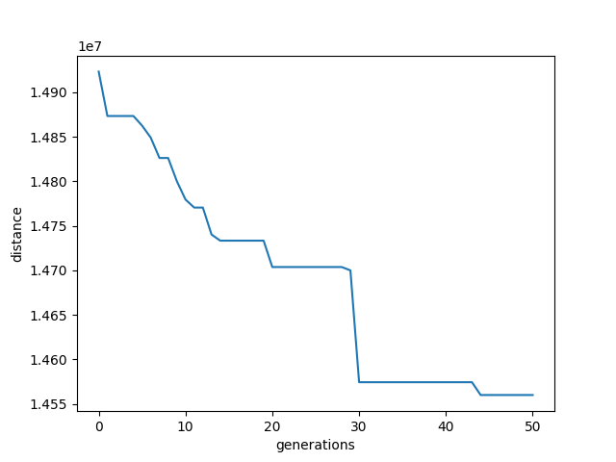
plot
pr2392 | 2392

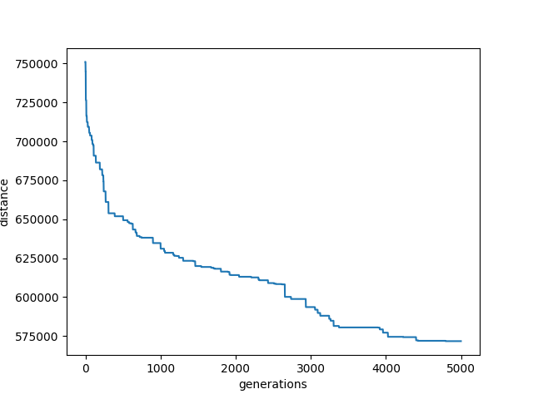
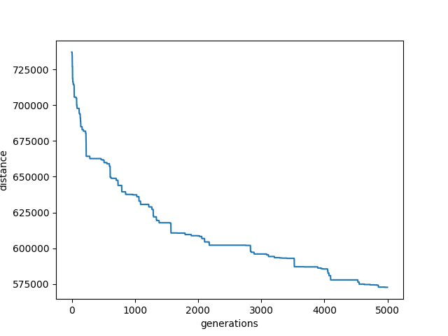
PCB442
ppulation | 10
genertation | 5000

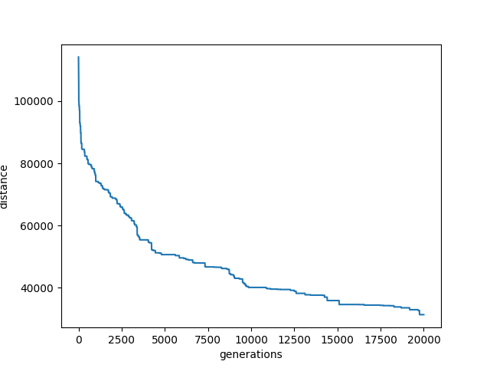
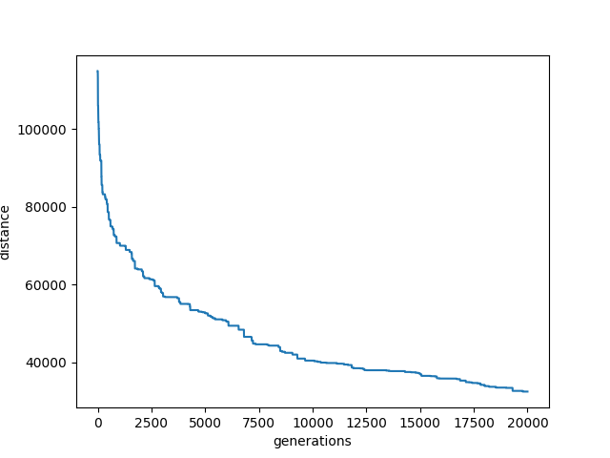
LIN105
ppulation | 10
genertation | 20000

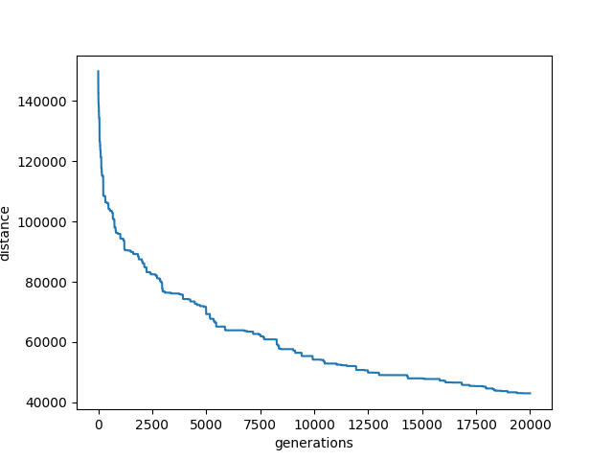
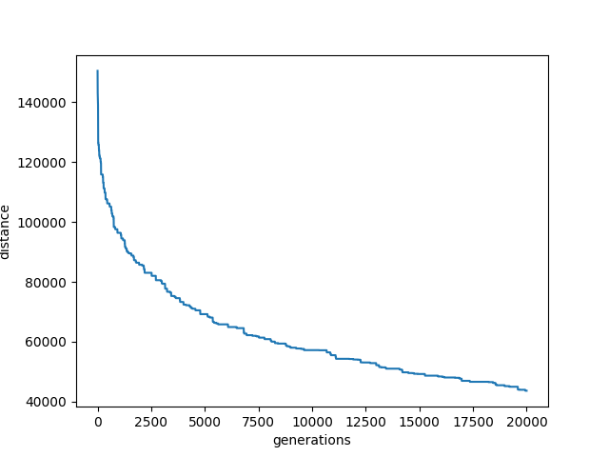
kroC100
ppulation | 50
genertation | 20000

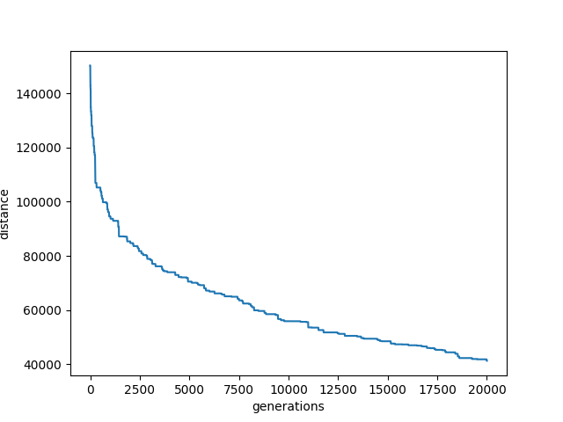
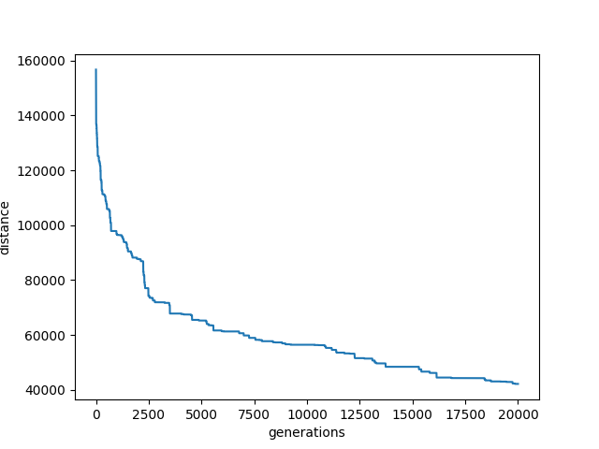
kroA100

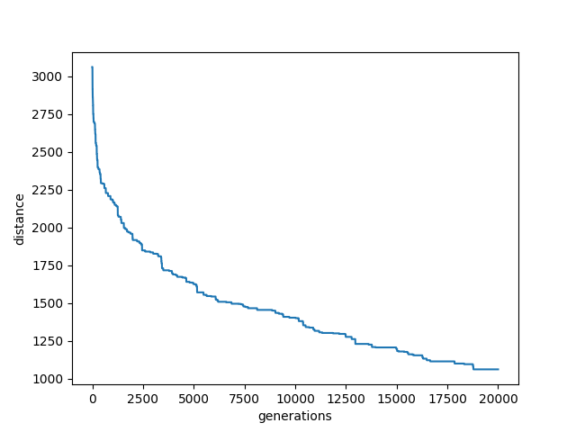
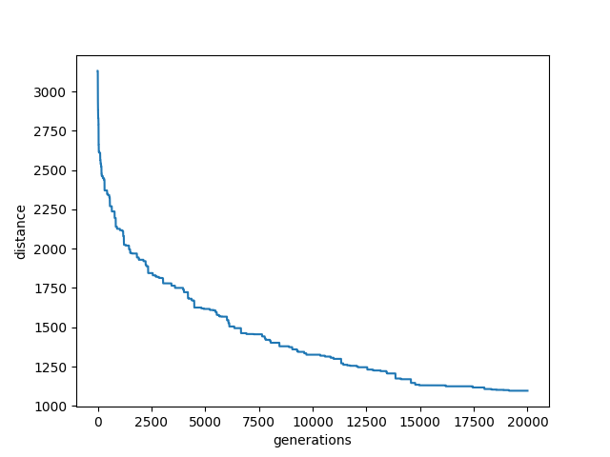
eil101

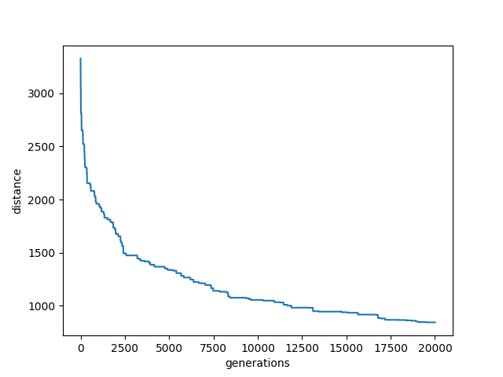
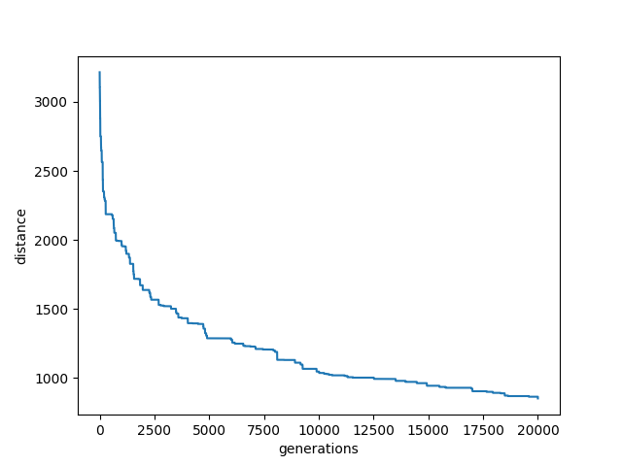
st70

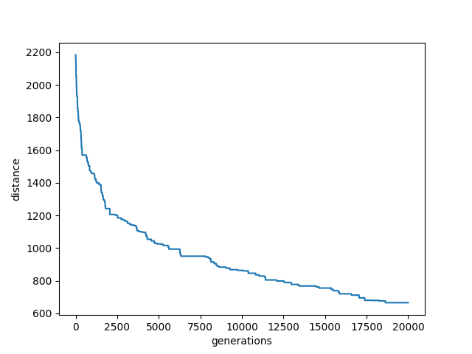
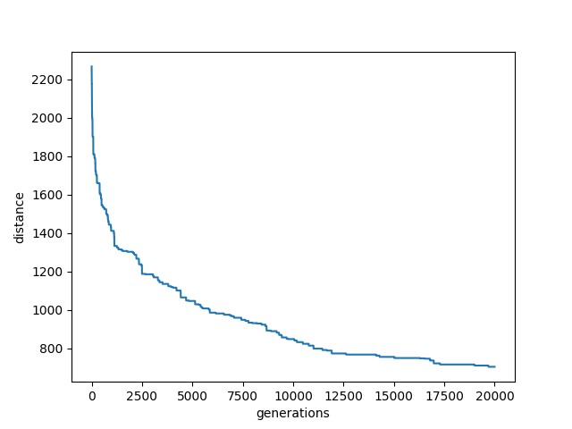
eil76

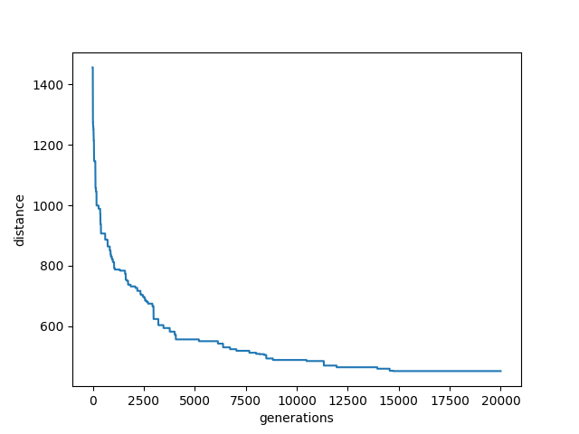
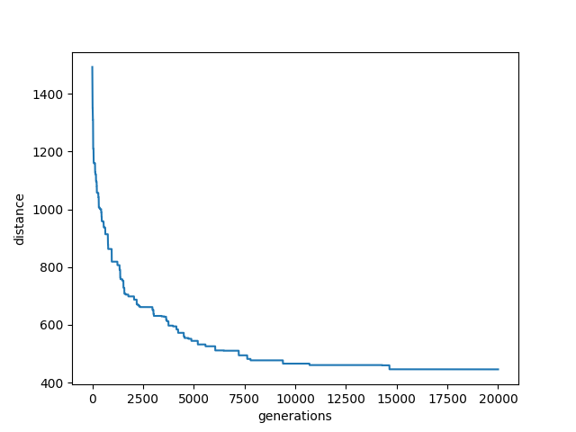
eil51

说明
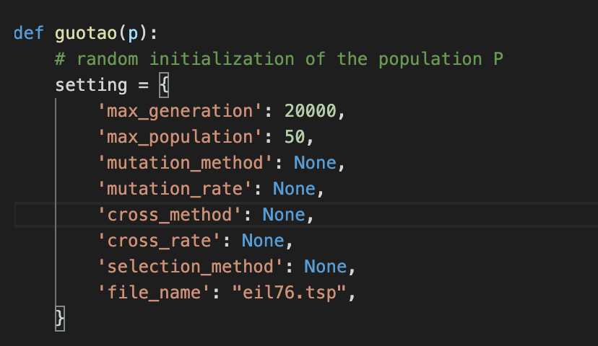

generation 20000 | population | 50

全部文件跑一次

结果：
best distance

plot

