Sheet
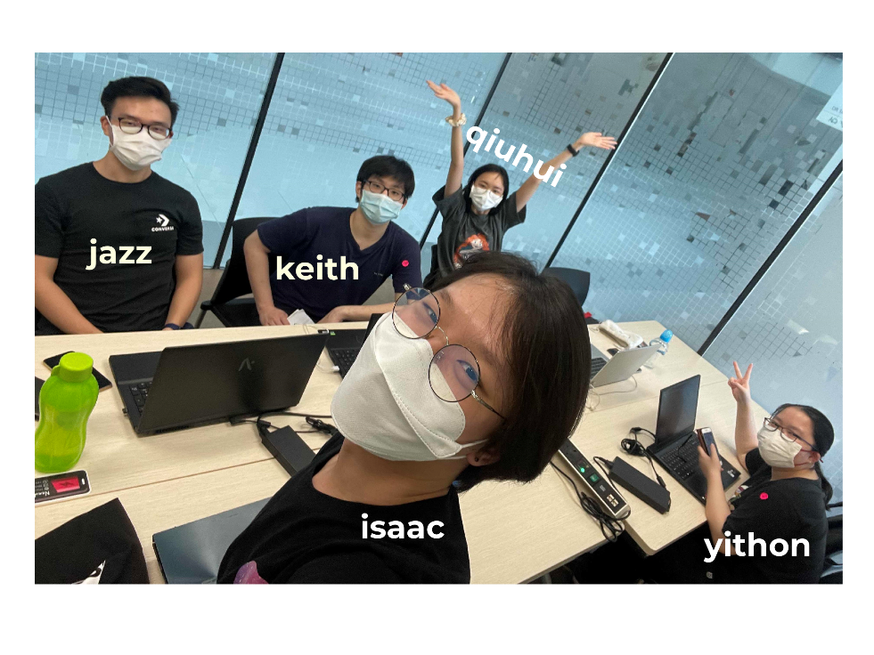
Team Name | skeleton party
Git Repo | https://github.com/Hapemo/Skeleton-Party
Name | E-mail
qiuhui | qiuhui.tan@digipen.edu
isaac | i.yeo@digipen.edu
jazz | j.teoh@digipen.edu
keith | weijiekeith.lua@digipen.edu
yithon | yithon.goh@digipen.edu

