Plotly
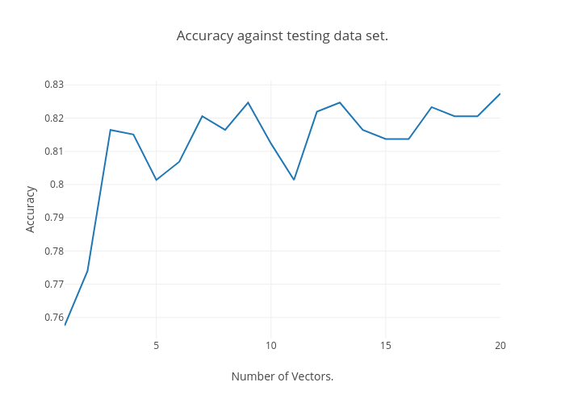
https://plot.ly/~Happy_Das/52/accuracy-against-testing-data-set/

