Plotly
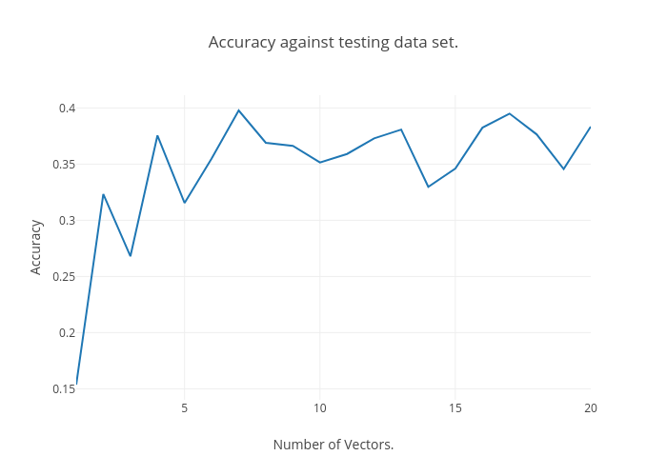
https://plot.ly/~Happy_Das/60/accuracy-against-testing-data-set/

