Plotly
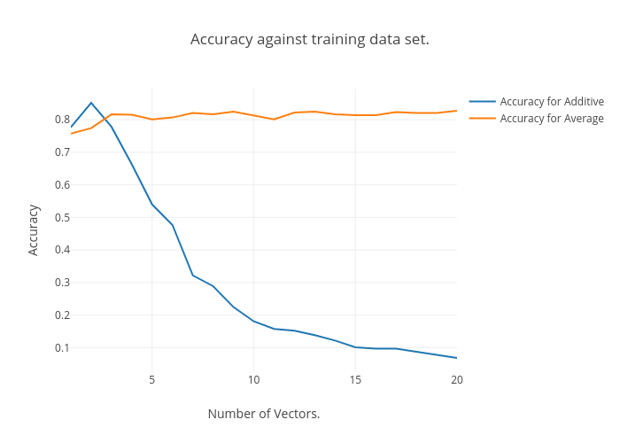
https://plot.ly/~Happy_Das/42/accuracy-against-training-data-set/

