Sheet1
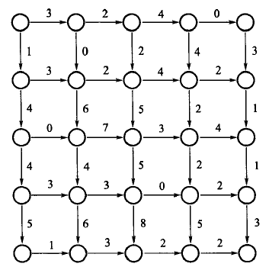

 |  |  |  | i
 | j\i | 1 | 2 | 3 | 4 | 5
 | 1 | [0,0] | [3,0] | [2,0] | [4,0] | [0,0]
j | 2 | [0,1] | [3,0] | [2,2] | [4,4] | [2,3]
 | 3 | [0,4] | [0,6] | [7,5] | [3,2 | [4,1]
 | 4 | [0,4] | [3,4] | [3,5] | [0,2] | [2,1]
 | 5 | [0,5] | [1,6] | [3,8] | [2,5] | [2,3]

