Sheet1
 | 中文 | 英文
 | 短剧 | short drama | 本短剧频道提供节奏紧凑、高能精彩的迷你剧集，涵盖言情、悬疑、奇幻等多种题材。随时随地随心追看，全新故事每日更新。 | Our short drama channel offers fast-paced, high-energy mini-series across romance, suspense, fantasy, and more. Binge-watch anytime, with new stories updated daily.
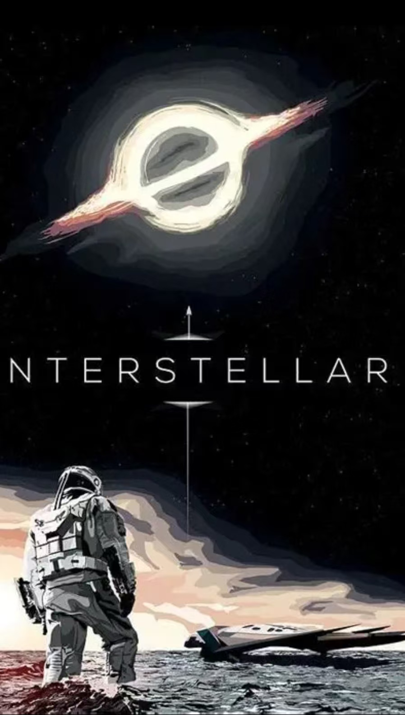 | 影视 | Film | 专注优质影视解说，深度解析剧情、人物与幕后故事，带你快速看懂好片、发现佳作，轻松享受光影魅力。 | We focus on high-quality film & TV commentary, with in-depth analysis of plots, characters and behind-the-scenes stories. Helping you quickly understand great movies and shows, and enjoy the charm of cinema easily.
 | 电视剧 | TV series | 专注电视剧深度解说，梳理剧情脉络、解析人物与伏笔，带你看懂每一部好剧，轻松追剧不迷路。 | Dedicated to in-depth commentary on TV series. We sort out plot lines, analyze characters and foreshadowing, helping you understand every great show and enjoy watching without confusion.
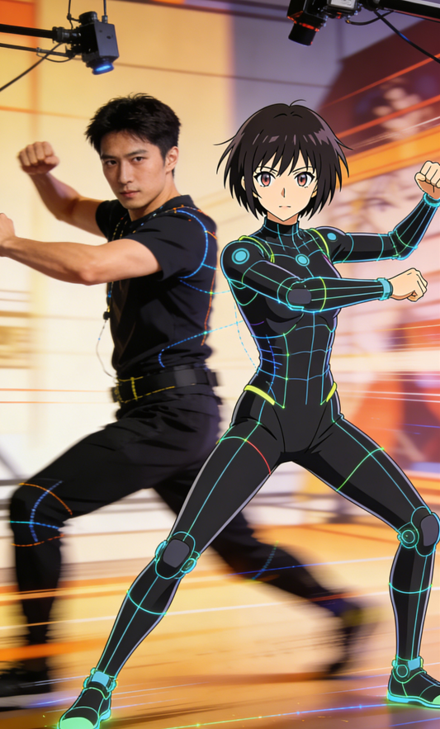 | AI动漫+微综艺 | AI Anime & Micro Variety | 汇聚 AI 生成动漫与精品微综艺，以创新视觉与轻松内容，带来趣味、治愈、潮流的沉浸式观看体验。 | A curated channel featuring AI-generated anime and premium micro-variety shows. Enjoy immersive, fun, and trendy viewing experiences with innovative visuals and lighthearted content.

