Data Plots
Graph of Data before taking Log |  | Graph of data after taking Log
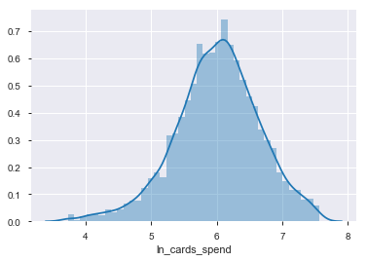
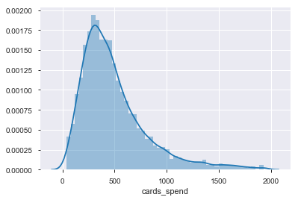

 | Here, we can see that after taking log of the data the at met the conditions of the linear regression i.e. data must follow a Normal Distribution

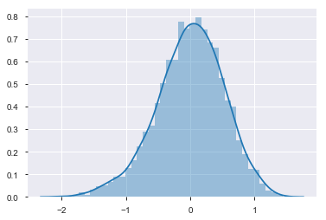
Residual Plot
 |  |  | Here, we can see that the residuals also follows the Normal distribution which is also one of the conditions for Linear regression

