Haus-Ersatz-Rechner
 |  | Haus-Ersatz-Platine für die MobaLedLib

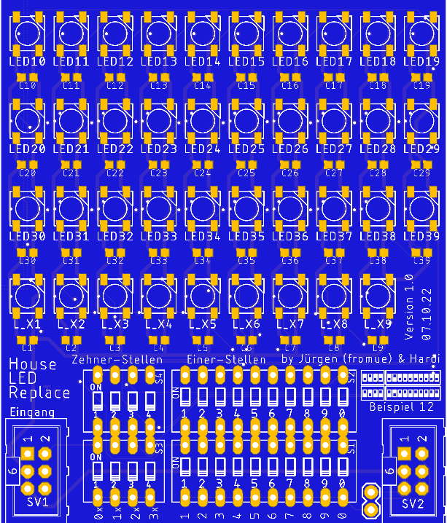

 | Zehner DIP |  | Einer DIP

Anzahl RGBs | ON |  | ON
21 |     |  |          
 | 1 2 3 4 |  | 1 2 3 4 5 6 7 8 9 0

 | ON |  | ON
 |     |  |          
 | 1 2 3 4 |  | 1 2 3 4 5 6 7 8 9 0

 |  |  |  | ©design by Hardi und Jürgen (fromue)

 | https://wiki.mobaledlib.de

 |  |  |  |  | Stand 07.10.2022

