Sheet1
Neural Network Laboratory Experiment 4 Output
S.No. | Configuration | Activation function(hidden layer) | Loss Curve | Accuracy Curve | Test Accuracy(%) | Confusion Matrix | Execution time(seconds)
1 | Configuration 1: Hiddenn layers(1):(256) , Learning rate:0.1 | ReLU | 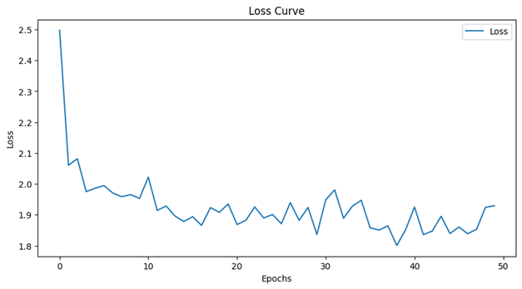 | 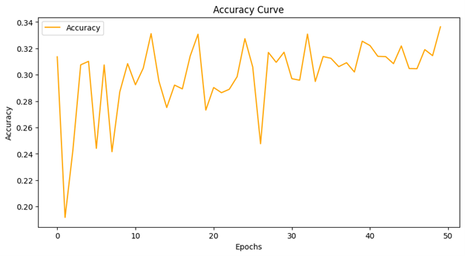 | 33.43 | 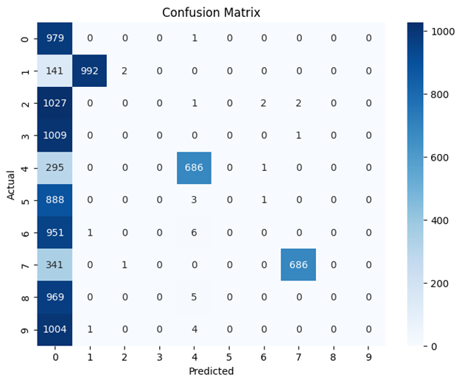 | 10308.36
2 | Configuration 2: Hiddenn layers(2):(160,100) , Learning rate:0.01 | ReLU | 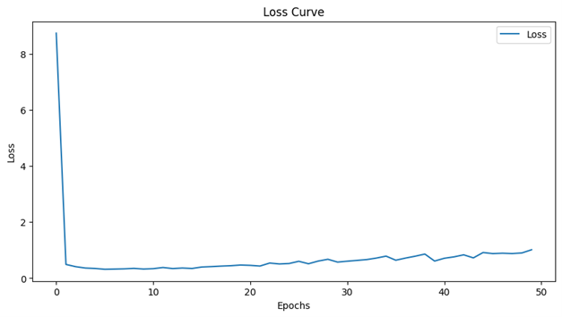 | 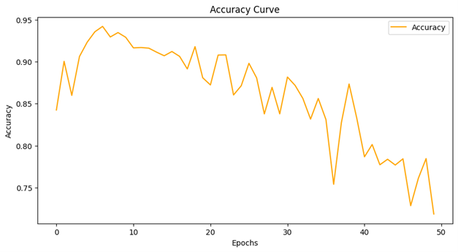 | 71.24 | 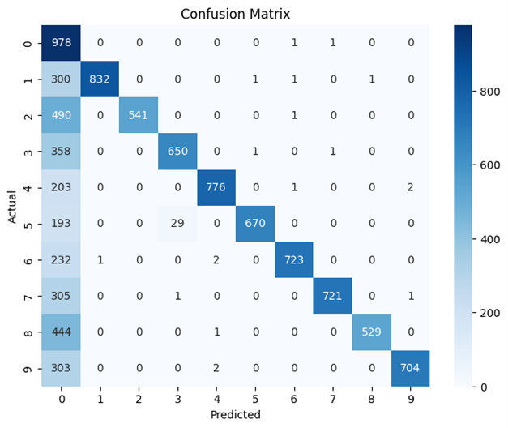 | 12917.53
3 | Configuration 3: Hiddenn layers(2):(160,100) , Learning rate:0.1 | ReLU | 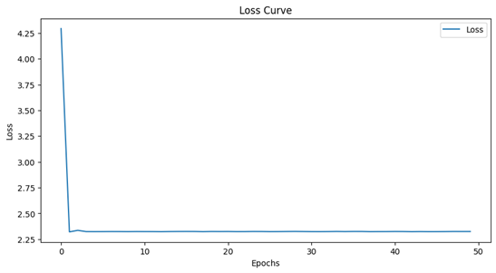 | 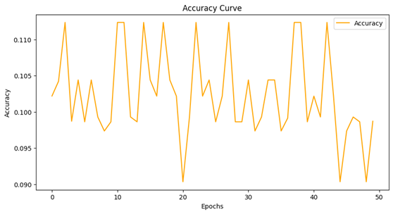 | 9.8 | 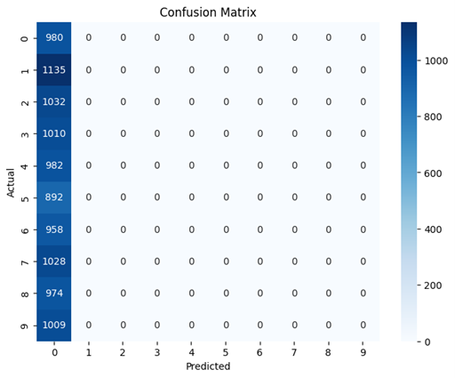 | 13049.02
4 | Configuration 4: Hiddenn layers(2):(100,100) , Learning rate:0.01 | ReLU | 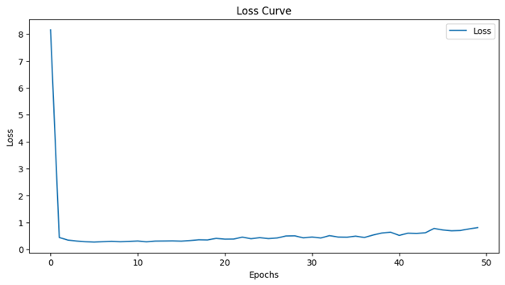 | 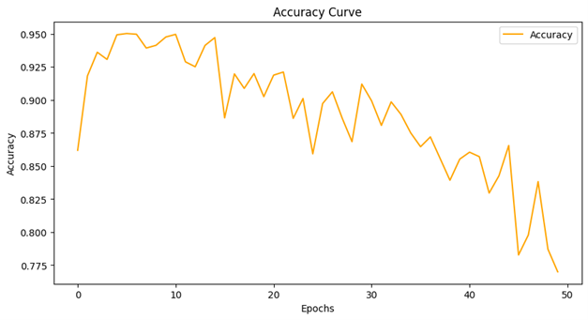 | 76.2 | 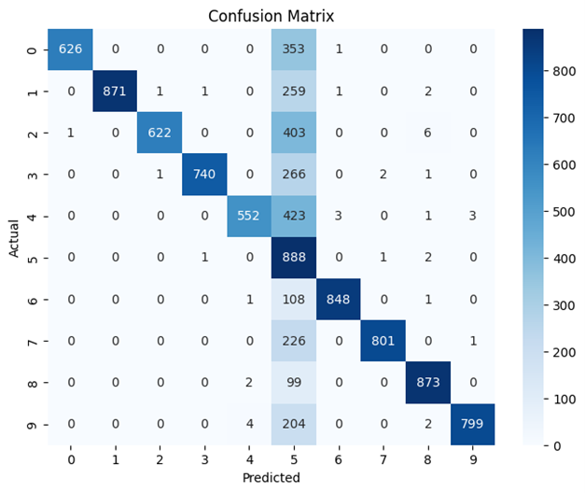 | 13237.71
5 | Configuration 5: Hiddenn layers(2):(100,160) , Learning rate:0.01 | ReLU | 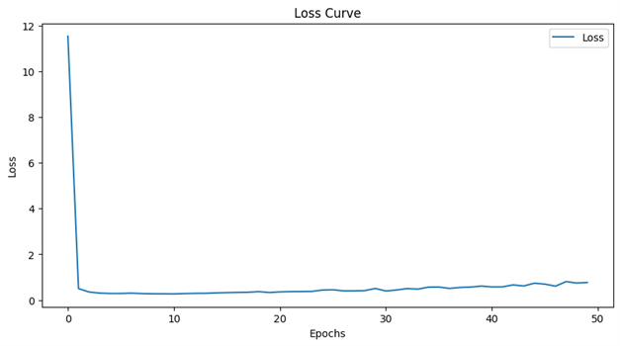 | 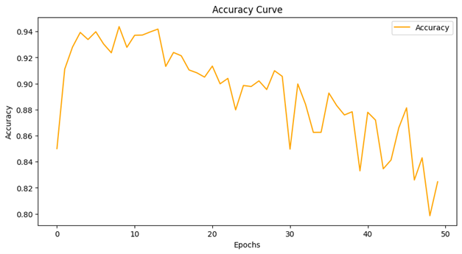 | 81.84 | 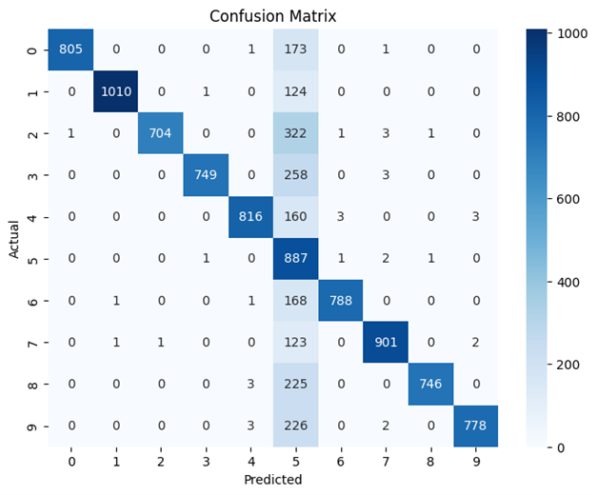 | 12851.49
6 | Configuration 6: Hiddenn layers(2):(60,60) , Learning rate:0.01 | ReLU | 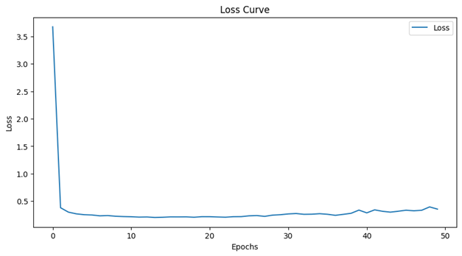 | 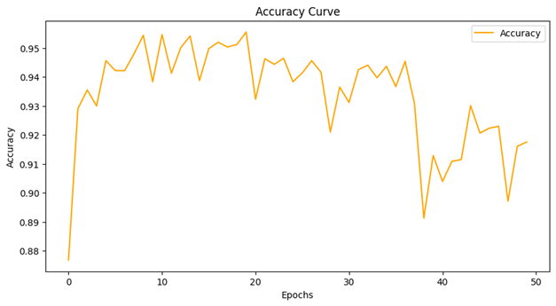 | 91.18 | 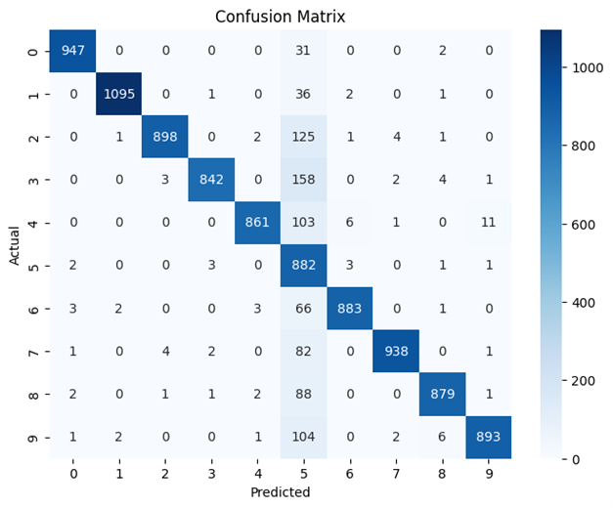 | 12698.1
7 | Configuration 7: Hiddenn layers(2):(100,60) , Learning rate:0.01 | ReLU | 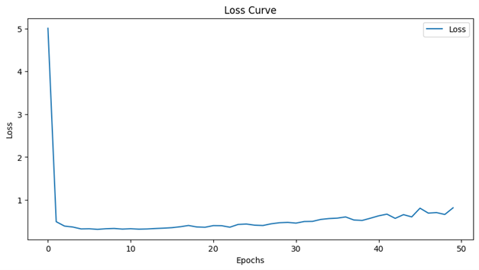 | 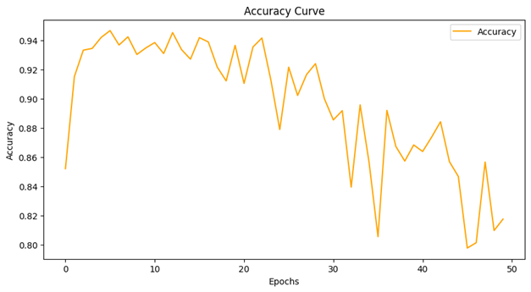 | 81.26 | 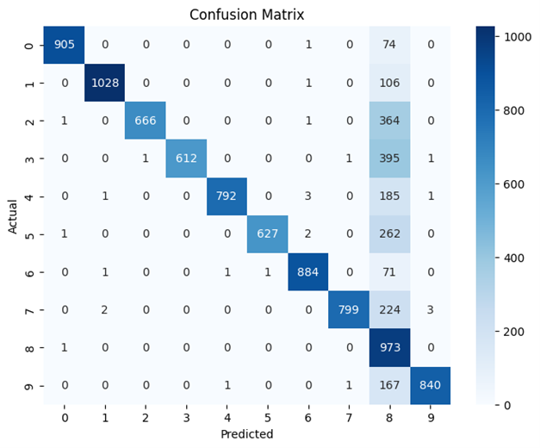 | 13684.63
8 | Configuration 8: Hiddenn layers(2):(100,100) , Learning rate:0.1 | ReLU | 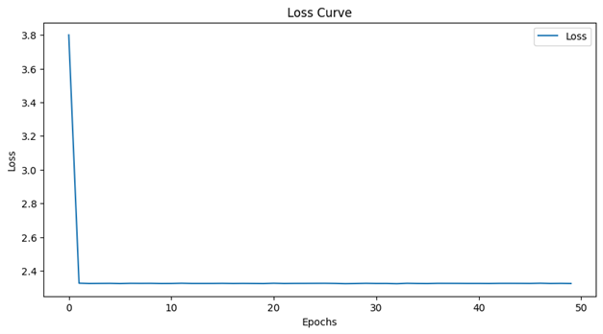 | 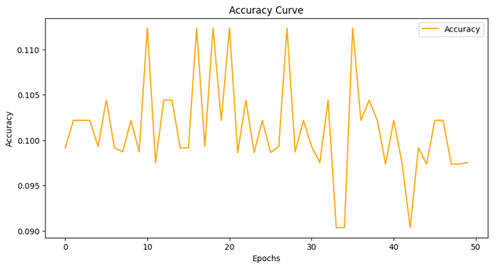 | 9.74 | 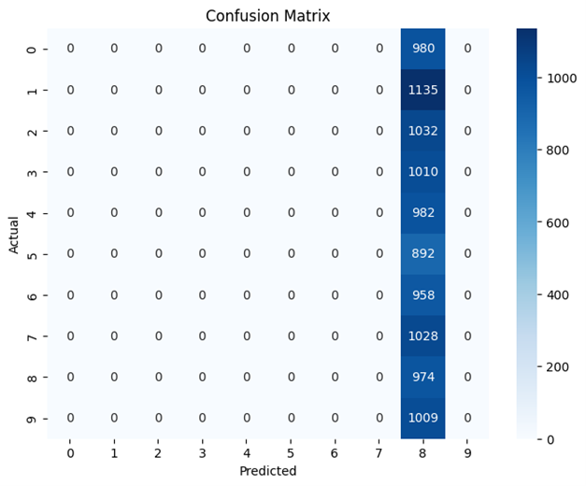 | 12967.63
9 | Configuration 9: Hiddenn layers(2):(100,160) , Learning rate:0.1 | ReLU | 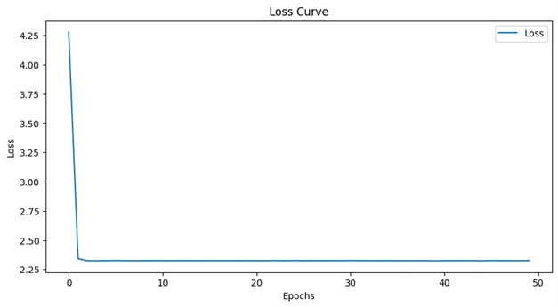 | 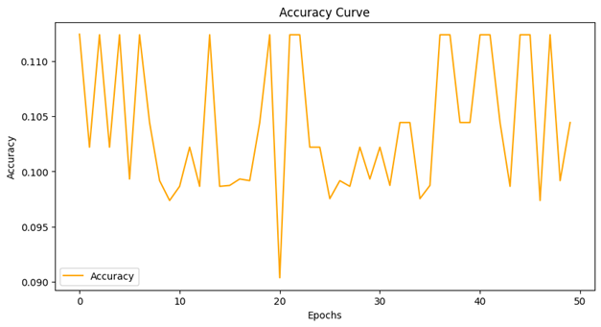 | 10.28 | 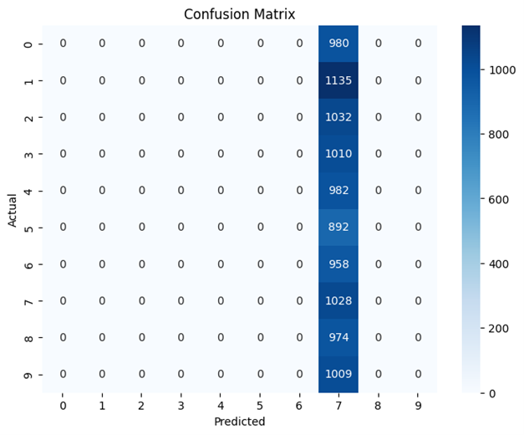 | 13113.71
10 | Configuration 10: Hiddenn layers(2):(60,60) , Learning rate:0.1 | ReLU | 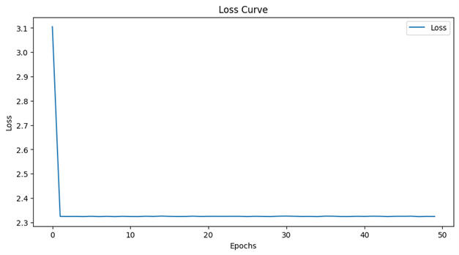 | 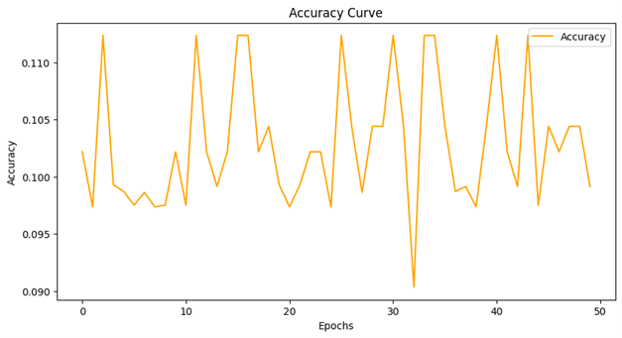 | 10.09 | 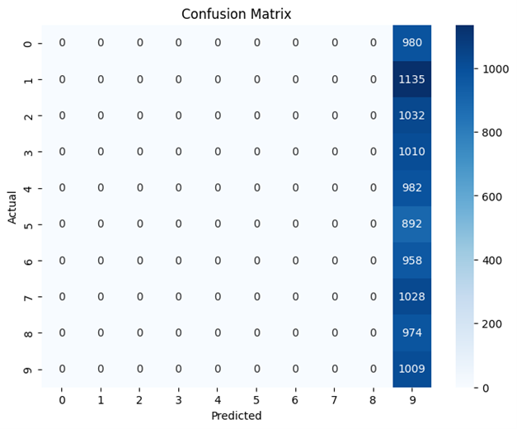 | 13089.31
11 | Configuration 11: Hiddenn layers(2):(100,60) , Learning rate:0.1 | ReLU | 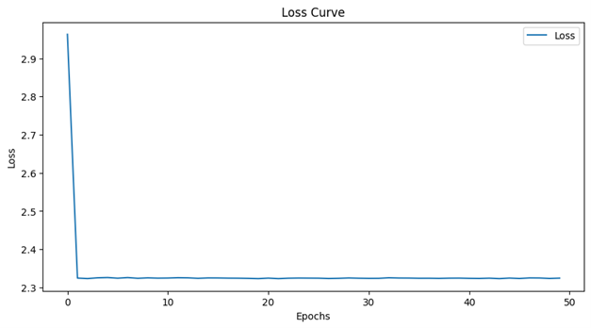 | 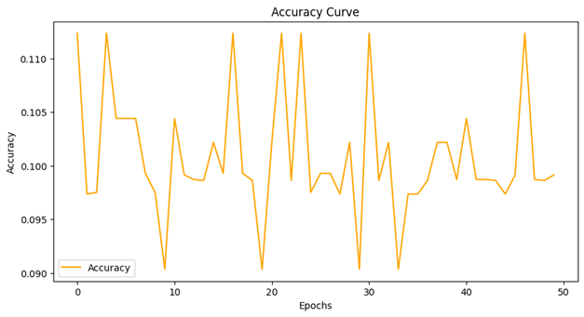 | 10.09 |  | 13025.74
12 | Configuration 12: Hiddenn layers(2):(160,100) , Learning rate:1.0 | ReLU | 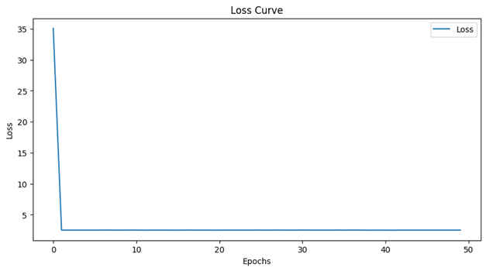 | 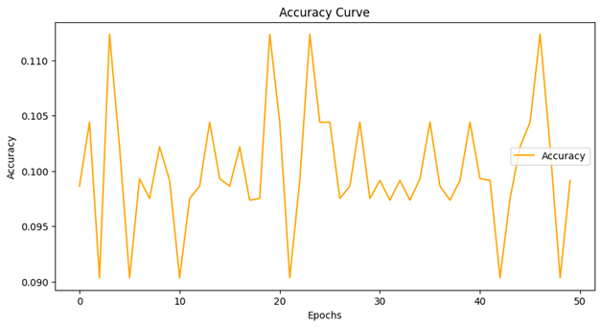 | 10.09 |  | 13759.51
13 | Configuration 13: Hiddenn layers(2):(100,100) , Learning rate:1.0 | ReLU | 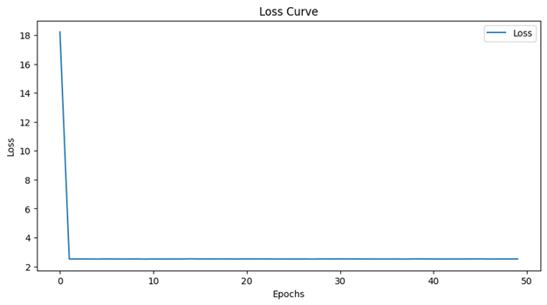 | 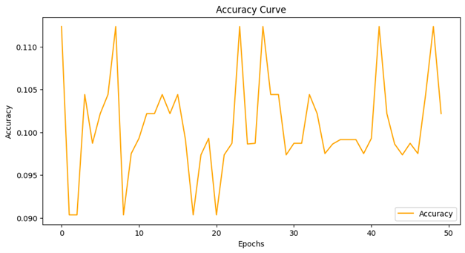 | 10.1 | 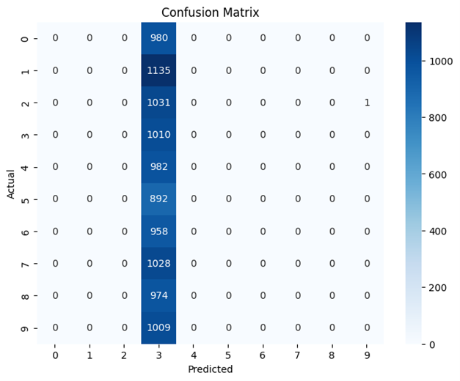 | 14029.63
14 | Configuration 14: Hiddenn layers(2):(100,160) , Learning rate:0.1 | ReLU |  | 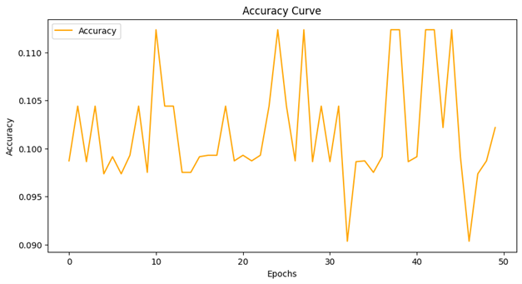 | 10.1 |  | 14814.75
15 | Configuration 15: Hiddenn layers(2):(60,60) , Learning rate:0.1 | ReLU | 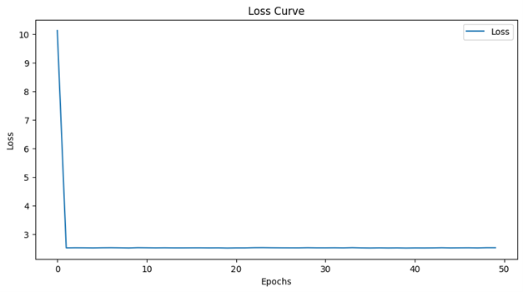 | 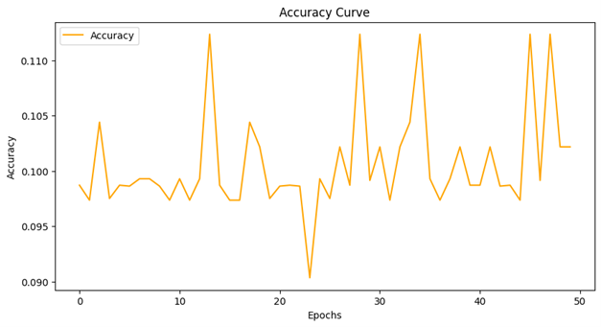 | 10.1 |  | 14831.84
16 | Configuration 16: Hiddenn layers(2):(100,60) , Learning rate:0.1 | ReLU | 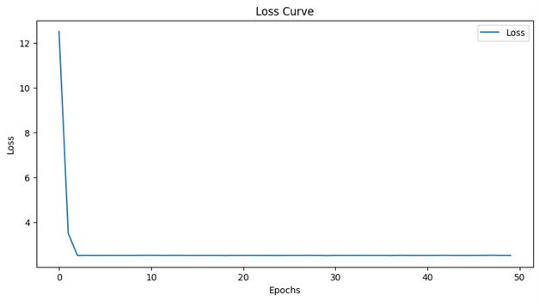 | 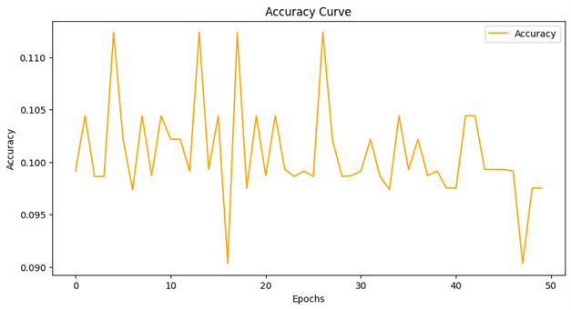 | 9.74 |  | 14485.23

