Sales_Dashboard
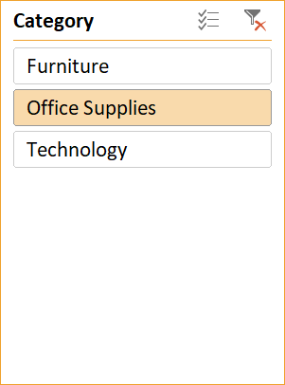
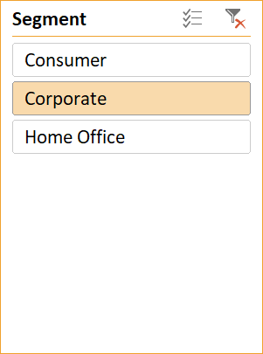
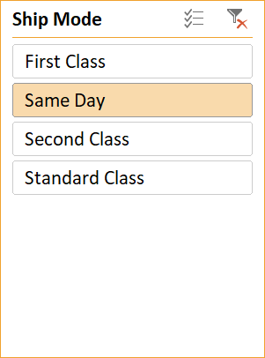
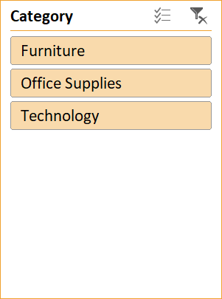
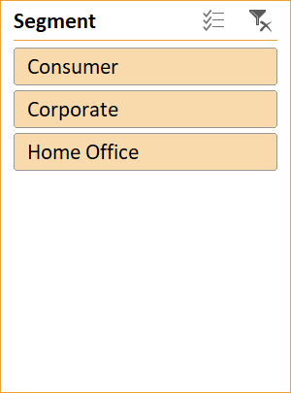
 |  |  |  |  | Filter button for category |  |  |  |  |  | Filter button for segment
LOGO

2986834.16
2424137.6
13.93342031
Sales latest year
Sales Last Year
Sales growth vs PY
Profit latest Year
Profit Last Year
Profit growth VS PY
 |  |  |  |  |  |  |  |  |  |  |  |  |  |  |  | 23.212236797
 |  | Text box 1
 | Sales for latest year

 | Filter buttons for category |  |  |  |  |  |  |  |  | Filter buttons for segment

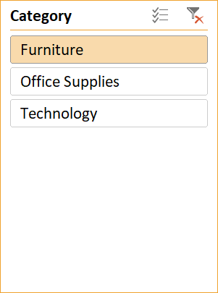
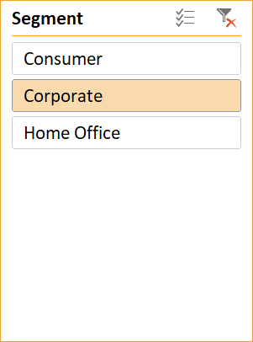
 | Sub_cat | 2017 | 2016 | VS PY |  | Sub_cat | 2017 | 2016 | VS PY | Sub_cat | 2017 | 2016 | VS PY | Sub_cat | 2017 | 2016 | VS PY
 | Tables | 40923.4625 | 26209.919 | 56.137310077 |  | Seattle | 11637.62 | 5995.87 | 94.093934658 | Tables | 40923.4625 | 26209.919 | 56.137310077 | Seattle | 11637.62 | 5995.87 | 94.093934658
 | Storage | 39633.122 | 38342.276 | 3.3666389549 |  | San Francisco | 3881.72 | 5978.856 | -35.075874047 | Storage | 39633.122 | 38342.276 | 3.3666389549 | San Francisco | 3881.72 | 5978.856 | -35.075874047
 | Phones | 48029.682 | 42312.984 | 13.510505428 |  | Philadelphia | 4152.21 | 3899.976 | 6.467578262 | Phones | 48029.682 | 42312.984 | 13.510505428 | Philadelphia | 4152.21 | 3899.976 | 6.467578262
 | Machines | 15495.483 | 44781.272 | -65.397403182 |  | New York City | 2868.114 | 8095.98 | -64.573603196 | Machines | 15495.483 | 44781.272 | -65.397403182 | New York City | 2868.114 | 8095.98 | -64.573603196
 | Copiers | 35219.626 | 11609.76 | 203.36222282 |  | Los Angeles | 8177.128 | 10881.408 | -24.852298526 | Copiers | 35219.626 | 11609.76 | 203.36222282 | Los Angeles | 8177.128 | 10881.408 | -24.852298526
 | Chairs | 52865.737 | 42337.415 | 24.867654296 |  | Minneapolis | 43.98 | 11301.37 | -99.610843641 | Chairs | 52865.737 | 42337.415 | 24.867654296 | Minneapolis | 43.98 | 11301.37 | -99.610843641
 | Bookcases | 19770.3368 | 14235.5875 | 38.879668999 |  | Detroit | 10946.76 | 1542.42 | 609.71330766 | Bookcases | 19770.3368 | 14235.5875 | 38.879668999 | Detroit | 10946.76 | 1542.42 | 609.71330766
 | Binders | 21684.949 | 20973.293 | 3.3931533784 |  |  |  |  |  | Binders | 21684.949 | 20973.293 | 3.3931533784
 | Appliances | 21684.949 | 12485.424 | 73.682119246 |  |  |  |  |  | Appliances | 21684.949 | 12485.424 | 73.682119246
 | Accessories | 31934.594 | 14658.436 | 117.8581262 |  |  |  |  |  | Accessories | 31934.594 | 14658.436 | 117.8581262
 | Grand Total | 327241.9413 | 267946.3665 | 22.129643172 |  |  |  |  |  | Grand Total | 327241.9413 | 267946.3665 | 22.129643172

 | Filter buttons for ship mode |  |  |  |  |  |  | Filter buttons for category |  |  |  |  | Filter buttons segment
SALES AND PRICE FOR TWO YEARS
YEARS | 2016 | 2017
SALES | 1574.205 | 6102.294
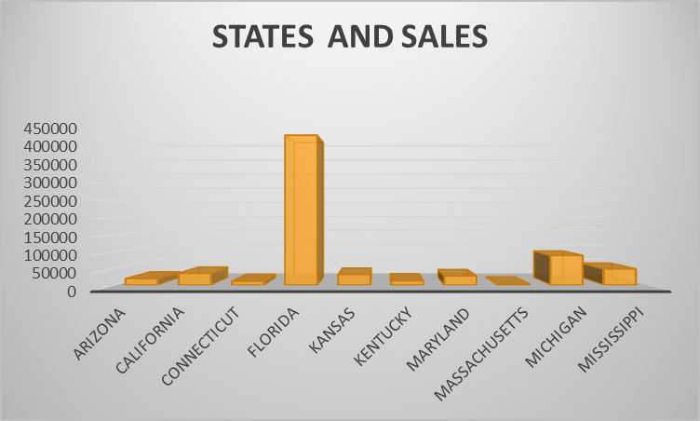

 |  |  |  | Chart 1 |  |  |  |  |  |  |  | Chart 2

 | sales and price trend for 2 years |  |  |  |  |  |  |  |  |  | States with highest and lowest all time sales

Working
Row Labels | Sum of Sales | Sum of Profits
2016 | 1057121.7809 | 2424137.6 |  | Sales VS PY | Profit VS PY
2017 | 1204415.0018 | 2986834.16 |  | 13.933420308 | 23.212236797
Grand Total | 2261536.7827 | 5410971.76

DATA FOR TABLE 1 AND TABLE 2 |  | (TOP(10)) |  |  | TOP(5)

Sum of Sales | Column Labels |  |  | Sum of Sales | Column Labels
Row Labels | 2016 | 2017 |  | Row Labels | 2016 | 2017
Tables | 97324.207 | 105486.421 |  | Tables | 34852.09 | 30716.792
Furnishings | 43387.818 | 45824.2 |  | Seattle | 5995.87 | 11637.62
Chairs | 139255.896 | 183566.835 |  | San Francisco | 5978.856 | 3881.72
Bookcases | 47900.7629 | 65912.4358 |  | Philadelphia | 3899.976 | 4152.21
Grand Total | 327868.6839 | 400789.8918 |  | New York City | 8095.98 | 2868.114
 |  |  |  | Los Angeles | 10881.408 | 8177.128
 |  |  |  | Furnishings | 13629.056 | 12957.934
 |  |  |  | Seattle | 1168.9 | 1633.86
 |  |  |  | San Francisco | 1659.26 | 1681.83
 |  |  |  | Philadelphia | 5097.216 | 1806.824
 |  |  |  | New York City | 3693.27 | 3569.97
 |  |  |  | Los Angeles | 2010.41 | 4265.45
 |  |  |  | Chairs | 38117.034 | 63238.775
 |  |  |  | Seattle | 5329.632 | 8691.856
 |  |  |  | San Francisco | 7829.048 | 5266.16
 |  |  |  | Philadelphia | 4400.06 | 12607.91
 |  |  |  | New York City | 12251.718 | 27324.801
 |  |  |  | Los Angeles | 8306.576 | 9348.048
 |  |  |  | Bookcases | 22124.3909 | 27730.8739
 |  |  |  | San Francisco | 5738.486 | 4052.222
 |  |  |  | Philadelphia | 3435.88 | 1095.465
 |  |  |  | New York City | 6303.744 | 10715.288
 |  |  |  | Los Angeles | 2460.4185 | 7694.4465
 |  |  |  | Houston | 4185.8624 | 4173.4524
 |  |  |  | Grand Total | 108722.5709 | 134644.3749

DATA FOR TABLE 3 AND TABLE 4

Sum of Sales | Column Labels |  |  | Sum of Sales | Column Labels
Row Labels | 2016 | 2017 |  | Row Labels | 2016 | 2017
Tables | 26209.919 | 40923.4625 |  | Tables | 34852.09 | 30716.792
Storage | 38342.276 | 39633.122 |  | Seattle | 5995.87 | 11637.62
Phones | 42312.984 | 48029.682 |  | San Francisco | 5978.856 | 3881.72
Machines | 44781.272 | 15495.483 |  | Philadelphia | 3899.976 | 4152.21
Copiers | 11609.76 | 35219.626 |  | New York City | 8095.98 | 2868.114
Chairs | 42337.415 | 52865.737 |  | Los Angeles | 10881.408 | 8177.128
Bookcases | 14235.5875 | 19770.3368 |  | Storage | 30849.504 | 39291.17
Binders | 20973.293 | 29033.694 |  | Seattle | 5410.83 | 6925.73
Appliances | 12485.424 | 21684.949 |  | San Francisco | 2603.35 | 5756.44
Accessories | 14658.436 | 31934.594 |  | Philadelphia | 5311.384 | 5283.04
Grand Total | 267946.3665 | 334590.6863 |  | New York City | 9742.51 | 10317.57
 |  |  |  | Los Angeles | 7781.43 | 11008.39
 |  |  |  | Phones | 50952.416 | 60394.486
 |  |  |  | San Francisco | 6588.104 | 6729.424
 |  |  |  | Philadelphia | 7646.106 | 11786.076
 |  |  |  | New York City | 15742.99 | 21880.17
 |  |  |  | Los Angeles | 13245.928 | 15735.56
 |  |  |  | Chicago | 7729.288 | 4263.256
 |  |  |  | Chairs | 38117.034 | 63238.775
 |  |  |  | Seattle | 5329.632 | 8691.856
 |  |  |  | San Francisco | 7829.048 | 5266.16
 |  |  |  | Philadelphia | 4400.06 | 12607.91
 |  |  |  | New York City | 12251.718 | 27324.801
 |  |  |  | Los Angeles | 8306.576 | 9348.048
 |  |  |  | Binders | 33238.838 | 40693.324
 |  |  |  | Seattle | 6216.984 | 11483.168
 |  |  |  | New York City | 10218.56 | 13105.976
 |  |  |  | Minneapolis | 11301.37 | 43.98
 |  |  |  | Los Angeles | 3959.504 | 5113.44
 |  |  |  | Detroit | 1542.42 | 10946.76
 |  |  |  | Grand Total | 188009.882 | 234334.547

DATA FOR CHART 1

Years | Sum of Sales | Sum of Quantity |  | For setting up the chart you need to get the data outside of the pivot table
2016 | 1574.205 | 470 |  |  |  |  | (SALES/QUANTITY)
2017 | 6102.294 | 1430 |  | YEARS | SALES | SUM OF QUANTITY | PRICE
Grand Total | 7676.499 | 1900 |  | 2016 | 1574.205 | 470 | 3.3493723404
 |  |  |  | 2017 | 6102.294 | 1430 | 12.983604255

SALES AND PRICE FOR TWO YEARS
YEARS | 2016 | 2017
SALES | 1574.205 | 6102.294

DATA FOR CHART 2
 |  |  | CHART 2
State | Sum of Sales |  | STATE | SALES
STATES AND SALES
Arizona | 19510.64
California | 35272.657
Connecticut | 11678.13
Florida | 446306.4635
Kansas | 31841.598
Kentucky | 13384.357
Maryland | 27322.999
Massachusetts | 2865.02
Michigan | 88436.532
Mississippi | 48219.11
Arizona | 83.88 |  | Arizona | 19510.64
California | 2112.34 |  | California | 35272.657
Connecticut | 135.35 |  | Connecticut | 11678.13
Florida | 40.224 |  | Florida | 446306.4635
Kansas | 33.29 |  | Kansas | 31841.598
Kentucky | 158.71 |  | Kentucky | 13384.357
Maryland | 327.24 |  | Maryland | 27322.999
Massachusetts | 40.29 |  | Massachusetts | 2865.02
Michigan | 583.458 |  | Michigan | 88436.532
Mississippi | 539.28 |  | Mississippi | 48219.11
Montana | 8.288 |  | Montana | 4382.486
Nebraska | 750.68 |  | Nebraska | 79236.517
New Mexico | 255.85 |  | New Mexico | 48718.4
New York | 122.05 |  | New York | 4443.56
North Carolina | 167.44 |  | North Carolina | 2914.31
Ohio | 1488.885 |  | Ohio | 36458.39
Pennsylvania | 152.392 |  | Pennsylvania | 9131.05
Texas | 224.592 |  | Texas | 1270.53
Washington | 314.6 |  | Washington | 23705.523
Wisconsin | 137.66 |  | Wisconsin | 28634.434
Grand Total | 7676.499 |  | Grand Total | 76136.074
 |  |  | 0 | 29863.15
 |  |  | 0 | 10771.34
 |  |  | 0 | 22205.15
 |  |  | 0 | 5589.352
 |  |  | 0 | 7464.93
 |  |  | 0 | 16729.102
 |  |  | 0 | 7292.524
 |  |  | 0 | 34610.972
 |  |  | 0 | 4783.522
 |  |  | 0 | 306361.147
 |  |  | 0 | 55165.964
 |  |  | 0 | 919.91
 |  |  | 0 | 75130.35
 |  |  | 0 | 19683.39
 |  |  | 0 | 17284.462
 |  |  | 0 | 116276.65
 |  |  | 0 | 22525.026
 |  |  | 0 | 8481.71
 |  |  | 0 | 1315.56
 |  |  | 0 | 30661.873
 |  |  | 0 | 168572.5322
 |  |  | 0 | 11220.056
 |  |  | 0 | 8929.37
 |  |  | 0 | 70636.72
 |  |  | 0 | 135206.85
 |  |  | 0 | 1209.824
 |  |  | 0 | 31173.43
 |  |  | 0 | 1603.136
 |  |  | Grand Total | 2261536.7827

