Gross Income
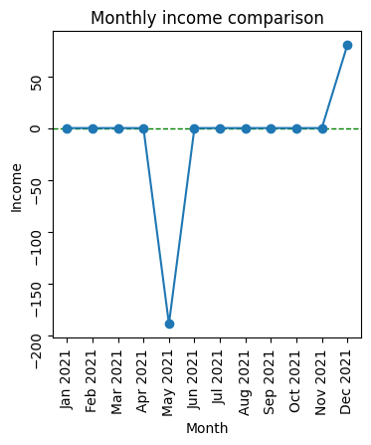
 | 0 | 1
0 | Total sales amount | 1191
1 | Total purchase amount | 1300
2 | Loss | 109

