Overview
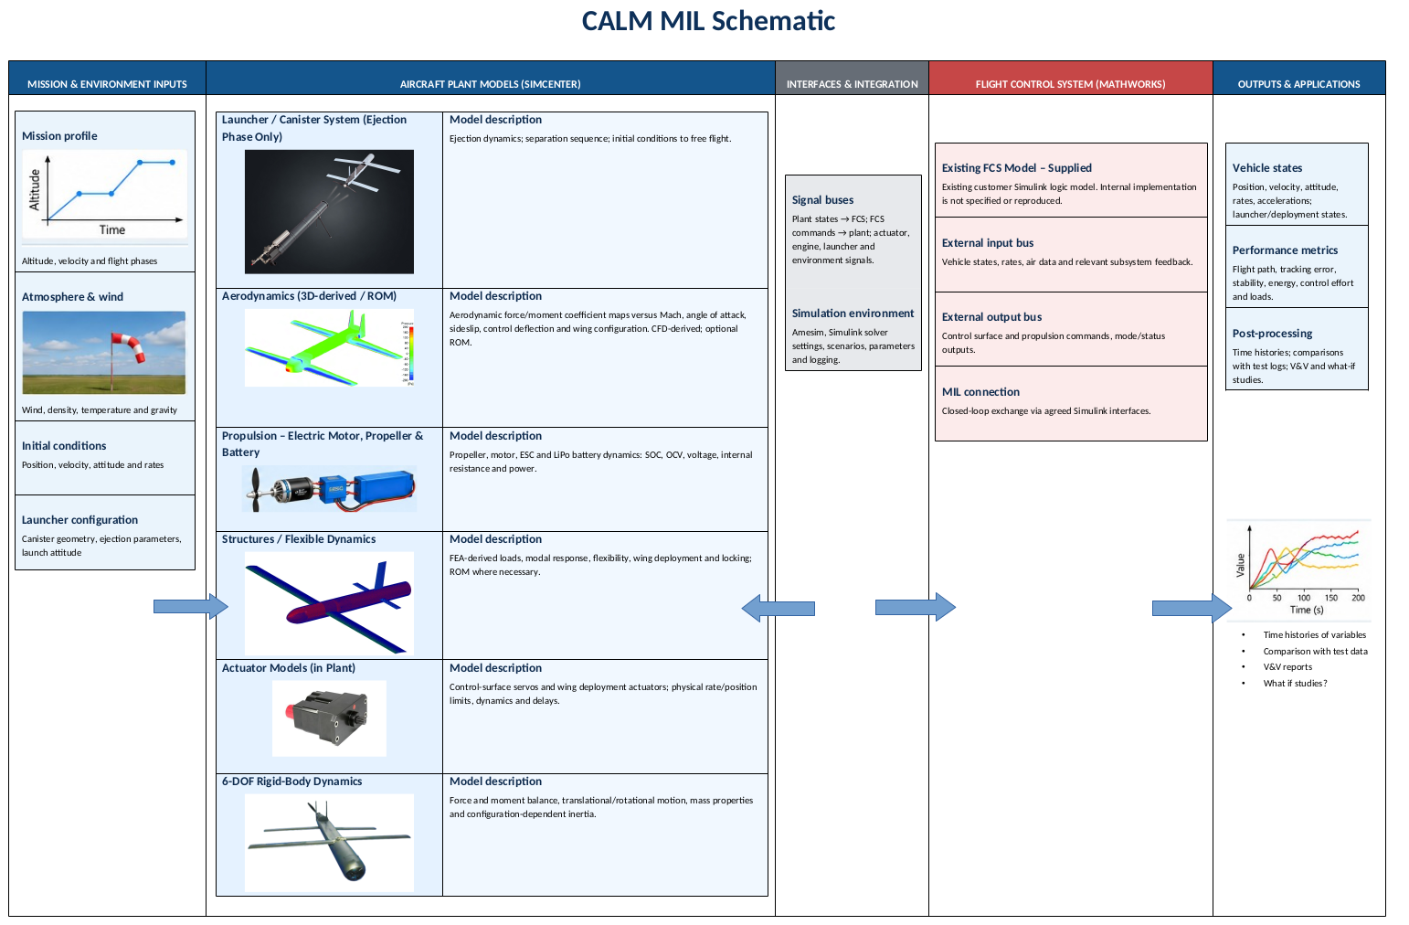
 | Format of each sheet data

S. No. | Component | Description | Value | Unit | Source | Comments

