Overview
Format of each sheet data

S. No. | Component | Description | Value | Unit | Source | Comments
1 | Subsystem component | Parameter short description | value or range | SI units | Document | Required/optional

 | Reference: |  |  |  |  |  | High level requirements:
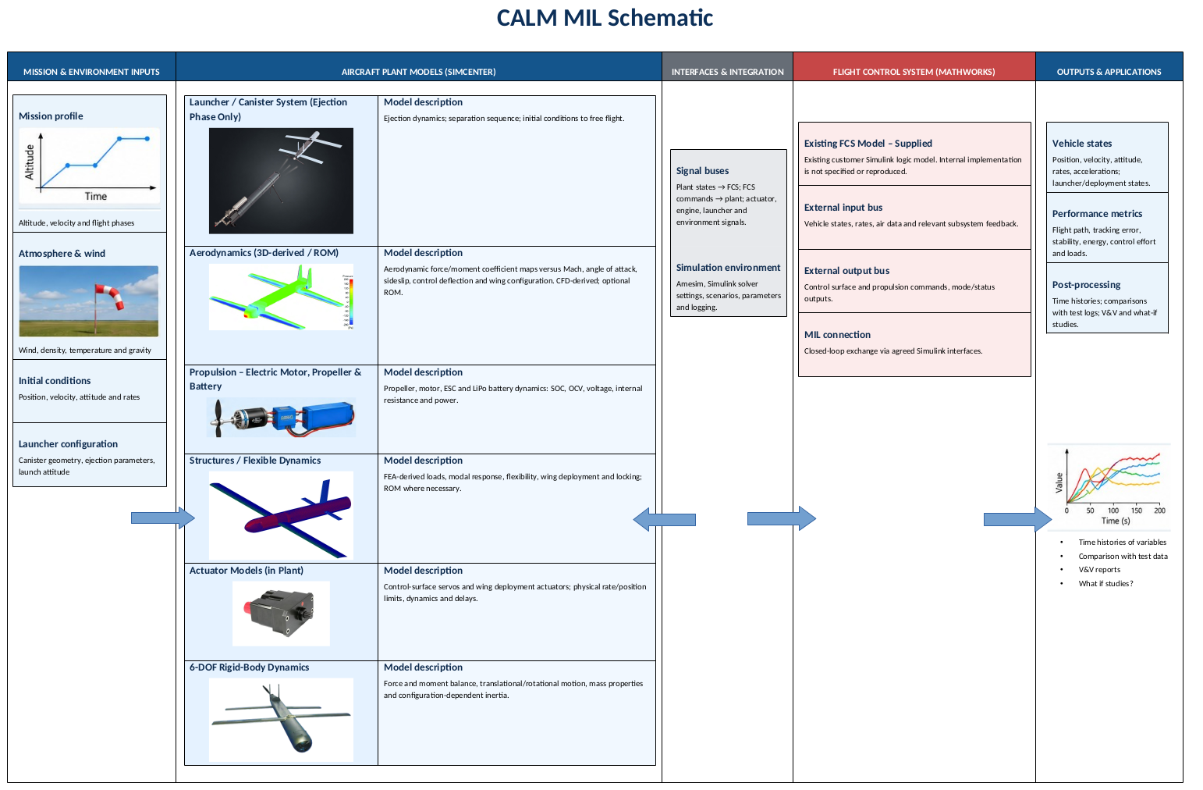
 |  |  |  |  |  |  | (to be prepared)

