Sheet2
 | Number of cells | peak systolic WSS 95th percentile | Error | log
set3mesh1 | 21965 | 3.291586 | -44.389989412 | 4.3417312076
set3mesh3 | 58331 | 3.942317 | -33.396153067 | 4.7658994218
set3mesh2 | 151117 | 6.515988 | 10.084974742 | 5.1793133233
set3mesh5 | 157610 | 3.970543 | -32.919286244 | 5.197583769
set3mesh4 | 296487 | 7.020595 | 18.610105367 | 5.4720056557
set3mesh8 | 428382 | 4.267023 | -27.91037688 | 5.6318312141
set3mesh6 | 595485 | 7.019231 | 18.58706114 | 5.7748708263
set2mesh1 | 1177293 | 4.442633 | -24.943517147 | 6.0708845618
set2mesh2 | 1220884 | 4.54675 | -23.184502656 | 6.0866744022
set3mesh9 | 1243839 | 6.843956 | 15.625861096 | 6.0947641698
set1mesh1 | 1286599 | 4.727299 | -20.134200522 | 6.1094432095
set1mesh2 | 1286599 | 4.727299 | -20.134200522 | 6.1094432095
set1mesh3 | 1286599 | 4.727299 | -20.134200522 | 6.1094432095
set1mesh4 | 1286599 | 4.727299 | -20.134200522 | 6.1094432095
set1mesh5 | 1286599 | 4.727299 | -20.134200522 | 6.1094432095
set3mesh7 | 1992665 | 6.588838 | 11.315745948 | 6.2994342927
set4mesh2 | 2310697 | 6.714684 | 13.441863082 | 6.3637430005
set2mesh3_20k | 2745843 | 6.565018 | 10.913316708 | 6.4386757018
set4mesh1 | 4017746 | 6.217535 | 5.0427323425 | 6.6039824774
set4mesh3 | 5694124 | 5.919053 | 0 | 6.7554269205
set3mesh10 | 8634415 | NA
set2mesh4 | 8670518 | NA

Sheet4
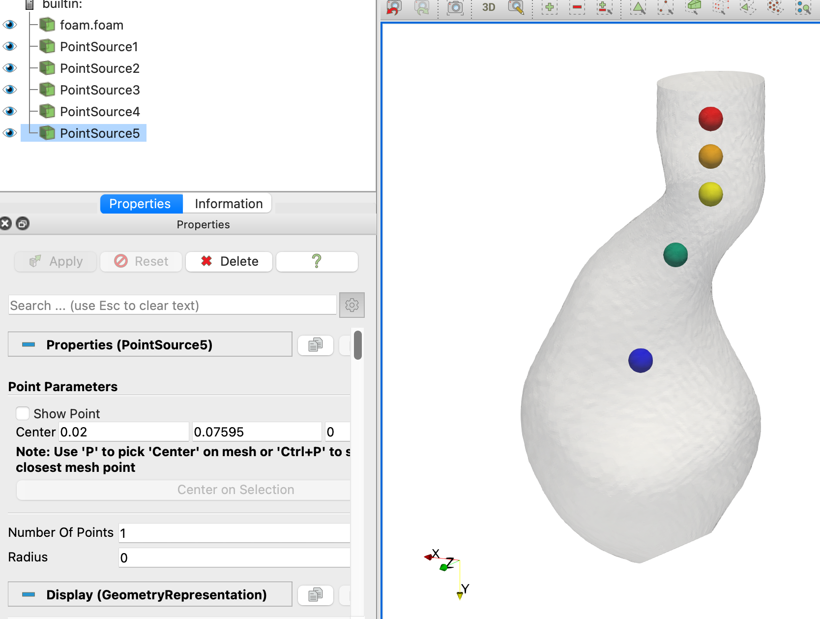
Cells | u1 | u2 | u3 | u4 | u5 | p1 | p2 | p3 | p4 | p5
628353 | 0.4603445777 |  | 0.41435995155 | 0.41672125467 | 0.15970191311 | 0.348781 |  | 0.3763 | 0.378354 | 0.440038
1008002 | 0.46027734814 |  | 0.41606509235 | 0.39660034143 | 0.16488510705 | 0.348062 |  | 0.375719 | 0.378917 | 0.439618
1286599 | 0.45949108809 | 0.45103687715 | 0.41223506676 | 0.41487219711 | 0.1732678218 | 0.349786 | 0.358389 | 0.377924 | 0.380262 | 0.441249
1649192 | 0.46016266429 |  | 0.41495139438 | 0.41394495032 | 0.18287382501 | 0.348234 |  | 0.376202 | 0.378937 | 0.440081
2745843 | 0.45995508004 |  | 0.41345397534 | 0.41404382377 | 0.1992551332 | 0.347316 |  | 0.375243 | 0.378511 | 0.4394
4678927 | 0.45972933308 |  | 0.41354366644 | 0.37751319617 | 0.15325204502 | 0.346469 |  | 0.374712 | 0.378684 | 0.438851
7718722 | 0.45948211069 |  | 0.41183779054 | 0.40229051977 | 0.16854348036 | 0.345796 |  | 0.374295 | 0.376863 | 0.438623

