Input_CurrentSense_dynamic
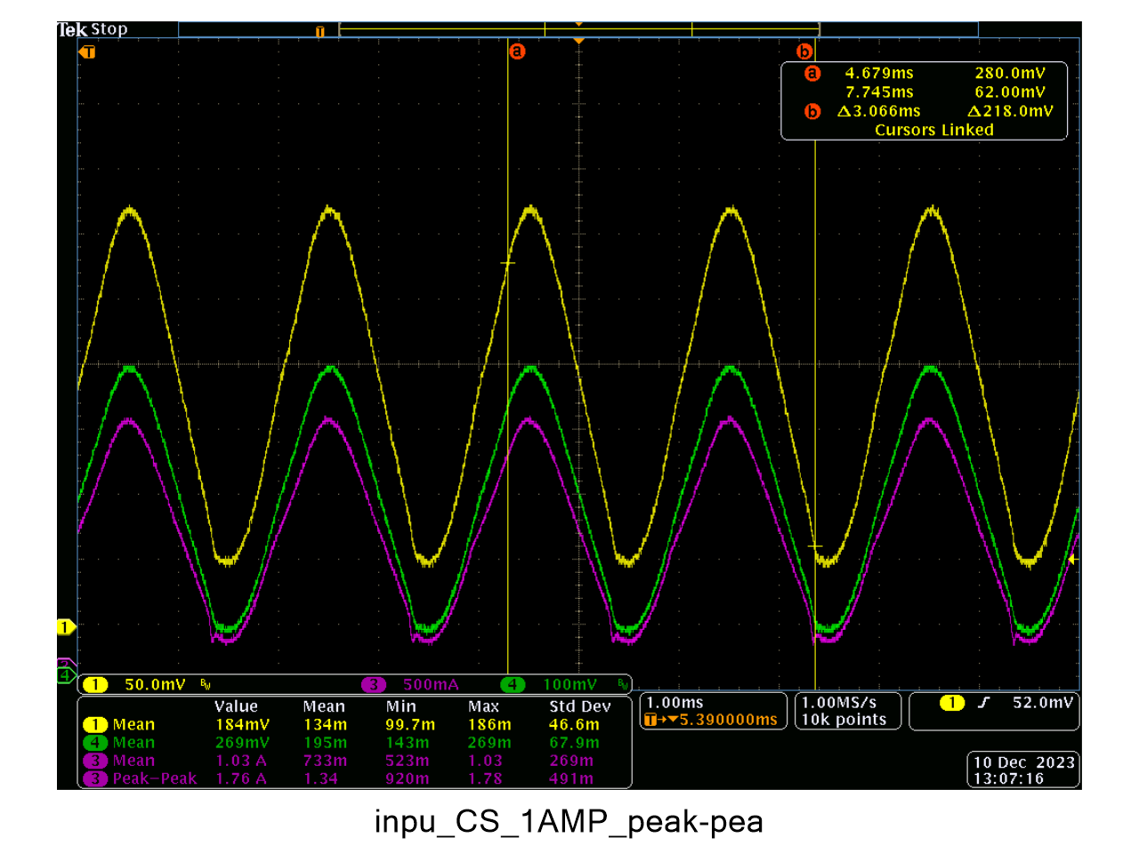
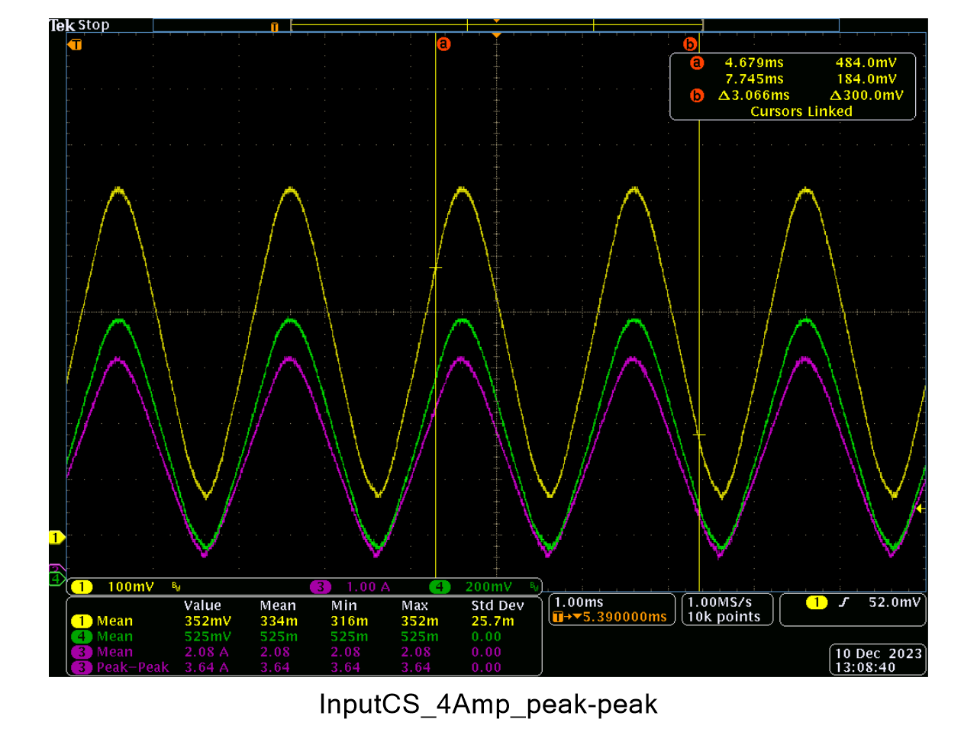
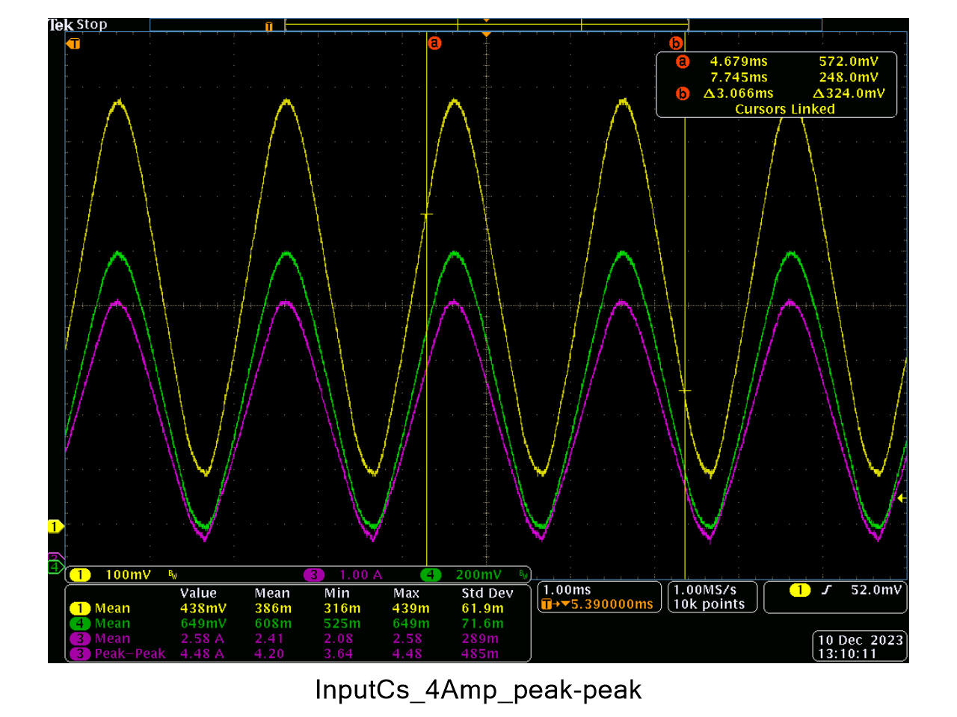
ibatPeak_set | ibus_mean | ibus_sns_voltage | ibus_sns_ibus_cal | external_ibus_voltage | external_ibus_cal | ibat_mean | ibus_mean_error | ibus_sns_error | ibus_ext_cal_error
0.1 | 0.0567376 | 0.016589 | 0.098737728 | 0.0165132 | 0.0660528
0.2 | 0.1072879 | 0.0247735 | 0.147451872 | 0.0289035 | 0.115614
0.3 | 0.1579117 | 0.0333298 | 0.1983789696 | 0.0415961 | 0.1663844
0.4 | 0.2096429 | 0.0419467 | 0.2496667584 | 0.0536851 | 0.2147404
0.5 | 0.2592395 | 0.0509354 | 0.3031675008 | 0.0666248 | 0.2664992
Input Crrent Sense
 | ibus_mean_error | ibus_sns_error | ibus_ext_cal_error
0.3 | 3.1972333333 | 14.472229338 | -5.6576
0.35 | 2.8601142857 | 12.920725258 | -5.1488
0.4 | 2.736775 | 11.267042602 | -4.9777
0.45 | 2.7021777778 | 10.458363779 | -4.2176888889
0.5 | 2.36944 | 9.1557799244 | -3.49248
0.55 | 2.1712363636 | 9.1950677815 | -3.0746909091
0.6 | 1.9485833333 | 8.5239250771 | -2.7714666667
0.65 | 1.9150461538 | 7.6789078004 | -2.4122461538
0.7 | 1.7491428571 | 7.4569305824 | -2.294
0.75 | 1.63672 | 6.6638732931 | -2.0703466667
0.8 | 1.52585 | 6.440242773 | -2.1716
0.85 | 1.4748470588 | 6.0686800633 | -1.9613647059
0.9 | 1.4129888889 | 5.8615622125 | -1.8673333333
0.95 | 1.3474842105 | 5.3296612052 | -1.6523368421
1 | 2.22 | 5.1544400755 | -3.27312
1.05 | 2.2476190476 | 4.9265840257 | -2.9571809524
1.1 | 2.2545454545 | 4.7282645843 | -2.7104727273
1.15 | 2.0869565217 | 4.4708132557 | -2.5723478261
1.2 | 2.05 | 4.4419772297 | -2.4747
1.25 | 1.968 | 4.451657744 | -2.35264
1.3 | 1.9307692308 | 4.0652479299 | -2.0735692308
1.35 | 1.7777777778 | 3.9433572574 | -2.0329481481
1.4 | 1.6357142857 | 3.7600514542 | -1.8625142857
1.45 | 1.7034482759 | 3.6580731433 | -1.8915586207
1.5 | 1.6666666667 | 3.6069246219 | -1.8486933333
1.55 | 1.5677419355 | 3.4865775 | -1.8199741935
1.6 | 1.49375 | 3.345511103 | -1.64975
1.65 | 1.5515151515 | 3.2686468333 | -1.5600727273
1.7 | 1.5176470588 | 3.2323675248 | -1.4444941176
1.75 | 1.5028571429 | 3.0783135769 | -1.4640457143
1.8 | 1.5111111111 | 3.1479529021 | -1.3738222222
1.85 | 1.4432432432 | 3.0978965131 | -1.3415351351
1.9 | 1.4947368421 | 3.0747712345 | -1.3452842105
1.95 | 1.4256410256 | 2.6241157694 | -1.2579487179
2 | 1.37 | 2.7220436048 | -1.29404
2.05 | 1.3658536585 | 2.7897765858 | -1.2458341463
2.1 | 3.6 | 2.7051153634 | -2.5579047619
2.15 | 3.4651162791 | 2.6398180679 | -2.3833674419
2.2 | 3.5681818182 | 2.61265003 | -2.3478363636
2.25 | 3.2933333333 | 2.3858940768 | -2.2246933333
2.3 | 3.3391304348 | 2.4055760676 | -2.1241565217
2.35 | 3.2255319149 | 2.2783747525 | -2.0967489362
2.4 | 3.2625 | 2.3894873884 | -2.0044666667
2.45 | 3.0653061224 | 2.2890705152 | -1.8897632653
2.5 | 3.084 | 2.2542493478 | -1.772928
2.55 | 3.1058823529 | 2.2405159849 | -1.7709960784
2.6 | 3.0269230769 | 2.3127547294 | -1.6827846154
2.65 | 2.9056603774 | 2.2513260929 | -1.7667320755
2.7 | 2.7851851852 | 2.1089821867 | -1.6562074074
2.75 | 2.8363636364 | 2.2302001545 | -1.65968
...
0.6 | 0.3095917 | 0.058932 | 0.350763264 | 0.0792432 | 0.3169728
0.7 | 0.3600104 | 0.067529 | 0.401932608 | 0.0920052 | 0.3680208
0.8 | 0.4109471 | 0.0757377 | 0.4507907904 | 0.1049777 | 0.4199108
0.9 | 0.4621598 | 0.0844354 | 0.5025595008 | 0.1172449 | 0.4689796
1 | 0.5118472 | 0.0924719 | 0.5503927488 | 0.1293656 | 0.5174624
1.1 | 0.5619418 | 0.1017631 | 0.6056939712 | 0.1417277 | 0.5669108
1.2 | 0.6116915 | 0.1101998 | 0.6559092096 | 0.1541572 | 0.6166288
1.3 | 0.6624478 | 0.1182904 | 0.7040644608 | 0.1664199 | 0.6656796
1.4 | 0.712244 | 0.1270841 | 0.7564045632 | 0.1790145 | 0.716058
1.5 | 0.7622754 | 0.1350046 | 0.8035473792 | 0.1913819 | 0.7655276
1.6 | 0.8122068 | 0.1436607 | 0.8550684864 | 0.2043432 | 0.8173728
1.7 | 0.8625362 | 0.1520357 | 0.9049164864 | 0.2166679 | 0.8666716
1.8 | 0.9127169 | 0.1606248 | 0.9560388096 | 0.2292015 | 0.916806
1.9 | 0.9628011 | 0.1685958 | 1.0034822016 | 0.2414243 | 0.9656972
2 | 1.0222 | 0.1771414 | 1.0543456128 | 0.2581828 | 1.0327312
2.1 | 1.0736 | 0.1855527 | 1.1044096704 | 0.2702626 | 1.0810504
2.2 | 1.1248 | 0.1939839 | 1.1545921728 | 0.2824538 | 1.1298152
2.3 | 1.174 | 0.2022548 | 1.2038205696 | 0.2948955 | 1.179582
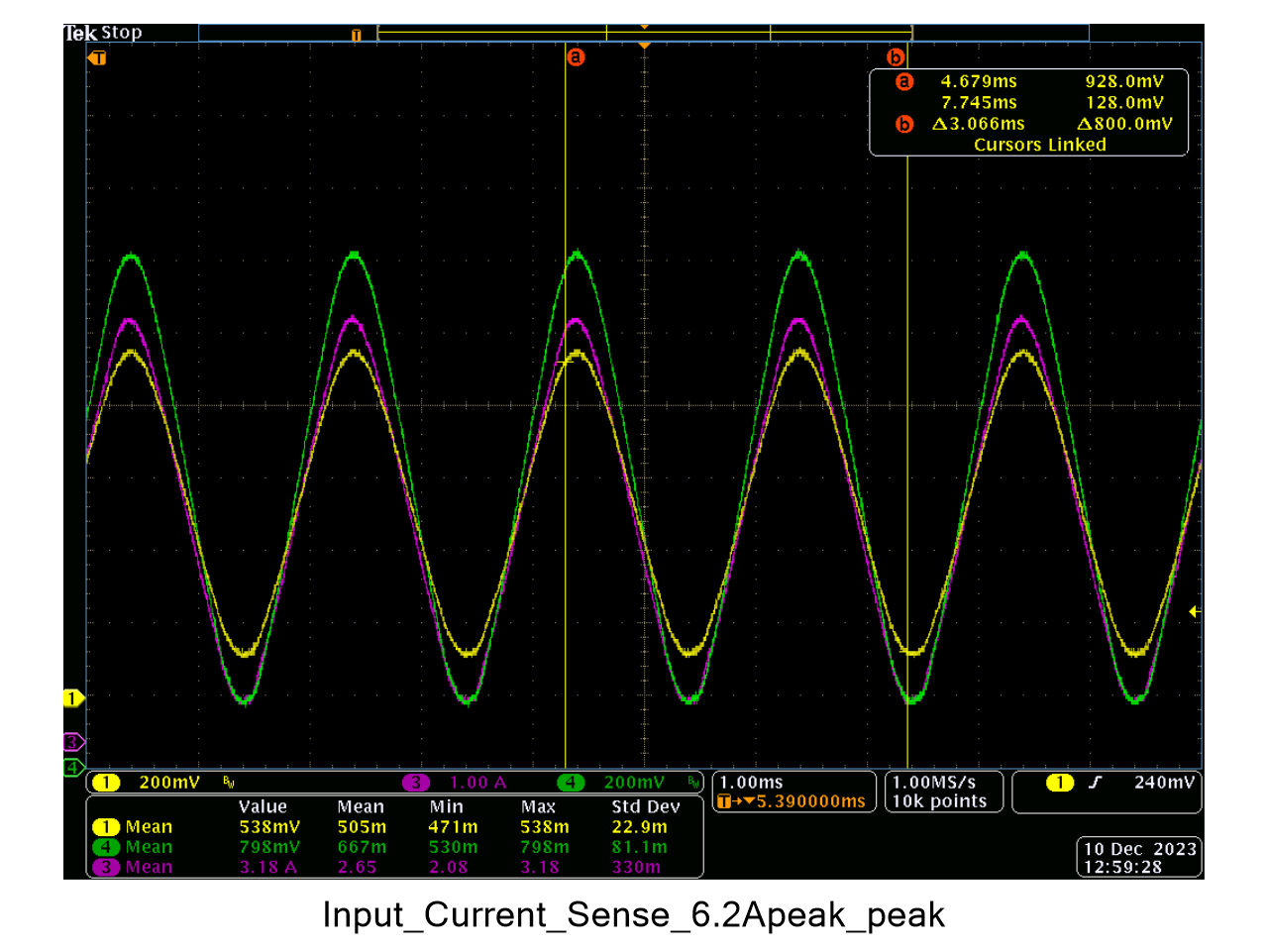
2.4 | 1.2246 | 0.2109848 | 1.2557815296 | 0.3074241 | 1.2296964 |  |  |  |  | CH1 | Ibus_sns_voltage
2.5 | 1.2746 | 0.2197981 | 1.3082382912 | 0.319852 | 1.279408 |  |  |  |  | CH3 | Ibus_current
2.6 | 1.3251 | 0.2276693 | 1.3550876736 | 0.3317391 | 1.3269564 |  |  |  |  | CH4 | External_shunt_voltage/10
2.7 | 1.374 | 0.2361258 | 1.4054207616 | 0.3443612 | 1.3774448
2.8 | 1.4229 | 0.2444048 | 1.4546973696 | 0.3565188 | 1.4260752
2.9 | 1.4747 | 0.2528656 | 1.5050560512 | 0.3693569 | 1.4774276
3 | 1.525 | 0.2614463 | 1.5561283776 | 0.3819326 | 1.5277304
3.1 | 1.5743 | 0.2698243 | 1.6059942336 | 0.3945524 | 1.5782096
3.2 | 1.6239 | 0.2781218 | 1.6553809536 | 0.406599 | 1.626396
3.3 | 1.6756 | 0.2865852 | 1.7057551104 | 0.4189353 | 1.6757412
3.4 | 1.7258 | 0.2951589 | 1.7567857728 | 0.4311391 | 1.7245564
3.5 | 1.7763 | 0.3033571 | 1.8055814592 | 0.4439052 | 1.7756208
3.6 | 1.8272 | 0.3122488 | 1.8585048576 | 0.4561822 | 1.8247288
3.7 | 1.8767 | 0.3207566 | 1.9091432832 | 0.4687046 | 1.8748184
3.8 | 1.9284 | 0.3293471 | 1.9602739392 | 0.4813901 | 1.9255604
3.9 | 1.9778 | 0.3364498 | 2.0025492096 | 0.4936325 | 1.97453
4 | 2.0274 | 0.3454241 | 2.0559642432 | 0.5064702 | 2.0258808
4.1 | 2.078 | 0.3543064 | 2.1088316928 | 0.5188849 | 2.0755396
4.2 | 2.1756 | 0.3626322 | 2.1583868544 | 0.538429 | 2.153716
4.3 | 2.2245 | 0.3710173 | 2.2082949696 | 0.5503106 | 2.2012424
4.4 | 2.2785 | 0.3795397 | 2.2590202944 | 0.5629131 | 2.2516524
4.5 | 2.3241 | 0.3872639 | 2.3049947328 | 0.5750139 | 2.3000556
4.6 | 2.3768 | 0.3959496 | 2.3566920192 | 0.5872139 | 2.3488556
4.7 | 2.4258 | 0.4040306 | 2.4047901312 | 0.5998184 | 2.3992736
4.8 | 2.4783 | 0.4130967 | 2.4587515584 | 0.6120268 | 2.4481072
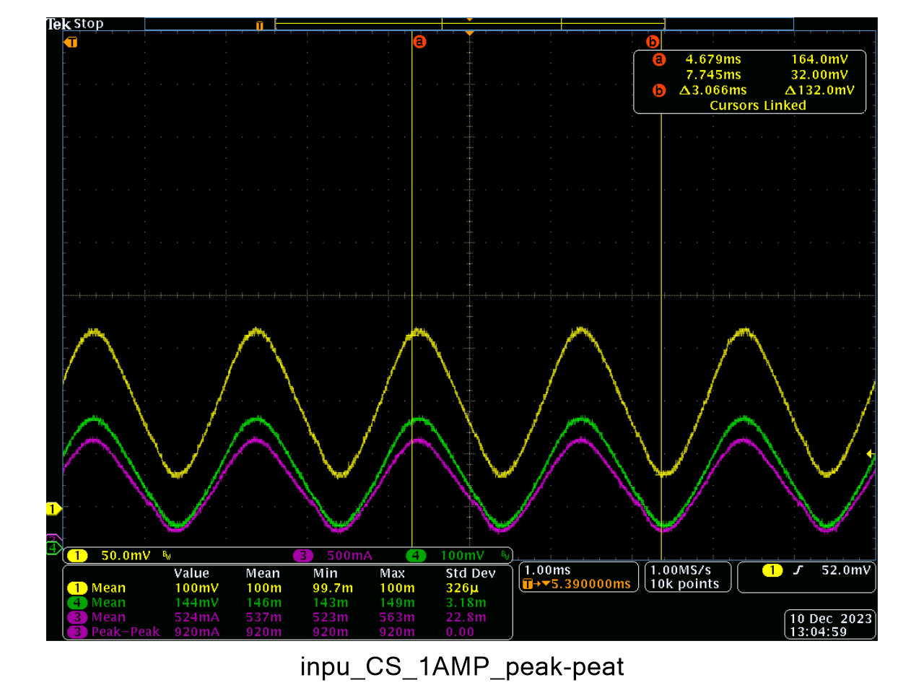
4.9 | 2.5251 | 0.4212695 | 2.507396064 | 0.6240748 | 2.4962992
5 | 2.5771 | 0.4297137 | 2.5576559424 | 0.6360808 | 2.5443232
5.1 | 2.6292 | 0.4382464 | 2.6084425728 | 0.6487901 | 2.5951604
5.2 | 2.6787 | 0.4471699 | 2.6615552448 | 0.6609381 | 2.6437524
5.3 | 2.727 | 0.4554829 | 2.7110342208 | 0.6742046 | 2.6968184
5.4 | 2.7752 | 0.4634021 | 2.7581692992 | 0.6861794 | 2.7447176
5.5 | 2.828 | 0.4725688 | 2.8127294976 | 0.6989103 | 2.7956412
5.6 | 2.8777 | 0.4806884 | 2.8610573568 | 0.7115147 | 2.8460588
5.7 | 2.9279 | 0.4891501 | 2.9114213952 | 0.7236315 | 2.894526
5.8 | 2.9783 | 0.4974233 | 2.9606634816 | 0.736344 | 2.945376
5.9 | 3.0291 | 0.5059058 | 3.0111513216 | 0.7492233 | 2.9968932
6 | 3.0789 | 0.513941 | 3.058976832 | 0.7612481 | 3.0449924
6.1 | 3.1265 | 0.5225058 | 3.1099545216 | 0.7735601 | 3.0942404

