Request object vs DB
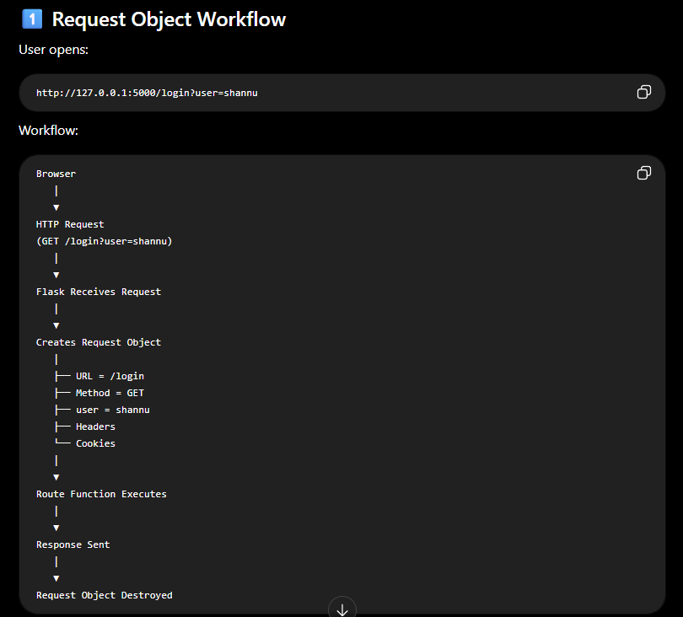
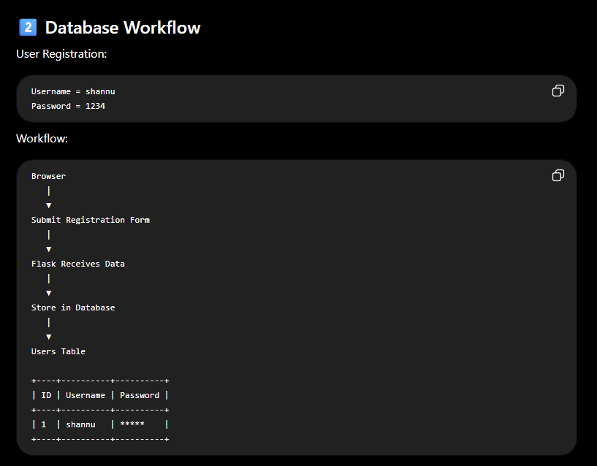

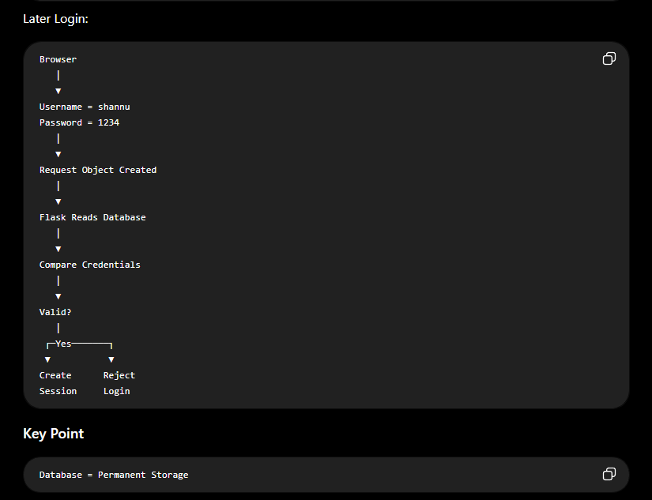

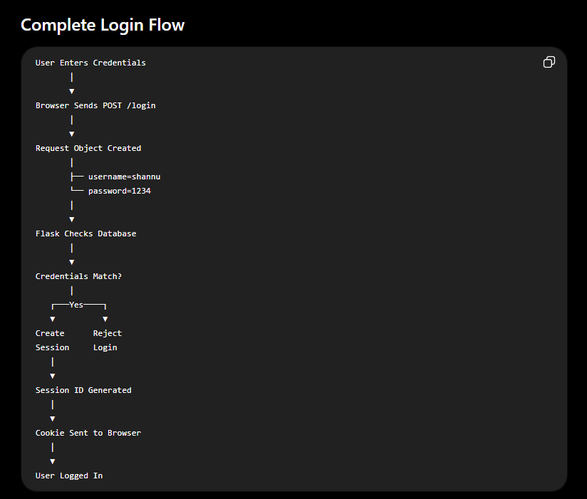

GET vs POST


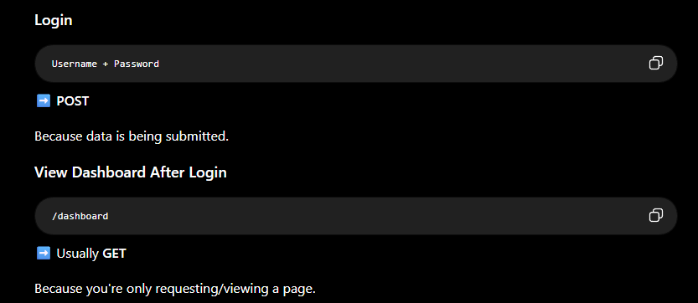

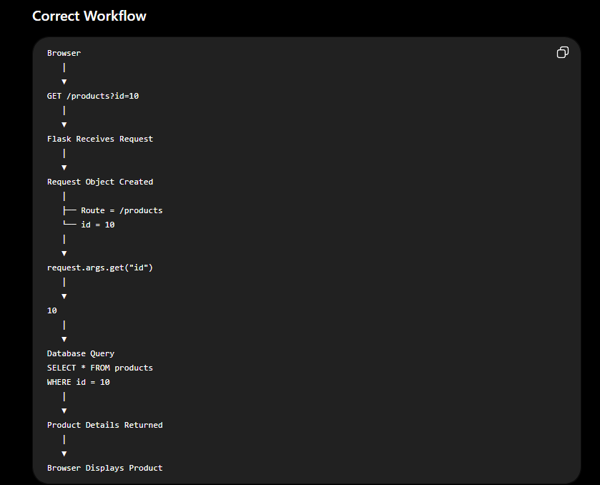
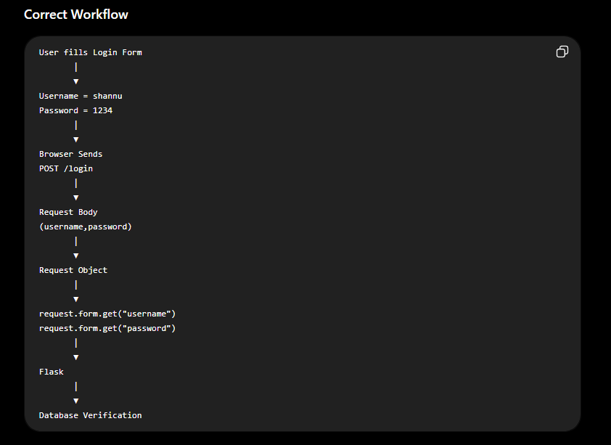

Scenario
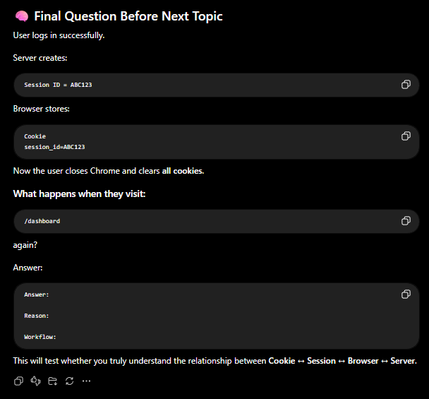
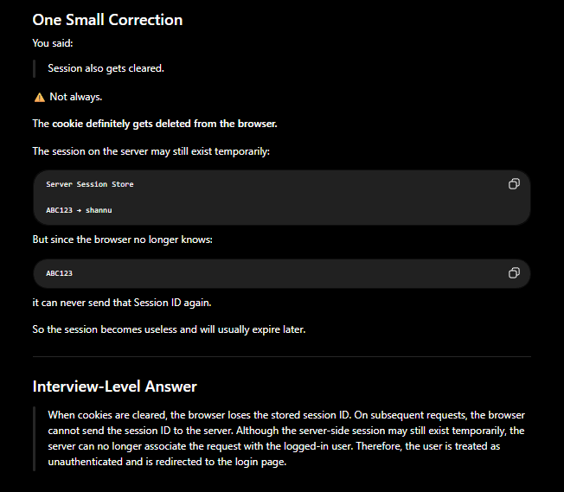
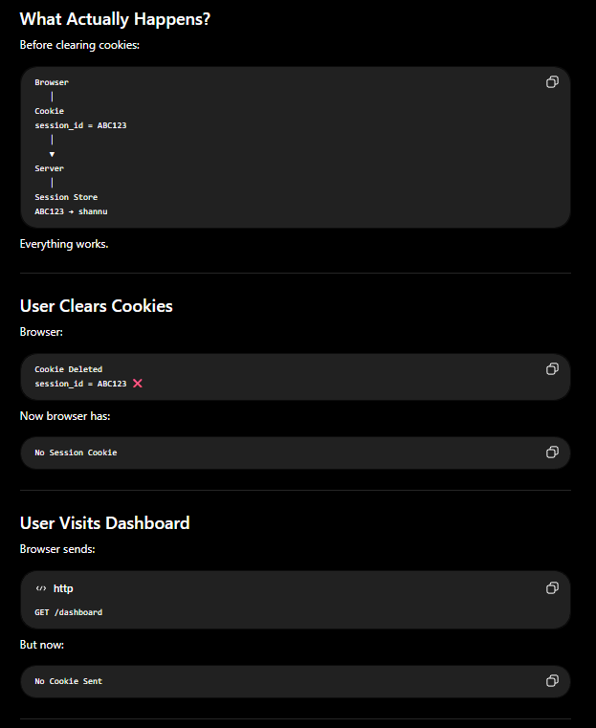
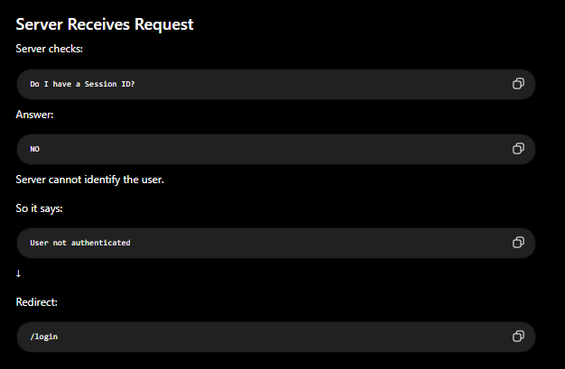
Scenario 1

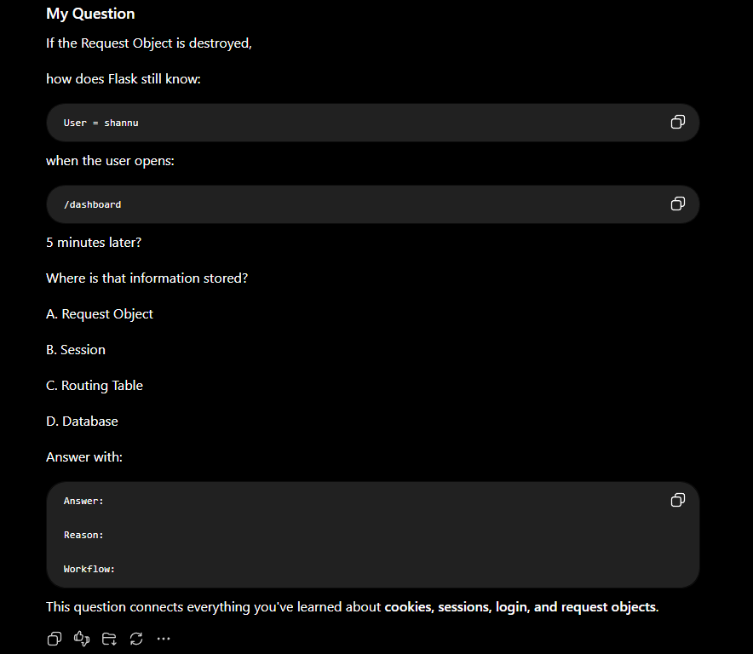



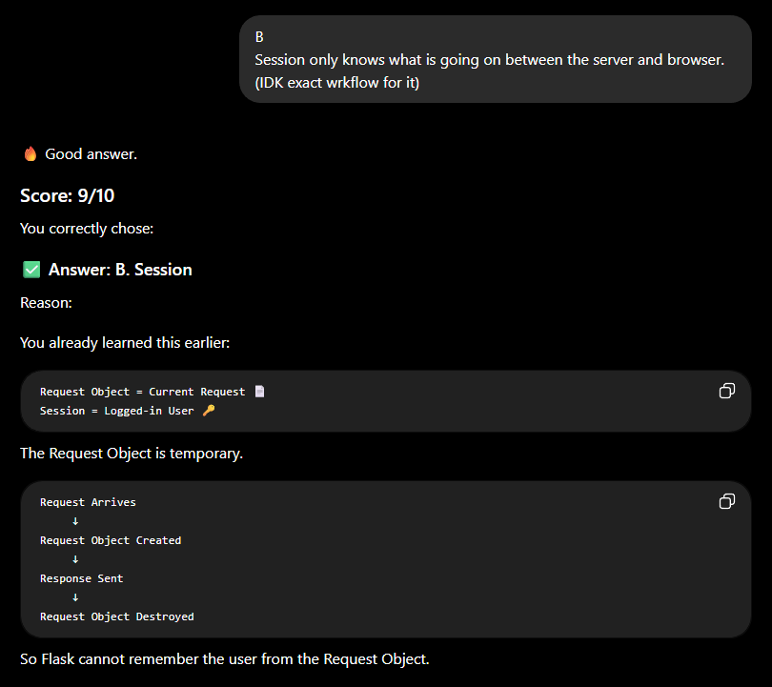

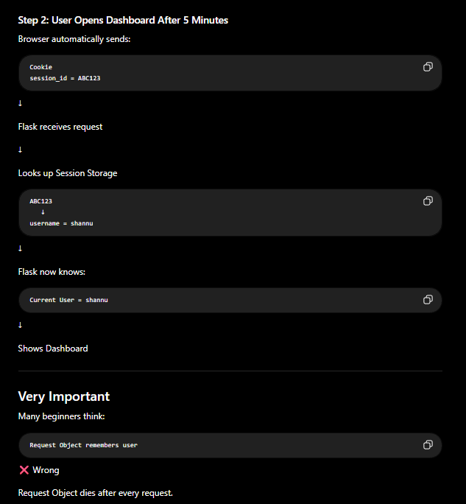

Scenaerio 2

Authentication vs Authorization
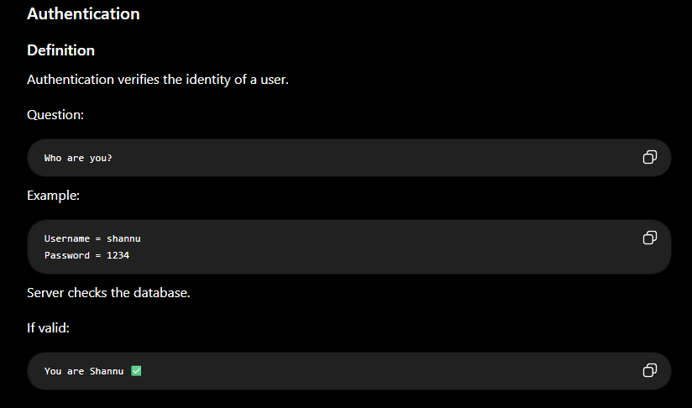
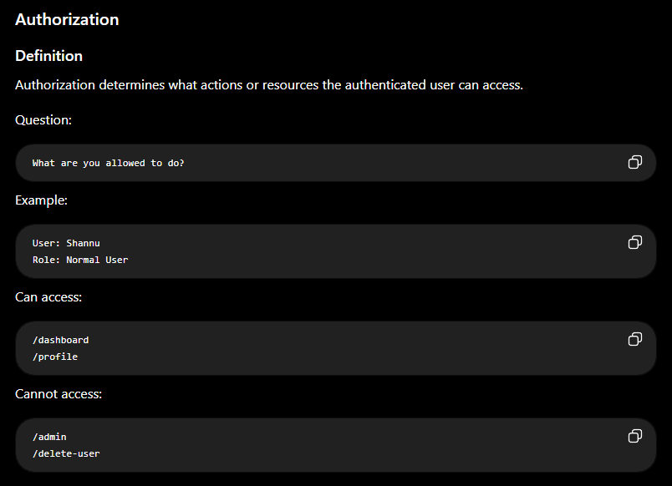

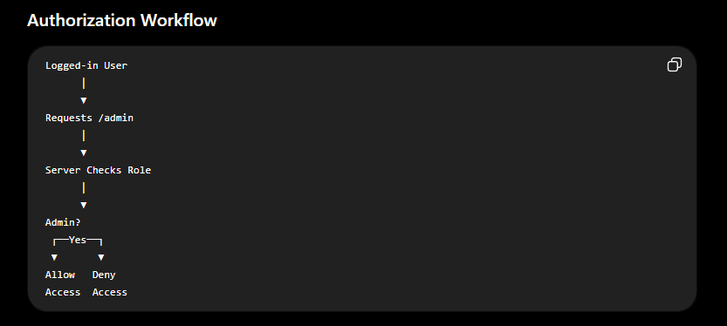

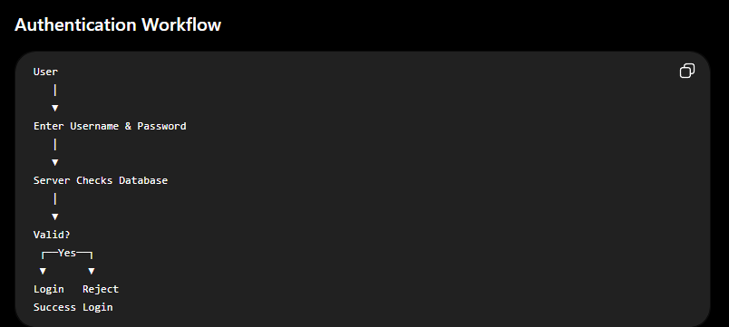

 | Feature | Authentication | Authorization
 | Purpose | Verify identity | Verify permissions
 | Main Question | Who are you? | What can you do?
 | Happens When | During login | After login
 | Checks | Username, Password, OTP | Roles, Permissions
 | Example | Login to Instagram | Access Admin Panel
 | Result | User identity confirmed | Access granted/denied
 | Failure | Login fails | Access denied (403)
 | Security Risk | Broken Authentication | Broken Authorization

 | Action | Authentication or Authorization?
 | Login with Username & Password | Authentication
 | Access Own Profile | Authorization
 | Like a Post | Authorization
 | Delete Instagram Database | Authorization (Admin Only)
 | Reset Password via OTP | Authentication

Authentication Factors

 | Factor Type | Based On | Example
 | Knowledge Factor | Something you know | Password, PIN
 | Possession Factor | Something you have | Mobile Phone, OTP, Security Token
 | Inherence Factor | Something you are | Fingerprint, Face ID

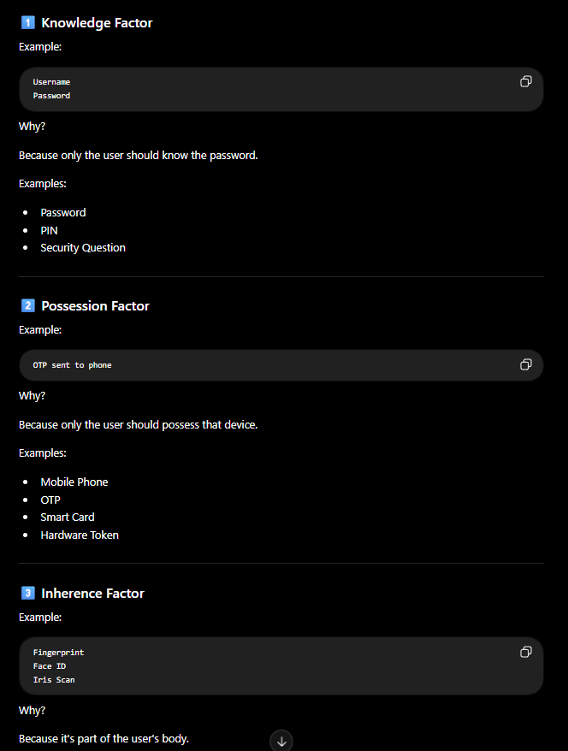

 | Factor | Meaning | Example | Security Level
 | Knowledge | Something you know | Password | Medium
 | Possession | Something you have | OTP | High
 | Inherence | Something you are | Fingerprint | High

Session Hijacking
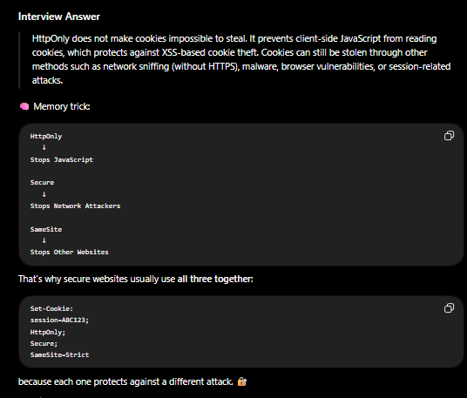
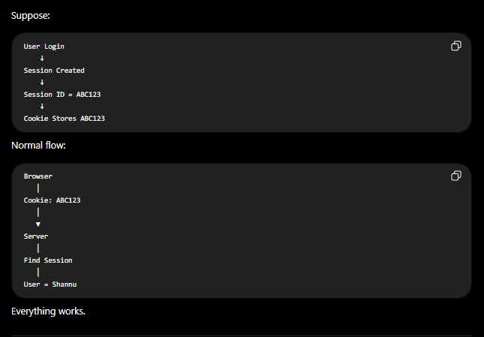
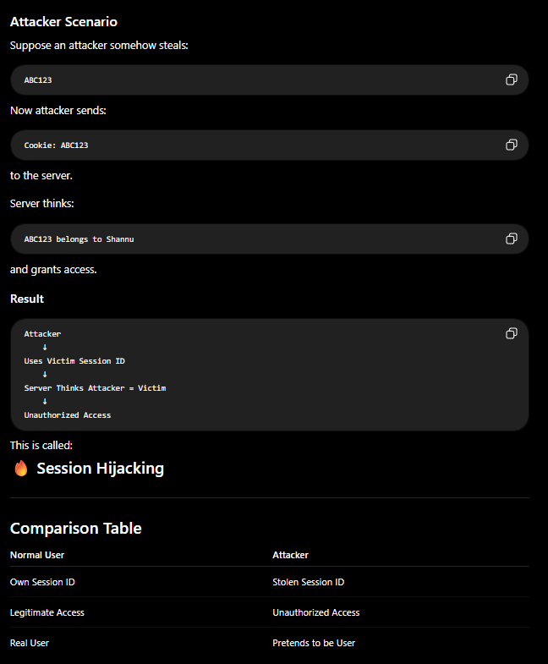

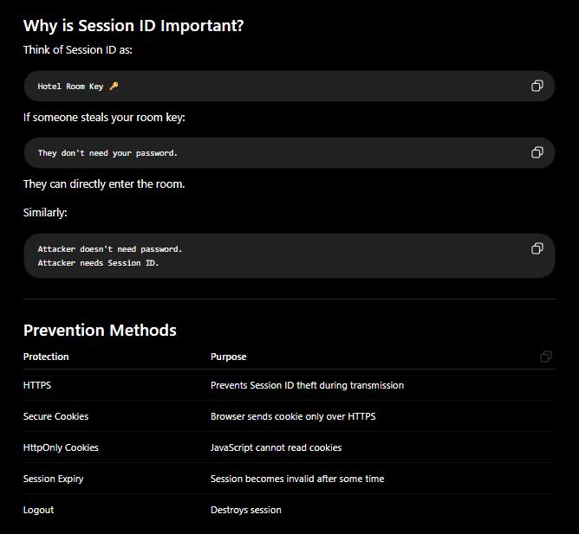

These things are explained in upcoming Slides so don't confuse while reading the slides, thosea re preventions

SH Scenario
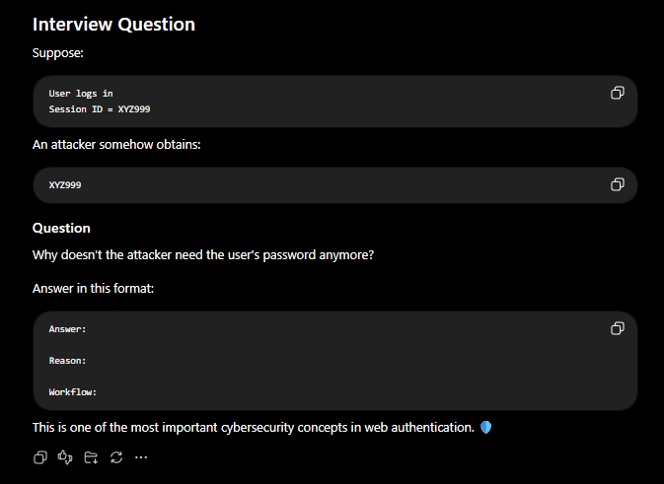
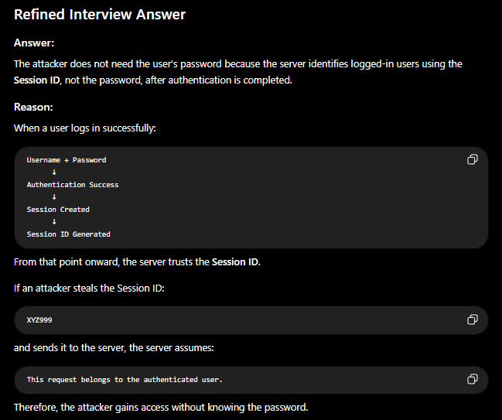

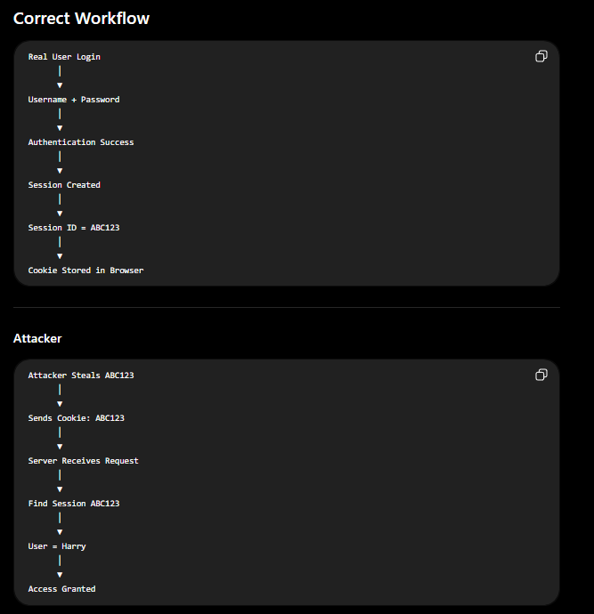

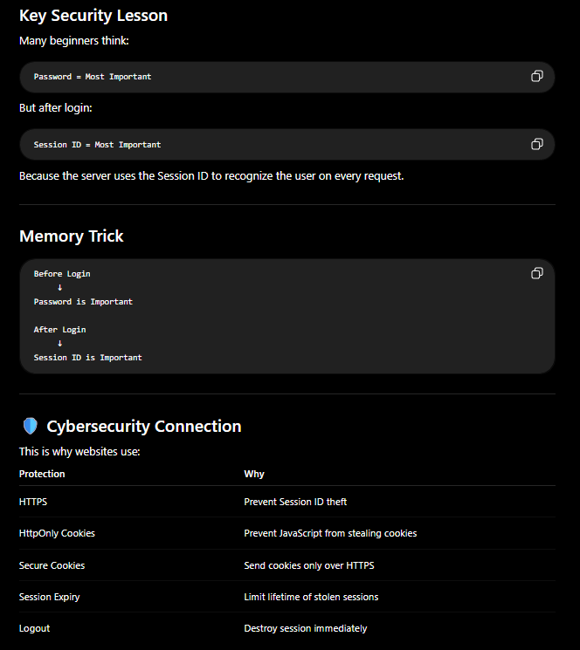

Session Hijacking vs Fixation
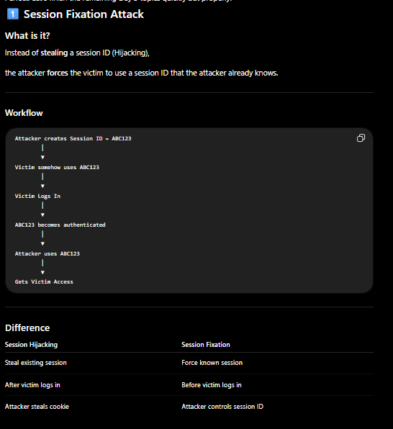


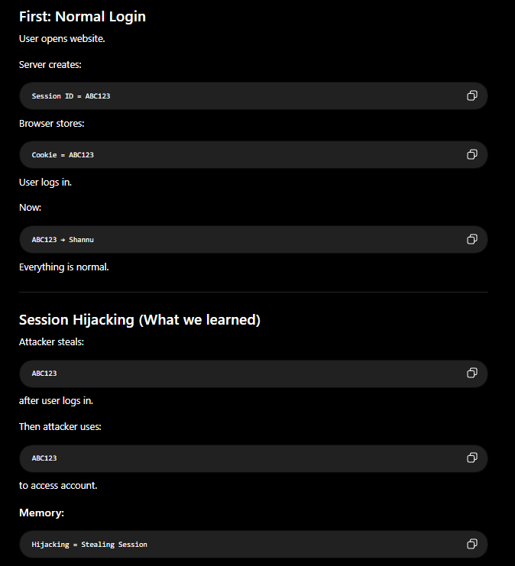
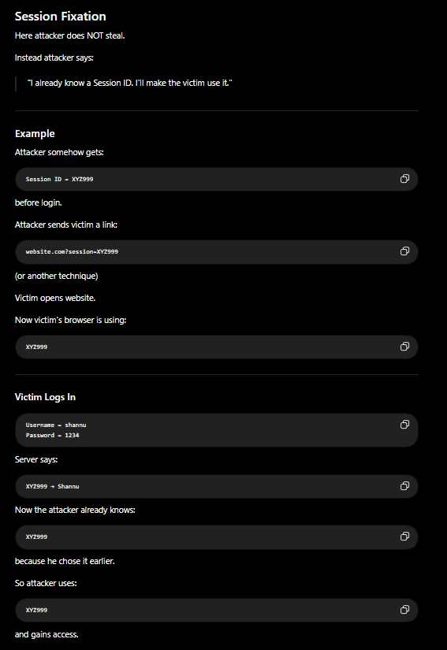

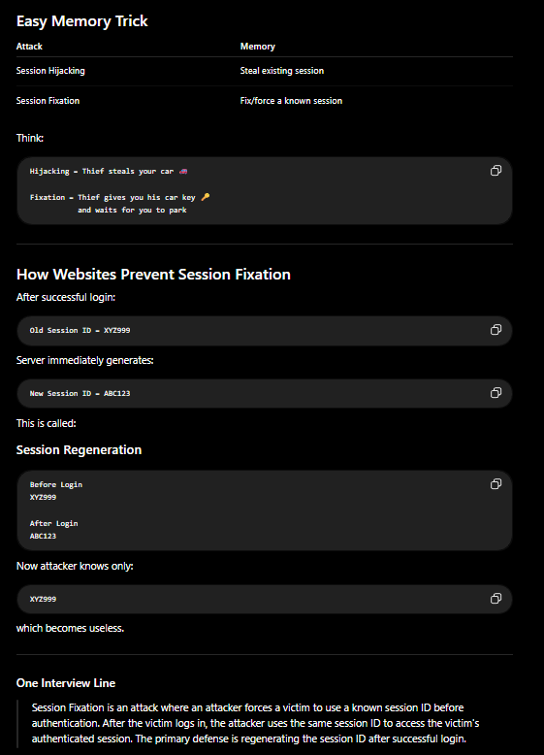

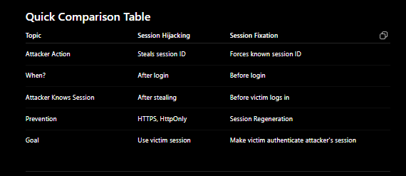

Secure Cookie Attributes
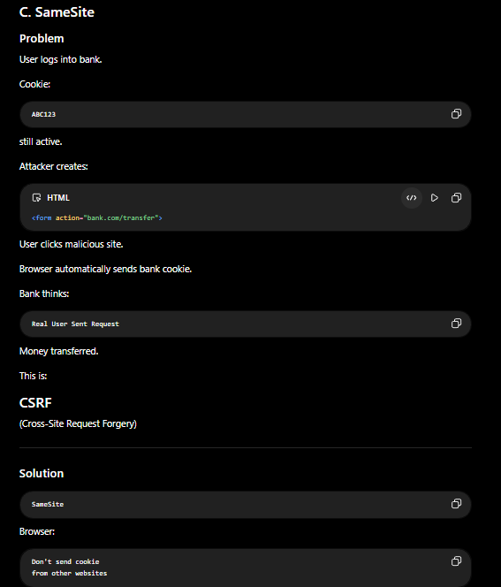

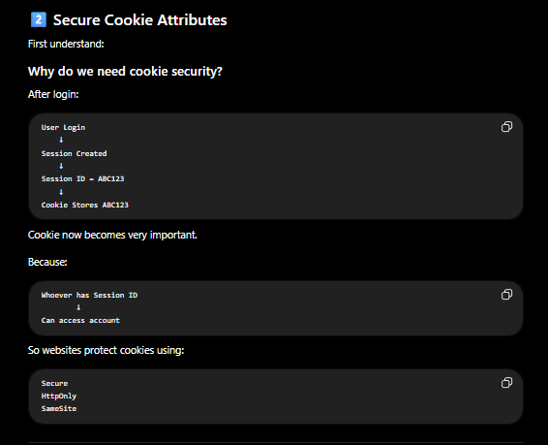
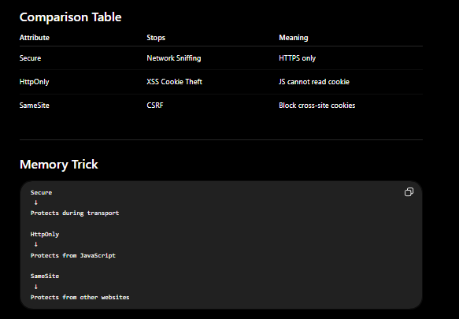

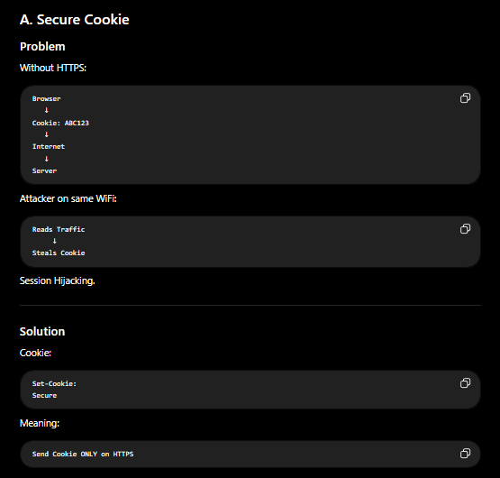


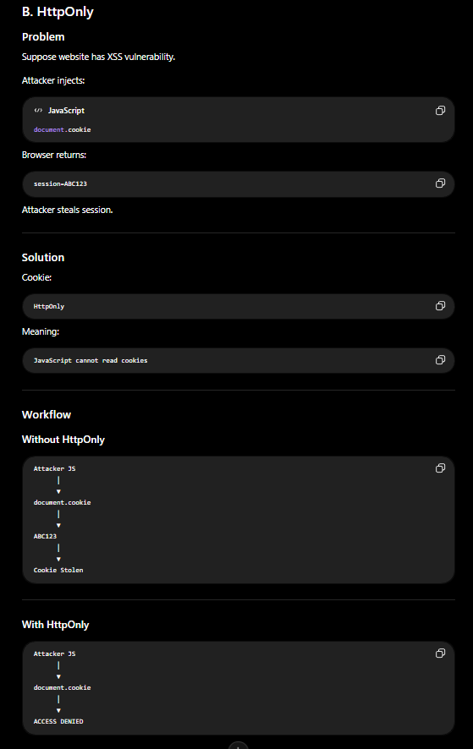
Detailed HttpOnly explanation | HttpOnly does not make cookies impossible to steal. It prevents client-side JavaScript from reading cookies, which protects against XSS-based cookie theft. Cookies can still be stolen through other methods such as network sniffing (without HTTPS), malware, browser vulnerabilities, or session-related attacks.

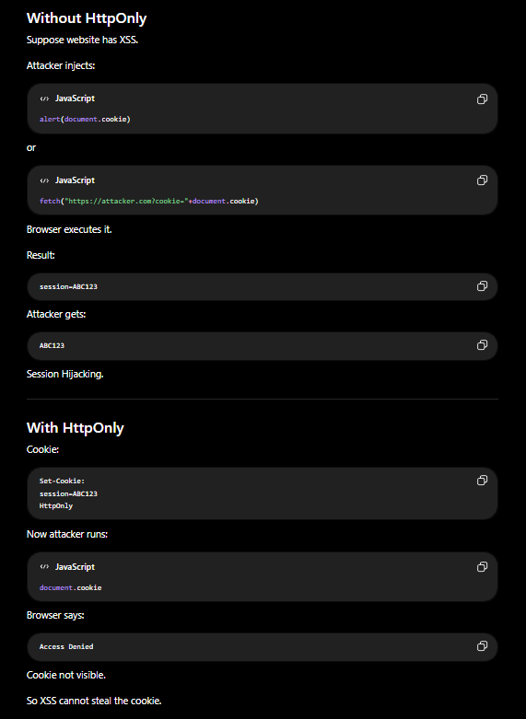
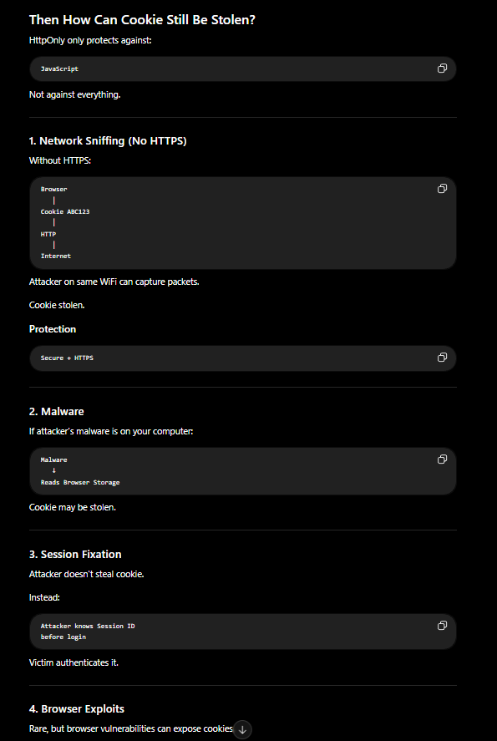
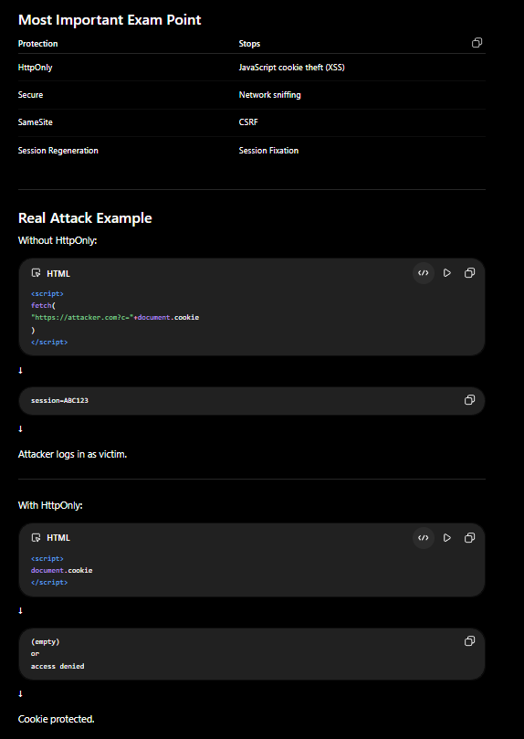
 |  | HttpOnly does not make cookies impossible to steal. It prevents client-side JavaScript from reading cookies, which protects against XSS-based cookie theft. Cookies can still be stolen through other methods such as network sniffing (without HTTPS), malware, browser vulnerabilities, or session-related attacks.

Logout Workflow
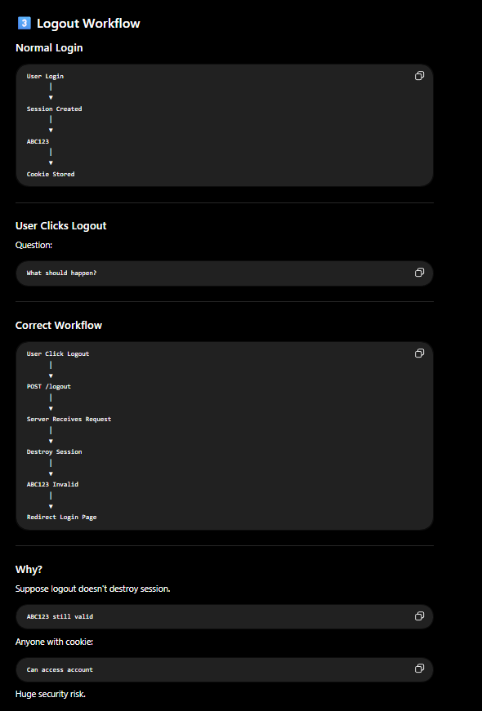

Session Expiration
