Observations
Observations

ObJ_001 | Maps are disappeared and screen displayed blank after left the app open for approx. 10 min
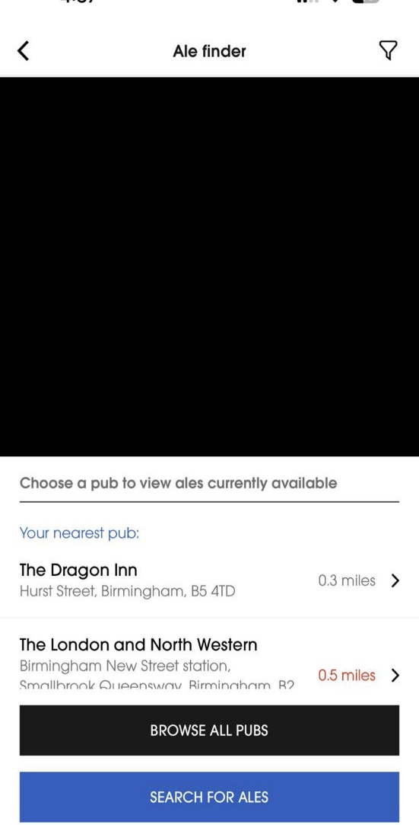
Configuration |  | IOS version | 26.1
 |  | Phone | I phone 14 pro max
 |  | Network | Wi-Fi with 215 Mbps

ObJ_002 | There is no bell icon/option for me to receive notification when the ale become available
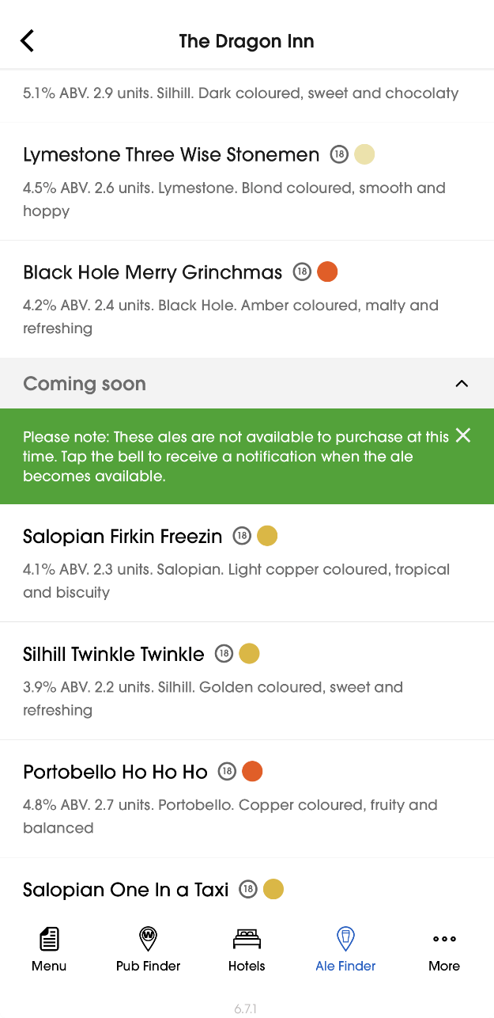
Configuration |  | IOS version | 26.1
 |  | Phone | I phone 14 pro max
 |  | Network | Wi-Fi with 215 Mbps

