UX Concepts
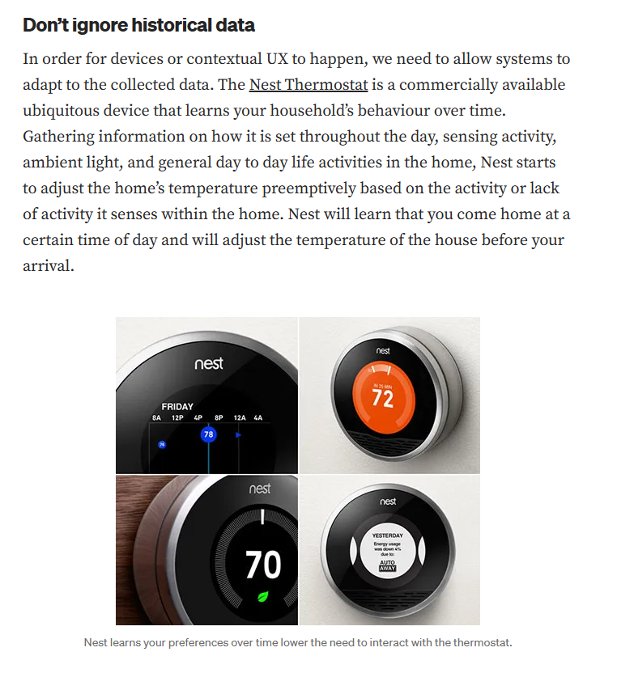
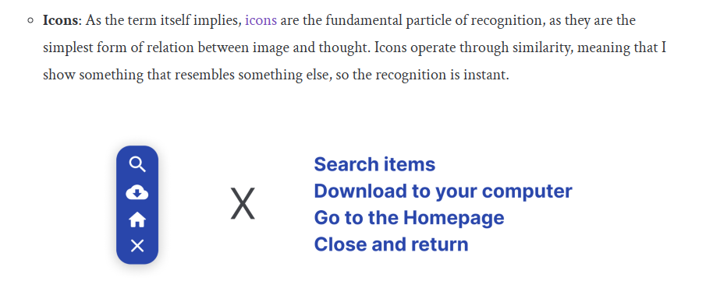
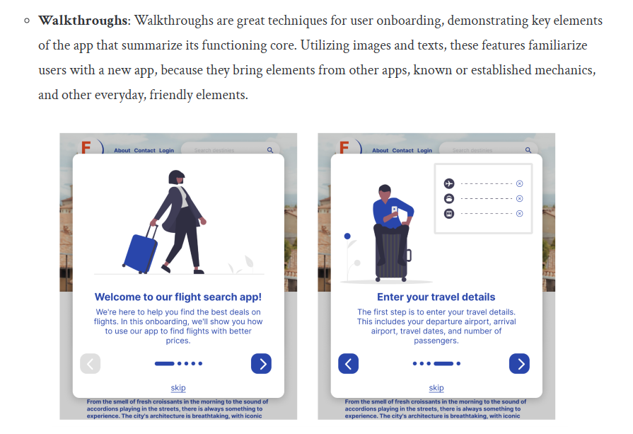
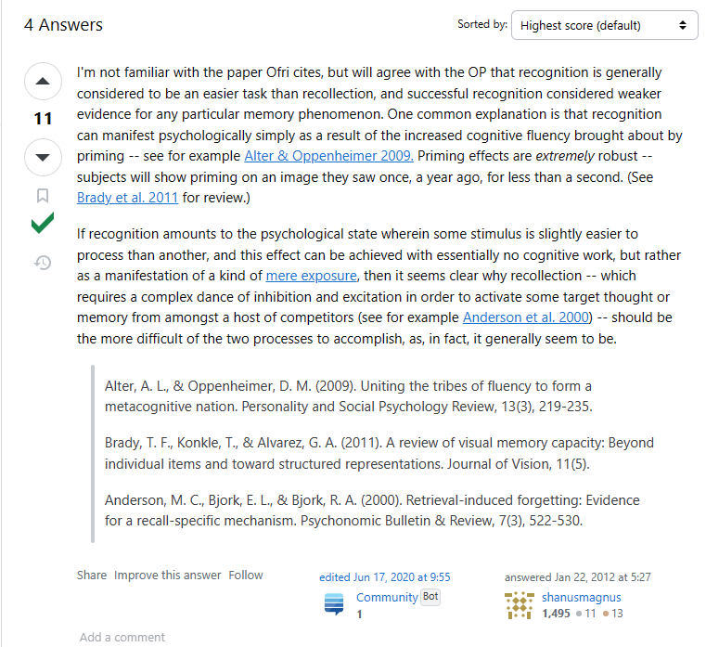
 |  |  | ( personalization )
🧠 | Recognition Over Recall | 📈 | Contextual Relevance

 | Recognition vs. recall: Leveraging cognitive processes in user interfaces - LogRocket Blog |  | Contextual UX. Building Relevant and Customized… | by Andrew Smyk | UX Collective (uxdesign.cc)
 | cognitive psychology - Why is recognition easier than recall? - Psychology & Neuroscience Stack Exchange

