What is Machine Learning
 | Disclaimer: NOT BASED ON REAL DATA
Example | Business Rule |  |  | Traditional Programming |  | Machine Learning |  | ML in the Perspective of Analytic Geometry
Company X implemented this Salary Grade table on the right as a guide to determine how much is their budget for hiring a Data Scientist based on experience. | Title | Experience in Years | Salary | Years of Experience | ONE of the valid logics to get the Salary | According to Wikipedia, "Machine learning (ML) is a field of study in artificial intelligence concerned with the development and study of statistical algorithms that can learn from data and generalize to unseen data, and thus perform tasks without explicit instructions. Recently, artificial neural networks have been able to surpass many previous approaches in performance." |  |  | Let's go back to high school and find the equation of a line given two points!
 | Associate Data Scientist | 1 | 40000 | 0 | Upskill ka muna!
 | Data Scientist | 3 | 80000 | 1 | 40000 | For me, Machine Learning just sounds intidimidating, but it's not fancy! It's nothing but just another Geometry problem. |  |  | Steps / Algorithm:
 | Senior Data Scientist | 5 | 120000 | 2 | 40000 |  |  |  | Step 1: Solve for the slope or m in the equation y = mx + b
 | Data Science Lead | 7 | 160000 | 3 | 80000 | Machine Learning |  |  | Step 2: Plug in the solved m to the equation y = mx + b
 | Principal Data Scientist | 9 | 200000 | 4 | 80000 | Years of Experience | Salary |  | Step 3: Choose a pair of x and y in the table on the left, and also plug in to y = mx +b
 |  |  |  | 5 | 120000 | 1 | 40000 |  | Step 4: Solve for y-int or b
 |  |  |  | 6 | 120000 | 2 | 60000 |  | Step 5: Plug in slope (m) and y-int (b) to the equation y = mx + b)
 |  |  |  | 7 | 160000 | 3 | 80000
 |  |  |  | 8 | 160000 | 4 | 100000 |  | Let's act as if we're the machine learning following an algorithm!
 |  |  |  | 9 | 200000 | 5 | 120000
 |  |  |  | 10 | 200000 | 6 | 140000 |  | y1 | 40000
 |  |  |  | 11 | 200000 | 7 | 160000 |  | y2 | 200000
 |  |  |  | 12 | 200000 | 8 | 180000 |  | x1 | 1
 |  |  |  |  |  | 9 | 200000 |  | x2 | 9
 |  |  |  | In Python: |  | 10 | 220000
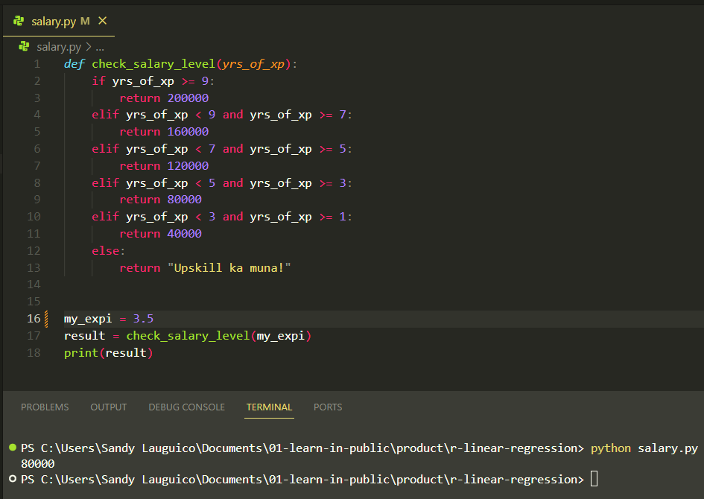
 |  |  |  |  |  | 11 | 240000 |  | y = | mx + b
 |  |  |  |  |  | 12 | 260000 |  | m = | y2 - y1
 |  |  |  |  |  |  |  |  |  | x2 -x1
 |  |  |  |  |  | Let's explain ML like I am 5!
 |  |  |  |  |  |  |  |  | m = | 20000
 |  |  |  |  |  | Source: @teenybiscuit https://medium.com/@cristianduguet/chihuahua-or-muffin-38560baf629d
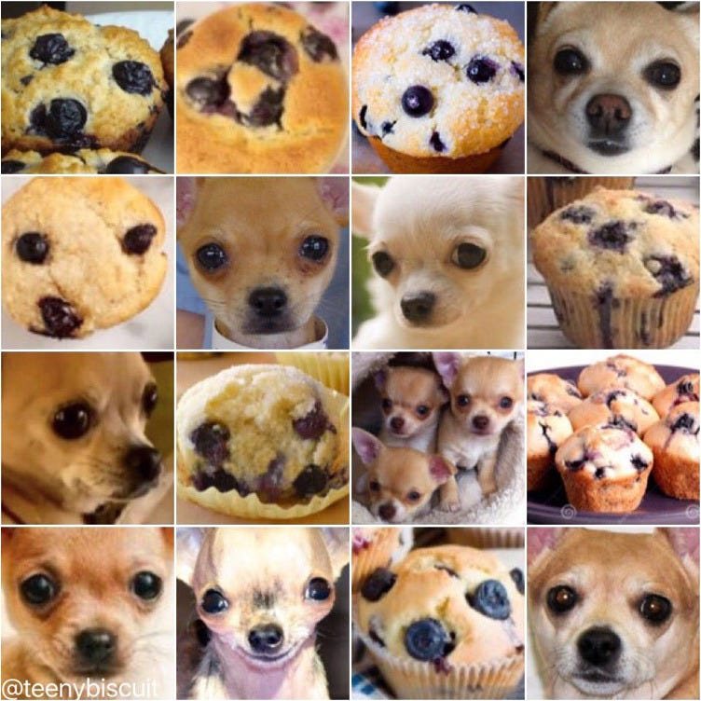
 |  |  |  |  |  |  |  |  | y = 20000x + b
 |  |  |  |  |  |  |  |  | 40000 = 20000(1) + b
 |  |  |  |  |  |  |  |  | b = 40000 - 20000(1)
 |  |  |  |  |  |  |  |  | b = 20000

 |  |  |  |  |  |  |  |  | Another way:
 |  |  |  |  |  |  |  |  | y = 20000x + b
 |  |  |  |  |  |  |  |  | 100000 = 20000(4) + b
 |  |  |  |  |  |  |  |  | b = 10000 - 20000(4)
 |  |  |  |  |  |  |  |  | b = 20000

 |  |  |  |  |  |  |  |  | The equation therefore is:
 |  |  |  |  |  |  |  |  | y = 20000(x) + 20000

 |  |  |  |  |  |  |  |  | Plug in the equation / model learned by ML
 |  |  |  |  |  |  |  |  | Years of Experience | Salary
 |  |  |  |  |  |  |  |  | 1 | 40000
 |  |  |  |  |  | Questions: |  |  | 2 | 60000
 |  |  |  |  |  | What makes it a muffin? A puppy? |  |  | 3 | 80000
 |  |  |  |  |  | How do you know it's not a muffin? Not a puppy? |  |  | 4 | 100000
 |  |  |  |  |  |  |  |  | 5 | 120000
 |  |  |  |  |  |  |  |  | 6 | 140000
 |  |  |  |  |  | More examples! Imagine you are a student, ranting on an exam because the questions are not in the examples provided during class… |  |  | 7 | 160000
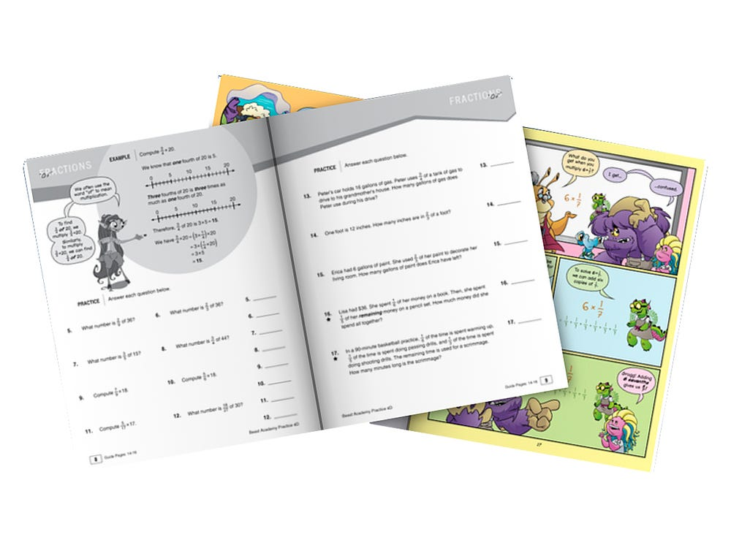
 |  |  |  |  |  |  |  |  | 8 | 180000
 |  |  |  |  |  |  |  |  | 9 | 200000
 |  |  |  |  |  |  |  |  | 10 | 220000
 |  |  |  |  |  |  |  |  | 11 | 240000
 |  |  |  |  |  |  |  |  | 12 | 260000
 |  |  |  |  |  |  |  |  | 13 | 280000
 |  |  |  |  |  |  |  |  | 14 | 300000
 |  |  |  |  |  |  |  |  | 15 | 320000
 |  |  |  |  |  |  |  |  | 16 | 340000
 |  |  |  |  |  |  |  |  | 17 | 360000
 |  |  |  |  |  |  |  |  | 18 | 380000
 |  |  |  |  |  |  |  |  | 19 | 400000
 |  |  |  |  |  |  |  |  | 20 | 420000

 |  |  |  |  |  |  |  |  | Let's graph!
Salary Based on Experience

Supervised ML
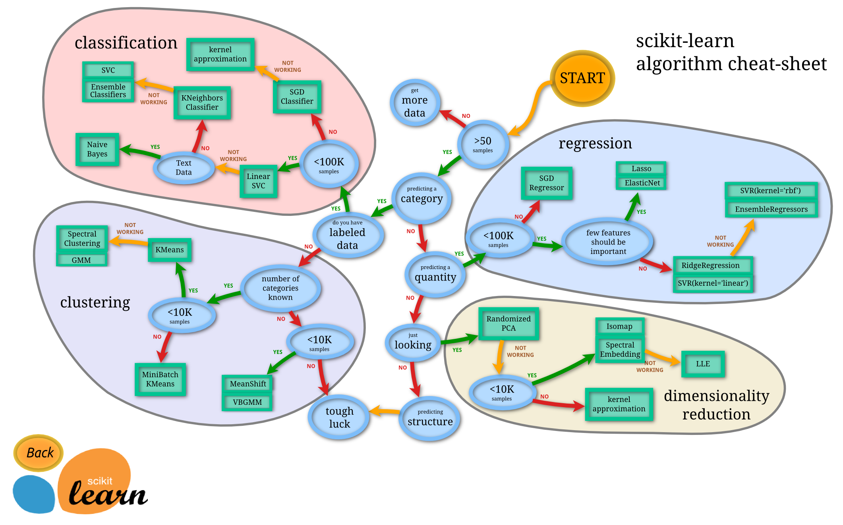
 |  | Dependent Variable

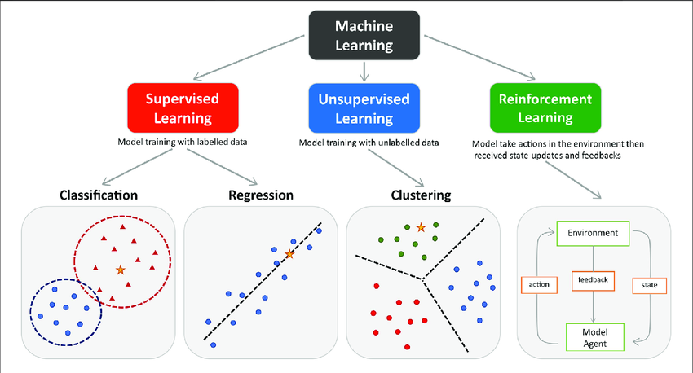
Source: https://www.researchgate.net/figure/The-main-types-of-machine-learning-Main-approaches-include-classification-and_fig1_354960266
 | Continuous |  |  | Discrete / Categorical

 | Linear Regression Model |  | Linear Probability Model | Logit Model | Probit Model

 | Source: https://scikit-learn.org/stable/tutorial/machine_learning_map/

ML Vocabulary
Id | SepalLengthCm | SepalWidthCm | PetalLengthCm | PetalWidthCm | Species
1 | 5.1 | 3.5 | 1.4 | 0.2 | Iris-setosa |  | Predictor / Features / Attributes / Independent Variable / x | Properties of the data used for prediction or classification
2 | 4.9 | 3 | 1.4 | 0.2 | Iris-setosa |  | Target / Dependent Variable / y | Predicted category or value of the data (column to predict or classify)
3 | 4.7 | 3.2 | 1.3 | 0.2 | Iris-setosa
4 | 4.6 | 3.1 | 1.5 | 0.2 | Iris-setosa |  | Sample | A single data point within the dataset (1 row)
5 | 5 | 3.6 | 1.4 | 0.2 | Iris-setosa |  | Label | The target value of a single data point
6 | 5.4 | 3.9 | 1.7 | 0.4 | Iris-setosa
7 | 4.6 | 3.4 | 1.4 | 0.3 | Iris-setosa
8 | 5 | 3.4 | 1.5 | 0.2 | Iris-setosa
9 | 4.4 | 2.9 | 1.4 | 0.2 | Iris-setosa
10 | 4.9 | 3.1 | 1.5 | 0.1 | Iris-setosa | Source: https://eminebozkus.medium.com/exploring-the-iris-flower-dataset-4e000bcc266c
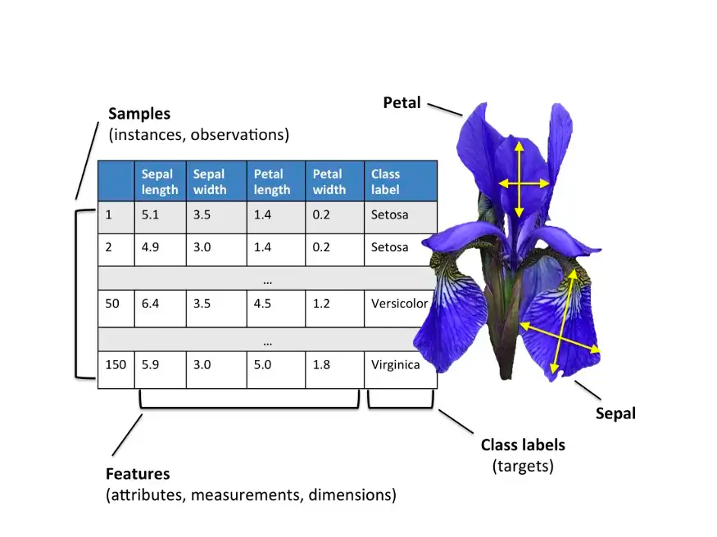
11 | 5.4 | 3.7 | 1.5 | 0.2 | Iris-setosa
12 | 4.8 | 3.4 | 1.6 | 0.2 | Iris-setosa
13 | 4.8 | 3 | 1.4 | 0.1 | Iris-setosa
14 | 4.3 | 3 | 1.1 | 0.1 | Iris-setosa
15 | 5.8 | 4 | 1.2 | 0.2 | Iris-setosa
16 | 5.7 | 4.4 | 1.5 | 0.4 | Iris-setosa
17 | 5.4 | 3.9 | 1.3 | 0.4 | Iris-setosa
18 | 5.1 | 3.5 | 1.4 | 0.3 | Iris-setosa
19 | 5.7 | 3.8 | 1.7 | 0.3 | Iris-setosa
20 | 5.1 | 3.8 | 1.5 | 0.3 | Iris-setosa
21 | 5.4 | 3.4 | 1.7 | 0.2 | Iris-setosa
22 | 5.1 | 3.7 | 1.5 | 0.4 | Iris-setosa
23 | 4.6 | 3.6 | 1 | 0.2 | Iris-setosa
24 | 5.1 | 3.3 | 1.7 | 0.5 | Iris-setosa
25 | 4.8 | 3.4 | 1.9 | 0.2 | Iris-setosa
26 | 5 | 3 | 1.6 | 0.2 | Iris-setosa
27 | 5 | 3.4 | 1.6 | 0.4 | Iris-setosa
28 | 5.2 | 3.5 | 1.5 | 0.2 | Iris-setosa
29 | 5.2 | 3.4 | 1.4 | 0.2 | Iris-setosa
30 | 4.7 | 3.2 | 1.6 | 0.2 | Iris-setosa
31 | 4.8 | 3.1 | 1.6 | 0.2 | Iris-setosa
32 | 5.4 | 3.4 | 1.5 | 0.4 | Iris-setosa
33 | 5.2 | 4.1 | 1.5 | 0.1 | Iris-setosa
34 | 5.5 | 4.2 | 1.4 | 0.2 | Iris-setosa
35 | 4.9 | 3.1 | 1.5 | 0.1 | Iris-setosa
36 | 5 | 3.2 | 1.2 | 0.2 | Iris-setosa
37 | 5.5 | 3.5 | 1.3 | 0.2 | Iris-setosa
38 | 4.9 | 3.1 | 1.5 | 0.1 | Iris-setosa
39 | 4.4 | 3 | 1.3 | 0.2 | Iris-setosa
40 | 5.1 | 3.4 | 1.5 | 0.2 | Iris-setosa
41 | 5 | 3.5 | 1.3 | 0.3 | Iris-setosa
42 | 4.5 | 2.3 | 1.3 | 0.3 | Iris-setosa
43 | 4.4 | 3.2 | 1.3 | 0.2 | Iris-setosa
44 | 5 | 3.5 | 1.6 | 0.6 | Iris-setosa
45 | 5.1 | 3.8 | 1.9 | 0.4 | Iris-setosa
46 | 4.8 | 3 | 1.4 | 0.3 | Iris-setosa
47 | 5.1 | 3.8 | 1.6 | 0.2 | Iris-setosa
48 | 4.6 | 3.2 | 1.4 | 0.2 | Iris-setosa
49 | 5.3 | 3.7 | 1.5 | 0.2 | Iris-setosa
50 | 5 | 3.3 | 1.4 | 0.2 | Iris-setosa
51 | 7 | 3.2 | 4.7 | 1.4 | Iris-versicolor
52 | 6.4 | 3.2 | 4.5 | 1.5 | Iris-versicolor
53 | 6.9 | 3.1 | 4.9 | 1.5 | Iris-versicolor
54 | 5.5 | 2.3 | 4 | 1.3 | Iris-versicolor
55 | 6.5 | 2.8 | 4.6 | 1.5 | Iris-versicolor
56 | 5.7 | 2.8 | 4.5 | 1.3 | Iris-versicolor
57 | 6.3 | 3.3 | 4.7 | 1.6 | Iris-versicolor
58 | 4.9 | 2.4 | 3.3 | 1 | Iris-versicolor
59 | 6.6 | 2.9 | 4.6 | 1.3 | Iris-versicolor
60 | 5.2 | 2.7 | 3.9 | 1.4 | Iris-versicolor
61 | 5 | 2 | 3.5 | 1 | Iris-versicolor
62 | 5.9 | 3 | 4.2 | 1.5 | Iris-versicolor
63 | 6 | 2.2 | 4 | 1 | Iris-versicolor
64 | 6.1 | 2.9 | 4.7 | 1.4 | Iris-versicolor
65 | 5.6 | 2.9 | 3.6 | 1.3 | Iris-versicolor
66 | 6.7 | 3.1 | 4.4 | 1.4 | Iris-versicolor
67 | 5.6 | 3 | 4.5 | 1.5 | Iris-versicolor
68 | 5.8 | 2.7 | 4.1 | 1 | Iris-versicolor
69 | 6.2 | 2.2 | 4.5 | 1.5 | Iris-versicolor
70 | 5.6 | 2.5 | 3.9 | 1.1 | Iris-versicolor
71 | 5.9 | 3.2 | 4.8 | 1.8 | Iris-versicolor
72 | 6.1 | 2.8 | 4 | 1.3 | Iris-versicolor
73 | 6.3 | 2.5 | 4.9 | 1.5 | Iris-versicolor
74 | 6.1 | 2.8 | 4.7 | 1.2 | Iris-versicolor
75 | 6.4 | 2.9 | 4.3 | 1.3 | Iris-versicolor
76 | 6.6 | 3 | 4.4 | 1.4 | Iris-versicolor
77 | 6.8 | 2.8 | 4.8 | 1.4 | Iris-versicolor
78 | 6.7 | 3 | 5 | 1.7 | Iris-versicolor
79 | 6 | 2.9 | 4.5 | 1.5 | Iris-versicolor
80 | 5.7 | 2.6 | 3.5 | 1 | Iris-versicolor
81 | 5.5 | 2.4 | 3.8 | 1.1 | Iris-versicolor
82 | 5.5 | 2.4 | 3.7 | 1 | Iris-versicolor
83 | 5.8 | 2.7 | 3.9 | 1.2 | Iris-versicolor
84 | 6 | 2.7 | 5.1 | 1.6 | Iris-versicolor
85 | 5.4 | 3 | 4.5 | 1.5 | Iris-versicolor
86 | 6 | 3.4 | 4.5 | 1.6 | Iris-versicolor
87 | 6.7 | 3.1 | 4.7 | 1.5 | Iris-versicolor
88 | 6.3 | 2.3 | 4.4 | 1.3 | Iris-versicolor
89 | 5.6 | 3 | 4.1 | 1.3 | Iris-versicolor
90 | 5.5 | 2.5 | 4 | 1.3 | Iris-versicolor
91 | 5.5 | 2.6 | 4.4 | 1.2 | Iris-versicolor
92 | 6.1 | 3 | 4.6 | 1.4 | Iris-versicolor
93 | 5.8 | 2.6 | 4 | 1.2 | Iris-versicolor
94 | 5 | 2.3 | 3.3 | 1 | Iris-versicolor
95 | 5.6 | 2.7 | 4.2 | 1.3 | Iris-versicolor
96 | 5.7 | 3 | 4.2 | 1.2 | Iris-versicolor
97 | 5.7 | 2.9 | 4.2 | 1.3 | Iris-versicolor
98 | 6.2 | 2.9 | 4.3 | 1.3 | Iris-versicolor
99 | 5.1 | 2.5 | 3 | 1.1 | Iris-versicolor
100 | 5.7 | 2.8 | 4.1 | 1.3 | Iris-versicolor
101 | 6.3 | 3.3 | 6 | 2.5 | Iris-virginica
102 | 5.8 | 2.7 | 5.1 | 1.9 | Iris-virginica
103 | 7.1 | 3 | 5.9 | 2.1 | Iris-virginica
104 | 6.3 | 2.9 | 5.6 | 1.8 | Iris-virginica
105 | 6.5 | 3 | 5.8 | 2.2 | Iris-virginica
106 | 7.6 | 3 | 6.6 | 2.1 | Iris-virginica
107 | 4.9 | 2.5 | 4.5 | 1.7 | Iris-virginica
108 | 7.3 | 2.9 | 6.3 | 1.8 | Iris-virginica
109 | 6.7 | 2.5 | 5.8 | 1.8 | Iris-virginica
110 | 7.2 | 3.6 | 6.1 | 2.5 | Iris-virginica
111 | 6.5 | 3.2 | 5.1 | 2 | Iris-virginica
112 | 6.4 | 2.7 | 5.3 | 1.9 | Iris-virginica
113 | 6.8 | 3 | 5.5 | 2.1 | Iris-virginica
114 | 5.7 | 2.5 | 5 | 2 | Iris-virginica
115 | 5.8 | 2.8 | 5.1 | 2.4 | Iris-virginica
116 | 6.4 | 3.2 | 5.3 | 2.3 | Iris-virginica
117 | 6.5 | 3 | 5.5 | 1.8 | Iris-virginica
118 | 7.7 | 3.8 | 6.7 | 2.2 | Iris-virginica
119 | 7.7 | 2.6 | 6.9 | 2.3 | Iris-virginica
120 | 6 | 2.2 | 5 | 1.5 | Iris-virginica
121 | 6.9 | 3.2 | 5.7 | 2.3 | Iris-virginica
122 | 5.6 | 2.8 | 4.9 | 2 | Iris-virginica
123 | 7.7 | 2.8 | 6.7 | 2 | Iris-virginica
124 | 6.3 | 2.7 | 4.9 | 1.8 | Iris-virginica
125 | 6.7 | 3.3 | 5.7 | 2.1 | Iris-virginica
126 | 7.2 | 3.2 | 6 | 1.8 | Iris-virginica
127 | 6.2 | 2.8 | 4.8 | 1.8 | Iris-virginica
128 | 6.1 | 3 | 4.9 | 1.8 | Iris-virginica
129 | 6.4 | 2.8 | 5.6 | 2.1 | Iris-virginica
130 | 7.2 | 3 | 5.8 | 1.6 | Iris-virginica
131 | 7.4 | 2.8 | 6.1 | 1.9 | Iris-virginica
132 | 7.9 | 3.8 | 6.4 | 2 | Iris-virginica
133 | 6.4 | 2.8 | 5.6 | 2.2 | Iris-virginica
134 | 6.3 | 2.8 | 5.1 | 1.5 | Iris-virginica
135 | 6.1 | 2.6 | 5.6 | 1.4 | Iris-virginica
136 | 7.7 | 3 | 6.1 | 2.3 | Iris-virginica
137 | 6.3 | 3.4 | 5.6 | 2.4 | Iris-virginica
138 | 6.4 | 3.1 | 5.5 | 1.8 | Iris-virginica
139 | 6 | 3 | 4.8 | 1.8 | Iris-virginica
140 | 6.9 | 3.1 | 5.4 | 2.1 | Iris-virginica
141 | 6.7 | 3.1 | 5.6 | 2.4 | Iris-virginica
142 | 6.9 | 3.1 | 5.1 | 2.3 | Iris-virginica
143 | 5.8 | 2.7 | 5.1 | 1.9 | Iris-virginica
144 | 6.8 | 3.2 | 5.9 | 2.3 | Iris-virginica
145 | 6.7 | 3.3 | 5.7 | 2.5 | Iris-virginica
146 | 6.7 | 3 | 5.2 | 2.3 | Iris-virginica
147 | 6.3 | 2.5 | 5 | 1.9 | Iris-virginica
148 | 6.5 | 3 | 5.2 | 2 | Iris-virginica
149 | 6.2 | 3.4 | 5.4 | 2.3 | Iris-virginica
150 | 5.9 | 3 | 5.1 | 1.8 | Iris-virginica

ML Pipeline
Statistics | Machine Learning Pipeline | Training and Testing | Training and Testing in a Dataset
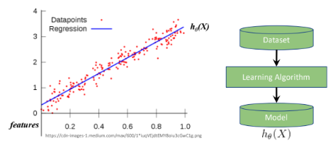
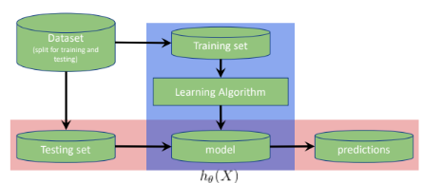
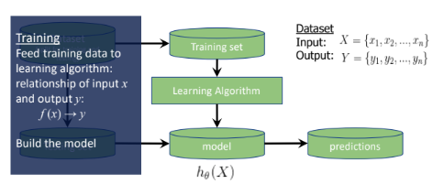
 |  |  |  | Id | SepalLengthCm | SepalWidthCm | PetalLengthCm | PetalWidthCm | Species
 |  |  |  | 1 | 5.1 | 3.5 | 1.4 | 0.2 | Iris-setosa | Training set
 |  |  |  | 2 | 4.9 | 3 | 1.4 | 0.2 | Iris-setosa | Testing set
 |  |  |  | 3 | 4.7 | 3.2 | 1.3 | 0.2 | Iris-setosa
 |  |  |  | 4 | 4.6 | 3.1 | 1.5 | 0.2 | Iris-setosa
 |  |  |  | 5 | 5 | 3.6 | 1.4 | 0.2 | Iris-setosa
 |  |  |  | 6 | 5.4 | 3.9 | 1.7 | 0.4 | Iris-setosa
 |  |  |  | 7 | 4.6 | 3.4 | 1.4 | 0.3 | Iris-setosa
 |  |  |  | 8 | 5 | 3.4 | 1.5 | 0.2 | Iris-setosa
 |  |  |  | 9 | 4.4 | 2.9 | 1.4 | 0.2 | Iris-setosa
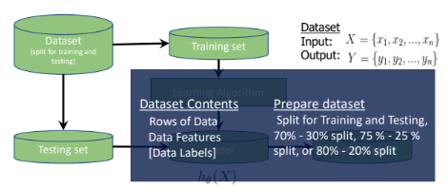
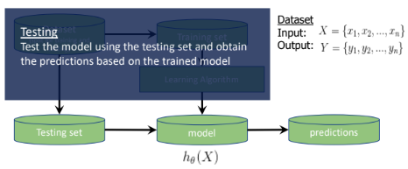
 |  |  |  | 10 | 4.9 | 3.1 | 1.5 | 0.1 | Iris-setosa
 |  |  |  | 51 | 7 | 3.2 | 4.7 | 1.4 | Iris-versicolor
 |  |  |  | 52 | 6.4 | 3.2 | 4.5 | 1.5 | Iris-versicolor
 |  |  |  | 53 | 6.9 | 3.1 | 4.9 | 1.5 | Iris-versicolor
 |  |  |  | 54 | 5.5 | 2.3 | 4 | 1.3 | Iris-versicolor
 |  |  |  | 55 | 6.5 | 2.8 | 4.6 | 1.5 | Iris-versicolor
 |  |  |  | 56 | 5.7 | 2.8 | 4.5 | 1.3 | Iris-versicolor
 |  |  |  | 57 | 6.3 | 3.3 | 4.7 | 1.6 | Iris-versicolor
 |  |  |  | 58 | 4.9 | 2.4 | 3.3 | 1 | Iris-versicolor
 |  |  |  | 59 | 6.6 | 2.9 | 4.6 | 1.3 | Iris-versicolor
 |  |  |  | 60 | 5.2 | 2.7 | 3.9 | 1.4 | Iris-versicolor
 |  |  |  | 101 | 6.3 | 3.3 | 6 | 2.5 | Iris-virginica
 |  |  |  | 102 | 5.8 | 2.7 | 5.1 | 1.9 | Iris-virginica
 |  |  |  | 103 | 7.1 | 3 | 5.9 | 2.1 | Iris-virginica
 |  |  |  | 104 | 6.3 | 2.9 | 5.6 | 1.8 | Iris-virginica
 |  |  |  | 105 | 6.5 | 3 | 5.8 | 2.2 | Iris-virginica
 |  |  |  | 106 | 7.6 | 3 | 6.6 | 2.1 | Iris-virginica
 |  |  |  | 107 | 4.9 | 2.5 | 4.5 | 1.7 | Iris-virginica
 |  |  |  | 108 | 7.3 | 2.9 | 6.3 | 1.8 | Iris-virginica
 |  |  |  | 109 | 6.7 | 2.5 | 5.8 | 1.8 | Iris-virginica
 |  |  |  | 110 | 7.2 | 3.6 | 6.1 | 2.5 | Iris-virginica

 |  |  |  | df_train
 |  |  |  | Id | SepalLengthCm | SepalWidthCm | PetalLengthCm | PetalWidthCm | Species
 |  |  |  | 1 | 5.1 | 3.5 | 1.4 | 0.2 | Iris-setosa
 |  |  |  | 2 | 4.9 | 3 | 1.4 | 0.2 | Iris-setosa
 |  |  |  | 3 | 4.7 | 3.2 | 1.3 | 0.2 | Iris-setosa
 |  |  |  | 4 | 4.6 | 3.1 | 1.5 | 0.2 | Iris-setosa
 |  |  |  | 5 | 5 | 3.6 | 1.4 | 0.2 | Iris-setosa
 |  |  |  | 6 | 5.4 | 3.9 | 1.7 | 0.4 | Iris-setosa
 |  |  |  | 7 | 4.6 | 3.4 | 1.4 | 0.3 | Iris-setosa
 |  |  |  | 51 | 7 | 3.2 | 4.7 | 1.4 | Iris-versicolor
 |  |  |  | 52 | 6.4 | 3.2 | 4.5 | 1.5 | Iris-versicolor
 |  |  |  | 53 | 6.9 | 3.1 | 4.9 | 1.5 | Iris-versicolor
 |  |  |  | 54 | 5.5 | 2.3 | 4 | 1.3 | Iris-versicolor
 |  |  |  | 55 | 6.5 | 2.8 | 4.6 | 1.5 | Iris-versicolor
 |  |  |  | 56 | 5.7 | 2.8 | 4.5 | 1.3 | Iris-versicolor
 |  |  |  | 57 | 6.3 | 3.3 | 4.7 | 1.6 | Iris-versicolor
 |  |  |  | 101 | 6.3 | 3.3 | 6 | 2.5 | Iris-virginica
 |  |  |  | 102 | 5.8 | 2.7 | 5.1 | 1.9 | Iris-virginica
 |  |  |  | 103 | 7.1 | 3 | 5.9 | 2.1 | Iris-virginica
 |  |  |  | 104 | 6.3 | 2.9 | 5.6 | 1.8 | Iris-virginica
 |  |  |  | 105 | 6.5 | 3 | 5.8 | 2.2 | Iris-virginica
 |  |  |  | 106 | 7.6 | 3 | 6.6 | 2.1 | Iris-virginica
 |  |  |  | 107 | 4.9 | 2.5 | 4.5 | 1.7 | Iris-virginica

 |  |  |  | df_test
 |  |  |  | Id | SepalLengthCm | SepalWidthCm | PetalLengthCm | PetalWidthCm | Species
 |  |  |  | 8 | 5 | 3.4 | 1.5 | 0.2 | Iris-setosa
 |  |  |  | 9 | 4.4 | 2.9 | 1.4 | 0.2 | Iris-setosa
 |  |  |  | 10 | 4.9 | 3.1 | 1.5 | 0.1 | Iris-setosa
 |  |  |  | 58 | 4.9 | 2.4 | 3.3 | 1 | Iris-versicolor
 |  |  |  | 59 | 6.6 | 2.9 | 4.6 | 1.3 | Iris-versicolor
 |  |  |  | 60 | 5.2 | 2.7 | 3.9 | 1.4 | Iris-versicolor
 |  |  |  | 108 | 7.3 | 2.9 | 6.3 | 1.8 | Iris-virginica
 |  |  |  | 109 | 6.7 | 2.5 | 5.8 | 1.8 | Iris-virginica
 |  |  |  | 110 | 7.2 | 3.6 | 6.1 | 2.5 | Iris-virginica

Linear Regression
Regression Objectives |  |  | Least Squares |  |  |  |  | R-Squared |  |  |  |  | Degrees of Freedom and Adjusted R-squared |  |  |  |  | F-stat and p-value
 |  |  |  | Sample Dataset:
 | Regression is a means to explore variation in some quantity |  |  | Sample | YearsExperience | Salary |  |  |  | YearsExperience | Salary
 | Variation is separated by EXPLAINED and UNEXPLAINED components/variables |  |  | 1 | 1.1 | 39343 |  |  |  | 0 | 39343 |  |  | What is the minimum number of data points to run a regression?
 |  |  |  | 2 | 1.3 | 46205 |  |  |  | 0 | 46205 |  |  | Probably n = 2? |  |  |  |  | F = | The variation in salary explained by yrs of expi
 |  |  |  | 3 | 1.5 | 37731 |  |  |  | 0 | 37731 |  |  |  |  |  |  |  |  | divided by the variation in salary not explained
 |  |  |  | 4 | 2 | 43525 |  |  |  | 0 | 43525 |  |  | Because 2 is the least number of data points where you can draw a line |  |  |  |  |  | by years of expi
Explained by
 |  |  |  | 5 | 2.2 | 39891 |  |  |  | 0 | 39891 |  |  | BUT, with only 2 data points, we can always draw a line without a possibility of error

 |  |  |  | 6 | 2.9 | 56642 |  |  |  | 0 | 56642 |  |  | Rgeression needs to have a possibility for error
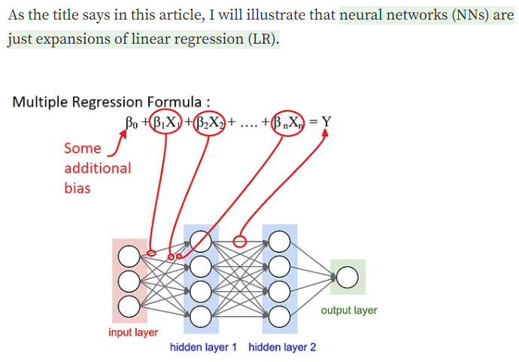
 |  |  |  | 7 | 3 | 60150 |  |  |  | 0 | 60150 |  |  |  |  |  |  |  |  | SSR | divided by | SSE
 |  |  |  | 8 | 3.2 | 54445 |  |  |  | 0 | 54445 |  |  |  |  |  |  |  |  | SST |  | SST
 |  |  |  | 9 | 3.2 | 64445 |  |  |  | 0 | 64445
Explained by
 |  |  |  | 10 | 3.7 | 57189 |  |  |  | 0 | 57189 |  |  |  |  |  |  |  |  |  | or
 |  |  |  | 11 | 3.9 | 63218 |  |  |  | 0 | 63218 |  |  |  |  |  |  |  | F = | SSR | multiplied by | SST
 |  |  |  | 12 | 4 | 55794 |  |  |  | 0 | 55794 |  |  |  |  |  |  |  |  | SST |  | SSE
 |  |  |  | 13 | 4 | 56957 |  |  |  | 0 | 56957
Explained by
 |  |  |  | 14 | 4.1 | 57081 |  |  |  | 0 | 57081 |  |  |  |  |  |  |  | F = | SSR
 |  |  |  | 15 | 4.5 | 61111 |  |  |  | 0 | 61111 |  |  |  |  |  |  |  |  | SSE

 |  |  |  | 16 | 4.9 | 67938 |  |  |  | 0 | 67938
 |  |  |  | 17 | 5.1 | 66029 |  |  |  | 0 | 66029 |  |  |  |  |  |  |  | F = | (SST-SSE) |  | Same numerator with R-squared
 |  |  |  | 18 | 5.3 | 83088 |  |  |  | 0 | 83088 |  |  |  |  |  |  |  |  | SSE |  | Different denominator
 |  |  |  | 19 | 5.9 | 81363 |  |  |  | 0 | 81363
 |  |  |  | 20 | 6 | 93940 |  |  |  | 0 | 93940 |  |  |  |  |  |  |  |  | or
 |  |  |  | 21 | 6.8 | 91738 |  |  |  | 0 | 91738 |  |  |  |  |  |  |  | F = | SS(mean)-SS(fit)
Unexplained by
 |  |  |  | 22 | 7.1 | 98273 |  |  |  | 0 | 98273 |  |  |  |  |  |  |  |  | SS(fit)
 |  |  |  | 23 | 7.9 | 101302 |  |  |  | 0 | 101302 |  |  | In simple linear regression, k = 1
 |  |  |  | 24 | 8.2 | 113812 |  |  |  | 0 | 113812 |  |  | df = n - k - 1 |  | What is the least n where there is a possibility for error?
 |  |  |  | 25 | 8.7 | 109431 |  |  |  | 0 | 109431 |  |  | n = 3 |  |  |  |  | Extended formula, to make the sum of squares in variance form
 |  |  |  | 26 | 9 | 105582 |  |  |  | 0 | 105582 |  |  | df = 2 |  |  |  |  |  | SS(mean)-SS(fit) / (Pfit - Pmean)
 |  |  |  | 27 | 9.5 | 116969 |  |  |  | 0 | 116969 |  |  |  |  |  |  |  |  | SS(fit) / (n - Pfit)
 |  |  |  | 28 | 9.6 | 112635 |  |  |  | 0 | 112635
 |  |  |  | 29 | 10.3 | 122391 |  |  |  | 0 | 122391 |  |  |  |  |  |  |  | Pfit is the number f parameters in the regression line (m, b)
 |  |  |  | 30 | 10.5 | 121872 |  |  |  | 0 | 121872 |  |  |  |  |  |  |  | Pmean is the number of parameters in the horizontal line (b)
 | There are unexplained components in regression. |  |  |  |  |  |  |  |  |  |  |  |  |  |  |  |  |  | In simple linea regression, Pfit = 2 , Pmean is always 1
 | Regression is capable of quantifying how much of those are unexplained (and also explained) |  |  |  |  |  |  |  |  |  |  |  |  |  |  |  |  |  | Thus, Pfit - Pmean = 1

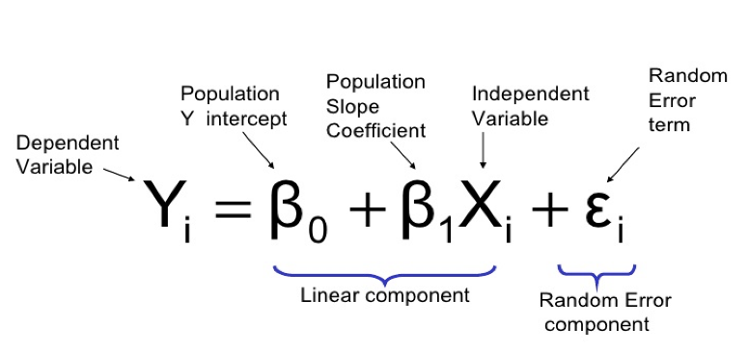
 |  | Source: https://sixsigmadsi.com/glossary/regression-equation/ |  |  |  |  |  |  |  |  |  |  |  |  |  |  |  |  | n is the number of samples. We sibtract by Pfit to take into account
 | y = B(0) +B(1) + e |  |  |  |  |  |  |  |  |  |  |  |  |  |  |  |  |  | the number of vairables (similar to the df concept)
 | error term is the residual
 |  |  |  |  |  |  |  |  |  |  |  |  |  |  |  |  |  |  | Generally, we want F to be a big number
76003

 |  |  |  |  |  |  |  |  |  |  |  |  |  |  |  |  |  |  | F = | 20539139730 | = | 457.93793194
 |  |  |  |  |  |  |  |  |  |  |  |  |  |  |  |  |  |  |  | 44851361.5

 |  |  |  |  |  |  |  |  |  |  |  |  |  |  |  |  |  |  | How to turn F into p-value?
 | Steps in fitting a line using linear regression: |  |  | Example
 | 1. Use least-squares to fit a line to the data |  |  | b = | 76003 |  |  |  | Average Salary | 76003 |  |  |  | In multiple linear regression, k > 1 |  |  |  |  | Steps:
 | 2. Calculate r-squared |  |  | y = | m * 0 + 76003 |  |  |  |  |  |  |  |  | df = n - k - 1 |  |  |  |  | 1. Generate random data
 | 3. Calculate a p-value for r-squared |  |  | y = | 76003 |  |  |  | Sample | YearsExperience | Residuals | Square of Residuals |  | k - is the number of explanatory variables |  |  |  |  | 2. Calculate the mean and SS(mean) or SST
 |  |  |  |  |  |  |  |  | 1 | 1.1 | -36660 | 1343955600 |  |  |  |  |  |  | 3. Calculate the fit and SS(fit) or SSE
 |  |  |  | Calculate the residuals |  |  |  |  | 2 | 1.3 | -29798 | 887920804 |  | What is the minimum number of samples you need for linear regression with k |  |  |  |  | 4. Plug the numbers into the equation above, and solve for F
 |  |  |  |  |  |  |  |  | 3 | 1.5 | -38272 | 1464745984 |  | independent variables? |  |  |  |  | 5. Plot the F-stat into a historgram
 |  |  |  | Sample | YearsExperience | Residual | Square of Residuals |  | 4 | 2 | -32478 | 1054820484 |  |  |  |  |  |  | 6. Repeat steps 1 to 5, hundres to millions of times
 |  |  |  | 1 | 1.1 | -36660 | 1343955600 |  | 5 | 2.2 | -36112 | 1304076544 |  | Insteaed of a 2D plot, we can use a 3D plot to repressent regression with 2 ind var
 |  |  |  | 2 | 1.3 | -29798 | 887920804 |  | 6 | 2.9 | -19361 | 374848321 |  | Instead of a line, think of a plane to fit the data
 |  |  |  | 3 | 1.5 | -38272 | 1464745984 |  | 7 | 3 | -15853 | 251317609 |  | You can draw a plane of best fit for any 3 data points |  |  |  |  | Source: https://courses.lumenlearning.com/introstats1/chapter/facts-about-the-f-distribution/
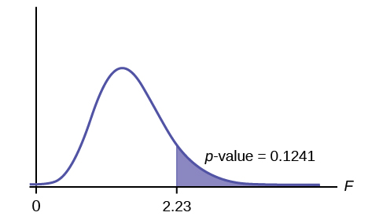
 |  |  |  | 4 | 2 | -32478 | 1054820484 |  | 8 | 3.2 | -21558 | 464747364
 |  |  |  | 5 | 2.2 | -36112 | 1304076544 |  | 9 | 3.2 | -11558 | 133587364 |  | Source: https://www.youtube.com/watch?v=eYTumjgE2IY
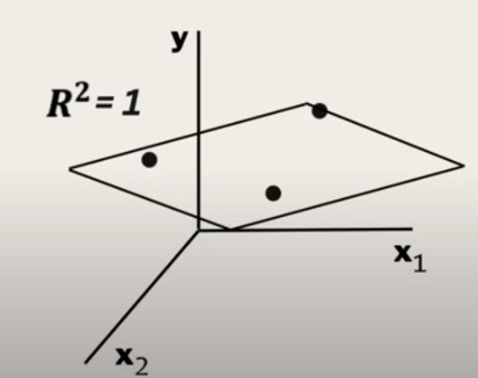
 |  |  |  | 6 | 2.9 | -19361 | 374848321 |  | 10 | 3.7 | -18814 | 353966596
 |  |  |  | 7 | 3 | -15853 | 251317609 |  | 11 | 3.9 | -12785 | 163456225
 |  |  |  | 8 | 3.2 | -21558 | 464747364 |  | 12 | 4 | -20209 | 408403681
 |  |  |  | 9 | 3.2 | -11558 | 133587364 |  | 13 | 4 | -19046 | 362750116
 |  |  |  | 10 | 3.7 | -18814 | 353966596 |  | 14 | 4.1 | -18922 | 358042084
 |  |  |  | 11 | 3.9 | -12785 | 163456225 |  | 15 | 4.5 | -14892 | 221771664
 |  |  |  | 12 | 4 | -20209 | 408403681 |  | 16 | 4.9 | -8065 | 65044225
 |  |  |  | 13 | 4 | -19046 | 362750116 |  | 17 | 5.1 | -9974 | 99480676
 |  |  |  | 14 | 4.1 | -18922 | 358042084 |  | 18 | 5.3 | 7085 | 50197225
 |  |  |  | 15 | 4.5 | -14892 | 221771664 |  | 19 | 5.9 | 5360 | 28729600
 |  |  |  | 16 | 4.9 | -8065 | 65044225 |  | 20 | 6 | 17937 | 321735969
 |  |  |  | 17 | 5.1 | -9974 | 99480676 |  | 21 | 6.8 | 15735 | 247590225
 |  |  |  | 18 | 5.3 | 7085 | 50197225 |  | 22 | 7.1 | 22270 | 495952900
 |  |  |  | 19 | 5.9 | 5360 | 28729600 |  | 23 | 7.9 | 25299 | 640039401
 |  |  |  | 20 | 6 | 17937 | 321735969 |  | 24 | 8.2 | 37809 | 1429520481
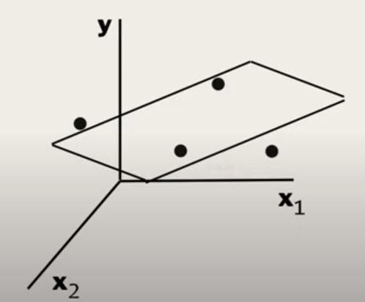
 |  |  |  | 21 | 6.8 | 15735 | 247590225 |  | 25 | 8.7 | 33428 | 1117431184
 |  |  |  | 22 | 7.1 | 22270 | 495952900 |  | 26 | 9 | 29579 | 874917241 |  |  |  |  |  |  | Another way of solving p-value
 |  |  |  | 23 | 7.9 | 25299 | 640039401 |  | 27 | 9.5 | 40966 | 1678213156
 |  |  |  | 24 | 8.2 | 37809 | 1429520481 |  | 28 | 9.6 | 36632 | 1341903424 |  |  |  |  |  |  | std. error = sqrt of variance |  | 6470.0286501
 |  |  |  | 25 | 8.7 | 33428 | 1117431184 |  | 29 | 10.3 | 46388 | 2151846544 |  |  |  |  |  |  | t-stat = coefficient / std. error |  | 1.54558821 | For 95% significance,
 |  |  |  | 26 | 9 | 29579 | 874917241 |  | 30 | 10.5 | 45869 | 2103965161 |  |  |  |  |  |  |  |  |  | this should be > 1.96
 |  |  |  | 27 | 9.5 | 40966 | 1678213156
 |  |  |  | 28 | 9.6 | 36632 | 1341903424 |  | SST (Sum of Squares Total) | SS(mean) or SST | Sum of squares around the mean | 21,794,977,852.00
 |  |  |  | 29 | 10.3 | 46388 | 2151846544 |  |  | var(mean) | Variation around the mean | 726,499,261.73 |  |  |  |  |  |  | Source: https://www.youtube.com/watch?v=VvlqA-iO2HA
 |  |  |  | 30 | 10.5 | 45869 | 2103965161 |  |  |  | Variation around the mean | Average sum of squares error per sample salary

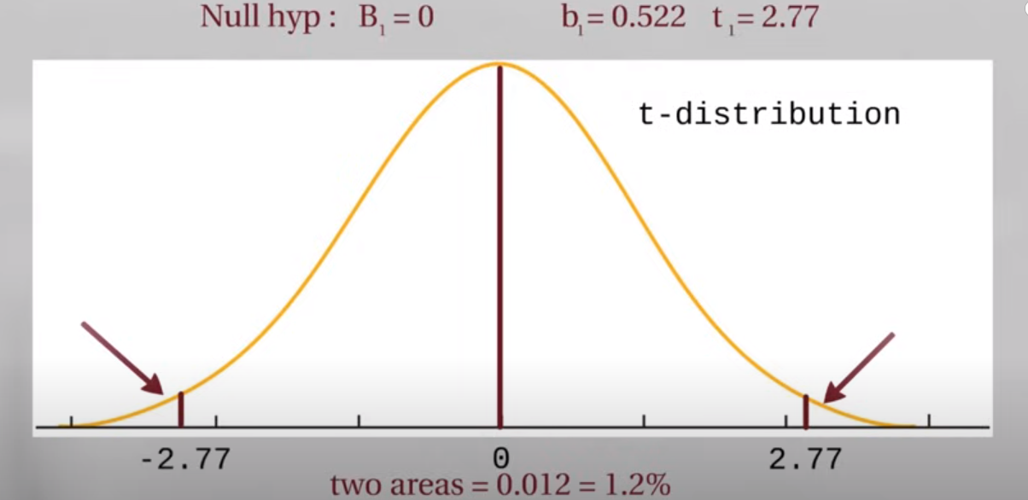
 |  |  |  |  | SST (Sum of Squares Total) | Sum of Squared Residuals | 21,794,977,852.00 |  |  | SS(fit) or SSE | Sum of squares around the least-squares fit | 1,255,838,122.00
 |  |  |  |  | SST = SSR + SSE |  |  |  |  | var(fit) | Variation around the fit | 41,861,270.73
 |  |  |  |  |  |  |  |  |  |  | Average of the sum of squares

 |  |  |  |  |  |  |  |  | There is less variation around the line that was fitted by least-squares |  |  |  |  | By adding more explanatory variables, degrees of freedom are reduced
 |  |  |  |  |  |  |  |  | In another way, it also means that the residuals are smaller. |  |  |  |  | The opportunity for error in the model is reduced

 |  |  |  |  |  |  |  |  | We say that some of the variation in salary is "explained" by |  |  |  |  | 1 variable | n = 3 | k = 1 | df = 1
 |  |  |  |  |  |  |  |  | taking years of experience into account. |  |  |  |  | 2 variables | n = 3 | k = 2 | df = 0

 |  |  |  |  |  |  |  |  | In other words, longer experience has higher salary |  |  |  |  | There is a loss in opportunity to show error
 |  |  |  |  |  |  |  |  | And shorter experience has lower salary
 |  |  |  |  |  |  |  |  |  |  |  |  |  | Adding more variables despite how useless they are, will make R-squared higher
 |  |  |  |  |  |  |  |  | R-squared tells us how much of the variation in salary can |  |  |  |  | High k, low df, high R-squared
 |  |  |  |  |  |  |  |  | be explained by taking years of experience into account |  |  |  |  |  |  |  |  |  | p-value is the number of extreme values divided by total no. of values
 |  |  |  |  |  |  |  |  |  |  |  |  |  | To addtess, that adjusted R-squared was introduced
 |  |  |  |  |  |  |  |  | How much of the variation in salary is explained by years of experience?
 |  |  |  | m = | 5000 |  |  |  | R-squared is the proportion of the variation in the y-variable being explained by the variation in x-variable.
 |  |  |  | y = | 5000x + b |  |  |  |  |  |  |  |  | Source: https://medium.com/analytics-vidhya/adjusted-r-squared-formula-explanation-1ce033e25699
 |  |  |  | 80000= | 5000(6) + b |  |  |  | R-squared | SSR / SST | If SSR is high, SSE is small, data points are close to the line
 |  |  |  | b = | 50000 |  |  |  | or | (SST-SSE)/SST | if SSE is high, SSR is small, data points are farther from the line
 |  |  |  | y = | 5000x + 50000
 |  |  |  |  |  |  |  |  | R-squared | (var(mean) -var(fit))/var(mean)
 |  |  |  | Calculate the residuals |  |  |  |  | R-squared | 0.94237947244

 |  |  |  | Sample | YearsExperience | Residuals | Square of Residuals |  | The less the var(fit), the higher the R-squared
 |  |  |  | 1 | 1.1 | -16157 | 261048649 |  | There is 94.24% reduction in variance when we take years of experience into account
 |  |  |  | 2 | 1.3 | -10295 | 105987025 |  | Alternatively, years of experience explains 94.28% of the variation in salary |  |  |  |  | Adjusted R=squared accounts for the loss of degrees of freedom when
 |  |  |  | 3 | 1.5 | -19769 | 390813361 |  |  |  |  |  |  | there are additional variables
 |  |  |  | 4 | 2 | -16475 | 271425625
 |  |  |  | 5 | 2.2 | -21109 | 445589881 |  | R-suqared is also equal to | (SS(mean)-SS(fit))/SS(mean) |  |  |  | R-squared should then be close to adjusted R-squared
 |  |  |  | 6 | 2.9 | -7858 | 61748164 |  | R-squared | 0.94237947244 |  |  |  | If they are not close. We might need to have more data or number of observations
 |  |  |  | 7 | 3 | -4850 | 23522500
 |  |  |  | 8 | 3.2 | -11555 | 133518025
 |  |  |  | 9 | 3.2 | -1555 | 2418025
 |  |  |  | 10 | 3.7 | -11311 | 127938721
 |  |  |  | 11 | 3.9 | -6282 | 39463524
 |  |  |  | 12 | 4 | -14206 | 201810436
 |  |  |  | 13 | 4 | -13043 | 170119849
 |  |  |  | 14 | 4.1 | -13419 | 180069561
 |  |  |  | 15 | 4.5 | -11389 | 129709321
 |  |  |  | 16 | 4.9 | -6562 | 43059844
 |  |  |  | 17 | 5.1 | -9471 | 89699841
 |  |  |  | 18 | 5.3 | 6588 | 43401744
 |  |  |  | 19 | 5.9 | 1863 | 3470769
 |  |  |  | 20 | 6 | 13940 | 194323600
 |  |  |  | 21 | 6.8 | 7738 | 59876644
 |  |  |  | 22 | 7.1 | 12773 | 163149529
 |  |  |  | 23 | 7.9 | 11802 | 139287204
 |  |  |  | 24 | 8.2 | 22812 | 520387344
 |  |  |  | 25 | 8.7 | 15931 | 253796761
 |  |  |  | 26 | 9 | 10582 | 111978724
 |  |  |  | 27 | 9.5 | 19469 | 379041961
 |  |  |  | 28 | 9.6 | 14635 | 214183225
 |  |  |  | 29 | 10.3 | 20891 | 436433881
 |  |  |  | 30 | 10.5 | 19372 | 375274384

 |  |  |  |  | SSE (Sum of Squares due to Error) | Sum of Squared Residuals | 5,572,548,122.00

 |  |  |  | m = | 10000
 |  |  |  | y = | 10000x + b
 |  |  |  | 80000= | 10000(6) + b
 |  |  |  | b = | 20000
 |  |  |  | y = | 10000x + 20000

 |  |  |  | Calculate the residuals

 |  |  |  | Sample | YearsExperience | Residuals | Square of Residuals
 |  |  |  | 1 | 1.1 | 8343 | 69605649
 |  |  |  | 2 | 1.3 | 13205 | 174372025
 |  |  |  | 3 | 1.5 | 2731 | 7458361
 |  |  |  | 4 | 2 | 3525 | 12425625
 |  |  |  | 5 | 2.2 | -2109 | 4447881
 |  |  |  | 6 | 2.9 | 7642 | 58400164
 |  |  |  | 7 | 3 | 10150 | 103022500
 |  |  |  | 8 | 3.2 | 2445 | 5978025
 |  |  |  | 9 | 3.2 | 12445 | 154878025
 |  |  |  | 10 | 3.7 | 189 | 35721
 |  |  |  | 11 | 3.9 | 4218 | 17791524
 |  |  |  | 12 | 4 | -4206 | 17690436
 |  |  |  | 13 | 4 | -3043 | 9259849
 |  |  |  | 14 | 4.1 | -3919 | 15358561
 |  |  |  | 15 | 4.5 | -3889 | 15124321
 |  |  |  | 16 | 4.9 | -1062 | 1127844
 |  |  |  | 17 | 5.1 | -4971 | 24710841
 |  |  |  | 18 | 5.3 | 10088 | 101767744
 |  |  |  | 19 | 5.9 | 2363 | 5583769
 |  |  |  | 20 | 6 | 13940 | 194323600
 |  |  |  | 21 | 6.8 | 3738 | 13972644
 |  |  |  | 22 | 7.1 | 7273 | 52896529
 |  |  |  | 23 | 7.9 | 2302 | 5299204
 |  |  |  | 24 | 8.2 | 11812 | 139523344
 |  |  |  | 25 | 8.7 | 2431 | 5909761
 |  |  |  | 26 | 9 | -4418 | 19518724
 |  |  |  | 27 | 9.5 | 1969 | 3876961
 |  |  |  | 28 | 9.6 | -3365 | 11323225
 |  |  |  | 29 | 10.3 | -609 | 370881
 |  |  |  | 30 | 10.5 | -3128 | 9784384

 |  |  |  |  | SSE (Sum of Squares due to Error) | Sum of Squared Residuals | 1,255,838,122.00

 |  |  |  | m = | 15000
 |  |  |  | y = | 15000x + b
 |  |  |  | 80000 = | 15000(6) + b
 |  |  |  | b = | -10000
 |  |  |  | y = | 15000x - 10000

 |  |  |  | Calculate the residuals

 |  |  |  | Sample | YearsExperience | Residual | Square of Residuals
 |  |  |  | 1 | 1.1 | 32843 | 1078662649
 |  |  |  | 2 | 1.3 | 36705 | 1347257025
 |  |  |  | 3 | 1.5 | 25231 | 636603361
 |  |  |  | 4 | 2 | 23525 | 553425625
 |  |  |  | 5 | 2.2 | 16891 | 285305881
 |  |  |  | 6 | 2.9 | 23142 | 535552164
 |  |  |  | 7 | 3 | 25150 | 632522500
 |  |  |  | 8 | 3.2 | 16445 | 270438025
 |  |  |  | 9 | 3.2 | 26445 | 699338025
 |  |  |  | 10 | 3.7 | 11689 | 136632721
 |  |  |  | 11 | 3.9 | 14718 | 216619524
 |  |  |  | 12 | 4 | 5794 | 33570436
 |  |  |  | 13 | 4 | 6957 | 48399849
 |  |  |  | 14 | 4.1 | 5581 | 31147561
 |  |  |  | 15 | 4.5 | 3611 | 13039321
 |  |  |  | 16 | 4.9 | 4438 | 19695844
 |  |  |  | 17 | 5.1 | -471 | 221841
 |  |  |  | 18 | 5.3 | 13588 | 184633744
 |  |  |  | 19 | 5.9 | 2863 | 8196769
 |  |  |  | 20 | 6 | 13940 | 194323600
 |  |  |  | 21 | 6.8 | -262 | 68644
 |  |  |  | 22 | 7.1 | 1773 | 3143529
 |  |  |  | 23 | 7.9 | -7198 | 51811204
 |  |  |  | 24 | 8.2 | 812 | 659344
 |  |  |  | 25 | 8.7 | -11069 | 122522761
 |  |  |  | 26 | 9 | -19418 | 377058724
 |  |  |  | 27 | 9.5 | -15531 | 241211961
 |  |  |  | 28 | 9.6 | -21365 | 456463225
 |  |  |  | 29 | 10.3 | -22109 | 488807881
 |  |  |  | 30 | 10.5 | -25628 | 656794384

 |  |  |  |  | SSE (Sum of Squares due to Error) | Sum of Squared Residuals | 9,324,128,122.00

 |  |  |  | Rotation with the least squares
 |  |  |  | Equation
 |  |  |  | y = | 10000x + 20000

 |  |  |  | This is why the method for fitting the line is called least squares

 |  |  |  | The slope being positive and not 0, mean the years of experience
 |  |  |  | can help guess the salary

 |  |  |  | How to determine how good is that guess?
 |  |  |  | We use R-squared!

 |  |  |  | Source: https://www.naukri.com/code360/library/linear-regression-in-machine-learning

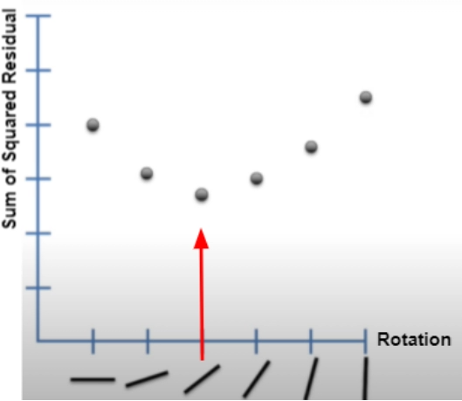

 |  |  |  | How to find the optimal rotation for the a line?
 |  |  |  | Get the derivative of the SSR function.

 |  |  |  | The derivative determines the slope for every point.
 |  |  |  | The slope at the best point, where we have the least squares, is 0

 |  |  |  | Every rotation represents different values of m (slope) and b (intercept)
 |  |  |  | Representing the m, b, and SSR using a 3D graph shows

 |  |  |  | Source: https://www.youtube.com/watch?v=PaFPbb66DxQ

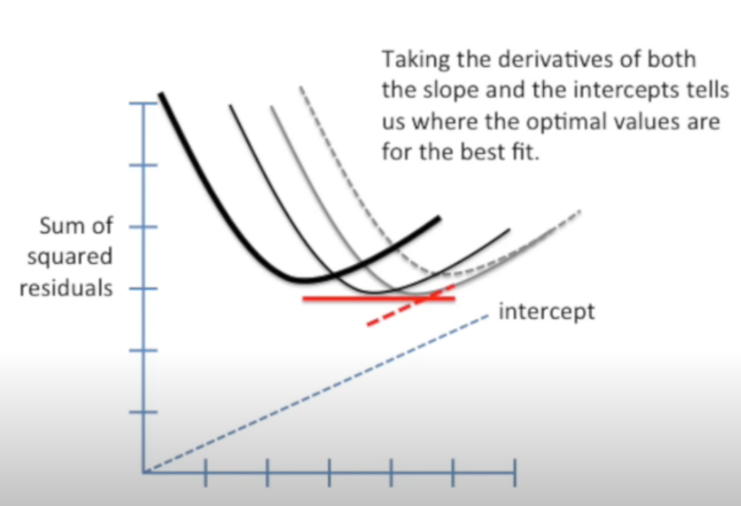

 |  |  |  | Determining the partial derivatives with respect to m and b,
 |  |  |  | and setting the partial derivatives = 0,
 |  |  |  | We can estimate for m and b

Evaluating Linear Regression
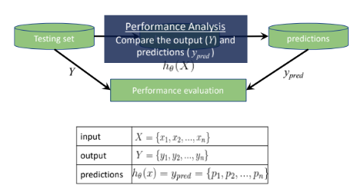
Train Set |  |  |  |  |  | Test Set
childHeight | pred | residual error | absolute error | squared error | actual -mean(actual) sqrd | childHeight | pred | residual error | absolute error | squared error | actual -mean(actual) sqrd
66.5 | 66.653854235 | 0.15385423525 | 0.15385423525 | 0.023671125706 | 0.059362747972 | 69 | 71.163882698 | -2.1638826975 | 2.1638826975 | 4.6823883285 | 5.0568965692
73 | 66.098016094 | -6.901983906 | 6.901983906 | 47.637381838 | 39.141981431 | 70.5 | 68.79277569 | 1.70722431 | 1.70722431 | 2.9146148445 | 14.053159914
74 | 67.707835926 | -6.2921640742 | 6.2921640742 | 39.591328737 | 52.654691998 | 72 | 66.703105716 | 5.2968942839 | 5.2968942839 | 28.057089055 | 27.54942326
70 | 65.950261651 | -4.0497383486 | 4.0497383486 | 16.400380692 | 10.603849731 | 66.5 | 66.703105716 | -0.20310571612 | 0.20310571612 | 0.041251931921 | 0.0631243272
70 | 64.894872776 | -5.1051272243 | 5.1051272243 | 26.062323976 | 10.603849731 | 74 | 69.960739379 | 4.0392606208 | 4.0392606208 | 16.315626363 | 52.544441053
67 | 63.930950936 | -3.0690490641 | 3.0690490641 | 9.4190621579 | 0.06571803128 | 73 | 69.960739379 | 3.0392606208 | 3.0392606208 | 9.2371051213 | 39.046932156
68 | 65.950261651 | -2.0497383486 | 2.0497383486 | 4.2014272976 | 1.5784285979 | 64 | 69.960739379 | -5.9607393792 | 5.9607393792 | 35.530413947 | 7.5693520852
69 | 67.455949781 | -1.5440502192 | 1.5440502192 | 2.3840910794 | 5.0911391645 | 68 | 69.390829386 | -1.3908293863 | 1.3908293863 | 1.9344063818 | 1.5593876724
69 | 65.070770922 | -3.9292290783 | 3.9292290783 | 15.43884115 | 5.0911391645 | 66 | 69.376757535 | -3.3767575346 | 3.3767575346 | 11.402491448 | 0.5643698788
63.5 | 66.829752381 | 3.3297523812 | 3.3297523812 | 11.08725092 | 10.521231048 | 67 | 67.681099408 | -0.68109940762 | 0.68109940762 | 0.46389640306 | 0.061878775598
69.5 | 66.316129795 | -3.183870205 | 3.183870205 | 10.137029482 | 7.5974944478 | 63 | 67.681099408 | -4.6810994076 | 4.6810994076 | 21.912691664 | 14.071843188
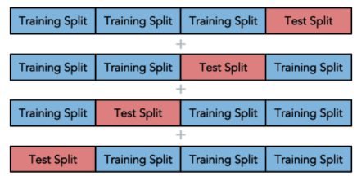
66.5 | 67.385590522 | 0.88559052242 | 0.88559052242 | 0.7842705734 | 0.059362747972 | 71 | 69.039033094 | 1.9609669056 | 1.9609669056 | 3.8453912049 | 18.051914363
62 | 67.57556052 | 5.5755605201 | 5.5755605201 | 31.086875113 | 22.502165198 | 70.5 | 69.039033094 | 1.4609669056 | 1.4609669056 | 2.1344242993 | 14.053159914
65.5 | 67.441877929 | 1.9418779291 | 1.9418779291 | 3.7708898916 | 1.5466521814 | 66.7 | 69.039033094 | -2.3390330944 | 2.3390330944 | 5.4710758166 | 0.0026261065589
66 | 66.386489053 | 0.3864890534 | 0.3864890534 | 0.1493737884 | 0.55300746466 | 72 | 68.469123101 | 3.5308768985 | 3.5308768985 | 12.467091672 | 27.54942326
68.5 | 65.788435357 | -2.7115646428 | 2.7115646428 | 7.3525828123 | 3.0847838812 | 70.2 | 68.469123101 | 1.7308768985 | 1.7308768985 | 2.9959348378 | 11.893907245
68.7 | 67.299752227 | -1.4002477728 | 1.4002477728 | 1.9606938252 | 3.8273259945 | 69.2 | 68.469123101 | 0.73087689851 | 0.73087689851 | 0.53418104077 | 5.9963983486
67.5 | 66.977506824 | -0.52249317619 | 0.52249317619 | 0.27299911917 | 0.57207331459 | 66.5 | 68.469123101 | -1.9691231015 | 1.9691231015 | 3.8774457888 | 0.0631243272
62 | 66.302057943 | 4.3020579433 | 4.3020579433 | 18.507702548 | 22.502165198 | 64.5 | 68.469123101 | -3.9691231015 | 3.9691231015 | 15.753938195 | 5.0681065336
62 | 67.033794231 | 5.0337942305 | 5.0337942305 | 25.339084355 | 22.502165198 | 63.5 | 68.469123101 | -4.9691231015 | 4.9691231015 | 24.692184398 | 10.570597637
73 | 67.57556052 | -5.4244394799 | 5.4244394799 | 29.424543672 | 39.141981431 | 62.3 | 68.279153104 | -5.9791531039 | 5.9791531039 | 35.750271839 | 19.813586961
72 | 67.707835926 | -4.2921640742 | 4.2921640742 | 18.42267244 | 27.629270864 | 64 | 68.089183106 | -4.0891831062 | 4.0891831062 | 16.721418476 | 7.5693520852
73 | 67.413734226 | -5.5862657742 | 5.5862657742 | 31.2063653 | 39.141981431 | 62.7 | 67.779602369 | -5.0796023694 | 5.0796023694 | 25.802360231 | 16.412590519
64 | 67.441877929 | 3.4418779291 | 3.4418779291 | 11.846523679 | 7.5275863314 | 70 | 69.883344195 | 0.11665580504 | 0.11665580504 | 0.01360857685 | 10.554405466
69 | 66.829752381 | -2.1702476188 | 2.1702476188 | 4.7099747269 | 5.0911391645 | 68.5 | 69.883344195 | -1.383344195 | 1.383344195 | 1.9136411617 | 3.0581421208
73 | 67.441877929 | -5.5581220709 | 5.5581220709 | 30.892720955 | 39.141981431 | 68 | 69.883344195 | -1.883344195 | 1.883344195 | 3.5469853567 | 1.5593876724
68 | 69.257146795 | 1.2571467954 | 1.2571467954 | 1.5804180651 | 1.5784285979 | 67 | 68.8772068 | -1.8772068001 | 1.8772068001 | 3.5239053704 | 0.061878775598
63 | 66.534243496 | 3.534243496 | 3.534243496 | 12.490877089 | 14.014875765 | 70.5 | 68.11732681 | 2.3826731904 | 2.3826731904 | 5.6771315323 | 14.053159914
62.5 | 66.703105716 | 4.2031057161 | 4.2031057161 | 17.666097661 | 18.008520482 | 69.5 | 68.11732681 | 1.3826731904 | 1.3826731904 | 1.9117851515 | 7.5556510176
60.1 | 67.10978223 | 7.0097822296 | 7.0097822296 | 49.137046906 | 44.138015122 | 63 | 67.737386814 | -4.7373868143 | 4.7373868143 | 22.442833829 | 14.071843188
71 | 69.229003092 | -1.770996908 | 1.770996908 | 3.1364300481 | 18.116560298 | 70.5 | 67.357446819 | 3.1425531809 | 3.1425531809 | 9.875640495 | 14.053159914
66 | 65.162237958 | -0.83776204243 | 0.83776204243 | 0.70184523974 | 0.55300746466 | 69 | 67.357446819 | 1.6425531809 | 1.6425531809 | 2.6979809522 | 5.0568965692
71 | 67.413734226 | -3.5862657742 | 3.5862657742 | 12.861302203 | 18.116560298 | 69 | 67.357446819 | 1.6425531809 | 1.6425531809 | 2.6979809522 | 5.0568965692
64 | 67.807746073 | 3.8077460727 | 3.8077460727 | 14.498930154 | 7.5275863314 | 70.5 | 67.357446819 | 3.1425531809 | 3.1425531809 | 9.875640495 | 14.053159914
60 | 64.810441666 | 4.8104416657 | 4.8104416657 | 23.140349019 | 45.476744065 | 70 | 67.15340497 | 2.8465950302 | 2.8465950302 | 8.1031032662 | 10.554405466
66 | 65.950261651 | -0.04973834856 | 0.04973834856 | 0.0024739033175 | 0.55300746466 | 69 | 66.977506824 | 2.0224931762 | 2.0224931762 | 4.0904786477 | 5.0568965692
63.5 | 65.070770922 | 1.5707709217 | 1.5707709217 | 2.4673212884 | 10.521231048 | 72 | 66.977506824 | 5.0224931762 | 5.0224931762 | 25.225437705 | 27.54942326
70.7 | 66.90011164 | -3.7998883604 | 3.7998883604 | 14.439151552 | 15.652747128 | 71.5 | 66.977506824 | 4.5224931762 | 4.5224931762 | 20.452944529 | 22.550668811
70 | 65.246669068 | -4.7533309324 | 4.7533309324 | 22.594154953 | 10.603849731 | 72 | 69.285290499 | 2.7147095013 | 2.7147095013 | 7.3696476763 | 27.54942326
63 | 65.542177953 | 2.5421779528 | 2.5421779528 | 6.4626687438 | 14.014875765 | 73 | 68.525410508 | 4.4745894918 | 4.4745894918 | 20.02195112 | 39.046932156
62 | 67.413734226 | 5.4137342258 | 5.4137342258 | 29.308518267 | 22.502165198 | 71 | 68.145470513 | 2.8545294871 | 2.8545294871 | 8.1483385925 | 18.051914363
72 | 66.449812386 | -5.5501876141 | 5.5501876141 | 30.804582551 | 27.629270864 | 67 | 68.145470513 | -1.1454705129 | 1.1454705129 | 1.312102696 | 0.061878775598
65 | 63.726909087 | -1.2730909134 | 1.2730909134 | 1.6207604738 | 3.040296898 | 70.5 | 68.20175792 | 2.2982420804 | 2.2982420804 | 5.2819166599 | 14.053159914
64.5 | 67.076009786 | 2.5760097855 | 2.5760097855 | 6.6358264152 | 5.0339416147 | 72 | 67.955500515 | 4.0444994847 | 4.0444994847 | 16.357976082 | 27.54942326
67 | 67.357446819 | 0.35744681907 | 0.35744681907 | 0.12776822846 | 0.06571803128 | 71 | 67.955500515 | 3.0444994847 | 3.0444994847 | 9.2689771123 | 18.051914363
66 | 67.681099408 | 1.6810994076 | 1.6810994076 | 2.8260952183 | 0.55300746466 | 69 | 67.955500515 | 1.0444994847 | 1.0444994847 | 1.0909791735 | 5.0568965692
69 | 66.210590907 | -2.7894090925 | 2.7894090925 | 7.7808030856 | 5.0911391645 | 65 | 67.955500515 | -2.9555005153 | 2.9555005153 | 8.734983296 | 3.066860982
71 | 66.196519056 | -4.8034809442 | 4.8034809442 | 23.073429182 | 18.116560298 | 65.2 | 68.131398661 | -2.9313986613 | 2.9313986613 | 8.5930981113 | 2.4063627614
67.5 | 67.723314963 | 0.22331496265 | 0.22331496265 | 0.049869572544 | 0.57207331459 | 67.7 | 67.941428664 | -0.24142866363 | 0.24142866363 | 0.058287799624 | 0.90013500336
65 | 67.589632372 | 2.5896323717 | 2.5896323717 | 6.7061958207 | 3.040296898 | 68 | 67.765530518 | 0.23446948232 | 0.23446948232 | 0.054975938139 | 1.5593876724
66 | 67.955500515 | 1.9555005153 | 1.9555005153 | 3.8239822654 | 0.55300746466 | 68 | 67.765530518 | 0.23446948232 | 0.23446948232 | 0.054975938139 | 1.5593876724
67 | 67.631847927 | 0.63184792676 | 0.63184792676 | 0.39923180254 | 0.06571803128 | 62 | 67.765530518 | -5.7655305177 | 5.7655305177 | 33.24134215 | 22.574334292
79 | 67.413734226 | -11.586265774 | 11.586265774 | 134.24155459 | 150.21824483 | 67.5 | 67.385590522 | 0.11440947758 | 0.11440947758 | 0.01308952856 | 0.560633224
68.5 | 67.033794231 | -1.4662057695 | 1.4662057695 | 2.1497593585 | 3.0847838812 | 66.5 | 67.385590522 | -0.88559052242 | 0.88559052242 | 0.7842705734 | 0.0631243272
64 | 64.923016479 | 0.92301647907 | 0.92301647907 | 0.85195942064 | 7.5275863314 | 66 | 67.385590522 | -1.3855905224 | 1.3855905224 | 1.9198610958 | 0.5643698788
70 | 68.145470513 | -1.8545294871 | 1.8545294871 | 3.4392796184 | 10.603849731 | 67 | 67.821817924 | -0.82181792439 | 0.82181792439 | 0.67538470084 | 0.061878775598
62 | 69.229003092 | 7.229003092 | 7.229003092 | 52.258485704 | 22.502165198 | 68 | 67.385590522 | 0.61440947758 | 0.61440947758 | 0.37749900614 | 1.5593876724
61.2 | 67.10978223 | 5.9097822296 | 5.9097822296 | 34.925526001 | 30.731996745 | 68 | 67.385590522 | 0.61440947758 | 0.61440947758 | 0.37749900614 | 1.5593876724
65 | 64.43050167 | -0.5694983296 | 0.5694983296 | 0.32432834742 | 3.040296898 | 71 | 67.751458666 | 3.248541334 | 3.248541334 | 10.553020799 | 18.051914363
71 | 65.922117948 | -5.0778820519 | 5.0778820519 | 25.784886133 | 18.116560298 | 66 | 67.751458666 | -1.751458666 | 1.751458666 | 3.0676074587 | 0.5643698788
69 | 66.625710532 | -2.3742894681 | 2.3742894681 | 5.6372504783 | 5.0911391645 | 62 | 67.751458666 | -5.751458666 | 5.751458666 | 33.079276787 | 22.574334292
63 | 64.944124257 | 1.9441242566 | 1.9441242566 | 3.779619125 | 14.014875765 | 67 | 67.195620525 | -0.19562052479 | 0.19562052479 | 0.038267389719 | 0.061878775598
65.5 | 68.11732681 | 2.6173268096 | 2.6173268096 | 6.8503996282 | 1.5466521814 | 66 | 67.195620525 | -1.1956205248 | 1.1956205248 | 1.4295084393 | 0.5643698788
73.2 | 69.883344195 | -3.316655805 | 3.316655805 | 11.000205729 | 41.684523544 | 63.5 | 67.195620525 | -3.6956205248 | 3.6956205248 | 13.657611063 | 10.570597637
63 | 65.514034249 | 2.5140342495 | 2.5140342495 | 6.3203682075 | 14.014875765 | 71 | 67.005650527 | 3.9943494728 | 3.9943494728 | 15.954827711 | 18.051914363
64.5 | 68.79277569 | 4.29277569 | 4.29277569 | 18.427923125 | 5.0339416147 | 64 | 67.005650527 | -3.0056505272 | 3.0056505272 | 9.0339350914 | 7.5693520852
63.5 | 65.788435357 | 2.2884353572 | 2.2884353572 | 5.2369363839 | 10.521231048 | 63 | 67.005650527 | -4.0056505272 | 4.0056505272 | 16.045236146 | 14.071843188
64.5 | 66.829752381 | 2.3297523812 | 2.3297523812 | 5.4277461577 | 5.0339416147 | 71 | 67.005650527 | 3.9943494728 | 3.9943494728 | 15.954827711 | 18.051914363
63.5 | 67.061937934 | 3.5619379339 | 3.5619379339 | 12.687401845 | 10.521231048 | 70.5 | 66.625710532 | 3.8742894681 | 3.8742894681 | 15.010118883 | 14.053159914
70 | 67.357446819 | -2.6425531809 | 2.6425531809 | 6.9830873141 | 10.603849731 | 70.5 | 66.625710532 | 3.8742894681 | 3.8742894681 | 15.010118883 | 14.053159914
63 | 67.005650527 | 4.0056505272 | 4.0056505272 | 16.045236146 | 14.014875765 | 64.5 | 66.625710532 | -2.1257105319 | 2.1257105319 | 4.5186452654 | 5.0681065336
65.5 | 66.90011164 | 1.4001116396 | 1.4001116396 | 1.9603126033 | 1.5466521814 | 64 | 66.81568053 | -2.8156805295 | 2.8156805295 | 7.9280568444 | 7.5693520852
69 | 66.330201647 | -2.6697983533 | 2.6697983533 | 7.1278232473 | 5.0911391645 | 62.5 | 66.81568053 | -4.3156805295 | 4.3156805295 | 18.625098433 | 18.07308874
62 | 66.653854235 | 4.6538542353 | 4.6538542353 | 21.658359243 | 22.502165198 | 70 | 66.625710532 | 3.3742894681 | 3.3742894681 | 11.385829415 | 10.554405466
72 | 66.710141642 | -5.289858358 | 5.289858358 | 27.982601448 | 27.629270864 | 69 | 66.625710532 | 2.3742894681 | 2.3742894681 | 5.6372504783 | 5.0568965692
68.5 | 68.79277569 | 0.29277569005 | 0.29277569005 | 0.085717604683 | 3.0847838812 | 64 | 66.625710532 | -2.6257105319 | 2.6257105319 | 6.8943557973 | 7.5693520852
70.5 | 64.923016479 | -5.5769835209 | 5.5769835209 | 31.102745193 | 14.110205014 | 70 | 68.933494207 | 1.0665057932 | 1.0665057932 | 1.1374346069 | 10.554405466
65 | 67.413734226 | 2.4137342258 | 2.4137342258 | 5.8261129127 | 3.040296898 | 68 | 68.933494207 | -0.93349420681 | 0.93349420681 | 0.87141143415 | 1.5593876724
65.5 | 66.548315348 | 1.0483153477 | 1.0483153477 | 1.0989650682 | 1.5466521814 | 66 | 68.933494207 | -2.9334942068 | 2.9334942068 | 8.6053882614 | 0.5643698788
67 | 69.285290499 | 2.2852904987 | 2.2852904987 | 5.2225526635 | 0.06571803128 | 64 | 68.933494207 | -4.9334942068 | 4.9334942068 | 24.339365089 | 7.5693520852
66 | 67.737386814 | 1.7373868143 | 1.7373868143 | 3.0185129426 | 0.55300746466 | 62 | 68.933494207 | -6.9334942068 | 6.9334942068 | 48.073341916 | 22.574334292
57.5 | 66.182447204 | 8.6824472041 | 8.6824472041 | 75.384889452 | 85.444967648 | 70 | 68.173614216 | 1.8263857837 | 1.8263857837 | 3.3356850309 | 10.554405466
72 | 64.754154259 | -7.245845741 | 7.245845741 | 52.502280503 | 27.629270864 | 69 | 68.173614216 | 0.82638578371 | 0.82638578371 | 0.68291346351 | 5.0568965692
71.5 | 64.944124257 | -6.5558757434 | 6.5558757434 | 42.979506763 | 22.622915581 | 66 | 68.173614216 | -2.1736142163 | 2.1736142163 | 4.7245987613 | 0.5643698788
67 | 67.413734226 | 0.41373422577 | 0.41373422577 | 0.17117600958 | 0.06571803128 | 64 | 68.173614216 | -4.1736142163 | 4.1736142163 | 17.419055626 | 7.5693520852
68 | 67.455949781 | -0.5440502192 | 0.5440502192 | 0.29599064101 | 1.5784285979 | 69.2 | 67.983644219 | 1.2163557813 | 1.2163557813 | 1.4795213868 | 5.9963983486
63.7 | 67.983644219 | 4.2836442187 | 4.2836442187 | 18.349607792 | 9.2637731614 | 66 | 67.983644219 | -1.9836442187 | 1.9836442187 | 3.9348443862 | 0.5643698788
65 | 67.301159412 | 2.3011594124 | 2.3011594124 | 5.2953346411 | 3.040296898 | 66 | 67.983644219 | -1.9836442187 | 1.9836442187 | 3.9348443862 | 0.5643698788
70 | 65.232597216 | -4.7674027841 | 4.7674027841 | 22.728129305 | 10.603849731 | 70.5 | 67.413734226 | 3.0862657742 | 3.0862657742 | 9.5250364292 | 14.053159914
70.5 | 65.162237958 | -5.3377620424 | 5.3377620424 | 28.491703622 | 14.110205014 | 64.5 | 67.413734226 | -2.9137342258 | 2.9137342258 | 8.4898471384 | 5.0681065336
71.5 | 65.105950551 | -6.3940494491 | 6.3940494491 | 40.883868358 | 22.622915581 | 65 | 67.413734226 | -2.4137342258 | 2.4137342258 | 5.8261129127 | 3.066860982
68.7 | 66.886039788 | -1.8139602121 | 1.8139602121 | 3.290451651 | 3.8273259945 | 64.5 | 67.413734226 | -2.9137342258 | 2.9137342258 | 8.4898471384 | 5.0681065336
71.2 | 67.441877929 | -3.7581220709 | 3.7581220709 | 14.1234815 | 19.859102411 | 62.5 | 67.413734226 | -4.9137342258 | 4.9137342258 | 24.144784042 | 18.07308874
70.2 | 65.788435357 | -4.4115646428 | 4.4115646428 | 19.461902598 | 11.946391844 | 70 | 67.413734226 | 2.5862657742 | 2.5862657742 | 6.6887706549 | 10.554405466
71.5 | 65.978405355 | -5.5215946452 | 5.5215946452 | 30.488007426 | 22.622915581 | 69 | 67.413734226 | 1.5862657742 | 1.5862657742 | 2.5162391065 | 5.0568965692
72 | 67.751458666 | -4.248541334 | 4.248541334 | 18.050103467 | 27.629270864 | 65.7 | 67.413734226 | -1.7137342258 | 1.7137342258 | 2.9368849966 | 1.1051172098
69.5 | 67.033794231 | -2.4662057695 | 2.4662057695 | 6.0821708974 | 7.5974944478 | 73 | 67.413734226 | 5.5862657742 | 5.5862657742 | 31.2063653 | 39.046932156
70.5 | 67.357446819 | -3.1425531809 | 3.1425531809 | 9.875640495 | 14.110205014 | 72 | 67.299752227 | 4.7002477728 | 4.7002477728 | 22.092329126 | 27.54942326
70.7 | 66.645411124 | -4.0545888758 | 4.0545888758 | 16.439690951 | 15.652747128 | 65.5 | 67.299752227 | -1.7997522272 | 1.7997522272 | 3.2391080793 | 1.5656154304
65 | 64.923016479 | -0.076983520928 | 0.076983520928 | 0.0059264624945 | 3.040296898 | 64.5 | 67.299752227 | -2.7997522272 | 2.7997522272 | 7.8386125337 | 5.0681065336
70 | 67.033794231 | -2.9662057695 | 2.9662057695 | 8.7983766669 | 10.603849731 | 68 | 67.033794231 | 0.96620576949 | 0.96620576949 | 0.93355358899 | 1.5593876724
63.5 | 64.38125019 | 0.88125018953 | 0.88125018953 | 0.77660189655 | 10.521231048 | 66.7 | 67.033794231 | -0.33379423051 | 0.33379423051 | 0.11141858832 | 0.0026261065589
68.7 | 68.933494207 | 0.23349420681 | 0.23349420681 | 0.054519544614 | 3.8273259945 | 74 | 67.209692376 | 6.7903076235 | 6.7903076235 | 46.108277622 | 52.544441053
76 | 68.145470513 | -7.8545294871 | 7.8545294871 | 61.693633463 | 85.680113131 | 68 | 67.209692376 | 0.79030762353 | 0.79030762353 | 0.62458613981 | 1.5593876724
66.7 | 64.886429665 | -1.8135703353 | 1.8135703353 | 3.289037361 | 0.0019048612951 | 60 | 67.399662374 | -7.3996623741 | 7.3996623741 | 54.755003251 | 45.579316498
66 | 66.330201647 | 0.3302016467 | 0.3302016467 | 0.10903312748 | 0.55300746466 | 68 | 67.033794231 | 0.96620576949 | 0.96620576949 | 0.93355358899 | 1.5593876724
66 | 66.034692761 | 0.034692761498 | 0.034692761498 | 0.0012035877003 | 0.55300746466 | 65 | 67.033794231 | -2.0337942305 | 2.0337942305 | 4.1363189721 | 3.066860982
67.5 | 68.173614216 | 0.67361421629 | 0.67361421629 | 0.45375611239 | 0.57207331459 | 71 | 67.033794231 | 3.9662057695 | 3.9662057695 | 15.730788206 | 18.051914363
60.5 | 65.274812771 | 4.774812771 | 4.774812771 | 22.798836998 | 38.983099348 | 70 | 67.033794231 | 2.9662057695 | 2.9662057695 | 8.7983766669 | 10.554405466
75 | 67.413734226 | -7.5862657742 | 7.5862657742 | 57.551428397 | 68.167402564 | 64 | 67.033794231 | -3.0337942305 | 3.0337942305 | 9.2039074331 | 7.5693520852
63.7 | 66.653854235 | 2.9538542353 | 2.9538542353 | 8.7252548431 | 9.2637731614 | 68.5 | 66.829752381 | 1.6702476188 | 1.6702476188 | 2.7897271081 | 3.0581421208
68 | 66.330201647 | -1.6697983533 | 1.6697983533 | 2.7882265407 | 1.5784285979 | 67 | 66.829752381 | 0.17024761879 | 0.17024761879 | 0.028984251705 | 0.061878775598
66.5 | 67.441877929 | 0.94187792913 | 0.94187792913 | 0.88713403337 | 0.059362747972 | 68 | 66.653854235 | 1.3461457647 | 1.3461457647 | 1.8121084199 | 1.5593876724
71 | 67.631847927 | -3.3681520732 | 3.3681520732 | 11.344448389 | 18.116560298 | 67 | 66.653854235 | 0.34614576475 | 0.34614576475 | 0.11981689045 | 0.061878775598
62.5 | 66.112087946 | 3.6120879457 | 3.6120879457 | 13.047179328 | 18.008520482 | 61 | 66.653854235 | -5.6538542353 | 5.6538542353 | 31.966067713 | 33.076825395
64 | 66.534243496 | 2.534243496 | 2.534243496 | 6.422390097 | 7.5275863314 | 72 | 66.449812386 | 5.5501876141 | 5.5501876141 | 30.804582551 | 27.54942326
70 | 67.15340497 | -2.8465950302 | 2.8465950302 | 8.1031032662 | 10.603849731 | 70 | 66.449812386 | 3.5501876141 | 3.5501876141 | 12.603832095 | 10.554405466
64 | 63.726909087 | -0.27309091341 | 0.27309091341 | 0.074578646988 | 7.5275863314 | 69.5 | 66.449812386 | 3.0501876141 | 3.0501876141 | 9.3036444809 | 7.5556510176
67.5 | 67.076009786 | -0.42399021446 | 0.42399021446 | 0.17976770196 | 0.57207331459 | 65 | 66.449812386 | -1.4498123859 | 1.4498123859 | 2.1019559544 | 3.066860982
66 | 64.754154259 | -1.245845741 | 1.245845741 | 1.5521316105 | 0.55300746466 | 63 | 66.449812386 | -3.4498123859 | 3.4498123859 | 11.901205498 | 14.071843188
68 | 67.589632372 | -0.41036762827 | 0.41036762827 | 0.16840159033 | 1.5784285979 | 69.2 | 66.645411124 | 2.5545888758 | 2.5545888758 | 6.5259243241 | 5.9963983486
69 | 66.534243496 | -2.465756504 | 2.465756504 | 6.079955137 | 5.0911391645 | 65.2 | 66.645411124 | -1.4454111242 | 1.4454111242 | 2.0892133181 | 2.4063627614
76.5 | 69.960739379 | -6.5392606208 | 6.5392606208 | 42.761929467 | 95.186468414 | 63.5 | 66.645411124 | -3.1454111242 | 3.1454111242 | 9.8936111405 | 10.570597637
63.5 | 67.005650527 | 3.5056505272 | 3.5056505272 | 12.289585619 | 10.521231048 | 64.5 | 65.514034249 | -1.0140342495 | 1.0140342495 | 1.0282654591 | 5.0681065336
65 | 64.43050167 | -0.5694983296 | 0.5694983296 | 0.32432834742 | 3.040296898 | 65 | 65.514034249 | -0.51403424948 | 0.51403424948 | 0.26423120963 | 3.066860982
64.5 | 68.145470513 | 3.6454705129 | 3.6454705129 | 13.289455261 | 5.0339416147 | 65 | 64.754154259 | 0.24584574104 | 0.24584574104 | 0.060440128389 | 3.066860982
70.5 | 69.960739379 | -0.53926062082 | 0.53926062082 | 0.29080201717 | 14.110205014 | 66 | 68.391727917 | -2.3917279173 | 2.3917279173 | 5.7203624303 | 0.5643698788
62.5 | 68.279153104 | 5.7791531039 | 5.7791531039 | 33.398610598 | 18.008520482 | 66 | 68.391727917 | -2.3917279173 | 2.3917279173 | 5.7203624303 | 0.5643698788
66 | 65.950261651 | -0.04973834856 | 0.04973834856 | 0.0024739033175 | 0.55300746466 | 64 | 68.391727917 | -4.3917279173 | 4.3917279173 | 19.287274099 | 7.5693520852
65 | 66.330201647 | 1.3302016467 | 1.3302016467 | 1.7694364209 | 3.040296898 | 64 | 67.821817924 | -3.8218179244 | 3.8218179244 | 14.606292247 | 7.5693520852
72.5 | 66.829752381 | -5.6702476188 | 5.6702476188 | 32.151708058 | 33.135626148 | 71.5 | 67.441877929 | 4.0581220709 | 4.0581220709 | 16.468354742 | 22.550668811
65 | 65.654752766 | 0.65475276624 | 0.65475276624 | 0.4287011849 | 3.040296898 | 62.7 | 67.441877929 | -4.7418779291 | 4.7418779291 | 22.485406295 | 16.412590519
71 | 66.330201647 | -4.6697983533 | 4.6697983533 | 21.80701666 | 18.116560298 | 71 | 67.441877929 | 3.5581220709 | 3.5581220709 | 12.660232671 | 18.051914363
67 | 65.978405355 | -1.0215946452 | 1.0215946452 | 1.0436556191 | 0.06571803128 | 70 | 67.441877929 | 2.5581220709 | 2.5581220709 | 6.5439885295 | 10.554405466
65 | 64.106849082 | -0.89315091815 | 0.89315091815 | 0.7977185626 | 3.040296898 | 75 | 67.707835926 | 7.2921640742 | 7.2921640742 | 53.175656885 | 68.04194995
67 | 67.033794231 | 0.033794230513 | 0.033794230513 | 0.001142050016 | 0.06571803128 | 68.5 | 67.707835926 | 0.79216407419 | 0.79216407419 | 0.62752392044 | 3.0581421208
63 | 66.534243496 | 3.534243496 | 3.534243496 | 12.490877089 | 14.014875765 | 65 | 67.441877929 | -2.4418779291 | 2.4418779291 | 5.9627678208 | 3.066860982
64.5 | 66.098016094 | 1.598016094 | 1.598016094 | 2.5536554368 | 5.0339416147 | 70.5 | 67.631847927 | 2.8681520732 | 2.8681520732 | 8.2262963153 | 14.053159914
67 | 65.274812771 | -1.725187229 | 1.725187229 | 2.9762709752 | 0.06571803128 | 66 | 67.631847927 | -1.6318479268 | 1.6318479268 | 2.6629276561 | 0.5643698788
61 | 64.979303886 | 3.9793038858 | 3.9793038858 | 15.834859415 | 32.989454632 | 61 | 67.631847927 | -6.6318479268 | 6.6318479268 | 43.981406924 | 33.076825395
73 | 65.922117948 | -7.0778820519 | 7.0778820519 | 50.096414341 | 39.141981431 | 67.5 | 67.807746073 | -0.30774607271 | 0.30774607271 | 0.094707645268 | 0.560633224
65 | 66.414632757 | 1.4146327568 | 1.4146327568 | 2.0011858365 | 3.040296898 | 67.5 | 67.631847927 | -0.13184792676 | 0.13184792676 | 0.01738387579 | 0.560633224
70 | 68.391727917 | -1.6082720827 | 1.6082720827 | 2.5865390921 | 10.603849731 | 63 | 67.631847927 | -4.6318479268 | 4.6318479268 | 21.454015217 | 14.071843188
63.5 | 66.35834535 | 2.8583453501 | 2.8583453501 | 8.1701381402 | 10.521231048 | 71 | 67.617776075 | 3.3822239249 | 3.3822239249 | 11.439438678 | 18.051914363
65 | 66.752357197 | 1.752357197 | 1.752357197 | 3.0707557458 | 3.040296898 | 65.5 | 67.617776075 | -2.1177760751 | 2.1177760751 | 4.4849755042 | 1.5656154304
62 | 65.718076099 | 3.7180760988 | 3.7180760988 | 13.824089876 | 22.502165198 | 69 | 67.441877929 | 1.5581220709 | 1.5581220709 | 2.4277443877 | 5.0568965692
71.2 | 66.330201647 | -4.8697983533 | 4.8697983533 | 23.714936002 | 19.859102411 | 65 | 67.441877929 | -2.4418779291 | 2.4418779291 | 5.9627678208 | 3.066860982
65.5 | 65.844722764 | 0.34472276387 | 0.34472276387 | 0.11883378393 | 1.5466521814 | 70 | 67.061937934 | 2.9380620661 | 2.9380620661 | 8.6322087045 | 10.554405466
74 | 68.279153104 | -5.7208468961 | 5.7208468961 | 32.728089209 | 52.654691998 | 68.5 | 67.061937934 | 1.4380620661 | 1.4380620661 | 2.0680225061 | 3.0581421208
65 | 66.35834535 | 1.3583453501 | 1.3583453501 | 1.84510209 | 3.040296898 | 64.5 | 67.047866082 | -2.5478660822 | 2.5478660822 | 6.4916215728 | 5.0681065336
66 | 66.766429049 | 0.76642904866 | 0.76642904866 | 0.58741348664 | 0.55300746466 | 63.5 | 66.302057943 | -2.8020579433 | 2.8020579433 | 7.8515287179 | 10.570597637
63 | 65.422567214 | 2.4225672136 | 2.4225672136 | 5.8688319043 | 14.014875765 | 72 | 66.302057943 | 5.6979420567 | 5.6979420567 | 32.466543681 | 27.54942326
68 | 65.788435357 | -2.2115646428 | 2.2115646428 | 4.8910181694 | 1.5784285979 | 70 | 66.302057943 | 3.6979420567 | 3.6979420567 | 13.674775454 | 10.554405466
60.5 | 65.162237958 | 4.6622379576 | 4.6622379576 | 21.736462773 | 38.983099348 | 70 | 66.302057943 | 3.6979420567 | 3.6979420567 | 13.674775454 | 10.554405466
68 | 66.449812386 | -1.5501876141 | 1.5501876141 | 2.4030816388 | 1.5784285979 | 67 | 66.492027941 | 0.50797205902 | 0.50797205902 | 0.25803561275 | 0.061878775598
67 | 66.766429049 | -0.23357095134 | 0.23357095134 | 0.054555389308 | 0.06571803128 | 70.5 | 66.492027941 | 4.007972059 | 4.007972059 | 16.063840026 | 14.053159914
70 | 67.299752227 | -2.7002477728 | 2.7002477728 | 7.2913380345 | 10.603849731 | 72 | 66.098016094 | 5.901983906 | 5.901983906 | 34.833414026 | 27.54942326
73 | 68.279153104 | -4.7208468961 | 4.7208468961 | 22.286395417 | 39.141981431 | 72 | 66.098016094 | 5.901983906 | 5.901983906 | 34.833414026 | 27.54942326
65.5 | 64.923016479 | -0.57698352093 | 0.57698352093 | 0.33290998342 | 1.5466521814 | 67.8 | 66.098016094 | 1.701983906 | 1.701983906 | 2.8967492161 | 1.099885893
67.2 | 67.723314963 | 0.52331496265 | 0.52331496265 | 0.27385855013 | 0.2082601446 | 64.7 | 66.098016094 | -1.398016094 | 1.398016094 | 1.9544489992 | 4.207608313
60 | 63.403256498 | 3.403256498 | 3.403256498 | 11.582154791 | 45.476744065 | 62 | 66.098016094 | -4.098016094 | 4.098016094 | 16.793735907 | 22.574334292
59 | 65.654752766 | 6.6547527662 | 6.6547527662 | 44.28573438 | 59.964033498 | 71 | 66.112087946 | 4.8879120543 | 4.8879120543 | 23.89168425 | 18.051914363
64.5 | 67.751458666 | 3.251458666 | 3.251458666 | 10.571983457 | 5.0339416147 | 63.5 | 66.112087946 | -2.6120879457 | 2.6120879457 | 6.8230034362 | 10.570597637
73.5 | 69.918523824 | -3.5814761758 | 3.5814761758 | 12.826971598 | 45.648336714 | 62.5 | 66.112087946 | -3.6120879457 | 3.6120879457 | 13.047179328 | 18.07308874
68.5 | 67.589632372 | -0.91036762827 | 0.91036762827 | 0.82876921861 | 3.0847838812 | 62 | 66.112087946 | -4.1120879457 | 4.1120879457 | 16.909267273 | 22.574334292
63.7 | 66.919812232 | 3.2198122319 | 3.2198122319 | 10.367190809 | 9.2637731614 | 72 | 65.922117948 | 6.0778820519 | 6.0778820519 | 36.940650237 | 27.54942326
66.5 | 67.983644219 | 1.4836442187 | 1.4836442187 | 2.2012001676 | 0.059362747972 | 68 | 65.922117948 | 2.0778820519 | 2.0778820519 | 4.3175938217 | 1.5593876724
70 | 67.005650527 | -2.9943494728 | 2.9943494728 | 8.9661287655 | 10.603849731 | 66 | 65.922117948 | 0.077882051913 | 0.077882051913 | 0.0060656140101 | 0.5643698788
61 | 64.810441666 | 3.8104416657 | 3.8104416657 | 14.519465687 | 32.989454632 | 69 | 65.718076099 | 3.2819239012 | 3.2819239012 | 10.771024493 | 5.0568965692
65 | 67.005650527 | 2.0056505272 | 2.0056505272 | 4.0226340371 | 3.040296898 | 64 | 65.542177953 | -1.5421779528 | 1.5421779528 | 2.3783128382 | 7.5693520852
69 | 68.933494207 | -0.066505793189 | 0.066505793189 | 0.0044230205277 | 5.0911391645 | 63.5 | 65.542177953 | -2.0421779528 | 2.0421779528 | 4.170490791 | 10.570597637
65 | 66.386489053 | 1.3864890534 | 1.3864890534 | 1.9223518952 | 3.040296898 | 62 | 65.542177953 | -3.5421779528 | 3.5421779528 | 12.547024649 | 22.574334292
67 | 67.061937934 | 0.061937933866 | 0.061937933866 | 0.0038363076516 | 0.06571803128 | 68 | 65.162237958 | 2.8377620424 | 2.8377620424 | 8.0528934095 | 1.5593876724
68 | 67.385590522 | -0.61440947758 | 0.61440947758 | 0.37749900614 | 1.5784285979 | 62.5 | 65.162237958 | -2.6622379576 | 2.6622379576 | 7.0875109427 | 18.07308874
58 | 63.726909087 | 5.7269090866 | 5.7269090866 | 32.797487686 | 76.451322932 | 69.5 | 65.352207955 | 4.1477920448 | 4.1477920448 | 17.204178847 | 7.5556510176
66 | 68.145470513 | 2.1454705129 | 2.1454705129 | 4.6030437219 | 0.55300746466 | 71 | 67.645919778 | 3.3540802216 | 3.3540802216 | 11.249854133 | 18.051914363
66 | 67.631847927 | 1.6318479268 | 1.6318479268 | 2.6629276561 | 0.55300746466 | 67 | 67.645919778 | -0.64591977843 | 0.64591977843 | 0.41721236017 | 0.061878775598
72 | 66.977506824 | -5.0224931762 | 5.0224931762 | 25.225437705 | 27.629270864 | 69 | 67.455949781 | 1.5440502192 | 1.5440502192 | 2.3840910794 | 5.0568965692
61 | 64.810441666 | 3.8104416657 | 3.8104416657 | 14.519465687 | 32.989454632 | 68 | 67.455949781 | 0.5440502192 | 0.5440502192 | 0.29599064101 | 1.5593876724
67 | 65.950261651 | -1.0497383486 | 1.0497383486 | 1.1019506004 | 0.06571803128 | 66.2 | 67.455949781 | -1.2559497808 | 1.2559497808 | 1.5774098519 | 0.30387165816
68.5 | 67.631847927 | -0.86815207324 | 0.86815207324 | 0.75368802228 | 3.0847838812 | 67.5 | 66.710141642 | 0.78985835804 | 0.78985835804 | 0.62387622577 | 0.560633224
57 | 63.726909087 | 6.7269090866 | 6.7269090866 | 45.251305859 | 94.938612365 | 66.5 | 66.90011164 | -0.40011163959 | 0.40011163959 | 0.16008932413 | 0.0631243272
69 | 68.145470513 | -0.85452948706 | 0.85452948706 | 0.73022064426 | 5.0911391645 | 65.2 | 66.90011164 | -1.7001116396 | 1.7001116396 | 2.8903795871 | 2.4063627614
66 | 66.766429049 | 0.76642904866 | 0.76642904866 | 0.58741348664 | 0.55300746466 | 72 | 66.710141642 | 5.289858358 | 5.289858358 | 27.982601448 | 27.54942326
70 | 66.098016094 | -3.901983906 | 3.901983906 | 15.225478402 | 10.603849731 | 66 | 66.710141642 | -0.71014164196 | 0.71014164196 | 0.50430115164 | 0.5643698788
65.5 | 69.918523824 | 4.4185238242 | 4.4185238242 | 19.523352785 | 1.5466521814 | 69.2 | 66.886039788 | 2.3139602121 | 2.3139602121 | 5.3544118631 | 5.9963983486
69 | 67.413734226 | -1.5862657742 | 1.5862657742 | 2.5162391065 | 5.0911391645 | 66 | 66.886039788 | -0.88603978791 | 0.88603978791 | 0.78506650576 | 0.5643698788
78 | 69.285290499 | -8.7147095013 | 8.7147095013 | 75.946161692 | 126.70553426 | 62 | 66.886039788 | -4.8860397879 | 4.8860397879 | 23.873384809 | 22.574334292
72 | 67.955500515 | -4.0444994847 | 4.0444994847 | 16.357976082 | 27.629270864 | 60 | 66.886039788 | -6.8860397879 | 6.8860397879 | 47.417543961 | 45.579316498
68 | 67.441877929 | -0.55812207087 | 0.55812207087 | 0.311500246 | 1.5784285979 | 63.5 | 66.886039788 | -3.3860397879 | 3.3860397879 | 11.465265445 | 10.570597637
65.5 | 69.010889391 | 3.510889391 | 3.510889391 | 12.326344316 | 1.5466521814 | 63 | 66.886039788 | -3.8860397879 | 3.8860397879 | 15.101305233 | 14.071843188
68.5 | 67.455949781 | -1.0440502192 | 1.0440502192 | 1.0900408602 | 3.0847838812 | 68 | 66.330201647 | 1.6697983533 | 1.6697983533 | 2.7882265407 | 1.5593876724
70.7 | 65.844722764 | -4.8552772361 | 4.8552772361 | 23.57371704 | 15.652747128 | 65 | 66.330201647 | -1.3302016467 | 1.3302016467 | 1.7694364209 | 3.066860982
69 | 66.302057943 | -2.6979420567 | 2.6979420567 | 7.2788913411 | 5.0911391645 | 64 | 66.330201647 | -2.3302016467 | 2.3302016467 | 5.4298397143 | 7.5693520852
67.5 | 64.810441666 | -2.6895583343 | 2.6895583343 | 7.2337240338 | 0.57207331459 | 63 | 66.330201647 | -3.3302016467 | 3.3302016467 | 11.090243008 | 14.071843188
67 | 67.413734226 | 0.41373422577 | 0.41373422577 | 0.17117600958 | 0.06571803128 | 63 | 66.330201647 | -3.3302016467 | 3.3302016467 | 11.090243008 | 14.071843188
73 | 67.441877929 | -5.5581220709 | 5.5581220709 | 30.892720955 | 39.141981431 | 66 | 66.330201647 | -0.3302016467 | 0.3302016467 | 0.10903312748 | 0.5643698788
73 | 66.302057943 | -6.6979420567 | 6.6979420567 | 44.862427794 | 39.141981431 | 63 | 66.330201647 | -3.3302016467 | 3.3302016467 | 11.090243008 | 14.071843188
66.5 | 66.752357197 | 0.25235719699 | 0.25235719699 | 0.063684154872 | 0.059362747972 | 62 | 66.330201647 | -4.3302016467 | 4.3302016467 | 18.750646301 | 22.574334292
68.5 | 66.886039788 | -1.6139602121 | 1.6139602121 | 2.6048675662 | 3.0847838812 | 71.2 | 66.330201647 | 4.8697983533 | 4.8697983533 | 23.714936002 | 19.791416142
70 | 65.718076099 | -4.2819239012 | 4.2819239012 | 18.334872296 | 10.603849731 | 62 | 66.520171644 | -4.5201716443 | 4.5201716443 | 20.431951694 | 22.574334292
68.5 | 69.257146795 | 0.75714679537 | 0.75714679537 | 0.57327126973 | 3.0847838812 | 66 | 66.330201647 | -0.3302016467 | 0.3302016467 | 0.10903312748 | 0.5643698788
70.5 | 65.950261651 | -4.5497383486 | 4.5497383486 | 20.70011904 | 14.110205014 | 65 | 66.330201647 | -1.3302016467 | 1.3302016467 | 1.7694364209 | 3.066860982
65 | 66.330201647 | 1.3302016467 | 1.3302016467 | 1.7694364209 | 3.040296898 | 63 | 66.330201647 | -3.3302016467 | 3.3302016467 | 11.090243008 | 14.071843188
72 | 66.625710532 | -5.3742894681 | 5.3742894681 | 28.882987287 | 27.629270864 | 70 | 65.950261651 | 4.0497383486 | 4.0497383486 | 16.400380692 | 10.554405466
71.7 | 67.441877929 | -4.2581220709 | 4.2581220709 | 18.13160357 | 24.565457694 | 66 | 65.950261651 | 0.04973834856 | 0.04973834856 | 0.0024739033175 | 0.5643698788
64.5 | 66.210590907 | 1.7105909075 | 1.7105909075 | 2.9261212527 | 5.0339416147 | 70 | 66.316129795 | 3.683870205 | 3.683870205 | 13.570899687 | 10.554405466
67.5 | 66.843824233 | -0.65617576712 | 0.65617576712 | 0.43056663735 | 0.57207331459 | 65.5 | 66.316129795 | -0.81612979502 | 0.81612979502 | 0.66606784232 | 1.5656154304
68 | 67.033794231 | -0.96620576949 | 0.96620576949 | 0.93355358899 | 1.5784285979 | 70 | 65.950261651 | 4.0497383486 | 4.0497383486 | 16.400380692 | 10.554405466
65 | 68.391727917 | 3.3917279173 | 3.3917279173 | 11.503818265 | 3.040296898 | 64.5 | 65.950261651 | -1.4502616514 | 1.4502616514 | 2.1032588576 | 5.0681065336
64 | 66.302057943 | 2.3020579433 | 2.3020579433 | 5.2994707745 | 7.5275863314 | 64 | 65.950261651 | -1.9502616514 | 1.9502616514 | 3.8035205091 | 7.5693520852
67 | 67.413734226 | 0.41373422577 | 0.41373422577 | 0.17117600958 | 0.06571803128 | 71 | 65.950261651 | 5.0497383486 | 5.0497383486 | 25.499857389 | 18.051914363
68 | 63.930950936 | -4.0690490641 | 4.0690490641 | 16.557160286 | 1.5784285979 | 67 | 65.950261651 | 1.0497383486 | 1.0497383486 | 1.1019506004 | 0.061878775598
65 | 67.033794231 | 2.0337942305 | 2.0337942305 | 4.1363189721 | 3.040296898 | 64 | 65.950261651 | -1.9502616514 | 1.9502616514 | 3.8035205091 | 7.5693520852
70.5 | 67.617776075 | -2.8822239249 | 2.8822239249 | 8.3072147534 | 14.110205014 | 68.5 | 65.760291654 | 2.7397083462 | 2.7397083462 | 7.5060018222 | 3.0581421208
71 | 68.79277569 | -2.20722431 | 2.20722431 | 4.8718391544 | 18.116560298 | 66.5 | 65.760291654 | 0.73970834619 | 0.73970834619 | 0.54716843742 | 0.0631243272
62 | 66.653854235 | 4.6538542353 | 4.6538542353 | 21.658359243 | 22.502165198 | 60 | 64.810441666 | -4.8104416657 | 4.8104416657 | 23.140349019 | 45.579316498
74 | 67.681099408 | -6.3189005924 | 6.3189005924 | 39.928504696 | 52.654691998 | 56 | 64.810441666 | -8.8104416657 | 8.8104416657 | 77.623882344 | 115.58928091
68 | 66.977506824 | -1.0224931762 | 1.0224931762 | 1.0454922954 | 1.5784285979 | 69 | 64.606399816 | 4.3936001836 | 4.3936001836 | 19.303722574 | 5.0568965692
62 | 66.534243496 | 4.534243496 | 4.534243496 | 20.559364081 | 22.502165198 | 64 | 64.43050167 | -0.4305016704 | 0.4305016704 | 0.18533168822 | 7.5693520852
68 | 66.710141642 | -1.289858358 | 1.289858358 | 1.6637345838 | 1.5784285979 | 63 | 64.43050167 | -1.4305016704 | 1.4305016704 | 2.046335029 | 14.071843188
70.5 | 67.807746073 | -2.6922539273 | 2.6922539273 | 7.248231209 | 14.110205014 | 62 | 64.43050167 | -2.4305016704 | 2.4305016704 | 5.9073383698 | 22.574334292
72 | 67.983644219 | -4.0163557813 | 4.0163557813 | 16.131113762 | 27.629270864 | 72.7 | 66.814273344 | 5.8857266556 | 5.8857266556 | 34.641778265 | 35.387679487
71 | 66.625710532 | -4.3742894681 | 4.3742894681 | 19.134408351 | 18.116560298 | 71 | 66.738285345 | 4.2617146547 | 4.2617146547 | 18.162211798 | 18.051914363
63 | 67.357446819 | 4.3574468191 | 4.3574468191 | 18.987342781 | 14.014875765 | 65.5 | 66.738285345 | -1.2382853453 | 1.2382853453 | 1.5333505964 | 1.5656154304
68.7 | 68.469123101 | -0.23087689851 | 0.23087689851 | 0.053304142264 | 3.8273259945 | 67.5 | 66.35834535 | 1.1416546499 | 1.1416546499 | 1.3033753397 | 0.560633224
65.5 | 66.35834535 | 0.85834535005 | 0.85834535005 | 0.73675673996 | 1.5466521814 | 64.5 | 66.35834535 | -1.8583453501 | 1.8583453501 | 3.4534474401 | 5.0681065336
70.7 | 67.033794231 | -3.6662057695 | 3.6662057695 | 13.441064744 | 15.652747128 | 65.5 | 66.548315348 | -1.0483153477 | 1.0483153477 | 1.0989650682 | 1.5656154304
62.5 | 66.182447204 | 3.6824472041 | 3.6824472041 | 13.560417411 | 18.008520482 | 63 | 66.548315348 | -3.5483153477 | 3.5483153477 | 12.590541807 | 14.071843188
71 | 68.145470513 | -2.8545294871 | 2.8545294871 | 8.1483385925 | 18.116560298 | 62 | 66.35834535 | -4.3583453501 | 4.3583453501 | 18.99517419 | 22.574334292
68 | 67.385590522 | -0.61440947758 | 0.61440947758 | 0.37749900614 | 1.5784285979 | 71 | 66.534243496 | 4.465756504 | 4.465756504 | 19.942981153 | 18.051914363
62.5 | 66.919812232 | 4.4198122319 | 4.4198122319 | 19.534740166 | 18.008520482 | 63 | 66.534243496 | -3.534243496 | 3.534243496 | 12.490877089 | 14.071843188
69 | 66.703105716 | -2.2968942839 | 2.2968942839 | 5.2757233513 | 5.0911391645 | 70 | 65.978405355 | 4.0215946452 | 4.0215946452 | 16.17322349 | 10.554405466
66 | 66.492027941 | 0.49202794098 | 0.49202794098 | 0.2420914947 | 0.55300746466 | 69.2 | 65.788435357 | 3.4115646428 | 3.4115646428 | 11.638773312 | 5.9963983486
61.5 | 67.589632372 | 6.0896323717 | 6.0896323717 | 37.083622423 | 27.495809915 | 67 | 65.788435357 | 1.2115646428 | 1.2115646428 | 1.4678888838 | 0.061878775598
68 | 66.738285345 | -1.2617146547 | 1.2617146547 | 1.5919238699 | 1.5784285979 | 70 | 65.39442351 | 4.6055764898 | 4.6055764898 | 21.211334803 | 10.554405466
66 | 69.390829386 | 3.3908293863 | 3.3908293863 | 11.497723927 | 0.55300746466 | 69 | 65.39442351 | 3.6055764898 | 3.6055764898 | 13.000181824 | 5.0568965692
66 | 69.883344195 | 3.883344195 | 3.883344195 | 15.080362137 | 0.55300746466 | 62 | 66.766429049 | -4.7664290487 | 4.7664290487 | 22.718845876 | 22.574334292
70.5 | 67.631847927 | -2.8681520732 | 2.8681520732 | 8.2262963153 | 14.110205014 | 62 | 66.766429049 | -4.7664290487 | 4.7664290487 | 22.718845876 | 22.574334292
70 | 66.977506824 | -3.0224931762 | 3.0224931762 | 9.1354650001 | 10.603849731 | 72 | 66.766429049 | 5.2335709513 | 5.2335709513 | 27.390264903 | 27.54942326
69 | 67.413734226 | -1.5862657742 | 1.5862657742 | 2.5162391065 | 5.0911391645 | 64 | 66.766429049 | -2.7664290487 | 2.7664290487 | 7.6531296813 | 7.5693520852
67 | 69.229003092 | 2.229003092 | 2.229003092 | 4.9684547842 | 0.06571803128 | 62 | 66.766429049 | -4.7664290487 | 4.7664290487 | 22.718845876 | 22.574334292
64 | 66.977506824 | 2.9775068238 | 2.9775068238 | 8.8655468858 | 7.5275863314 | 60 | 66.766429049 | -6.7664290487 | 6.7664290487 | 45.784562071 | 45.579316498
65 | 67.413734226 | 2.4137342258 | 2.4137342258 | 5.8261129127 | 3.040296898 | 67 | 66.386489053 | 0.6135109466 | 0.6135109466 | 0.37639568159 | 0.061878775598
71.5 | 66.814273344 | -4.6857266556 | 4.6857266556 | 21.956034291 | 22.622915581 | 66.5 | 66.386489053 | 0.1135109466 | 0.1135109466 | 0.012884734997 | 0.0631243272
61 | 63.726909087 | 2.7269090866 | 2.7269090866 | 7.4360331665 | 32.989454632 | 65 | 66.386489053 | -1.3864890534 | 1.3864890534 | 1.9223518952 | 3.066860982
69 | 66.098016094 | -2.901983906 | 2.901983906 | 8.4215105904 | 5.0911391645 | 68.7 | 66.182447204 | 2.5175527959 | 2.5175527959 | 6.3380720802 | 3.7976439002
73 | 67.645919778 | -5.3540802216 | 5.3540802216 | 28.666175019 | 39.141981431 | 68.5 | 66.182447204 | 2.3175527959 | 2.3175527959 | 5.3710509618 | 3.0581421208
62 | 66.330201647 | 4.3302016467 | 4.3302016467 | 18.750646301 | 22.502165198 | 66.5 | 66.182447204 | 0.3175527959 | 0.3175527959 | 0.10083977818 | 0.0631243272
67.5 | 65.542177953 | -1.9578220472 | 1.9578220472 | 3.8330671684 | 0.57207331459 | 64.5 | 66.182447204 | -1.6824472041 | 1.6824472041 | 2.8306285946 | 5.0681065336
63 | 64.894872776 | 1.8948727757 | 1.8948727757 | 3.5905428362 | 14.014875765 | 66 | 66.196519056 | -0.19651905577 | 0.19651905577 | 0.038619739283 | 0.5643698788
65.5 | 66.814273344 | 1.3142733444 | 1.3142733444 | 1.7273144237 | 1.5466521814 | 64.5 | 65.436639065 | -0.93663906526 | 0.93663906526 | 0.87729273856 | 5.0681065336
72 | 66.449812386 | -5.5501876141 | 5.5501876141 | 30.804582551 | 27.629270864 | 67 | 65.422567214 | 1.5774327864 | 1.5774327864 | 2.4882941957 | 0.061878775598
60 | 66.625710532 | 6.6257105319 | 6.6257105319 | 43.900040053 | 45.476744065 | 63.5 | 65.232597216 | -1.7325972159 | 1.7325972159 | 3.0018931127 | 10.570597637
65 | 66.196519056 | 1.1965190558 | 1.1965190558 | 1.4316578508 | 3.040296898 | 62.5 | 65.232597216 | -2.7325972159 | 2.7325972159 | 7.4670875446 | 18.07308874
62.5 | 67.441877929 | 4.9418779291 | 4.9418779291 | 24.422157466 | 18.008520482 | 65 | 64.106849082 | 0.89315091815 | 0.89315091815 | 0.7977185626 | 3.066860982
63.5 | 66.843824233 | 3.3438242329 | 3.3438242329 | 11.1811605 | 10.521231048 | 68 | 63.726909087 | 4.2730909134 | 4.2730909134 | 18.259305954 | 1.5593876724
70 | 66.625710532 | -3.3742894681 | 3.3742894681 | 11.385829415 | 10.603849731 | 66 | 63.726909087 | 2.2730909134 | 2.2730909134 | 5.1669423006 | 0.5643698788
75 | 68.391727917 | -6.6082720827 | 6.6082720827 | 43.669259919 | 68.167402564 | 66 | 66.414632757 | -0.41463275676 | 0.41463275676 | 0.17192032298 | 0.5643698788
65.5 | 65.950261651 | 0.45026165144 | 0.45026165144 | 0.20273555476 | 1.5466521814 | 63 | 66.414632757 | -3.4146327568 | 3.4146327568 | 11.659716864 | 14.071843188
64 | 67.005650527 | 3.0056505272 | 3.0056505272 | 9.0339350914 | 7.5275863314 | 60 | 66.034692761 | -6.0346927615 | 6.0346927615 | 36.417516726 | 45.579316498
61 | 66.034692761 | 5.0346927615 | 5.0346927615 | 25.348131203 | 32.989454632 | 67 | 66.034692761 | 0.9653072385 | 0.9653072385 | 0.93181806471 | 0.061878775598
69 | 67.589632372 | -1.4103676283 | 1.4103676283 | 1.9891368469 | 5.0911391645 | 65 | 66.034692761 | -1.0346927615 | 1.0346927615 | 1.0705891107 | 3.066860982
69.2 | 71.163882698 | 1.9638826975 | 1.9638826975 | 3.8568352495 | 6.0336812778 | 69 | 65.654752766 | 3.3452472338 | 3.3452472338 | 11.190679055 | 5.0568965692
67 | 68.525410508 | 1.5254105082 | 1.5254105082 | 2.3268772185 | 0.06571803128 | 68 | 65.654752766 | 2.3452472338 | 2.3452472338 | 5.5001845875 | 1.5593876724
69.5 | 69.960739379 | 0.46073937918 | 0.46073937918 | 0.21228077553 | 7.5974944478 | 65 | 65.654752766 | -0.65475276624 | 0.65475276624 | 0.4287011849 | 3.066860982
67 | 66.330201647 | -0.6697983533 | 0.6697983533 | 0.44862983408 | 0.06571803128 | 62 | 65.654752766 | -3.6547527662 | 3.6547527662 | 13.357217782 | 22.574334292
64.5 | 67.751458666 | 3.251458666 | 3.251458666 | 10.571983457 | 5.0339416147 | 62 | 65.654752766 | -3.6547527662 | 3.6547527662 | 13.357217782 | 22.574334292
62 | 64.923016479 | 2.9230164791 | 2.9230164791 | 8.5440253369 | 22.502165198 | 69 | 65.654752766 | 3.3452472338 | 3.3452472338 | 11.190679055 | 5.0568965692
67.2 | 65.422567214 | -1.7774327864 | 1.7774327864 | 3.1592673102 | 0.2082601446 | 60.5 | 65.654752766 | -5.1547527662 | 5.1547527662 | 26.571476081 | 39.078070946
66 | 65.39442351 | -0.60557648977 | 0.60557648977 | 0.36672288497 | 0.55300746466 | 67 | 65.274812771 | 1.725187229 | 1.725187229 | 2.9762709752 | 0.061878775598
68 | 65.950261651 | -2.0497383486 | 2.0497383486 | 4.2014272976 | 1.5784285979 | 64 | 65.274812771 | -1.274812771 | 1.274812771 | 1.625147601 | 7.5693520852
61 | 65.950261651 | 4.9502616514 | 4.9502616514 | 24.505090418 | 32.989454632 | 64 | 65.274812771 | -1.274812771 | 1.274812771 | 1.625147601 | 7.5693520852
62 | 63.930950936 | 1.9309509359 | 1.9309509359 | 3.7285715168 | 22.502165198 | 66 | 64.894872776 | 1.1051272243 | 1.1051272243 | 1.2213061818 | 0.5643698788
62.2 | 66.919812232 | 4.7198122319 | 4.7198122319 | 22.276627505 | 20.644707312 | 63 | 64.894872776 | -1.8948727757 | 1.8948727757 | 3.5905428362 | 14.071843188
67 | 65.893974245 | -1.1060257553 | 1.1060257553 | 1.2232929713 | 0.06571803128 | 71 | 65.070770922 | 5.9292290783 | 5.9292290783 | 35.155757463 | 18.051914363
61.7 | 65.816579061 | 4.1165790605 | 4.1165790605 | 16.946223161 | 25.438352028 | 68 | 64.923016479 | 3.0769835209 | 3.0769835209 | 9.4678275881 | 1.5593876724
68 | 67.209692376 | -0.79030762353 | 0.79030762353 | 0.62458613981 | 1.5784285979 | 61 | 64.923016479 | -3.9230164791 | 3.9230164791 | 15.390058295 | 33.076825395
61 | 66.386489053 | 5.3864890534 | 5.3864890534 | 29.014264322 | 32.989454632 | 67 | 64.923016479 | 2.0769835209 | 2.0769835209 | 4.3138605462 | 0.061878775598
71 | 68.933494207 | -2.0665057932 | 2.0665057932 | 4.2704461933 | 18.116560298 | 66 | 63.403256498 | 2.596743502 | 2.596743502 | 6.743076815 | 0.5643698788
70 | 67.455949781 | -2.5440502192 | 2.5440502192 | 6.4721915178 | 10.603849731 | 66.5 | 64.015382046 | 2.484617954 | 2.484617954 | 6.1733263776 | 0.0631243272
69.7 | 66.35834535 | -3.3416546499 | 3.3416546499 | 11.1666558 | 8.7400365611
64 | 64.810441666 | 0.81044166566 | 0.81044166566 | 0.65681569344 | 7.5275863314 |  |  |  | MAE | MSE | RMSE | R-Squared
72 | 67.441877929 | -4.5581220709 | 4.5581220709 | 20.776476813 | 27.629270864 |  |  |  | 2.7546687098 | 10.575643799 | 3.2520214943 | 0.04138206961
65 | 65.422567214 | 0.42256721358 | 0.42256721358 | 0.17856304999 | 3.040296898
62 | 65.542177953 | 3.5421779528 | 3.5421779528 | 12.547024649 | 22.502165198
69.7 | 67.047866082 | -2.6521339178 | 2.6521339178 | 7.033814318 | 8.7400365611
73 | 68.8772068 | -4.1227931999 | 4.1227931999 | 16.997423769 | 39.141981431
63 | 66.548315348 | 3.5483153477 | 3.5483153477 | 12.590541807 | 14.014875765
57 | 64.015382046 | 7.015382046 | 7.015382046 | 49.215585251 | 94.938612365
74 | 69.285290499 | -4.7147095013 | 4.7147095013 | 22.228485681 | 52.654691998
70 | 67.413734226 | -2.5862657742 | 2.5862657742 | 6.6887706549 | 10.603849731
69 | 67.441877929 | -1.5581220709 | 1.5581220709 | 2.4277443877 | 5.0911391645
67 | 67.357446819 | 0.35744681907 | 0.35744681907 | 0.12776822846 | 0.06571803128
73 | 69.285290499 | -3.7147095013 | 3.7147095013 | 13.799066679 | 39.141981431
64.7 | 67.299752227 | 2.5997522272 | 2.5997522272 | 6.7587116428 | 4.1764837281
64 | 67.061937934 | 3.0619379339 | 3.0619379339 | 9.3754639108 | 7.5275863314
65.5 | 66.829752381 | 1.3297523812 | 1.3297523812 | 1.7682413953 | 1.5466521814
72 | 66.386489053 | -5.6135109466 | 5.6135109466 | 31.511505148 | 27.629270864
64.5 | 66.625710532 | 2.1257105319 | 2.1257105319 | 4.5186452654 | 5.0339416147
62.5 | 65.232597216 | 2.7325972159 | 2.7325972159 | 7.4670875446 | 18.008520482
66.5 | 67.617776075 | 1.1177760751 | 1.1177760751 | 1.249423354 | 0.059362747972
70 | 66.210590907 | -3.7894090925 | 3.7894090925 | 14.359621271 | 10.603849731
62 | 64.923016479 | 2.9230164791 | 2.9230164791 | 8.5440253369 | 22.502165198
67 | 64.106849082 | -2.8931509182 | 2.8931509182 | 8.3703222352 | 0.06571803128
68 | 66.886039788 | -1.1139602121 | 1.1139602121 | 1.2409073541 | 1.5784285979
60 | 67.047866082 | 7.0478660822 | 7.0478660822 | 49.672416312 | 45.476744065
71 | 67.005650527 | -3.9943494728 | 3.9943494728 | 15.954827711 | 18.116560298
66.7 | 67.723314963 | 1.0233149627 | 1.0233149627 | 1.0471735128 | 0.0019048612951
64 | 64.923016479 | 0.92301647907 | 0.92301647907 | 0.85195942064 | 7.5275863314
67.7 | 65.816579061 | -1.8834209395 | 1.8834209395 | 3.5472744353 | 0.91461542791
70 | 68.933494207 | -1.0665057932 | 1.0665057932 | 1.1374346069 | 10.603849731
68.5 | 65.39442351 | -3.1055764898 | 3.1055764898 | 9.6446053338 | 3.0847838812
64 | 64.979303886 | 0.97930388578 | 0.97930388578 | 0.9590361007 | 7.5275863314
63 | 66.492027941 | 3.492027941 | 3.492027941 | 12.194259141 | 14.014875765
65 | 65.422567214 | 0.42256721358 | 0.42256721358 | 0.17856304999 | 3.040296898
66 | 67.15340497 | 1.1534049698 | 1.1534049698 | 1.3303430243 | 0.55300746466
70 | 67.751458666 | -2.248541334 | 2.248541334 | 5.0559381307 | 10.603849731
63.5 | 66.098016094 | 2.598016094 | 2.598016094 | 6.7496876249 | 10.521231048
63.2 | 66.645411124 | 3.4454111242 | 3.4454111242 | 11.870857815 | 12.557417878
66.5 | 68.279153104 | 1.7791531039 | 1.7791531039 | 3.165385767 | 0.059362747972
70 | 66.112087946 | -3.8879120543 | 3.8879120543 | 15.115860142 | 10.603849731
60.5 | 66.182447204 | 5.6824472041 | 5.6824472041 | 32.290206227 | 38.983099348
65.7 | 63.726909087 | -1.9730909134 | 1.9730909134 | 3.8930877526 | 1.0891942947
63 | 67.413734226 | 4.4137342258 | 4.4137342258 | 19.481049816 | 14.014875765
63 | 67.357446819 | 4.3574468191 | 4.3574468191 | 18.987342781 | 14.014875765
61 | 66.492027941 | 5.492027941 | 5.492027941 | 30.162370904 | 32.989454632
66 | 65.950261651 | -0.04973834856 | 0.04973834856 | 0.0024739033175 | 0.55300746466
70 | 67.033794231 | -2.9662057695 | 2.9662057695 | 8.7983766669 | 10.603849731
63 | 65.922117948 | 2.9221179481 | 2.9221179481 | 8.5387733025 | 14.014875765
66.5 | 68.145470513 | 1.6454705129 | 1.6454705129 | 2.707573209 | 0.059362747972
64.5 | 68.089183106 | 3.5891831062 | 3.5891831062 | 12.88223537 | 5.0339416147
60 | 63.726909087 | 3.7269090866 | 3.7269090866 | 13.88985134 | 45.476744065
65.2 | 66.098016094 | 0.89801609404 | 0.89801609404 | 0.80643290516 | 2.3828390114
65 | 67.005650527 | 2.0056505272 | 2.0056505272 | 4.0226340371 | 3.040296898
66 | 66.710141642 | 0.71014164196 | 0.71014164196 | 0.50430115164 | 0.55300746466
60 | 67.047866082 | 7.0478660822 | 7.0478660822 | 49.672416312 | 45.476744065
62 | 63.726909087 | 1.7269090866 | 1.7269090866 | 2.9822149933 | 22.502165198
61 | 67.589632372 | 6.5896323717 | 6.5896323717 | 43.423254795 | 32.989454632
67.2 | 67.983644219 | 0.78364421866 | 0.78364421866 | 0.61409826144 | 0.2082601446
66.5 | 67.983644219 | 1.4836442187 | 1.4836442187 | 2.2012001676 | 0.059362747972
67 | 66.210590907 | -0.78940909255 | 0.78940909255 | 0.6231667154 | 0.06571803128
65.5 | 67.441877929 | 1.9418779291 | 1.9418779291 | 3.7708898916 | 1.5466521814
65 | 67.209692376 | 2.2096923765 | 2.2096923765 | 4.8827403986 | 3.040296898
62.5 | 67.10978223 | 4.6097822296 | 4.6097822296 | 21.250092204 | 18.008520482
64.5 | 66.625710532 | 2.1257105319 | 2.1257105319 | 4.5186452654 | 5.0339416147
60 | 64.923016479 | 4.9230164791 | 4.9230164791 | 24.236091253 | 45.476744065
68 | 66.703105716 | -1.2968942839 | 1.2968942839 | 1.6819347836 | 1.5784285979
66.5 | 63.726909087 | -2.7730909134 | 2.7730909134 | 7.690033214 | 0.059362747972
65 | 66.034692761 | 1.0346927615 | 1.0346927615 | 1.0705891107 | 3.040296898
64.5 | 65.654752766 | 1.1547527662 | 1.1547527662 | 1.3334539511 | 5.0339416147
64 | 68.391727917 | 4.3917279173 | 4.3917279173 | 19.287274099 | 7.5275863314
62.5 | 66.168375352 | 3.6683753524 | 3.6683753524 | 13.456977726 | 18.008520482
71 | 65.922117948 | -5.0778820519 | 5.0778820519 | 25.784886133 | 18.116560298
62 | 67.413734226 | 5.4137342258 | 5.4137342258 | 29.308518267 | 22.502165198
70.7 | 66.738285345 | -3.9617146547 | 3.9617146547 | 15.695183005 | 15.652747128
66 | 64.894872776 | -1.1051272243 | 1.1051272243 | 1.2213061818 | 0.55300746466
61 | 66.330201647 | 5.3302016467 | 5.3302016467 | 28.411049594 | 32.989454632
69 | 66.112087946 | -2.8879120543 | 2.8879120543 | 8.3400360333 | 5.0911391645
65.5 | 66.210590907 | 0.71059090745 | 0.71059090745 | 0.50493943775 | 1.5466521814
67.7 | 66.886039788 | -0.81396021209 | 0.81396021209 | 0.66253122686 | 0.91461542791
70.5 | 68.469123101 | -2.0308768985 | 2.0308768985 | 4.1244609769 | 14.110205014
65 | 67.15340497 | 2.1534049698 | 2.1534049698 | 4.6371529638 | 3.040296898
64 | 66.81568053 | 2.8156805295 | 2.8156805295 | 7.9280568444 | 7.5275863314
67 | 65.978405355 | -1.0215946452 | 1.0215946452 | 1.0436556191 | 0.06571803128
70 | 67.033794231 | -2.9662057695 | 2.9662057695 | 8.7983766669 | 10.603849731
69.5 | 65.718076099 | -3.7819239012 | 3.7819239012 | 14.302948395 | 7.5974944478
63.2 | 67.455949781 | 4.2559497808 | 4.2559497808 | 18.113108537 | 12.557417878
65.5 | 67.385590522 | 1.8855905224 | 1.8855905224 | 3.5554516182 | 1.5466521814
73 | 67.631847927 | -5.3681520732 | 5.3681520732 | 28.817056681 | 39.141981431
65 | 67.357446819 | 2.3574468191 | 2.3574468191 | 5.5575555047 | 3.040296898
66 | 68.11732681 | 2.1173268096 | 2.1173268096 | 4.4830728186 | 0.55300746466
64 | 66.829752381 | 2.8297523812 | 2.8297523812 | 8.0074985389 | 7.5275863314
64.5 | 64.944124257 | 0.44412425659 | 0.44412425659 | 0.19724635529 | 5.0339416147
65 | 68.391727917 | 3.3917279173 | 3.3917279173 | 11.503818265 | 3.040296898
63 | 67.631847927 | 4.6318479268 | 4.6318479268 | 21.454015217 | 14.014875765
65.5 | 66.386489053 | 0.8864890534 | 0.8864890534 | 0.78586284181 | 1.5466521814
...

