What is Machine Learning
 | Disclaimer: NOT BASED ON REAL DATA
Example | Business Rule |  |  | Traditional Programming |  | Machine Learning |  | ML in the Perspective of Analytic Geometry
Company X implemented this Salary Grade table on the right as a guide to determine how much is their budget for hiring a Data Scientist based on experience. | Title | Experience in Years | Salary | Years of Experience | ONE of the valid logics to get the Salary | According to Wikipedia, "Machine learning (ML) is a field of study in artificial intelligence concerned with the development and study of statistical algorithms that can learn from data and generalize to unseen data, and thus perform tasks without explicit instructions.Recently, artificial neural networks have been able to surpass many previous approaches in performance." |  |  | Let's go back to high school and find the equation of a line given two points!
 | Associate Data Scientist | 1 | 40000 | 0 | Upskill ka muna!
 | Data Scientist | 3 | 80000 | 1 | 40000 | For me, Machine Learning just sounds intidimidating, but it's not fancy! It's nothing but just another Geometry problem. |  |  | Steps / Algorithm:
 | Senior Data Scientist | 5 | 120000 | 2 | 40000 |  |  |  | Step 1: Solve for the slope or m in the equation y = mx +b
 | Data Science Lead | 7 | 160000 | 3 | 80000 | Machine Learning |  |  | Step 2: Plug in the solved m to the equation y = mx +b
 | Principal Data Scientist | 9 | 200000 | 4 | 80000 | Years of Experience | Salary |  | Step 3: Choose a pair of x and y in the table on the left, and also plug in to y = mx +b
 |  |  |  | 5 | 120000 | 1 | 40000 |  | Step 4: Solve for y-int or b
 |  |  |  | 6 | 120000 | 2 | 60000 |  | Step 5: Plug in slope (m) and y-int (b) to the equation y = mx + b)
 |  |  |  | 7 | 160000 | 3 | 80000
 |  |  |  | 8 | 160000 | 4 | 100000 |  | Let's act as if we're the machine learning following an algorithm!
 |  |  |  | 9 | 200000 | 5 | 120000
 |  |  |  | 10 | 200000 | 6 | 140000 |  | y1 | 40000
 |  |  |  | 11 | 200000 | 7 | 160000 |  | y2 | 200000
 |  |  |  | 12 | 200000 | 8 | 180000 |  | x1 | 1
 |  |  |  |  |  | 9 | 200000 |  | x2 | 9
 |  |  |  | In Python: |  | 10 | 220000
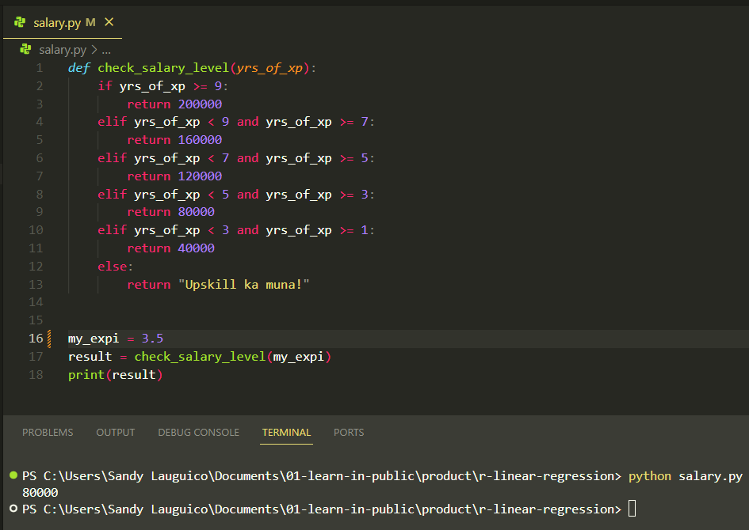
 |  |  |  |  |  | 11 | 240000 |  | y = | mx + b
 |  |  |  |  |  | 12 | 260000 |  | m = | y2 - y1
 |  |  |  |  |  |  |  |  |  | x2 -x1
 |  |  |  |  |  | Let's explain ML like I am 5!
 |  |  |  |  |  |  |  |  | m = | 20000
 |  |  |  |  |  | Source: @teenybiscuit https://medium.com/@cristianduguet/chihuahua-or-muffin-38560baf629d
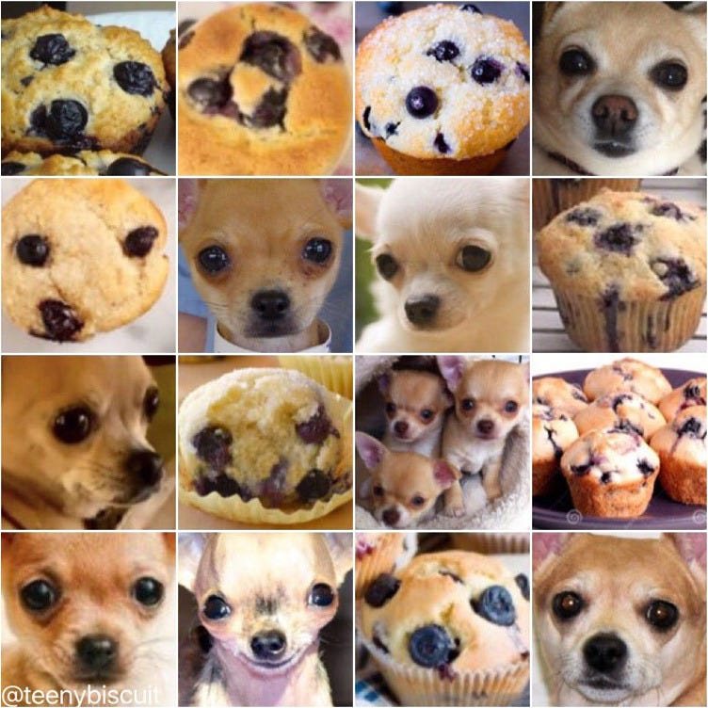
 |  |  |  |  |  |  |  |  | y = 20000x + b
 |  |  |  |  |  |  |  |  | 40000 = 20000(1) + b
 |  |  |  |  |  |  |  |  | b = 40000 - 20000(1)
 |  |  |  |  |  |  |  |  | b = 20000

 |  |  |  |  |  |  |  |  | Another way:
 |  |  |  |  |  |  |  |  | y = 20000x + b
 |  |  |  |  |  |  |  |  | 100000 = 20000(4) + b
 |  |  |  |  |  |  |  |  | b = 10000 - 20000(4)
 |  |  |  |  |  |  |  |  | b = 20000

 |  |  |  |  |  |  |  |  | The equation therefore is:
 |  |  |  |  |  |  |  |  | y = 20000(x) + 20000

 |  |  |  |  |  |  |  |  | Plug in tehh equation / model learned by ML
 |  |  |  |  |  |  |  |  | Years of Experience | Salary
 |  |  |  |  |  |  |  |  | 1 | 40000
 |  |  |  |  |  | Questions: |  |  | 2 | 60000
 |  |  |  |  |  | What makes it a muffin? A dog? |  |  | 3 | 80000
 |  |  |  |  |  | How do you know it's not a muffin? Not a dog? |  |  | 4 | 100000
 |  |  |  |  |  |  |  |  | 5 | 120000
 |  |  |  |  |  |  |  |  | 6 | 140000
 |  |  |  |  |  | More examples! Imagine you are a student ranting on an exam because the questions are not in the examples provided during class… |  |  | 7 | 160000
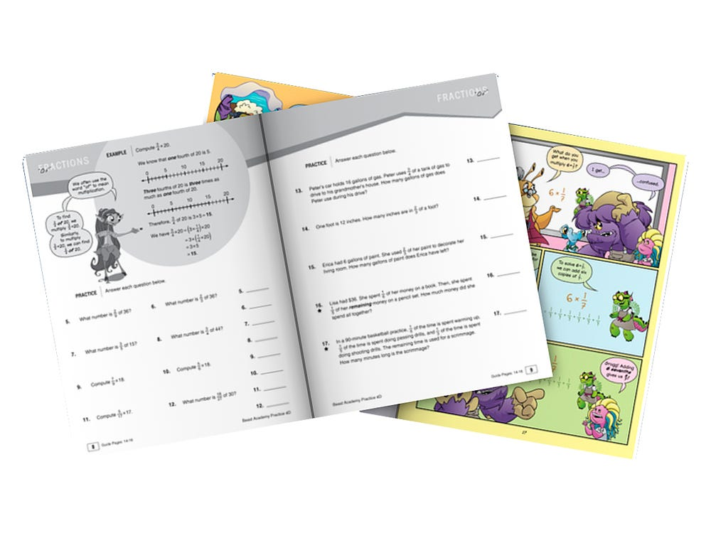
 |  |  |  |  |  |  |  |  | 8 | 180000
 |  |  |  |  |  |  |  |  | 9 | 200000
 |  |  |  |  |  |  |  |  | 10 | 220000
 |  |  |  |  |  |  |  |  | 11 | 240000
 |  |  |  |  |  |  |  |  | 12 | 260000
 |  |  |  |  |  |  |  |  | 13 | 280000
 |  |  |  |  |  |  |  |  | 14 | 300000
 |  |  |  |  |  |  |  |  | 15 | 320000
 |  |  |  |  |  |  |  |  | 16 | 340000
 |  |  |  |  |  |  |  |  | 17 | 360000
 |  |  |  |  |  |  |  |  | 18 | 380000
 |  |  |  |  |  |  |  |  | 19 | 400000
 |  |  |  |  |  |  |  |  | 20 | 420000

 |  |  |  |  |  |  |  |  | Let's graph!
Salary Based on Experience

ML Vocabulary
Id | SepalLengthCm | SepalWidthCm | PetalLengthCm | PetalWidthCm | Species
1 | 5.1 | 3.5 | 1.4 | 0.2 | Iris-setosa |  | Predictor / Features / Attributes / Independent Variable / x | Properties of the data used for prediction or classification
2 | 4.9 | 3 | 1.4 | 0.2 | Iris-setosa |  | Target / Dependent Variable / y | Predicted category or value of the data (column to predict or classify)
3 | 4.7 | 3.2 | 1.3 | 0.2 | Iris-setosa
4 | 4.6 | 3.1 | 1.5 | 0.2 | Iris-setosa |  | Sample | A single data point within the dataset (1 row)
5 | 5 | 3.6 | 1.4 | 0.2 | Iris-setosa |  | Label | The target value of a single data point
6 | 5.4 | 3.9 | 1.7 | 0.4 | Iris-setosa
7 | 4.6 | 3.4 | 1.4 | 0.3 | Iris-setosa
8 | 5 | 3.4 | 1.5 | 0.2 | Iris-setosa
9 | 4.4 | 2.9 | 1.4 | 0.2 | Iris-setosa
10 | 4.9 | 3.1 | 1.5 | 0.1 | Iris-setosa | Source: https://eminebozkus.medium.com/exploring-the-iris-flower-dataset-4e000bcc266c
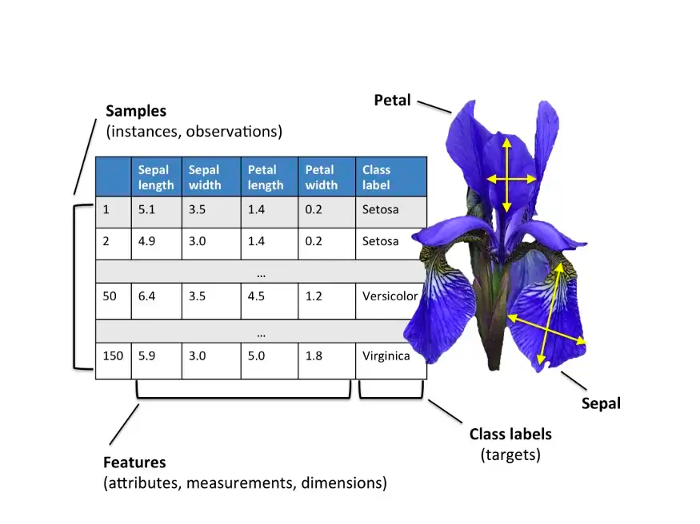
11 | 5.4 | 3.7 | 1.5 | 0.2 | Iris-setosa
12 | 4.8 | 3.4 | 1.6 | 0.2 | Iris-setosa
13 | 4.8 | 3 | 1.4 | 0.1 | Iris-setosa
14 | 4.3 | 3 | 1.1 | 0.1 | Iris-setosa
15 | 5.8 | 4 | 1.2 | 0.2 | Iris-setosa
16 | 5.7 | 4.4 | 1.5 | 0.4 | Iris-setosa
17 | 5.4 | 3.9 | 1.3 | 0.4 | Iris-setosa
18 | 5.1 | 3.5 | 1.4 | 0.3 | Iris-setosa
19 | 5.7 | 3.8 | 1.7 | 0.3 | Iris-setosa
20 | 5.1 | 3.8 | 1.5 | 0.3 | Iris-setosa
21 | 5.4 | 3.4 | 1.7 | 0.2 | Iris-setosa
22 | 5.1 | 3.7 | 1.5 | 0.4 | Iris-setosa
23 | 4.6 | 3.6 | 1 | 0.2 | Iris-setosa
24 | 5.1 | 3.3 | 1.7 | 0.5 | Iris-setosa
25 | 4.8 | 3.4 | 1.9 | 0.2 | Iris-setosa
26 | 5 | 3 | 1.6 | 0.2 | Iris-setosa
27 | 5 | 3.4 | 1.6 | 0.4 | Iris-setosa
28 | 5.2 | 3.5 | 1.5 | 0.2 | Iris-setosa
29 | 5.2 | 3.4 | 1.4 | 0.2 | Iris-setosa
30 | 4.7 | 3.2 | 1.6 | 0.2 | Iris-setosa
31 | 4.8 | 3.1 | 1.6 | 0.2 | Iris-setosa
32 | 5.4 | 3.4 | 1.5 | 0.4 | Iris-setosa
33 | 5.2 | 4.1 | 1.5 | 0.1 | Iris-setosa
34 | 5.5 | 4.2 | 1.4 | 0.2 | Iris-setosa
35 | 4.9 | 3.1 | 1.5 | 0.1 | Iris-setosa
36 | 5 | 3.2 | 1.2 | 0.2 | Iris-setosa
37 | 5.5 | 3.5 | 1.3 | 0.2 | Iris-setosa
38 | 4.9 | 3.1 | 1.5 | 0.1 | Iris-setosa
39 | 4.4 | 3 | 1.3 | 0.2 | Iris-setosa
40 | 5.1 | 3.4 | 1.5 | 0.2 | Iris-setosa
41 | 5 | 3.5 | 1.3 | 0.3 | Iris-setosa
42 | 4.5 | 2.3 | 1.3 | 0.3 | Iris-setosa
43 | 4.4 | 3.2 | 1.3 | 0.2 | Iris-setosa
44 | 5 | 3.5 | 1.6 | 0.6 | Iris-setosa
45 | 5.1 | 3.8 | 1.9 | 0.4 | Iris-setosa
46 | 4.8 | 3 | 1.4 | 0.3 | Iris-setosa
47 | 5.1 | 3.8 | 1.6 | 0.2 | Iris-setosa
48 | 4.6 | 3.2 | 1.4 | 0.2 | Iris-setosa
49 | 5.3 | 3.7 | 1.5 | 0.2 | Iris-setosa
50 | 5 | 3.3 | 1.4 | 0.2 | Iris-setosa
51 | 7 | 3.2 | 4.7 | 1.4 | Iris-versicolor
52 | 6.4 | 3.2 | 4.5 | 1.5 | Iris-versicolor
53 | 6.9 | 3.1 | 4.9 | 1.5 | Iris-versicolor
54 | 5.5 | 2.3 | 4 | 1.3 | Iris-versicolor
55 | 6.5 | 2.8 | 4.6 | 1.5 | Iris-versicolor
56 | 5.7 | 2.8 | 4.5 | 1.3 | Iris-versicolor
57 | 6.3 | 3.3 | 4.7 | 1.6 | Iris-versicolor
58 | 4.9 | 2.4 | 3.3 | 1 | Iris-versicolor
59 | 6.6 | 2.9 | 4.6 | 1.3 | Iris-versicolor
60 | 5.2 | 2.7 | 3.9 | 1.4 | Iris-versicolor
61 | 5 | 2 | 3.5 | 1 | Iris-versicolor
62 | 5.9 | 3 | 4.2 | 1.5 | Iris-versicolor
63 | 6 | 2.2 | 4 | 1 | Iris-versicolor
64 | 6.1 | 2.9 | 4.7 | 1.4 | Iris-versicolor
65 | 5.6 | 2.9 | 3.6 | 1.3 | Iris-versicolor
66 | 6.7 | 3.1 | 4.4 | 1.4 | Iris-versicolor
67 | 5.6 | 3 | 4.5 | 1.5 | Iris-versicolor
68 | 5.8 | 2.7 | 4.1 | 1 | Iris-versicolor
69 | 6.2 | 2.2 | 4.5 | 1.5 | Iris-versicolor
70 | 5.6 | 2.5 | 3.9 | 1.1 | Iris-versicolor
71 | 5.9 | 3.2 | 4.8 | 1.8 | Iris-versicolor
72 | 6.1 | 2.8 | 4 | 1.3 | Iris-versicolor
73 | 6.3 | 2.5 | 4.9 | 1.5 | Iris-versicolor
74 | 6.1 | 2.8 | 4.7 | 1.2 | Iris-versicolor
75 | 6.4 | 2.9 | 4.3 | 1.3 | Iris-versicolor
76 | 6.6 | 3 | 4.4 | 1.4 | Iris-versicolor
77 | 6.8 | 2.8 | 4.8 | 1.4 | Iris-versicolor
78 | 6.7 | 3 | 5 | 1.7 | Iris-versicolor
79 | 6 | 2.9 | 4.5 | 1.5 | Iris-versicolor
80 | 5.7 | 2.6 | 3.5 | 1 | Iris-versicolor
81 | 5.5 | 2.4 | 3.8 | 1.1 | Iris-versicolor
82 | 5.5 | 2.4 | 3.7 | 1 | Iris-versicolor
83 | 5.8 | 2.7 | 3.9 | 1.2 | Iris-versicolor
84 | 6 | 2.7 | 5.1 | 1.6 | Iris-versicolor
85 | 5.4 | 3 | 4.5 | 1.5 | Iris-versicolor
86 | 6 | 3.4 | 4.5 | 1.6 | Iris-versicolor
87 | 6.7 | 3.1 | 4.7 | 1.5 | Iris-versicolor
88 | 6.3 | 2.3 | 4.4 | 1.3 | Iris-versicolor
89 | 5.6 | 3 | 4.1 | 1.3 | Iris-versicolor
90 | 5.5 | 2.5 | 4 | 1.3 | Iris-versicolor
91 | 5.5 | 2.6 | 4.4 | 1.2 | Iris-versicolor
92 | 6.1 | 3 | 4.6 | 1.4 | Iris-versicolor
93 | 5.8 | 2.6 | 4 | 1.2 | Iris-versicolor
94 | 5 | 2.3 | 3.3 | 1 | Iris-versicolor
95 | 5.6 | 2.7 | 4.2 | 1.3 | Iris-versicolor
96 | 5.7 | 3 | 4.2 | 1.2 | Iris-versicolor
97 | 5.7 | 2.9 | 4.2 | 1.3 | Iris-versicolor
98 | 6.2 | 2.9 | 4.3 | 1.3 | Iris-versicolor
99 | 5.1 | 2.5 | 3 | 1.1 | Iris-versicolor
100 | 5.7 | 2.8 | 4.1 | 1.3 | Iris-versicolor
101 | 6.3 | 3.3 | 6 | 2.5 | Iris-virginica
102 | 5.8 | 2.7 | 5.1 | 1.9 | Iris-virginica
103 | 7.1 | 3 | 5.9 | 2.1 | Iris-virginica
104 | 6.3 | 2.9 | 5.6 | 1.8 | Iris-virginica
105 | 6.5 | 3 | 5.8 | 2.2 | Iris-virginica
106 | 7.6 | 3 | 6.6 | 2.1 | Iris-virginica
107 | 4.9 | 2.5 | 4.5 | 1.7 | Iris-virginica
108 | 7.3 | 2.9 | 6.3 | 1.8 | Iris-virginica
109 | 6.7 | 2.5 | 5.8 | 1.8 | Iris-virginica
110 | 7.2 | 3.6 | 6.1 | 2.5 | Iris-virginica
111 | 6.5 | 3.2 | 5.1 | 2 | Iris-virginica
112 | 6.4 | 2.7 | 5.3 | 1.9 | Iris-virginica
113 | 6.8 | 3 | 5.5 | 2.1 | Iris-virginica
114 | 5.7 | 2.5 | 5 | 2 | Iris-virginica
115 | 5.8 | 2.8 | 5.1 | 2.4 | Iris-virginica
116 | 6.4 | 3.2 | 5.3 | 2.3 | Iris-virginica
117 | 6.5 | 3 | 5.5 | 1.8 | Iris-virginica
118 | 7.7 | 3.8 | 6.7 | 2.2 | Iris-virginica
119 | 7.7 | 2.6 | 6.9 | 2.3 | Iris-virginica
120 | 6 | 2.2 | 5 | 1.5 | Iris-virginica
121 | 6.9 | 3.2 | 5.7 | 2.3 | Iris-virginica
122 | 5.6 | 2.8 | 4.9 | 2 | Iris-virginica
123 | 7.7 | 2.8 | 6.7 | 2 | Iris-virginica
124 | 6.3 | 2.7 | 4.9 | 1.8 | Iris-virginica
125 | 6.7 | 3.3 | 5.7 | 2.1 | Iris-virginica
126 | 7.2 | 3.2 | 6 | 1.8 | Iris-virginica
127 | 6.2 | 2.8 | 4.8 | 1.8 | Iris-virginica
128 | 6.1 | 3 | 4.9 | 1.8 | Iris-virginica
129 | 6.4 | 2.8 | 5.6 | 2.1 | Iris-virginica
130 | 7.2 | 3 | 5.8 | 1.6 | Iris-virginica
131 | 7.4 | 2.8 | 6.1 | 1.9 | Iris-virginica
132 | 7.9 | 3.8 | 6.4 | 2 | Iris-virginica
133 | 6.4 | 2.8 | 5.6 | 2.2 | Iris-virginica
134 | 6.3 | 2.8 | 5.1 | 1.5 | Iris-virginica
135 | 6.1 | 2.6 | 5.6 | 1.4 | Iris-virginica
136 | 7.7 | 3 | 6.1 | 2.3 | Iris-virginica
137 | 6.3 | 3.4 | 5.6 | 2.4 | Iris-virginica
138 | 6.4 | 3.1 | 5.5 | 1.8 | Iris-virginica
139 | 6 | 3 | 4.8 | 1.8 | Iris-virginica
140 | 6.9 | 3.1 | 5.4 | 2.1 | Iris-virginica
141 | 6.7 | 3.1 | 5.6 | 2.4 | Iris-virginica
142 | 6.9 | 3.1 | 5.1 | 2.3 | Iris-virginica
143 | 5.8 | 2.7 | 5.1 | 1.9 | Iris-virginica
144 | 6.8 | 3.2 | 5.9 | 2.3 | Iris-virginica
145 | 6.7 | 3.3 | 5.7 | 2.5 | Iris-virginica
146 | 6.7 | 3 | 5.2 | 2.3 | Iris-virginica
147 | 6.3 | 2.5 | 5 | 1.9 | Iris-virginica
148 | 6.5 | 3 | 5.2 | 2 | Iris-virginica
149 | 6.2 | 3.4 | 5.4 | 2.3 | Iris-virginica
150 | 5.9 | 3 | 5.1 | 1.8 | Iris-virginica

ML Pipeline
Statistics | Machine Learning Pipeline | Training and Testing | Training and Testing in a Dataset
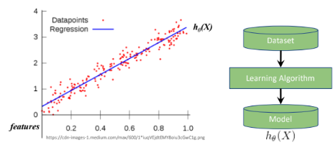
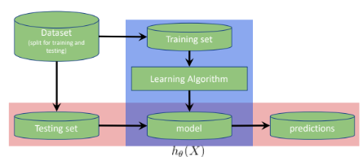
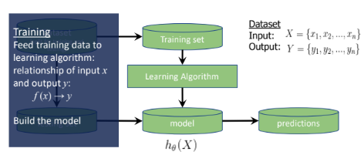
 |  |  |  | Id | SepalLengthCm | SepalWidthCm | PetalLengthCm | PetalWidthCm | Species
 |  |  |  | 1 | 5.1 | 3.5 | 1.4 | 0.2 | Iris-setosa | Training set
 |  |  |  | 2 | 4.9 | 3 | 1.4 | 0.2 | Iris-setosa | Testing set
 |  |  |  | 3 | 4.7 | 3.2 | 1.3 | 0.2 | Iris-setosa
 |  |  |  | 4 | 4.6 | 3.1 | 1.5 | 0.2 | Iris-setosa
 |  |  |  | 5 | 5 | 3.6 | 1.4 | 0.2 | Iris-setosa
 |  |  |  | 6 | 5.4 | 3.9 | 1.7 | 0.4 | Iris-setosa
 |  |  |  | 7 | 4.6 | 3.4 | 1.4 | 0.3 | Iris-setosa
 |  |  |  | 8 | 5 | 3.4 | 1.5 | 0.2 | Iris-setosa
 |  |  |  | 9 | 4.4 | 2.9 | 1.4 | 0.2 | Iris-setosa
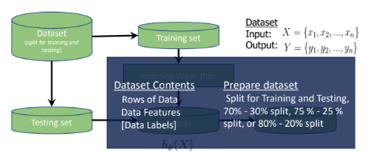
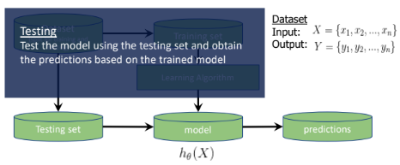
 |  |  |  | 10 | 4.9 | 3.1 | 1.5 | 0.1 | Iris-setosa
 |  |  |  | 51 | 7 | 3.2 | 4.7 | 1.4 | Iris-versicolor
 |  |  |  | 52 | 6.4 | 3.2 | 4.5 | 1.5 | Iris-versicolor
 |  |  |  | 53 | 6.9 | 3.1 | 4.9 | 1.5 | Iris-versicolor
 |  |  |  | 54 | 5.5 | 2.3 | 4 | 1.3 | Iris-versicolor
 |  |  |  | 55 | 6.5 | 2.8 | 4.6 | 1.5 | Iris-versicolor
 |  |  |  | 56 | 5.7 | 2.8 | 4.5 | 1.3 | Iris-versicolor
 |  |  |  | 57 | 6.3 | 3.3 | 4.7 | 1.6 | Iris-versicolor
 |  |  |  | 58 | 4.9 | 2.4 | 3.3 | 1 | Iris-versicolor
 |  |  |  | 59 | 6.6 | 2.9 | 4.6 | 1.3 | Iris-versicolor
 |  |  |  | 60 | 5.2 | 2.7 | 3.9 | 1.4 | Iris-versicolor
 |  |  |  | 101 | 6.3 | 3.3 | 6 | 2.5 | Iris-virginica
 |  |  |  | 102 | 5.8 | 2.7 | 5.1 | 1.9 | Iris-virginica
 |  |  |  | 103 | 7.1 | 3 | 5.9 | 2.1 | Iris-virginica
 |  |  |  | 104 | 6.3 | 2.9 | 5.6 | 1.8 | Iris-virginica
 |  |  |  | 105 | 6.5 | 3 | 5.8 | 2.2 | Iris-virginica
 |  |  |  | 106 | 7.6 | 3 | 6.6 | 2.1 | Iris-virginica
 |  |  |  | 107 | 4.9 | 2.5 | 4.5 | 1.7 | Iris-virginica
 |  |  |  | 108 | 7.3 | 2.9 | 6.3 | 1.8 | Iris-virginica
 |  |  |  | 109 | 6.7 | 2.5 | 5.8 | 1.8 | Iris-virginica
 |  |  |  | 110 | 7.2 | 3.6 | 6.1 | 2.5 | Iris-virginica

 |  |  |  | df_train
 |  |  |  | Id | SepalLengthCm | SepalWidthCm | PetalLengthCm | PetalWidthCm | Species
 |  |  |  | 1 | 5.1 | 3.5 | 1.4 | 0.2 | Iris-setosa
 |  |  |  | 2 | 4.9 | 3 | 1.4 | 0.2 | Iris-setosa
 |  |  |  | 3 | 4.7 | 3.2 | 1.3 | 0.2 | Iris-setosa
 |  |  |  | 4 | 4.6 | 3.1 | 1.5 | 0.2 | Iris-setosa
 |  |  |  | 5 | 5 | 3.6 | 1.4 | 0.2 | Iris-setosa
 |  |  |  | 6 | 5.4 | 3.9 | 1.7 | 0.4 | Iris-setosa
 |  |  |  | 7 | 4.6 | 3.4 | 1.4 | 0.3 | Iris-setosa
 |  |  |  | 51 | 7 | 3.2 | 4.7 | 1.4 | Iris-versicolor
 |  |  |  | 52 | 6.4 | 3.2 | 4.5 | 1.5 | Iris-versicolor
 |  |  |  | 53 | 6.9 | 3.1 | 4.9 | 1.5 | Iris-versicolor
 |  |  |  | 54 | 5.5 | 2.3 | 4 | 1.3 | Iris-versicolor
 |  |  |  | 55 | 6.5 | 2.8 | 4.6 | 1.5 | Iris-versicolor
 |  |  |  | 56 | 5.7 | 2.8 | 4.5 | 1.3 | Iris-versicolor
 |  |  |  | 57 | 6.3 | 3.3 | 4.7 | 1.6 | Iris-versicolor
 |  |  |  | 101 | 6.3 | 3.3 | 6 | 2.5 | Iris-virginica
 |  |  |  | 102 | 5.8 | 2.7 | 5.1 | 1.9 | Iris-virginica
 |  |  |  | 103 | 7.1 | 3 | 5.9 | 2.1 | Iris-virginica
 |  |  |  | 104 | 6.3 | 2.9 | 5.6 | 1.8 | Iris-virginica
 |  |  |  | 105 | 6.5 | 3 | 5.8 | 2.2 | Iris-virginica
 |  |  |  | 106 | 7.6 | 3 | 6.6 | 2.1 | Iris-virginica
 |  |  |  | 107 | 4.9 | 2.5 | 4.5 | 1.7 | Iris-virginica

 |  |  |  | df_test
 |  |  |  | Id | SepalLengthCm | SepalWidthCm | PetalLengthCm | PetalWidthCm | Species
 |  |  |  | 8 | 5 | 3.4 | 1.5 | 0.2 | Iris-setosa
 |  |  |  | 9 | 4.4 | 2.9 | 1.4 | 0.2 | Iris-setosa
 |  |  |  | 10 | 4.9 | 3.1 | 1.5 | 0.1 | Iris-setosa
 |  |  |  | 58 | 4.9 | 2.4 | 3.3 | 1 | Iris-versicolor
 |  |  |  | 59 | 6.6 | 2.9 | 4.6 | 1.3 | Iris-versicolor
 |  |  |  | 60 | 5.2 | 2.7 | 3.9 | 1.4 | Iris-versicolor
 |  |  |  | 108 | 7.3 | 2.9 | 6.3 | 1.8 | Iris-virginica
 |  |  |  | 109 | 6.7 | 2.5 | 5.8 | 1.8 | Iris-virginica
 |  |  |  | 110 | 7.2 | 3.6 | 6.1 | 2.5 | Iris-virginica

Linear Regression
Regression Objectives |  |  | Least Squares |  |  |  |  | R-Squared |  |  |  |  | Degrees of Freedom and Adjusted R-squared |  |  |  |  | F-stat and p-value
 |  |  |  | Sample Dataset:
 | Regression is a means to explore variation in some quantity |  |  | Sample | YearsExperience | Salary |  |  |  | YearsExperience | Salary
 | Variation is separated by EXPLAINED and UNEXPLAINED components/variables |  |  | 1 | 1.1 | 39343 |  |  |  | 0 | 39343 |  |  | What is the minimum number of data points to run a regression?
 |  |  |  | 2 | 1.3 | 46205 |  |  |  | 0 | 46205 |  |  | Probably n = 2? |  |  |  |  | F = | The variation in salary explained by yrs of expi
 |  |  |  | 3 | 1.5 | 37731 |  |  |  | 0 | 37731 |  |  |  |  |  |  |  |  | divided by the variation in salary not explained
 |  |  |  | 4 | 2 | 43525 |  |  |  | 0 | 43525 |  |  | Because 2 is the least number of data points where you can draw a line |  |  |  |  |  | by years of expi
Explained by
 |  |  |  | 5 | 2.2 | 39891 |  |  |  | 0 | 39891 |  |  | BUT, with only 2 data points, we can always draw a line without a possibility of error

 |  |  |  | 6 | 2.9 | 56642 |  |  |  | 0 | 56642 |  |  | Rgeression needs to have a possibility for error
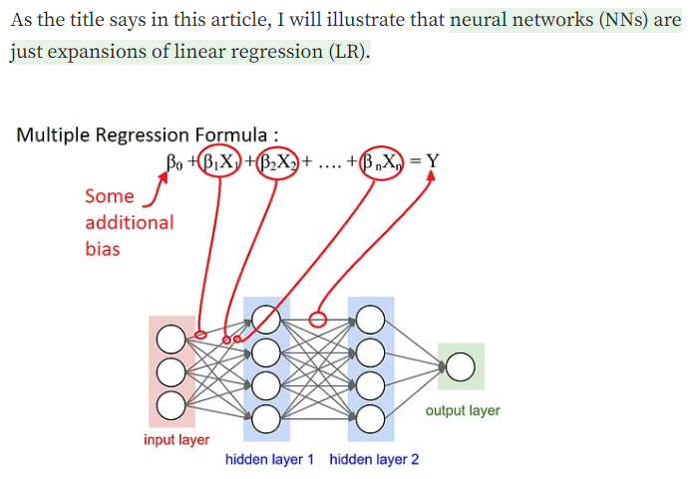
 |  |  |  | 7 | 3 | 60150 |  |  |  | 0 | 60150 |  |  |  |  |  |  |  |  | SSR | divided by | SSE
 |  |  |  | 8 | 3.2 | 54445 |  |  |  | 0 | 54445 |  |  |  |  |  |  |  |  | SST |  | SST
 |  |  |  | 9 | 3.2 | 64445 |  |  |  | 0 | 64445
Explained by
 |  |  |  | 10 | 3.7 | 57189 |  |  |  | 0 | 57189 |  |  |  |  |  |  |  |  |  | or
 |  |  |  | 11 | 3.9 | 63218 |  |  |  | 0 | 63218 |  |  |  |  |  |  |  | F = | SSR | multiplied by | SST
 |  |  |  | 12 | 4 | 55794 |  |  |  | 0 | 55794 |  |  |  |  |  |  |  |  | SST |  | SSE
 |  |  |  | 13 | 4 | 56957 |  |  |  | 0 | 56957
Explained by
 |  |  |  | 14 | 4.1 | 57081 |  |  |  | 0 | 57081 |  |  |  |  |  |  |  | F = | SSR
 |  |  |  | 15 | 4.5 | 61111 |  |  |  | 0 | 61111 |  |  |  |  |  |  |  |  | SSE

 |  |  |  | 16 | 4.9 | 67938 |  |  |  | 0 | 67938
 |  |  |  | 17 | 5.1 | 66029 |  |  |  | 0 | 66029 |  |  |  |  |  |  |  | F = | (SST-SSE) |  | Same numerator with R-squared
 |  |  |  | 18 | 5.3 | 83088 |  |  |  | 0 | 83088 |  |  |  |  |  |  |  |  | SSE |  | Different denominator
 |  |  |  | 19 | 5.9 | 81363 |  |  |  | 0 | 81363
 |  |  |  | 20 | 6 | 93940 |  |  |  | 0 | 93940 |  |  |  |  |  |  |  |  | or
 |  |  |  | 21 | 6.8 | 91738 |  |  |  | 0 | 91738 |  |  |  |  |  |  |  | F = | SS(mean)-SS(fit)
Unexplained by
 |  |  |  | 22 | 7.1 | 98273 |  |  |  | 0 | 98273 |  |  |  |  |  |  |  |  | SS(fit)
 |  |  |  | 23 | 7.9 | 101302 |  |  |  | 0 | 101302 |  |  | In simple linear regression, k = 1
 |  |  |  | 24 | 8.2 | 113812 |  |  |  | 0 | 113812 |  |  | df = n - k - 1 |  | What is the least n where there is a possibility for error?
 |  |  |  | 25 | 8.7 | 109431 |  |  |  | 0 | 109431 |  |  | n = 3 |  |  |  |  | Extended formula, to make the sum of squares in variance form
 |  |  |  | 26 | 9 | 105582 |  |  |  | 0 | 105582 |  |  | df = 2 |  |  |  |  |  | SS(mean)-SS(fit) / (Pfit - Pmean)
 |  |  |  | 27 | 9.5 | 116969 |  |  |  | 0 | 116969 |  |  |  |  |  |  |  |  | SS(fit) / (n - Pfit)
 |  |  |  | 28 | 9.6 | 112635 |  |  |  | 0 | 112635
 |  |  |  | 29 | 10.3 | 122391 |  |  |  | 0 | 122391 |  |  |  |  |  |  |  | Pfit is the number f parameters in the regression line (m, b)
 |  |  |  | 30 | 10.5 | 121872 |  |  |  | 0 | 121872 |  |  |  |  |  |  |  | Pmean is the number of parameters in the horizontal line (b)
 | There are unexplained components in regression. |  |  |  |  |  |  |  |  |  |  |  |  |  |  |  |  |  | In simple linea regression, Pfit = 2 , Pmean is always 1
 | Regression is capable of quantifying how much of those are unexplained (and also explained) |  |  |  |  |  |  |  |  |  |  |  |  |  |  |  |  |  | Thus, Pfit - Pmean = 1

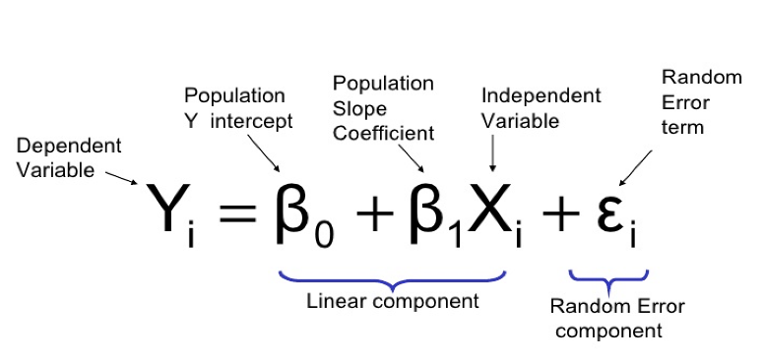
 |  | Source: https://sixsigmadsi.com/glossary/regression-equation/ |  |  |  |  |  |  |  |  |  |  |  |  |  |  |  |  | n is the number of samples. We sibtract by Pfit to take into account
 | y = B(0) +B(1) + e |  |  |  |  |  |  |  |  |  |  |  |  |  |  |  |  |  | the number of vairables (similar to the df concept)
 | error term is the residual
 |  |  |  |  |  |  |  |  |  |  |  |  |  |  |  |  |  |  | Generally, we want F to be a big number
76003

 |  |  |  |  |  |  |  |  |  |  |  |  |  |  |  |  |  |  | F = | 20539139730 | = | 457.93793194
 |  |  |  |  |  |  |  |  |  |  |  |  |  |  |  |  |  |  |  | 44851361.5

 |  |  |  |  |  |  |  |  |  |  |  |  |  |  |  |  |  |  | How to turn F into p-value?
 | Steps in fitting a line using linear regression: |  |  | Example
 | 1. Use least-squares to fit a line to the data |  |  | b = | 76003 |  |  |  | Average Salary | 76003 |  |  |  | In multiple linear regression, k > 1 |  |  |  |  | Steps:
 | 2. Calculate r-squared |  |  | y = | 0 * x + 76003 |  |  |  |  |  |  |  |  | df = n - k - 1 |  |  |  |  | 1. Generate random data
 | 3. Calculate a p-value for r-squared |  |  | y = | 76003 |  |  |  | Sample | YearsExperience | Residuals | Square of Residuals |  | k - is the number of explanatory variables |  |  |  |  | 2. Calculate the mean and SS(mean) or SST
 |  |  |  |  |  |  |  |  | 1 | 1.1 | -36660 | 1343955600 |  |  |  |  |  |  | 3. Calculate the fit and SS(fit) or SSE
 |  |  |  | Calculate the residuals |  |  |  |  | 2 | 1.3 | -29798 | 887920804 |  | What is the minimum number of samples you need for linear regression with k |  |  |  |  | 4. Plug the numbers into the equation above, and solve for F
 |  |  |  |  |  |  |  |  | 3 | 1.5 | -38272 | 1464745984 |  | independent variables? |  |  |  |  | 5. Plot the F-stat into a historgram
 |  |  |  | Sample | YearsExperience | Residual | Square of Residuals |  | 4 | 2 | -32478 | 1054820484 |  |  |  |  |  |  | 6. Repeat steps 1 to 5, hundres to millions of times
 |  |  |  | 1 | 1.1 | -36660 | 1343955600 |  | 5 | 2.2 | -36112 | 1304076544 |  | Insteaed of a 2D plot, we can use a 3D plot to repressent regression with 2 ind var
 |  |  |  | 2 | 1.3 | -29798 | 887920804 |  | 6 | 2.9 | -19361 | 374848321 |  | Instead of a line, think of a plane to fit the data
 |  |  |  | 3 | 1.5 | -38272 | 1464745984 |  | 7 | 3 | -15853 | 251317609 |  | You can draw a plane of best fit for any 3 data points |  |  |  |  | Source: https://courses.lumenlearning.com/introstats1/chapter/facts-about-the-f-distribution/
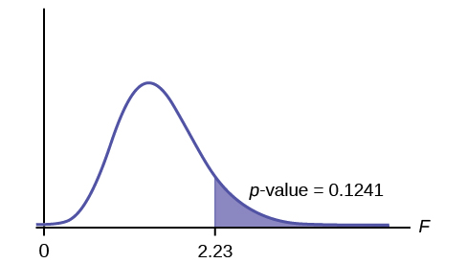
 |  |  |  | 4 | 2 | -32478 | 1054820484 |  | 8 | 3.2 | -21558 | 464747364
 |  |  |  | 5 | 2.2 | -36112 | 1304076544 |  | 9 | 3.2 | -11558 | 133587364 |  | Source: https://www.youtube.com/watch?v=eYTumjgE2IY
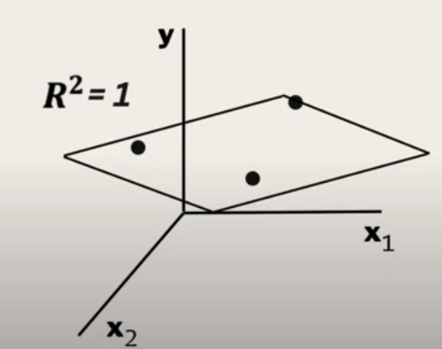
 |  |  |  | 6 | 2.9 | -19361 | 374848321 |  | 10 | 3.7 | -18814 | 353966596
 |  |  |  | 7 | 3 | -15853 | 251317609 |  | 11 | 3.9 | -12785 | 163456225
 |  |  |  | 8 | 3.2 | -21558 | 464747364 |  | 12 | 4 | -20209 | 408403681
 |  |  |  | 9 | 3.2 | -11558 | 133587364 |  | 13 | 4 | -19046 | 362750116
 |  |  |  | 10 | 3.7 | -18814 | 353966596 |  | 14 | 4.1 | -18922 | 358042084
 |  |  |  | 11 | 3.9 | -12785 | 163456225 |  | 15 | 4.5 | -14892 | 221771664
 |  |  |  | 12 | 4 | -20209 | 408403681 |  | 16 | 4.9 | -8065 | 65044225
 |  |  |  | 13 | 4 | -19046 | 362750116 |  | 17 | 5.1 | -9974 | 99480676
 |  |  |  | 14 | 4.1 | -18922 | 358042084 |  | 18 | 5.3 | 7085 | 50197225
 |  |  |  | 15 | 4.5 | -14892 | 221771664 |  | 19 | 5.9 | 5360 | 28729600
 |  |  |  | 16 | 4.9 | -8065 | 65044225 |  | 20 | 6 | 17937 | 321735969
 |  |  |  | 17 | 5.1 | -9974 | 99480676 |  | 21 | 6.8 | 15735 | 247590225
 |  |  |  | 18 | 5.3 | 7085 | 50197225 |  | 22 | 7.1 | 22270 | 495952900
 |  |  |  | 19 | 5.9 | 5360 | 28729600 |  | 23 | 7.9 | 25299 | 640039401
 |  |  |  | 20 | 6 | 17937 | 321735969 |  | 24 | 8.2 | 37809 | 1429520481
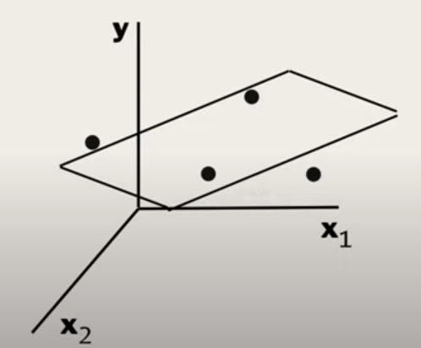
 |  |  |  | 21 | 6.8 | 15735 | 247590225 |  | 25 | 8.7 | 33428 | 1117431184
 |  |  |  | 22 | 7.1 | 22270 | 495952900 |  | 26 | 9 | 29579 | 874917241 |  |  |  |  |  |  | Another way of solving p-value
 |  |  |  | 23 | 7.9 | 25299 | 640039401 |  | 27 | 9.5 | 40966 | 1678213156
 |  |  |  | 24 | 8.2 | 37809 | 1429520481 |  | 28 | 9.6 | 36632 | 1341903424 |  |  |  |  |  |  | std. error = sqrt of variance |  | 6470.0286501
 |  |  |  | 25 | 8.7 | 33428 | 1117431184 |  | 29 | 10.3 | 46388 | 2151846544 |  |  |  |  |  |  | t-stat = coefficient / std. error |  | 1.54558821 | For 95% significance,
 |  |  |  | 26 | 9 | 29579 | 874917241 |  | 30 | 10.5 | 45869 | 2103965161 |  |  |  |  |  |  |  |  |  | this should be > 1.96
 |  |  |  | 27 | 9.5 | 40966 | 1678213156
 |  |  |  | 28 | 9.6 | 36632 | 1341903424 |  | SST (Sum of Squares Total) | SS(mean) or SST | Sum of squares around the mean | 21794977852
 |  |  |  | 29 | 10.3 | 46388 | 2151846544 |  |  | var(mean) | Variation around the mean | 726,499,261.73 |  |  |  |  |  |  | Source: https://www.youtube.com/watch?v=VvlqA-iO2HA
 |  |  |  | 30 | 10.5 | 45869 | 2103965161 |  |  |  | Variation around the mean | Average sum of squares per sample salary

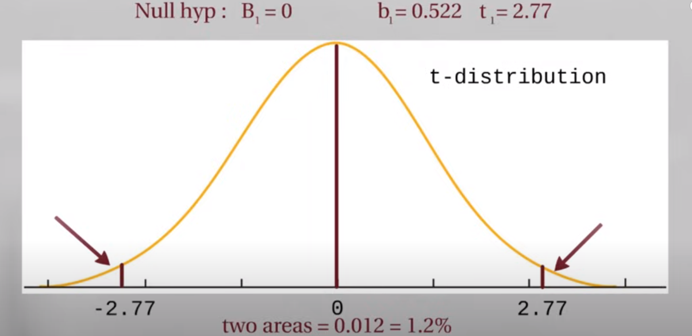
 |  |  |  |  | SST (Sum of Squares Total) | Sum of Squared Residuals | 21794977852 |  |  | SS(fit) or SSE | Sum of squares around the least-squares fit | 1255838122
 |  |  |  |  | SST = SSR + SSE |  |  |  |  | var(fit) | Variation around the fit | 41,861,270.73
 |  |  |  |  |  |  |  |  |  |  | Average of the sum of squares

 |  |  |  |  |  |  |  |  | There is less variation around the line that was fitted by least-squares |  |  |  |  | By adding more explanatory variables, degrees of freedom are reduced
 |  |  |  |  |  |  |  |  | In another way, it also means that the residuals are smaller. |  |  |  |  | The opportunity for error in the model is reduced

 |  |  |  |  |  |  |  |  | We say that some of the variation in salary is "explained" by |  |  |  |  | 1 variable | n = 3 | k = 1 | df = 1
 |  |  |  |  |  |  |  |  | taking years of experience into account. |  |  |  |  | 2 variables | n = 3 | k = 2 | df = 0

 |  |  |  |  |  |  |  |  | In other words, longer experience has higher salary |  |  |  |  | There is a loss in opportunity to show error
 |  |  |  |  |  |  |  |  | And shorter experience has lower salary
 |  |  |  |  |  |  |  |  |  |  |  |  |  | Adding more variables despite how useless they are, will make R-squared higher
 |  |  |  |  |  |  |  |  | R-squared tells us how much of the variation in salary can |  |  |  |  | High k, low df, high R-squared
 |  |  |  |  |  |  |  |  | be explained by taking years of experience into account |  |  |  |  |  |  |  |  |  | p-value is the number of extreme values divided by total no. of values
 |  |  |  |  |  |  |  |  |  |  |  |  |  | To addtess, that adjusted R-squared was introduced
 |  |  |  |  |  |  |  |  | How much of the variation in salary is proportion is explained by years of experience?
 |  |  |  | m = | 5000 |  |  |  | R-squared is the proportion of the variation in the y-variable being explained by the variation in x-variable.
 |  |  |  | y = | 5000x + b |  |  |  |  |  |  |  |  | Source: https://medium.com/analytics-vidhya/adjusted-r-squared-formula-explanation-1ce033e25699
 |  |  |  | 80000= | 5000(6) + b |  |  |  | R-squared | SSR / SST | If SSR is high, SSE is small, data points are close to the line
 |  |  |  | b = | 50000 |  |  |  |  | (SST-SSE)/SST | if SSE is high, SSR is small, data points are farther from the line
 |  |  |  | y = | 5000x + 56012
 |  |  |  |  |  |  |  |  | R-squared | (var(mean) -var(fit))/var(mean)
 |  |  |  | Calculate the residuals |  |  |  |  | R-squared | 0.94237947244

 |  |  |  | Sample | YearsExperience | Residuals | Square of Residuals |  | The less the var(fit), the higher the R-squared
 |  |  |  | 1 | 1.1 | -16157 | 261048649 |  | There is 94.24% reduction in variance when we take years of experience into account
 |  |  |  | 2 | 1.3 | -10295 | 105987025 |  | Alternatively, years of experience explains 94.28% of the variation in salary |  |  |  |  | Adjusted R=squared accounts for the loss of degrees of freedom when
 |  |  |  | 3 | 1.5 | -19769 | 390813361 |  |  |  |  |  |  | there are additional variables
 |  |  |  | 4 | 2 | -16475 | 271425625
 |  |  |  | 5 | 2.2 | -21109 | 445589881 |  | R-suqared is also equal to | (SS(mean)-SS(fit))/SS(mean) |  |  |  | R-squared should then be close to adjusted R-squared
 |  |  |  | 6 | 2.9 | -7858 | 61748164 |  | R-squared | 0.94237947244 |  |  |  | If they are not close. We might need to have more data or number of observations
 |  |  |  | 7 | 3 | -4850 | 23522500
 |  |  |  | 8 | 3.2 | -11555 | 133518025
 |  |  |  | 9 | 3.2 | -1555 | 2418025
 |  |  |  | 10 | 3.7 | -11311 | 127938721
 |  |  |  | 11 | 3.9 | -6282 | 39463524
 |  |  |  | 12 | 4 | -14206 | 201810436
 |  |  |  | 13 | 4 | -13043 | 170119849
 |  |  |  | 14 | 4.1 | -13419 | 180069561
 |  |  |  | 15 | 4.5 | -11389 | 129709321
 |  |  |  | 16 | 4.9 | -6562 | 43059844
 |  |  |  | 17 | 5.1 | -9471 | 89699841
 |  |  |  | 18 | 5.3 | 6588 | 43401744
 |  |  |  | 19 | 5.9 | 1863 | 3470769
 |  |  |  | 20 | 6 | 13940 | 194323600
 |  |  |  | 21 | 6.8 | 7738 | 59876644
 |  |  |  | 22 | 7.1 | 12773 | 163149529
 |  |  |  | 23 | 7.9 | 11802 | 139287204
 |  |  |  | 24 | 8.2 | 22812 | 520387344
 |  |  |  | 25 | 8.7 | 15931 | 253796761
 |  |  |  | 26 | 9 | 10582 | 111978724
 |  |  |  | 27 | 9.5 | 19469 | 379041961
 |  |  |  | 28 | 9.6 | 14635 | 214183225
 |  |  |  | 29 | 10.3 | 20891 | 436433881
 |  |  |  | 30 | 10.5 | 19372 | 375274384

 |  |  |  |  | SSE (Sum of Squares due to Error) | Sum of Squared Residuals | 5,572,548,122.00

 |  |  |  | m = | 10000
 |  |  |  | y = | 10000x + b
 |  |  |  | 80000= | 10000(6) + b
 |  |  |  | b = | 20000
 |  |  |  | y = | 10000x + 20000

 |  |  |  | Calculate the residuals

 |  |  |  | Sample | YearsExperience | Residuals | Square of Residuals
 |  |  |  | 1 | 1.1 | 8343 | 69605649
 |  |  |  | 2 | 1.3 | 13205 | 174372025
 |  |  |  | 3 | 1.5 | 2731 | 7458361
 |  |  |  | 4 | 2 | 3525 | 12425625
 |  |  |  | 5 | 2.2 | -2109 | 4447881
 |  |  |  | 6 | 2.9 | 7642 | 58400164
 |  |  |  | 7 | 3 | 10150 | 103022500
 |  |  |  | 8 | 3.2 | 2445 | 5978025
 |  |  |  | 9 | 3.2 | 12445 | 154878025
 |  |  |  | 10 | 3.7 | 189 | 35721
 |  |  |  | 11 | 3.9 | 4218 | 17791524
 |  |  |  | 12 | 4 | -4206 | 17690436
 |  |  |  | 13 | 4 | -3043 | 9259849
 |  |  |  | 14 | 4.1 | -3919 | 15358561
 |  |  |  | 15 | 4.5 | -3889 | 15124321
 |  |  |  | 16 | 4.9 | -1062 | 1127844
 |  |  |  | 17 | 5.1 | -4971 | 24710841
 |  |  |  | 18 | 5.3 | 10088 | 101767744
 |  |  |  | 19 | 5.9 | 2363 | 5583769
 |  |  |  | 20 | 6 | 13940 | 194323600
 |  |  |  | 21 | 6.8 | 3738 | 13972644
 |  |  |  | 22 | 7.1 | 7273 | 52896529
 |  |  |  | 23 | 7.9 | 2302 | 5299204
 |  |  |  | 24 | 8.2 | 11812 | 139523344
 |  |  |  | 25 | 8.7 | 2431 | 5909761
 |  |  |  | 26 | 9 | -4418 | 19518724
 |  |  |  | 27 | 9.5 | 1969 | 3876961
 |  |  |  | 28 | 9.6 | -3365 | 11323225
 |  |  |  | 29 | 10.3 | -609 | 370881
 |  |  |  | 30 | 10.5 | -3128 | 9784384

 |  |  |  |  | SSE (Sum of Squares due to Error) | Sum of Squared Residuals | 1,255,838,122.00

 |  |  |  | m = | 15000
 |  |  |  | y = | 15000x + b
 |  |  |  | 80000 = | 15000(6) + b
 |  |  |  | b = | -10000
 |  |  |  | y = | 15000x - 10000

 |  |  |  | Calculate the residuals

 |  |  |  | Sample | YearsExperience | Residual | Square of Residuals
 |  |  |  | 1 | 1.1 | 32843 | 1078662649
 |  |  |  | 2 | 1.3 | 36705 | 1347257025
 |  |  |  | 3 | 1.5 | 25231 | 636603361
 |  |  |  | 4 | 2 | 23525 | 553425625
 |  |  |  | 5 | 2.2 | 16891 | 285305881
 |  |  |  | 6 | 2.9 | 23142 | 535552164
 |  |  |  | 7 | 3 | 25150 | 632522500
 |  |  |  | 8 | 3.2 | 16445 | 270438025
 |  |  |  | 9 | 3.2 | 26445 | 699338025
 |  |  |  | 10 | 3.7 | 11689 | 136632721
 |  |  |  | 11 | 3.9 | 14718 | 216619524
 |  |  |  | 12 | 4 | 5794 | 33570436
 |  |  |  | 13 | 4 | 6957 | 48399849
 |  |  |  | 14 | 4.1 | 5581 | 31147561
 |  |  |  | 15 | 4.5 | 3611 | 13039321
 |  |  |  | 16 | 4.9 | 4438 | 19695844
 |  |  |  | 17 | 5.1 | -471 | 221841
 |  |  |  | 18 | 5.3 | 13588 | 184633744
 |  |  |  | 19 | 5.9 | 2863 | 8196769
 |  |  |  | 20 | 6 | 13940 | 194323600
 |  |  |  | 21 | 6.8 | -262 | 68644
 |  |  |  | 22 | 7.1 | 1773 | 3143529
 |  |  |  | 23 | 7.9 | -7198 | 51811204
 |  |  |  | 24 | 8.2 | 812 | 659344
 |  |  |  | 25 | 8.7 | -11069 | 122522761
 |  |  |  | 26 | 9 | -19418 | 377058724
 |  |  |  | 27 | 9.5 | -15531 | 241211961
 |  |  |  | 28 | 9.6 | -21365 | 456463225
 |  |  |  | 29 | 10.3 | -22109 | 488807881
 |  |  |  | 30 | 10.5 | -25628 | 656794384

 |  |  |  |  | SSE (Sum of Squares due to Error) | Sum of Squared Residuals | 9,324,128,122.00

 |  |  |  | Rotation with the least squares
 |  |  |  | Equation
 |  |  |  | y = | 10000x + 20000

 |  |  |  | This is why the method for fitting the line is called least squares

 |  |  |  | The slope being positive and not 0 mean the years of experience
 |  |  |  | can help guess the salary

 |  |  |  | How to determine how good is that guess?
 |  |  |  | We use R-squared!

 |  |  |  | Source: https://www.naukri.com/code360/library/linear-regression-in-machine-learning

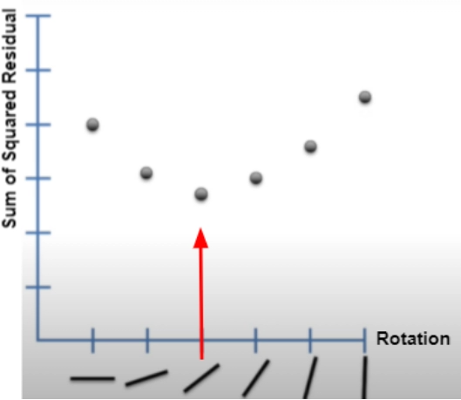

 |  |  |  | How to find the optimal rotation for the a line?
 |  |  |  | Get the derivative of the SSR function.

 |  |  |  | The derivative determines the slope for every point.
 |  |  |  | The slope at the best point, where we have the least squares, is 0

 |  |  |  | Every rotation represents different values of m (slope) and b (intercept)
 |  |  |  | Representing the m, b, and SSR using a 3D graph shows

 |  |  |  | Source: https://www.youtube.com/watch?v=PaFPbb66DxQ

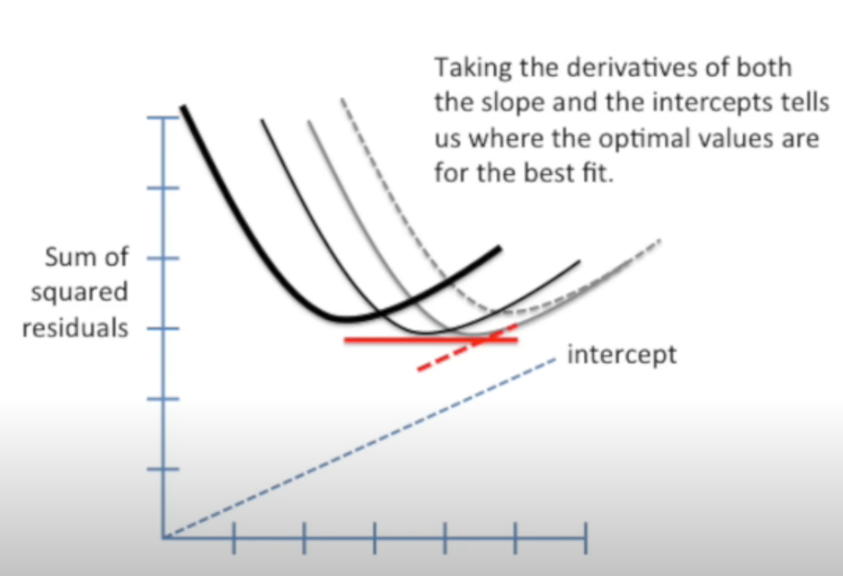

 |  |  |  | Determining the partial derivatives with respect to m and b,
 |  |  |  | and setting the partial derivatives = 0,
 |  |  |  | We can estimate for m and b

Evaluating Linear Regression
