What is Machine Learning
 | Disclaimer: NOT BASED ON REAL DATA
Example | Business Rule |  |  | Traditional Programming |  | Machine Learning |  | ML in the Perspective of Analytic Geometry
Company X implemented this Salary Grade table on the right as a guide to determine how much is their budget for hiring a Data Scientist based on experience. | Title | Experience in Years | Salary | Years of Experience | ONE of the valid logics to get the Salary | According to Wikipedia, "Machine learning (ML) is a field of study in artificial intelligence concerned with the development and study of statistical algorithms that can learn from data and generalize to unseen data, and thus perform tasks without explicit instructions.Recently, artificial neural networks have been able to surpass many previous approaches in performance." |  |  | Let's go back to high school and find the equation of a line given two points!
 | Associate Data Scientist | 1 | 40000 | 0 | Upskill ka muna!
 | Data Scientist | 3 | 80000 | 1 | 40000 | For me, Machine Learning just sounds intidimidating, but it's not fancy! It's nothing but just another Geometry problem. |  |  | Steps / Algorithm:
 | Senior Data Scientist | 5 | 120000 | 2 | 40000 |  |  |  | Step 1: Solve for the slope or m in the equation y = mx +b
 | Data Science Lead | 7 | 160000 | 3 | 80000 | Machine Learning |  |  | Step 2: Plug in the solved m to the equation y = mx +b
 | Principal Data Scientist | 9 | 200000 | 4 | 80000 | Years of Experience | Salary |  | Step 3: Choose a pair of x and y in the table on the left, and also plug in to y = mx +b
 |  |  |  | 5 | 120000 | 1 | 40000 |  | Step 4: Solve for y-int or b
 |  |  |  | 6 | 120000 | 2 | 60000 |  | Step 5: Plug in slope (m) and y-int (b) to the equation y = mx + b)
 |  |  |  | 7 | 160000 | 3 | 80000
 |  |  |  | 8 | 160000 | 4 | 100000 |  | Let's act as if we're the machine learning following an algorithm!
 |  |  |  | 9 | 200000 | 5 | 120000
 |  |  |  | 10 | 200000 | 6 | 140000 |  | y1 | 40000
 |  |  |  | 11 | 200000 | 7 | 160000 |  | y2 | 200000
 |  |  |  | 12 | 200000 | 8 | 180000 |  | x1 | 1
 |  |  |  |  |  | 9 | 200000 |  | x2 | 9
 |  |  |  | In Python: |  | 10 | 220000
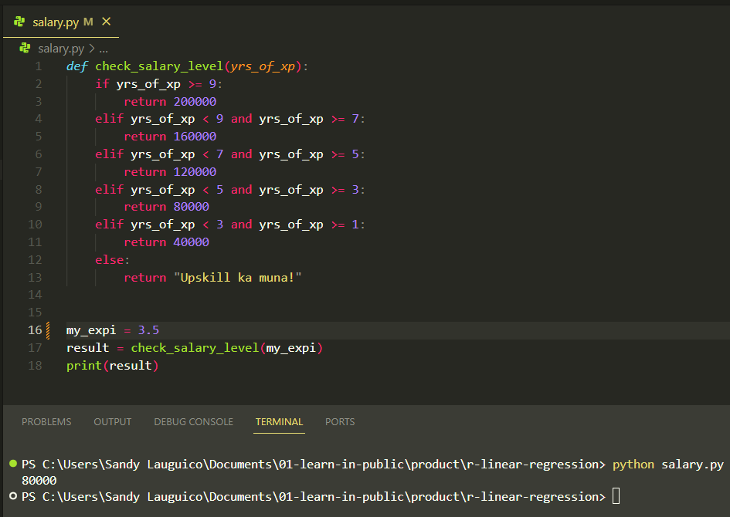
 |  |  |  |  |  | 11 | 240000 |  | y = | mx + b
 |  |  |  |  |  | 12 | 260000 |  | m = | y2 - y1
 |  |  |  |  |  |  |  |  |  | x2 -x1
 |  |  |  |  |  | Let's explain ML like I am 5!
 |  |  |  |  |  |  |  |  | m = | 20000
 |  |  |  |  |  | Source: @teenybiscuit https://medium.com/@cristianduguet/chihuahua-or-muffin-38560baf629d
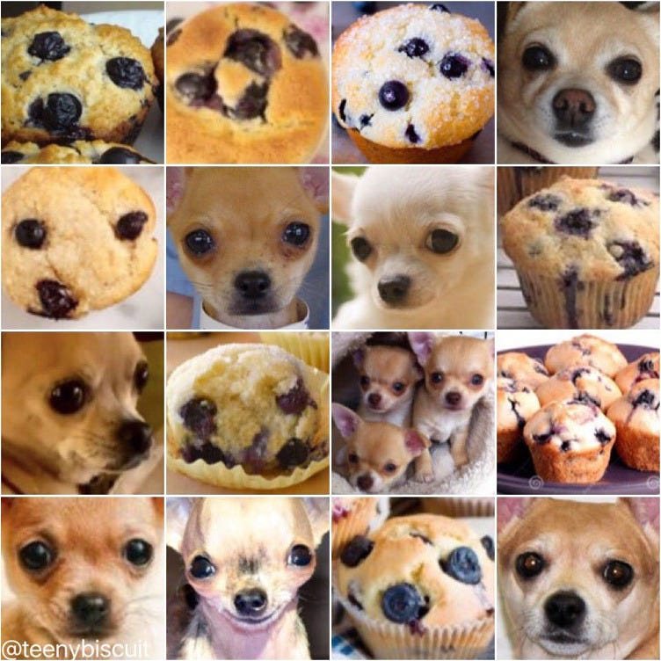
 |  |  |  |  |  |  |  |  | y = 20000x + b
 |  |  |  |  |  |  |  |  | 40000 = 20000(1) + b
 |  |  |  |  |  |  |  |  | b = 40000 - 20000(1)
 |  |  |  |  |  |  |  |  | b = 20000

 |  |  |  |  |  |  |  |  | Another way:
 |  |  |  |  |  |  |  |  | y = 20000x + b
 |  |  |  |  |  |  |  |  | 100000 = 20000(4) + b
 |  |  |  |  |  |  |  |  | b = 10000 - 20000(4)
 |  |  |  |  |  |  |  |  | b = 20000

 |  |  |  |  |  |  |  |  | The equation therefore is:
 |  |  |  |  |  |  |  |  | y = 20000(x) + 20000

 |  |  |  |  |  |  |  |  | Plug in tehh equation / model learned by ML
 |  |  |  |  |  |  |  |  | Years of Experience | Salary
 |  |  |  |  |  |  |  |  | 1 | 40000
 |  |  |  |  |  | Questions: |  |  | 2 | 60000
 |  |  |  |  |  | What makes it a muffin? A dog? |  |  | 3 | 80000
 |  |  |  |  |  | How do you know it's not a muffin? Not a dog? |  |  | 4 | 100000
 |  |  |  |  |  |  |  |  | 5 | 120000
 |  |  |  |  |  |  |  |  | 6 | 140000
 |  |  |  |  |  | More examples! Imagine you are a student ranting on an exam because the questions are not in the examples provided during class… |  |  | 7 | 160000
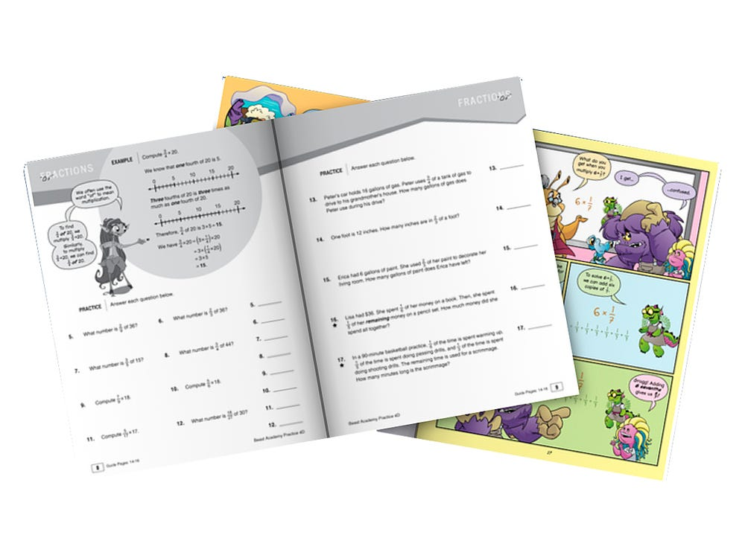
 |  |  |  |  |  |  |  |  | 8 | 180000
 |  |  |  |  |  |  |  |  | 9 | 200000
 |  |  |  |  |  |  |  |  | 10 | 220000
 |  |  |  |  |  |  |  |  | 11 | 240000
 |  |  |  |  |  |  |  |  | 12 | 260000
 |  |  |  |  |  |  |  |  | 13 | 280000
 |  |  |  |  |  |  |  |  | 14 | 300000
 |  |  |  |  |  |  |  |  | 15 | 320000
 |  |  |  |  |  |  |  |  | 16 | 340000
 |  |  |  |  |  |  |  |  | 17 | 360000
 |  |  |  |  |  |  |  |  | 18 | 380000
 |  |  |  |  |  |  |  |  | 19 | 400000
 |  |  |  |  |  |  |  |  | 20 | 420000

 |  |  |  |  |  |  |  |  | Let's graph!
Salary Based on Experience

ML Vocabulary
Id | SepalLengthCm | SepalWidthCm | PetalLengthCm | PetalWidthCm | Species
1 | 5.1 | 3.5 | 1.4 | 0.2 | Iris-setosa |  | Predictor / Features / Attributes / Independent Variable / x | Properties of the data used for prediction or classification
2 | 4.9 | 3 | 1.4 | 0.2 | Iris-setosa |  | Target / Dependent Variable / y | Predicted category or value of the data (column to predict or classify)
3 | 4.7 | 3.2 | 1.3 | 0.2 | Iris-setosa
4 | 4.6 | 3.1 | 1.5 | 0.2 | Iris-setosa |  | Sample | A single data point within the dataset (1 row)
5 | 5 | 3.6 | 1.4 | 0.2 | Iris-setosa |  | Label | The target value of a single data point
6 | 5.4 | 3.9 | 1.7 | 0.4 | Iris-setosa
7 | 4.6 | 3.4 | 1.4 | 0.3 | Iris-setosa
8 | 5 | 3.4 | 1.5 | 0.2 | Iris-setosa
9 | 4.4 | 2.9 | 1.4 | 0.2 | Iris-setosa
10 | 4.9 | 3.1 | 1.5 | 0.1 | Iris-setosa | Source: https://eminebozkus.medium.com/exploring-the-iris-flower-dataset-4e000bcc266c
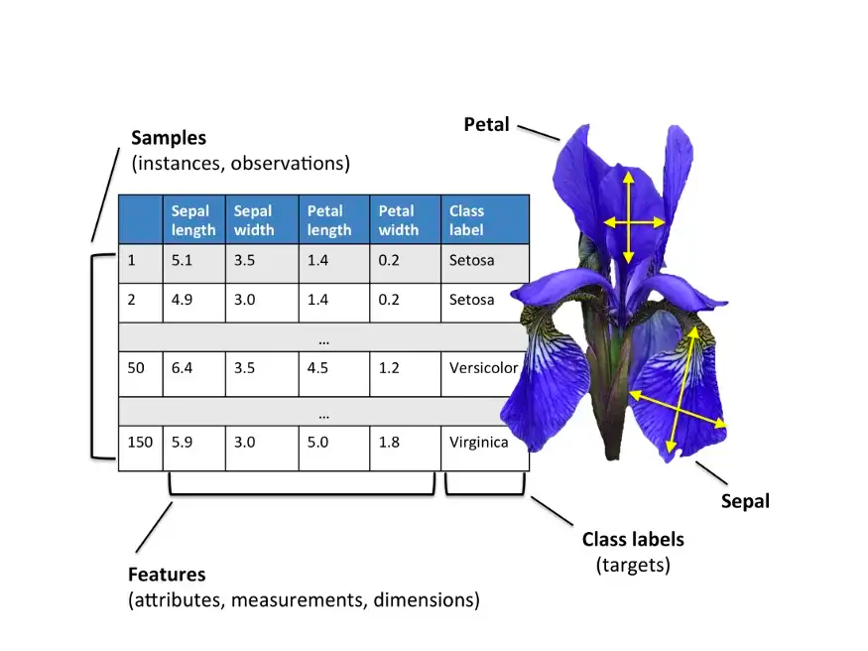
11 | 5.4 | 3.7 | 1.5 | 0.2 | Iris-setosa
12 | 4.8 | 3.4 | 1.6 | 0.2 | Iris-setosa
13 | 4.8 | 3 | 1.4 | 0.1 | Iris-setosa
14 | 4.3 | 3 | 1.1 | 0.1 | Iris-setosa
15 | 5.8 | 4 | 1.2 | 0.2 | Iris-setosa
16 | 5.7 | 4.4 | 1.5 | 0.4 | Iris-setosa
17 | 5.4 | 3.9 | 1.3 | 0.4 | Iris-setosa
18 | 5.1 | 3.5 | 1.4 | 0.3 | Iris-setosa
19 | 5.7 | 3.8 | 1.7 | 0.3 | Iris-setosa
20 | 5.1 | 3.8 | 1.5 | 0.3 | Iris-setosa
21 | 5.4 | 3.4 | 1.7 | 0.2 | Iris-setosa
22 | 5.1 | 3.7 | 1.5 | 0.4 | Iris-setosa
23 | 4.6 | 3.6 | 1 | 0.2 | Iris-setosa
24 | 5.1 | 3.3 | 1.7 | 0.5 | Iris-setosa
25 | 4.8 | 3.4 | 1.9 | 0.2 | Iris-setosa
26 | 5 | 3 | 1.6 | 0.2 | Iris-setosa
27 | 5 | 3.4 | 1.6 | 0.4 | Iris-setosa
28 | 5.2 | 3.5 | 1.5 | 0.2 | Iris-setosa
29 | 5.2 | 3.4 | 1.4 | 0.2 | Iris-setosa
30 | 4.7 | 3.2 | 1.6 | 0.2 | Iris-setosa
31 | 4.8 | 3.1 | 1.6 | 0.2 | Iris-setosa
32 | 5.4 | 3.4 | 1.5 | 0.4 | Iris-setosa
33 | 5.2 | 4.1 | 1.5 | 0.1 | Iris-setosa
34 | 5.5 | 4.2 | 1.4 | 0.2 | Iris-setosa
35 | 4.9 | 3.1 | 1.5 | 0.1 | Iris-setosa
36 | 5 | 3.2 | 1.2 | 0.2 | Iris-setosa
37 | 5.5 | 3.5 | 1.3 | 0.2 | Iris-setosa
38 | 4.9 | 3.1 | 1.5 | 0.1 | Iris-setosa
39 | 4.4 | 3 | 1.3 | 0.2 | Iris-setosa
40 | 5.1 | 3.4 | 1.5 | 0.2 | Iris-setosa
41 | 5 | 3.5 | 1.3 | 0.3 | Iris-setosa
42 | 4.5 | 2.3 | 1.3 | 0.3 | Iris-setosa
43 | 4.4 | 3.2 | 1.3 | 0.2 | Iris-setosa
44 | 5 | 3.5 | 1.6 | 0.6 | Iris-setosa
45 | 5.1 | 3.8 | 1.9 | 0.4 | Iris-setosa
46 | 4.8 | 3 | 1.4 | 0.3 | Iris-setosa
47 | 5.1 | 3.8 | 1.6 | 0.2 | Iris-setosa
48 | 4.6 | 3.2 | 1.4 | 0.2 | Iris-setosa
49 | 5.3 | 3.7 | 1.5 | 0.2 | Iris-setosa
50 | 5 | 3.3 | 1.4 | 0.2 | Iris-setosa
51 | 7 | 3.2 | 4.7 | 1.4 | Iris-versicolor
52 | 6.4 | 3.2 | 4.5 | 1.5 | Iris-versicolor
53 | 6.9 | 3.1 | 4.9 | 1.5 | Iris-versicolor
54 | 5.5 | 2.3 | 4 | 1.3 | Iris-versicolor
55 | 6.5 | 2.8 | 4.6 | 1.5 | Iris-versicolor
56 | 5.7 | 2.8 | 4.5 | 1.3 | Iris-versicolor
57 | 6.3 | 3.3 | 4.7 | 1.6 | Iris-versicolor
58 | 4.9 | 2.4 | 3.3 | 1 | Iris-versicolor
59 | 6.6 | 2.9 | 4.6 | 1.3 | Iris-versicolor
60 | 5.2 | 2.7 | 3.9 | 1.4 | Iris-versicolor
61 | 5 | 2 | 3.5 | 1 | Iris-versicolor
62 | 5.9 | 3 | 4.2 | 1.5 | Iris-versicolor
63 | 6 | 2.2 | 4 | 1 | Iris-versicolor
64 | 6.1 | 2.9 | 4.7 | 1.4 | Iris-versicolor
65 | 5.6 | 2.9 | 3.6 | 1.3 | Iris-versicolor
66 | 6.7 | 3.1 | 4.4 | 1.4 | Iris-versicolor
67 | 5.6 | 3 | 4.5 | 1.5 | Iris-versicolor
68 | 5.8 | 2.7 | 4.1 | 1 | Iris-versicolor
69 | 6.2 | 2.2 | 4.5 | 1.5 | Iris-versicolor
70 | 5.6 | 2.5 | 3.9 | 1.1 | Iris-versicolor
71 | 5.9 | 3.2 | 4.8 | 1.8 | Iris-versicolor
72 | 6.1 | 2.8 | 4 | 1.3 | Iris-versicolor
73 | 6.3 | 2.5 | 4.9 | 1.5 | Iris-versicolor
74 | 6.1 | 2.8 | 4.7 | 1.2 | Iris-versicolor
75 | 6.4 | 2.9 | 4.3 | 1.3 | Iris-versicolor
76 | 6.6 | 3 | 4.4 | 1.4 | Iris-versicolor
77 | 6.8 | 2.8 | 4.8 | 1.4 | Iris-versicolor
78 | 6.7 | 3 | 5 | 1.7 | Iris-versicolor
79 | 6 | 2.9 | 4.5 | 1.5 | Iris-versicolor
80 | 5.7 | 2.6 | 3.5 | 1 | Iris-versicolor
81 | 5.5 | 2.4 | 3.8 | 1.1 | Iris-versicolor
82 | 5.5 | 2.4 | 3.7 | 1 | Iris-versicolor
83 | 5.8 | 2.7 | 3.9 | 1.2 | Iris-versicolor
84 | 6 | 2.7 | 5.1 | 1.6 | Iris-versicolor
85 | 5.4 | 3 | 4.5 | 1.5 | Iris-versicolor
86 | 6 | 3.4 | 4.5 | 1.6 | Iris-versicolor
87 | 6.7 | 3.1 | 4.7 | 1.5 | Iris-versicolor
88 | 6.3 | 2.3 | 4.4 | 1.3 | Iris-versicolor
89 | 5.6 | 3 | 4.1 | 1.3 | Iris-versicolor
90 | 5.5 | 2.5 | 4 | 1.3 | Iris-versicolor
91 | 5.5 | 2.6 | 4.4 | 1.2 | Iris-versicolor
92 | 6.1 | 3 | 4.6 | 1.4 | Iris-versicolor
93 | 5.8 | 2.6 | 4 | 1.2 | Iris-versicolor
94 | 5 | 2.3 | 3.3 | 1 | Iris-versicolor
95 | 5.6 | 2.7 | 4.2 | 1.3 | Iris-versicolor
96 | 5.7 | 3 | 4.2 | 1.2 | Iris-versicolor
97 | 5.7 | 2.9 | 4.2 | 1.3 | Iris-versicolor
98 | 6.2 | 2.9 | 4.3 | 1.3 | Iris-versicolor
99 | 5.1 | 2.5 | 3 | 1.1 | Iris-versicolor
100 | 5.7 | 2.8 | 4.1 | 1.3 | Iris-versicolor
101 | 6.3 | 3.3 | 6 | 2.5 | Iris-virginica
102 | 5.8 | 2.7 | 5.1 | 1.9 | Iris-virginica
103 | 7.1 | 3 | 5.9 | 2.1 | Iris-virginica
104 | 6.3 | 2.9 | 5.6 | 1.8 | Iris-virginica
105 | 6.5 | 3 | 5.8 | 2.2 | Iris-virginica
106 | 7.6 | 3 | 6.6 | 2.1 | Iris-virginica
107 | 4.9 | 2.5 | 4.5 | 1.7 | Iris-virginica
108 | 7.3 | 2.9 | 6.3 | 1.8 | Iris-virginica
109 | 6.7 | 2.5 | 5.8 | 1.8 | Iris-virginica
110 | 7.2 | 3.6 | 6.1 | 2.5 | Iris-virginica
111 | 6.5 | 3.2 | 5.1 | 2 | Iris-virginica
112 | 6.4 | 2.7 | 5.3 | 1.9 | Iris-virginica
113 | 6.8 | 3 | 5.5 | 2.1 | Iris-virginica
114 | 5.7 | 2.5 | 5 | 2 | Iris-virginica
115 | 5.8 | 2.8 | 5.1 | 2.4 | Iris-virginica
116 | 6.4 | 3.2 | 5.3 | 2.3 | Iris-virginica
117 | 6.5 | 3 | 5.5 | 1.8 | Iris-virginica
118 | 7.7 | 3.8 | 6.7 | 2.2 | Iris-virginica
119 | 7.7 | 2.6 | 6.9 | 2.3 | Iris-virginica
120 | 6 | 2.2 | 5 | 1.5 | Iris-virginica
121 | 6.9 | 3.2 | 5.7 | 2.3 | Iris-virginica
122 | 5.6 | 2.8 | 4.9 | 2 | Iris-virginica
123 | 7.7 | 2.8 | 6.7 | 2 | Iris-virginica
124 | 6.3 | 2.7 | 4.9 | 1.8 | Iris-virginica
125 | 6.7 | 3.3 | 5.7 | 2.1 | Iris-virginica
126 | 7.2 | 3.2 | 6 | 1.8 | Iris-virginica
127 | 6.2 | 2.8 | 4.8 | 1.8 | Iris-virginica
128 | 6.1 | 3 | 4.9 | 1.8 | Iris-virginica
129 | 6.4 | 2.8 | 5.6 | 2.1 | Iris-virginica
130 | 7.2 | 3 | 5.8 | 1.6 | Iris-virginica
131 | 7.4 | 2.8 | 6.1 | 1.9 | Iris-virginica
132 | 7.9 | 3.8 | 6.4 | 2 | Iris-virginica
133 | 6.4 | 2.8 | 5.6 | 2.2 | Iris-virginica
134 | 6.3 | 2.8 | 5.1 | 1.5 | Iris-virginica
135 | 6.1 | 2.6 | 5.6 | 1.4 | Iris-virginica
136 | 7.7 | 3 | 6.1 | 2.3 | Iris-virginica
137 | 6.3 | 3.4 | 5.6 | 2.4 | Iris-virginica
138 | 6.4 | 3.1 | 5.5 | 1.8 | Iris-virginica
139 | 6 | 3 | 4.8 | 1.8 | Iris-virginica
140 | 6.9 | 3.1 | 5.4 | 2.1 | Iris-virginica
141 | 6.7 | 3.1 | 5.6 | 2.4 | Iris-virginica
142 | 6.9 | 3.1 | 5.1 | 2.3 | Iris-virginica
143 | 5.8 | 2.7 | 5.1 | 1.9 | Iris-virginica
144 | 6.8 | 3.2 | 5.9 | 2.3 | Iris-virginica
145 | 6.7 | 3.3 | 5.7 | 2.5 | Iris-virginica
146 | 6.7 | 3 | 5.2 | 2.3 | Iris-virginica
147 | 6.3 | 2.5 | 5 | 1.9 | Iris-virginica
148 | 6.5 | 3 | 5.2 | 2 | Iris-virginica
149 | 6.2 | 3.4 | 5.4 | 2.3 | Iris-virginica
150 | 5.9 | 3 | 5.1 | 1.8 | Iris-virginica

Supervised ML
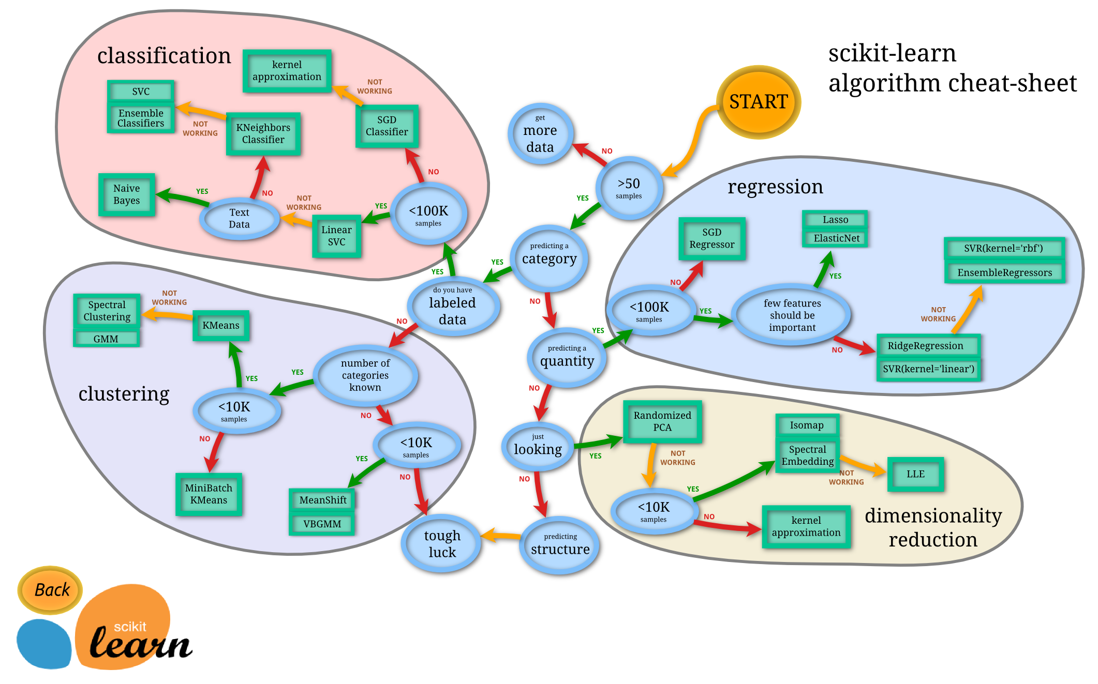
 |  | Dependent Variable

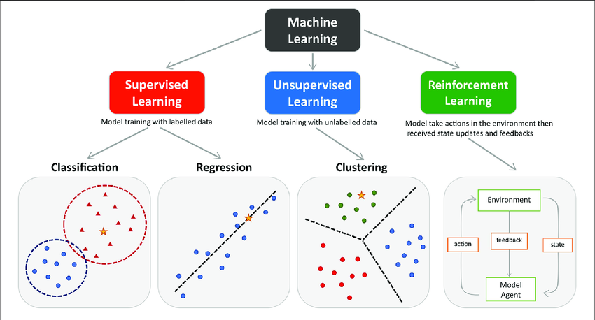
Source: https://www.researchgate.net/figure/The-main-types-of-machine-learning-Main-approaches-include-classification-and_fig1_354960266
 | Continuous |  |  | Discrete / Categorical

 | Linear Regression Model |  | Linear Probability Model | Logit Model | Probit Model

 | Source: https://scikit-learn.org/stable/tutorial/machine_learning_map/

ML Pipeline
Statistics | Machine Learning Pipeline | Training and Testing | Training and Testing in a Dataset
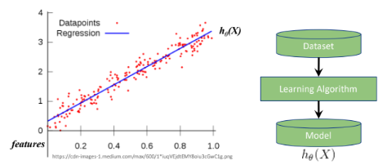
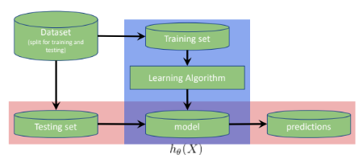
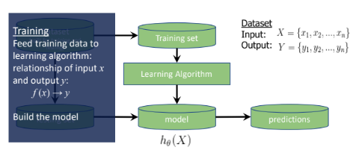
 |  |  |  | Id | SepalLengthCm | SepalWidthCm | PetalLengthCm | PetalWidthCm | Species
 |  |  |  | 1 | 5.1 | 3.5 | 1.4 | 0.2 | Iris-setosa | Training set
 |  |  |  | 2 | 4.9 | 3 | 1.4 | 0.2 | Iris-setosa | Testing set
 |  |  |  | 3 | 4.7 | 3.2 | 1.3 | 0.2 | Iris-setosa
 |  |  |  | 4 | 4.6 | 3.1 | 1.5 | 0.2 | Iris-setosa
 |  |  |  | 5 | 5 | 3.6 | 1.4 | 0.2 | Iris-setosa
 |  |  |  | 6 | 5.4 | 3.9 | 1.7 | 0.4 | Iris-setosa
 |  |  |  | 7 | 4.6 | 3.4 | 1.4 | 0.3 | Iris-setosa
 |  |  |  | 8 | 5 | 3.4 | 1.5 | 0.2 | Iris-setosa
 |  |  |  | 9 | 4.4 | 2.9 | 1.4 | 0.2 | Iris-setosa
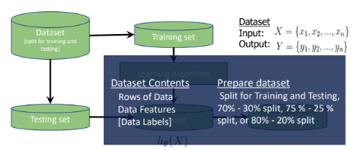
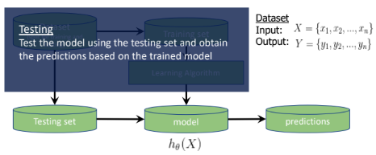
 |  |  |  | 10 | 4.9 | 3.1 | 1.5 | 0.1 | Iris-setosa
 |  |  |  | 51 | 7 | 3.2 | 4.7 | 1.4 | Iris-versicolor
 |  |  |  | 52 | 6.4 | 3.2 | 4.5 | 1.5 | Iris-versicolor
 |  |  |  | 53 | 6.9 | 3.1 | 4.9 | 1.5 | Iris-versicolor
 |  |  |  | 54 | 5.5 | 2.3 | 4 | 1.3 | Iris-versicolor
 |  |  |  | 55 | 6.5 | 2.8 | 4.6 | 1.5 | Iris-versicolor
 |  |  |  | 56 | 5.7 | 2.8 | 4.5 | 1.3 | Iris-versicolor
 |  |  |  | 57 | 6.3 | 3.3 | 4.7 | 1.6 | Iris-versicolor
 |  |  |  | 58 | 4.9 | 2.4 | 3.3 | 1 | Iris-versicolor
 |  |  |  | 59 | 6.6 | 2.9 | 4.6 | 1.3 | Iris-versicolor
 |  |  |  | 60 | 5.2 | 2.7 | 3.9 | 1.4 | Iris-versicolor
 |  |  |  | 101 | 6.3 | 3.3 | 6 | 2.5 | Iris-virginica
 |  |  |  | 102 | 5.8 | 2.7 | 5.1 | 1.9 | Iris-virginica
 |  |  |  | 103 | 7.1 | 3 | 5.9 | 2.1 | Iris-virginica
 |  |  |  | 104 | 6.3 | 2.9 | 5.6 | 1.8 | Iris-virginica
 |  |  |  | 105 | 6.5 | 3 | 5.8 | 2.2 | Iris-virginica
 |  |  |  | 106 | 7.6 | 3 | 6.6 | 2.1 | Iris-virginica
 |  |  |  | 107 | 4.9 | 2.5 | 4.5 | 1.7 | Iris-virginica
 |  |  |  | 108 | 7.3 | 2.9 | 6.3 | 1.8 | Iris-virginica
 |  |  |  | 109 | 6.7 | 2.5 | 5.8 | 1.8 | Iris-virginica
 |  |  |  | 110 | 7.2 | 3.6 | 6.1 | 2.5 | Iris-virginica

 |  |  |  | df_train
 |  |  |  | Id | SepalLengthCm | SepalWidthCm | PetalLengthCm | PetalWidthCm | Species
 |  |  |  | 1 | 5.1 | 3.5 | 1.4 | 0.2 | Iris-setosa
 |  |  |  | 2 | 4.9 | 3 | 1.4 | 0.2 | Iris-setosa
 |  |  |  | 3 | 4.7 | 3.2 | 1.3 | 0.2 | Iris-setosa
 |  |  |  | 4 | 4.6 | 3.1 | 1.5 | 0.2 | Iris-setosa
 |  |  |  | 5 | 5 | 3.6 | 1.4 | 0.2 | Iris-setosa
 |  |  |  | 6 | 5.4 | 3.9 | 1.7 | 0.4 | Iris-setosa
 |  |  |  | 7 | 4.6 | 3.4 | 1.4 | 0.3 | Iris-setosa
 |  |  |  | 51 | 7 | 3.2 | 4.7 | 1.4 | Iris-versicolor
 |  |  |  | 52 | 6.4 | 3.2 | 4.5 | 1.5 | Iris-versicolor
 |  |  |  | 53 | 6.9 | 3.1 | 4.9 | 1.5 | Iris-versicolor
 |  |  |  | 54 | 5.5 | 2.3 | 4 | 1.3 | Iris-versicolor
 |  |  |  | 55 | 6.5 | 2.8 | 4.6 | 1.5 | Iris-versicolor
 |  |  |  | 56 | 5.7 | 2.8 | 4.5 | 1.3 | Iris-versicolor
 |  |  |  | 57 | 6.3 | 3.3 | 4.7 | 1.6 | Iris-versicolor
 |  |  |  | 101 | 6.3 | 3.3 | 6 | 2.5 | Iris-virginica
 |  |  |  | 102 | 5.8 | 2.7 | 5.1 | 1.9 | Iris-virginica
 |  |  |  | 103 | 7.1 | 3 | 5.9 | 2.1 | Iris-virginica
 |  |  |  | 104 | 6.3 | 2.9 | 5.6 | 1.8 | Iris-virginica
 |  |  |  | 105 | 6.5 | 3 | 5.8 | 2.2 | Iris-virginica
 |  |  |  | 106 | 7.6 | 3 | 6.6 | 2.1 | Iris-virginica
 |  |  |  | 107 | 4.9 | 2.5 | 4.5 | 1.7 | Iris-virginica

 |  |  |  | df_test
 |  |  |  | Id | SepalLengthCm | SepalWidthCm | PetalLengthCm | PetalWidthCm | Species
 |  |  |  | 8 | 5 | 3.4 | 1.5 | 0.2 | Iris-setosa
 |  |  |  | 9 | 4.4 | 2.9 | 1.4 | 0.2 | Iris-setosa
 |  |  |  | 10 | 4.9 | 3.1 | 1.5 | 0.1 | Iris-setosa
 |  |  |  | 58 | 4.9 | 2.4 | 3.3 | 1 | Iris-versicolor
 |  |  |  | 59 | 6.6 | 2.9 | 4.6 | 1.3 | Iris-versicolor
 |  |  |  | 60 | 5.2 | 2.7 | 3.9 | 1.4 | Iris-versicolor
 |  |  |  | 108 | 7.3 | 2.9 | 6.3 | 1.8 | Iris-virginica
 |  |  |  | 109 | 6.7 | 2.5 | 5.8 | 1.8 | Iris-virginica
 |  |  |  | 110 | 7.2 | 3.6 | 6.1 | 2.5 | Iris-virginica

Linear Regression
Regression Objectives |  |  | Least Squares |  |  |  |  | R-Squared |  |  |  |  | Degrees of Freedom and Adjusted R-squared |  |  |  |  | F-stat and p-value
 |  |  |  | Sample Dataset:
 | Regression is a means to explore variation in some quantity |  |  | Sample | YearsExperience | Salary |  |  |  | YearsExperience | Salary
 | Variation is separated by EXPLAINED and UNEXPLAINED components/variables |  |  | 1 | 1.1 | 39343 |  |  |  | 0 | 39343 |  |  | What is the minimum number of data points to run a regression?
 |  |  |  | 2 | 1.3 | 46205 |  |  |  | 0 | 46205 |  |  | Probably n = 2? |  |  |  |  | F = | The variation in salary explained by yrs of expi
 |  |  |  | 3 | 1.5 | 37731 |  |  |  | 0 | 37731 |  |  |  |  |  |  |  |  | divided by the variation in salary not explained
 |  |  |  | 4 | 2 | 43525 |  |  |  | 0 | 43525 |  |  | Because 2 is the least number of data points where you can draw a line |  |  |  |  |  | by years of expi
Explained by
 |  |  |  | 5 | 2.2 | 39891 |  |  |  | 0 | 39891 |  |  | BUT, with only 2 data points, we can always draw a line without a possibility of error

 |  |  |  | 6 | 2.9 | 56642 |  |  |  | 0 | 56642 |  |  | Rgeression needs to have a possibility for error
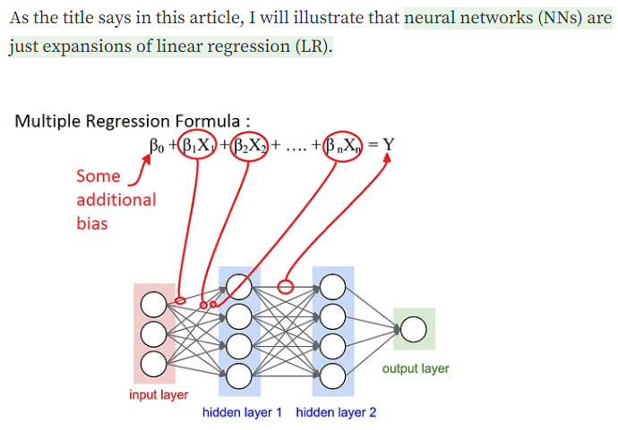
 |  |  |  | 7 | 3 | 60150 |  |  |  | 0 | 60150 |  |  |  |  |  |  |  |  | SSR | divided by | SSE
 |  |  |  | 8 | 3.2 | 54445 |  |  |  | 0 | 54445 |  |  |  |  |  |  |  |  | SST |  | SST
 |  |  |  | 9 | 3.2 | 64445 |  |  |  | 0 | 64445
Explained by
 |  |  |  | 10 | 3.7 | 57189 |  |  |  | 0 | 57189 |  |  |  |  |  |  |  |  |  | or
 |  |  |  | 11 | 3.9 | 63218 |  |  |  | 0 | 63218 |  |  |  |  |  |  |  | F = | SSR | multiplied by | SST
 |  |  |  | 12 | 4 | 55794 |  |  |  | 0 | 55794 |  |  |  |  |  |  |  |  | SST |  | SSE
 |  |  |  | 13 | 4 | 56957 |  |  |  | 0 | 56957
Explained by
 |  |  |  | 14 | 4.1 | 57081 |  |  |  | 0 | 57081 |  |  |  |  |  |  |  | F = | SSR
 |  |  |  | 15 | 4.5 | 61111 |  |  |  | 0 | 61111 |  |  |  |  |  |  |  |  | SSE

 |  |  |  | 16 | 4.9 | 67938 |  |  |  | 0 | 67938
 |  |  |  | 17 | 5.1 | 66029 |  |  |  | 0 | 66029 |  |  |  |  |  |  |  | F = | (SST-SSE) |  | Same numerator with R-squared
 |  |  |  | 18 | 5.3 | 83088 |  |  |  | 0 | 83088 |  |  |  |  |  |  |  |  | SSE |  | Different denominator
 |  |  |  | 19 | 5.9 | 81363 |  |  |  | 0 | 81363
 |  |  |  | 20 | 6 | 93940 |  |  |  | 0 | 93940 |  |  |  |  |  |  |  |  | or
 |  |  |  | 21 | 6.8 | 91738 |  |  |  | 0 | 91738 |  |  |  |  |  |  |  | F = | SS(mean)-SS(fit)
Unexplained by
 |  |  |  | 22 | 7.1 | 98273 |  |  |  | 0 | 98273 |  |  |  |  |  |  |  |  | SS(fit)
 |  |  |  | 23 | 7.9 | 101302 |  |  |  | 0 | 101302 |  |  | In simple linear regression, k = 1
 |  |  |  | 24 | 8.2 | 113812 |  |  |  | 0 | 113812 |  |  | df = n - k - 1 |  | What is the least n where there is a possibility for error?
 |  |  |  | 25 | 8.7 | 109431 |  |  |  | 0 | 109431 |  |  | n = 3 |  |  |  |  | Extended formula, to make the sum of squares in variance form
 |  |  |  | 26 | 9 | 105582 |  |  |  | 0 | 105582 |  |  | df = 2 |  |  |  |  |  | SS(mean)-SS(fit) / (Pfit - Pmean)
 |  |  |  | 27 | 9.5 | 116969 |  |  |  | 0 | 116969 |  |  |  |  |  |  |  |  | SS(fit) / (n - Pfit)
 |  |  |  | 28 | 9.6 | 112635 |  |  |  | 0 | 112635
 |  |  |  | 29 | 10.3 | 122391 |  |  |  | 0 | 122391 |  |  |  |  |  |  |  | Pfit is the number f parameters in the regression line (m, b)
 |  |  |  | 30 | 10.5 | 121872 |  |  |  | 0 | 121872 |  |  |  |  |  |  |  | Pmean is the number of parameters in the horizontal line (b)
 | There are unexplained components in regression. |  |  |  |  |  |  |  |  |  |  |  |  |  |  |  |  |  | In simple linea regression, Pfit = 2 , Pmean is always 1
 | Regression is capable of quantifying how much of those are unexplained (and also explained) |  |  |  |  |  |  |  |  |  |  |  |  |  |  |  |  |  | Thus, Pfit - Pmean = 1

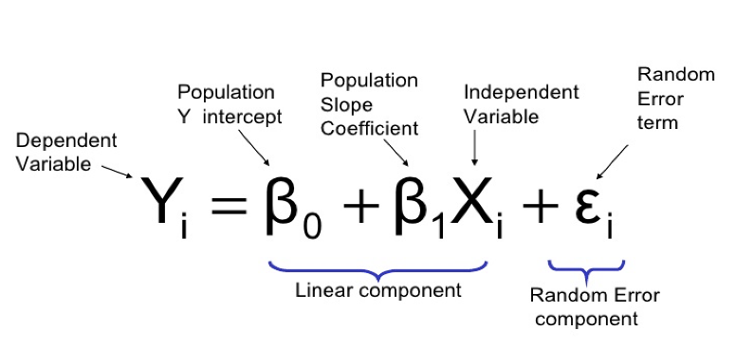
 |  | Source: https://sixsigmadsi.com/glossary/regression-equation/ |  |  |  |  |  |  |  |  |  |  |  |  |  |  |  |  | n is the number of samples. We sibtract by Pfit to take into account
 | y = B(0) +B(1) + e |  |  |  |  |  |  |  |  |  |  |  |  |  |  |  |  |  | the number of vairables (similar to the df concept)
 | error term is the residual
 |  |  |  |  |  |  |  |  |  |  |  |  |  |  |  |  |  |  | Generally, we want F to be a big number
76003

 |  |  |  |  |  |  |  |  |  |  |  |  |  |  |  |  |  |  | F = | 20539139730 | = | 457.93793194
 |  |  |  |  |  |  |  |  |  |  |  |  |  |  |  |  |  |  |  | 44851361.5

 |  |  |  |  |  |  |  |  |  |  |  |  |  |  |  |  |  |  | How to turn F into p-value?
 | Steps in fitting a line using linear regression: |  |  | Example
 | 1. Use least-squares to fit a line to the data |  |  | b = | 76003 |  |  |  | Average Salary | 76003 |  |  |  | In multiple linear regression, k > 1 |  |  |  |  | Steps:
 | 2. Calculate r-squared |  |  | y = | 0 * x + 76003 |  |  |  |  |  |  |  |  | df = n - k - 1 |  |  |  |  | 1. Generate random data
 | 3. Calculate a p-value for r-squared |  |  | y = | 76003 |  |  |  | Sample | YearsExperience | Residuals | Square of Residuals |  | k - is the number of explanatory variables |  |  |  |  | 2. Calculate the mean and SS(mean) or SST
 |  |  |  |  |  |  |  |  | 1 | 1.1 | -36660 | 1343955600 |  |  |  |  |  |  | 3. Calculate the fit and SS(fit) or SSE
 |  |  |  | Calculate the residuals |  |  |  |  | 2 | 1.3 | -29798 | 887920804 |  | What is the minimum number of samples you need for linear regression with k |  |  |  |  | 4. Plug the numbers into the equation above, and solve for F
 |  |  |  |  |  |  |  |  | 3 | 1.5 | -38272 | 1464745984 |  | independent variables? |  |  |  |  | 5. Plot the F-stat into a historgram
 |  |  |  | Sample | YearsExperience | Residual | Square of Residuals |  | 4 | 2 | -32478 | 1054820484 |  |  |  |  |  |  | 6. Repeat steps 1 to 5, hundres to millions of times
 |  |  |  | 1 | 1.1 | -36660 | 1343955600 |  | 5 | 2.2 | -36112 | 1304076544 |  | Insteaed of a 2D plot, we can use a 3D plot to repressent regression with 2 ind var
 |  |  |  | 2 | 1.3 | -29798 | 887920804 |  | 6 | 2.9 | -19361 | 374848321 |  | Instead of a line, think of a plane to fit the data
 |  |  |  | 3 | 1.5 | -38272 | 1464745984 |  | 7 | 3 | -15853 | 251317609 |  | You can draw a plane of best fit for any 3 data points |  |  |  |  | Source: https://courses.lumenlearning.com/introstats1/chapter/facts-about-the-f-distribution/
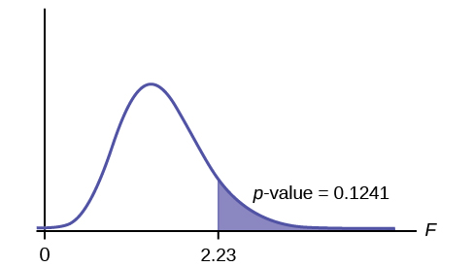
 |  |  |  | 4 | 2 | -32478 | 1054820484 |  | 8 | 3.2 | -21558 | 464747364
 |  |  |  | 5 | 2.2 | -36112 | 1304076544 |  | 9 | 3.2 | -11558 | 133587364 |  | Source: https://www.youtube.com/watch?v=eYTumjgE2IY
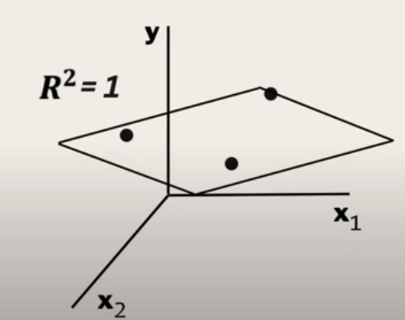
 |  |  |  | 6 | 2.9 | -19361 | 374848321 |  | 10 | 3.7 | -18814 | 353966596
 |  |  |  | 7 | 3 | -15853 | 251317609 |  | 11 | 3.9 | -12785 | 163456225
 |  |  |  | 8 | 3.2 | -21558 | 464747364 |  | 12 | 4 | -20209 | 408403681
 |  |  |  | 9 | 3.2 | -11558 | 133587364 |  | 13 | 4 | -19046 | 362750116
 |  |  |  | 10 | 3.7 | -18814 | 353966596 |  | 14 | 4.1 | -18922 | 358042084
 |  |  |  | 11 | 3.9 | -12785 | 163456225 |  | 15 | 4.5 | -14892 | 221771664
 |  |  |  | 12 | 4 | -20209 | 408403681 |  | 16 | 4.9 | -8065 | 65044225
 |  |  |  | 13 | 4 | -19046 | 362750116 |  | 17 | 5.1 | -9974 | 99480676
 |  |  |  | 14 | 4.1 | -18922 | 358042084 |  | 18 | 5.3 | 7085 | 50197225
 |  |  |  | 15 | 4.5 | -14892 | 221771664 |  | 19 | 5.9 | 5360 | 28729600
 |  |  |  | 16 | 4.9 | -8065 | 65044225 |  | 20 | 6 | 17937 | 321735969
 |  |  |  | 17 | 5.1 | -9974 | 99480676 |  | 21 | 6.8 | 15735 | 247590225
 |  |  |  | 18 | 5.3 | 7085 | 50197225 |  | 22 | 7.1 | 22270 | 495952900
 |  |  |  | 19 | 5.9 | 5360 | 28729600 |  | 23 | 7.9 | 25299 | 640039401
 |  |  |  | 20 | 6 | 17937 | 321735969 |  | 24 | 8.2 | 37809 | 1429520481
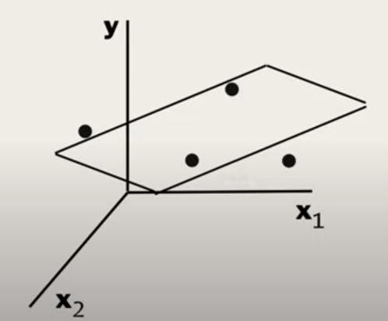
 |  |  |  | 21 | 6.8 | 15735 | 247590225 |  | 25 | 8.7 | 33428 | 1117431184
 |  |  |  | 22 | 7.1 | 22270 | 495952900 |  | 26 | 9 | 29579 | 874917241 |  |  |  |  |  |  | Another way of solving p-value
 |  |  |  | 23 | 7.9 | 25299 | 640039401 |  | 27 | 9.5 | 40966 | 1678213156
 |  |  |  | 24 | 8.2 | 37809 | 1429520481 |  | 28 | 9.6 | 36632 | 1341903424 |  |  |  |  |  |  | std. error = sqrt of variance |  | 6470.0286501
 |  |  |  | 25 | 8.7 | 33428 | 1117431184 |  | 29 | 10.3 | 46388 | 2151846544 |  |  |  |  |  |  | t-stat = coefficient / std. error |  | 1.54558821 | For 95% significance,
 |  |  |  | 26 | 9 | 29579 | 874917241 |  | 30 | 10.5 | 45869 | 2103965161 |  |  |  |  |  |  |  |  |  | this should be > 1.96
 |  |  |  | 27 | 9.5 | 40966 | 1678213156
 |  |  |  | 28 | 9.6 | 36632 | 1341903424 |  | SST (Sum of Squares Total) | SS(mean) or SST | Sum of squares around the mean | 21794977852
 |  |  |  | 29 | 10.3 | 46388 | 2151846544 |  |  | var(mean) | Variation around the mean | 726,499,261.73 |  |  |  |  |  |  | Source: https://www.youtube.com/watch?v=VvlqA-iO2HA
 |  |  |  | 30 | 10.5 | 45869 | 2103965161 |  |  |  | Variation around the mean | Average sum of squares per sample salary

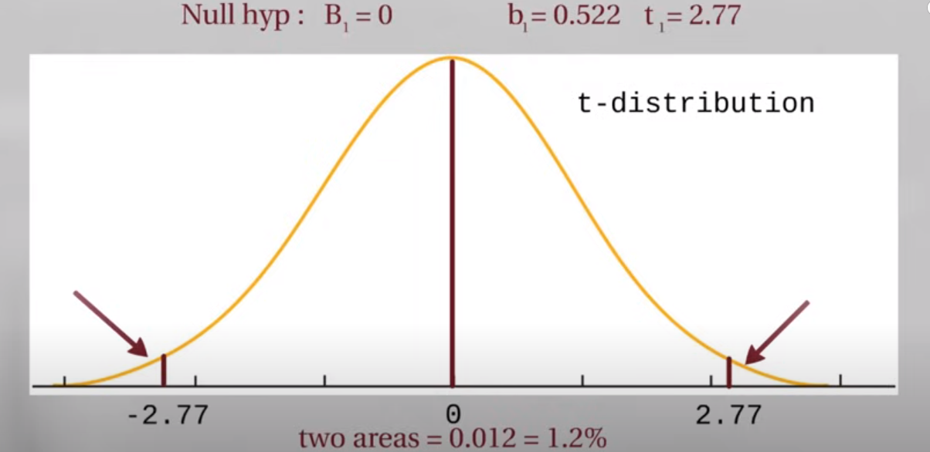
 |  |  |  |  | SST (Sum of Squares Total) | Sum of Squared Residuals | 21794977852 |  |  | SS(fit) or SSE | Sum of squares around the least-squares fit | 1255838122
 |  |  |  |  | SST = SSR + SSE |  |  |  |  | var(fit) | Variation around the fit | 41,861,270.73
 |  |  |  |  |  |  |  |  |  |  | Average of the sum of squares

 |  |  |  |  |  |  |  |  | There is less variation around the line that was fitted by least-squares |  |  |  |  | By adding more explanatory variables, degrees of freedom are reduced
 |  |  |  |  |  |  |  |  | In another way, it also means that the residuals are smaller. |  |  |  |  | The opportunity for error in the model is reduced

 |  |  |  |  |  |  |  |  | We say that some of the variation in salary is "explained" by |  |  |  |  | 1 variable | n = 3 | k = 1 | df = 1
 |  |  |  |  |  |  |  |  | taking years of experience into account. |  |  |  |  | 2 variables | n = 3 | k = 2 | df = 0

 |  |  |  |  |  |  |  |  | In other words, longer experience has higher salary |  |  |  |  | There is a loss in opportunity to show error
 |  |  |  |  |  |  |  |  | And shorter experience has lower salary
 |  |  |  |  |  |  |  |  |  |  |  |  |  | Adding more variables despite how useless they are, will make R-squared higher
 |  |  |  |  |  |  |  |  | R-squared tells us how much of the variation in salary can |  |  |  |  | High k, low df, high R-squared
 |  |  |  |  |  |  |  |  | be explained by taking years of experience into account |  |  |  |  |  |  |  |  |  | p-value is the number of extreme values divided by total no. of values
 |  |  |  |  |  |  |  |  |  |  |  |  |  | To addtess, that adjusted R-squared was introduced
 |  |  |  |  |  |  |  |  | How much of the variation in salary is proportion is explained by years of experience?
 |  |  |  | m = | 5000 |  |  |  | R-squared is the proportion of the variation in the y-variable being explained by the variation in x-variable.
 |  |  |  | y = | 5000x + b |  |  |  |  |  |  |  |  | Source: https://medium.com/analytics-vidhya/adjusted-r-squared-formula-explanation-1ce033e25699
 |  |  |  | 80000= | 5000(6) + b |  |  |  | R-squared | SSR / SST | If SSR is high, SSE is small, data points are close to the line
 |  |  |  | b = | 50000 |  |  |  |  | (SST-SSE)/SST | if SSE is high, SSR is small, data points are farther from the line
 |  |  |  | y = | 5000x + 56012
 |  |  |  |  |  |  |  |  | R-squared | (var(mean) -var(fit))/var(mean)
 |  |  |  | Calculate the residuals |  |  |  |  | R-squared | 0.94237947244

 |  |  |  | Sample | YearsExperience | Residuals | Square of Residuals |  | The less the var(fit), the higher the R-squared
 |  |  |  | 1 | 1.1 | -16157 | 261048649 |  | There is 94.24% reduction in variance when we take years of experience into account
 |  |  |  | 2 | 1.3 | -10295 | 105987025 |  | Alternatively, years of experience explains 94.28% of the variation in salary |  |  |  |  | Adjusted R=squared accounts for the loss of degrees of freedom when
 |  |  |  | 3 | 1.5 | -19769 | 390813361 |  |  |  |  |  |  | there are additional variables
 |  |  |  | 4 | 2 | -16475 | 271425625
 |  |  |  | 5 | 2.2 | -21109 | 445589881 |  | R-suqared is also equal to | (SS(mean)-SS(fit))/SS(mean) |  |  |  | R-squared should then be close to adjusted R-squared
 |  |  |  | 6 | 2.9 | -7858 | 61748164 |  | R-squared | 0.94237947244 |  |  |  | If they are not close. We might need to have more data or number of observations
 |  |  |  | 7 | 3 | -4850 | 23522500
 |  |  |  | 8 | 3.2 | -11555 | 133518025
 |  |  |  | 9 | 3.2 | -1555 | 2418025
 |  |  |  | 10 | 3.7 | -11311 | 127938721
 |  |  |  | 11 | 3.9 | -6282 | 39463524
 |  |  |  | 12 | 4 | -14206 | 201810436
 |  |  |  | 13 | 4 | -13043 | 170119849
 |  |  |  | 14 | 4.1 | -13419 | 180069561
 |  |  |  | 15 | 4.5 | -11389 | 129709321
 |  |  |  | 16 | 4.9 | -6562 | 43059844
 |  |  |  | 17 | 5.1 | -9471 | 89699841
 |  |  |  | 18 | 5.3 | 6588 | 43401744
 |  |  |  | 19 | 5.9 | 1863 | 3470769
 |  |  |  | 20 | 6 | 13940 | 194323600
 |  |  |  | 21 | 6.8 | 7738 | 59876644
 |  |  |  | 22 | 7.1 | 12773 | 163149529
 |  |  |  | 23 | 7.9 | 11802 | 139287204
 |  |  |  | 24 | 8.2 | 22812 | 520387344
 |  |  |  | 25 | 8.7 | 15931 | 253796761
 |  |  |  | 26 | 9 | 10582 | 111978724
 |  |  |  | 27 | 9.5 | 19469 | 379041961
 |  |  |  | 28 | 9.6 | 14635 | 214183225
 |  |  |  | 29 | 10.3 | 20891 | 436433881
 |  |  |  | 30 | 10.5 | 19372 | 375274384

 |  |  |  |  | SSE (Sum of Squares due to Error) | Sum of Squared Residuals | 5,572,548,122.00

 |  |  |  | m = | 10000
 |  |  |  | y = | 10000x + b
 |  |  |  | 80000= | 10000(6) + b
 |  |  |  | b = | 20000
 |  |  |  | y = | 10000x + 20000

 |  |  |  | Calculate the residuals

 |  |  |  | Sample | YearsExperience | Residuals | Square of Residuals
 |  |  |  | 1 | 1.1 | 8343 | 69605649
 |  |  |  | 2 | 1.3 | 13205 | 174372025
 |  |  |  | 3 | 1.5 | 2731 | 7458361
 |  |  |  | 4 | 2 | 3525 | 12425625
 |  |  |  | 5 | 2.2 | -2109 | 4447881
 |  |  |  | 6 | 2.9 | 7642 | 58400164
 |  |  |  | 7 | 3 | 10150 | 103022500
 |  |  |  | 8 | 3.2 | 2445 | 5978025
 |  |  |  | 9 | 3.2 | 12445 | 154878025
 |  |  |  | 10 | 3.7 | 189 | 35721
 |  |  |  | 11 | 3.9 | 4218 | 17791524
 |  |  |  | 12 | 4 | -4206 | 17690436
 |  |  |  | 13 | 4 | -3043 | 9259849
 |  |  |  | 14 | 4.1 | -3919 | 15358561
 |  |  |  | 15 | 4.5 | -3889 | 15124321
 |  |  |  | 16 | 4.9 | -1062 | 1127844
 |  |  |  | 17 | 5.1 | -4971 | 24710841
 |  |  |  | 18 | 5.3 | 10088 | 101767744
 |  |  |  | 19 | 5.9 | 2363 | 5583769
 |  |  |  | 20 | 6 | 13940 | 194323600
 |  |  |  | 21 | 6.8 | 3738 | 13972644
 |  |  |  | 22 | 7.1 | 7273 | 52896529
 |  |  |  | 23 | 7.9 | 2302 | 5299204
 |  |  |  | 24 | 8.2 | 11812 | 139523344
 |  |  |  | 25 | 8.7 | 2431 | 5909761
 |  |  |  | 26 | 9 | -4418 | 19518724
 |  |  |  | 27 | 9.5 | 1969 | 3876961
 |  |  |  | 28 | 9.6 | -3365 | 11323225
 |  |  |  | 29 | 10.3 | -609 | 370881
 |  |  |  | 30 | 10.5 | -3128 | 9784384

 |  |  |  |  | SSE (Sum of Squares due to Error) | Sum of Squared Residuals | 1,255,838,122.00

 |  |  |  | m = | 15000
 |  |  |  | y = | 15000x + b
 |  |  |  | 80000 = | 15000(6) + b
 |  |  |  | b = | -10000
 |  |  |  | y = | 15000x - 10000

 |  |  |  | Calculate the residuals

 |  |  |  | Sample | YearsExperience | Residual | Square of Residuals
 |  |  |  | 1 | 1.1 | 32843 | 1078662649
 |  |  |  | 2 | 1.3 | 36705 | 1347257025
 |  |  |  | 3 | 1.5 | 25231 | 636603361
 |  |  |  | 4 | 2 | 23525 | 553425625
 |  |  |  | 5 | 2.2 | 16891 | 285305881
 |  |  |  | 6 | 2.9 | 23142 | 535552164
 |  |  |  | 7 | 3 | 25150 | 632522500
 |  |  |  | 8 | 3.2 | 16445 | 270438025
 |  |  |  | 9 | 3.2 | 26445 | 699338025
 |  |  |  | 10 | 3.7 | 11689 | 136632721
 |  |  |  | 11 | 3.9 | 14718 | 216619524
 |  |  |  | 12 | 4 | 5794 | 33570436
 |  |  |  | 13 | 4 | 6957 | 48399849
 |  |  |  | 14 | 4.1 | 5581 | 31147561
 |  |  |  | 15 | 4.5 | 3611 | 13039321
 |  |  |  | 16 | 4.9 | 4438 | 19695844
 |  |  |  | 17 | 5.1 | -471 | 221841
 |  |  |  | 18 | 5.3 | 13588 | 184633744
 |  |  |  | 19 | 5.9 | 2863 | 8196769
 |  |  |  | 20 | 6 | 13940 | 194323600
 |  |  |  | 21 | 6.8 | -262 | 68644
 |  |  |  | 22 | 7.1 | 1773 | 3143529
 |  |  |  | 23 | 7.9 | -7198 | 51811204
 |  |  |  | 24 | 8.2 | 812 | 659344
 |  |  |  | 25 | 8.7 | -11069 | 122522761
 |  |  |  | 26 | 9 | -19418 | 377058724
 |  |  |  | 27 | 9.5 | -15531 | 241211961
 |  |  |  | 28 | 9.6 | -21365 | 456463225
 |  |  |  | 29 | 10.3 | -22109 | 488807881
 |  |  |  | 30 | 10.5 | -25628 | 656794384

 |  |  |  |  | SSE (Sum of Squares due to Error) | Sum of Squared Residuals | 9,324,128,122.00

 |  |  |  | Rotation with the least squares
 |  |  |  | Equation
 |  |  |  | y = | 10000x + 20000

 |  |  |  | This is why the method for fitting the line is called least squares

 |  |  |  | The slope being positive and not 0 mean the years of experience
 |  |  |  | can help guess the salary

 |  |  |  | How to determine how good is that guess?
 |  |  |  | We use R-squared!

 |  |  |  | Source: https://www.naukri.com/code360/library/linear-regression-in-machine-learning

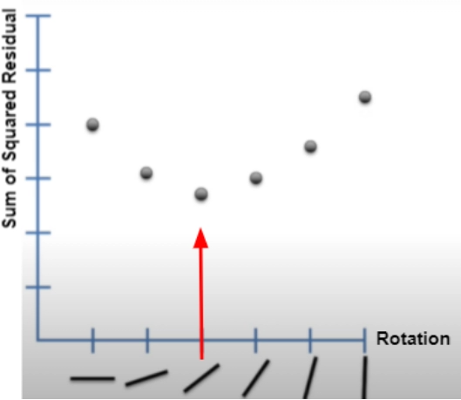

 |  |  |  | How to find the optimal rotation for the a line?
 |  |  |  | Get the derivative of the SSR function.

 |  |  |  | The derivative determines the slope for every point.
 |  |  |  | The slope at the best point, where we have the least squares, is 0

 |  |  |  | Every rotation represents different values of m (slope) and b (intercept)
 |  |  |  | Representing the m, b, and SSR using a 3D graph shows

 |  |  |  | Source: https://www.youtube.com/watch?v=PaFPbb66DxQ

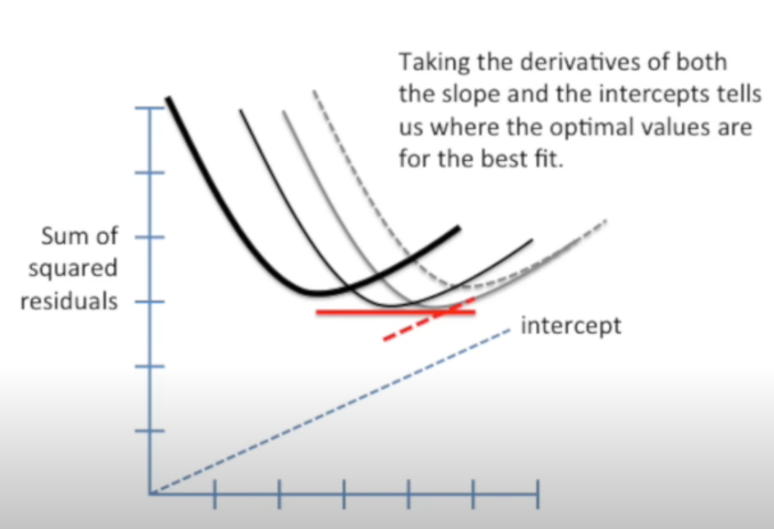

 |  |  |  | Determining the partial derivatives with respect to m and b,
 |  |  |  | and setting the partial derivatives = 0,
 |  |  |  | We can estimate for m and b

Evaluating Linear Regression
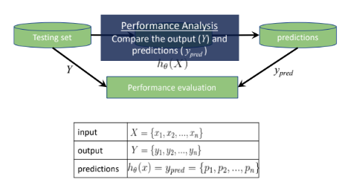
Train Set |  |  |  |  | Test Set
childHeight | pred | residual error | absolute error | squared error | childHeight | pred | residual error | absolute error | squared error
66.5 | 66.653854235 | -0.15385423525 | 0.15385423525 | 0.023671125706 | 69 | 71.163882698 | -2.1638826975 | 2.1638826975 | 4.6823883285
73 | 66.098016094 | 6.901983906 | 6.901983906 | 47.637381838 | 70.5 | 68.79277569 | 1.70722431 | 1.70722431 | 2.9146148445
74 | 67.707835926 | 6.2921640742 | 6.2921640742 | 39.591328737 | 72 | 66.703105716 | 5.2968942839 | 5.2968942839 | 28.057089055
70 | 65.950261651 | 4.0497383486 | 4.0497383486 | 16.400380692 | 66.5 | 66.703105716 | -0.20310571612 | 0.20310571612 | 0.041251931921
70 | 64.894872776 | 5.1051272243 | 5.1051272243 | 26.062323976 | 74 | 69.960739379 | 4.0392606208 | 4.0392606208 | 16.315626363
67 | 63.930950936 | 3.0690490641 | 3.0690490641 | 9.4190621579 | 73 | 69.960739379 | 3.0392606208 | 3.0392606208 | 9.2371051213
68 | 65.950261651 | 2.0497383486 | 2.0497383486 | 4.2014272976 | 64 | 69.960739379 | -5.9607393792 | 5.9607393792 | 35.530413947
69 | 67.455949781 | 1.5440502192 | 1.5440502192 | 2.3840910794 | 68 | 69.390829386 | -1.3908293863 | 1.3908293863 | 1.9344063818
69 | 65.070770922 | 3.9292290783 | 3.9292290783 | 15.43884115 | 66 | 69.376757535 | -3.3767575346 | 3.3767575346 | 11.402491448
63.5 | 66.829752381 | -3.3297523812 | 3.3297523812 | 11.08725092 | 67 | 67.681099408 | -0.68109940762 | 0.68109940762 | 0.46389640306
69.5 | 66.316129795 | 3.183870205 | 3.183870205 | 10.137029482 | 63 | 67.681099408 | -4.6810994076 | 4.6810994076 | 21.912691664
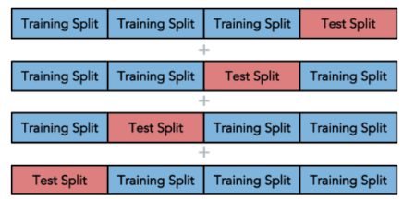
66.5 | 67.385590522 | -0.88559052242 | 0.88559052242 | 0.7842705734 | 71 | 69.039033094 | 1.9609669056 | 1.9609669056 | 3.8453912049
62 | 67.57556052 | -5.5755605201 | 5.5755605201 | 31.086875113 | 70.5 | 69.039033094 | 1.4609669056 | 1.4609669056 | 2.1344242993
65.5 | 67.441877929 | -1.9418779291 | 1.9418779291 | 3.7708898916 | 66.7 | 69.039033094 | -2.3390330944 | 2.3390330944 | 5.4710758166
66 | 66.386489053 | -0.3864890534 | 0.3864890534 | 0.1493737884 | 72 | 68.469123101 | 3.5308768985 | 3.5308768985 | 12.467091672
68.5 | 65.788435357 | 2.7115646428 | 2.7115646428 | 7.3525828123 | 70.2 | 68.469123101 | 1.7308768985 | 1.7308768985 | 2.9959348378
68.7 | 67.299752227 | 1.4002477728 | 1.4002477728 | 1.9606938252 | 69.2 | 68.469123101 | 0.73087689851 | 0.73087689851 | 0.53418104077
67.5 | 66.977506824 | 0.52249317619 | 0.52249317619 | 0.27299911917 | 66.5 | 68.469123101 | -1.9691231015 | 1.9691231015 | 3.8774457888
62 | 66.302057943 | -4.3020579433 | 4.3020579433 | 18.507702548 | 64.5 | 68.469123101 | -3.9691231015 | 3.9691231015 | 15.753938195
62 | 67.033794231 | -5.0337942305 | 5.0337942305 | 25.339084355 | 63.5 | 68.469123101 | -4.9691231015 | 4.9691231015 | 24.692184398
73 | 67.57556052 | 5.4244394799 | 5.4244394799 | 29.424543672 | 62.3 | 68.279153104 | -5.9791531039 | 5.9791531039 | 35.750271839
72 | 67.707835926 | 4.2921640742 | 4.2921640742 | 18.42267244 | 64 | 68.089183106 | -4.0891831062 | 4.0891831062 | 16.721418476
73 | 67.413734226 | 5.5862657742 | 5.5862657742 | 31.2063653 | 62.7 | 67.779602369 | -5.0796023694 | 5.0796023694 | 25.802360231
64 | 67.441877929 | -3.4418779291 | 3.4418779291 | 11.846523679 | 70 | 69.883344195 | 0.11665580504 | 0.11665580504 | 0.01360857685
69 | 66.829752381 | 2.1702476188 | 2.1702476188 | 4.7099747269 | 68.5 | 69.883344195 | -1.383344195 | 1.383344195 | 1.9136411617
73 | 67.441877929 | 5.5581220709 | 5.5581220709 | 30.892720955 | 68 | 69.883344195 | -1.883344195 | 1.883344195 | 3.5469853567
68 | 69.257146795 | -1.2571467954 | 1.2571467954 | 1.5804180651 | 67 | 68.8772068 | -1.8772068001 | 1.8772068001 | 3.5239053704
63 | 66.534243496 | -3.534243496 | 3.534243496 | 12.490877089 | 70.5 | 68.11732681 | 2.3826731904 | 2.3826731904 | 5.6771315323
62.5 | 66.703105716 | -4.2031057161 | 4.2031057161 | 17.666097661 | 69.5 | 68.11732681 | 1.3826731904 | 1.3826731904 | 1.9117851515
60.1 | 67.10978223 | -7.0097822296 | 7.0097822296 | 49.137046906 | 63 | 67.737386814 | -4.7373868143 | 4.7373868143 | 22.442833829
71 | 69.229003092 | 1.770996908 | 1.770996908 | 3.1364300481 | 70.5 | 67.357446819 | 3.1425531809 | 3.1425531809 | 9.875640495
66 | 65.162237958 | 0.83776204243 | 0.83776204243 | 0.70184523974 | 69 | 67.357446819 | 1.6425531809 | 1.6425531809 | 2.6979809522
71 | 67.413734226 | 3.5862657742 | 3.5862657742 | 12.861302203 | 69 | 67.357446819 | 1.6425531809 | 1.6425531809 | 2.6979809522
64 | 67.807746073 | -3.8077460727 | 3.8077460727 | 14.498930154 | 70.5 | 67.357446819 | 3.1425531809 | 3.1425531809 | 9.875640495
60 | 64.810441666 | -4.8104416657 | 4.8104416657 | 23.140349019 | 70 | 67.15340497 | 2.8465950302 | 2.8465950302 | 8.1031032662
66 | 65.950261651 | 0.04973834856 | 0.04973834856 | 0.0024739033175 | 69 | 66.977506824 | 2.0224931762 | 2.0224931762 | 4.0904786477
63.5 | 65.070770922 | -1.5707709217 | 1.5707709217 | 2.4673212884 | 72 | 66.977506824 | 5.0224931762 | 5.0224931762 | 25.225437705
70.7 | 66.90011164 | 3.7998883604 | 3.7998883604 | 14.439151552 | 71.5 | 66.977506824 | 4.5224931762 | 4.5224931762 | 20.452944529
70 | 65.246669068 | 4.7533309324 | 4.7533309324 | 22.594154953 | 72 | 69.285290499 | 2.7147095013 | 2.7147095013 | 7.3696476763
63 | 65.542177953 | -2.5421779528 | 2.5421779528 | 6.4626687438 | 73 | 68.525410508 | 4.4745894918 | 4.4745894918 | 20.02195112
62 | 67.413734226 | -5.4137342258 | 5.4137342258 | 29.308518267 | 71 | 68.145470513 | 2.8545294871 | 2.8545294871 | 8.1483385925
72 | 66.449812386 | 5.5501876141 | 5.5501876141 | 30.804582551 | 67 | 68.145470513 | -1.1454705129 | 1.1454705129 | 1.312102696
65 | 63.726909087 | 1.2730909134 | 1.2730909134 | 1.6207604738 | 70.5 | 68.20175792 | 2.2982420804 | 2.2982420804 | 5.2819166599
64.5 | 67.076009786 | -2.5760097855 | 2.5760097855 | 6.6358264152 | 72 | 67.955500515 | 4.0444994847 | 4.0444994847 | 16.357976082
67 | 67.357446819 | -0.35744681907 | 0.35744681907 | 0.12776822846 | 71 | 67.955500515 | 3.0444994847 | 3.0444994847 | 9.2689771123
66 | 67.681099408 | -1.6810994076 | 1.6810994076 | 2.8260952183 | 69 | 67.955500515 | 1.0444994847 | 1.0444994847 | 1.0909791735
69 | 66.210590907 | 2.7894090925 | 2.7894090925 | 7.7808030856 | 65 | 67.955500515 | -2.9555005153 | 2.9555005153 | 8.734983296
71 | 66.196519056 | 4.8034809442 | 4.8034809442 | 23.073429182 | 65.2 | 68.131398661 | -2.9313986613 | 2.9313986613 | 8.5930981113
67.5 | 67.723314963 | -0.22331496265 | 0.22331496265 | 0.049869572544 | 67.7 | 67.941428664 | -0.24142866363 | 0.24142866363 | 0.058287799624
65 | 67.589632372 | -2.5896323717 | 2.5896323717 | 6.7061958207 | 68 | 67.765530518 | 0.23446948232 | 0.23446948232 | 0.054975938139
66 | 67.955500515 | -1.9555005153 | 1.9555005153 | 3.8239822654 | 68 | 67.765530518 | 0.23446948232 | 0.23446948232 | 0.054975938139
67 | 67.631847927 | -0.63184792676 | 0.63184792676 | 0.39923180254 | 62 | 67.765530518 | -5.7655305177 | 5.7655305177 | 33.24134215
79 | 67.413734226 | 11.586265774 | 11.586265774 | 134.24155459 | 67.5 | 67.385590522 | 0.11440947758 | 0.11440947758 | 0.01308952856
68.5 | 67.033794231 | 1.4662057695 | 1.4662057695 | 2.1497593585 | 66.5 | 67.385590522 | -0.88559052242 | 0.88559052242 | 0.7842705734
64 | 64.923016479 | -0.92301647907 | 0.92301647907 | 0.85195942064 | 66 | 67.385590522 | -1.3855905224 | 1.3855905224 | 1.9198610958
70 | 68.145470513 | 1.8545294871 | 1.8545294871 | 3.4392796184 | 67 | 67.821817924 | -0.82181792439 | 0.82181792439 | 0.67538470084
62 | 69.229003092 | -7.229003092 | 7.229003092 | 52.258485704 | 68 | 67.385590522 | 0.61440947758 | 0.61440947758 | 0.37749900614
61.2 | 67.10978223 | -5.9097822296 | 5.9097822296 | 34.925526001 | 68 | 67.385590522 | 0.61440947758 | 0.61440947758 | 0.37749900614
65 | 64.43050167 | 0.5694983296 | 0.5694983296 | 0.32432834742 | 71 | 67.751458666 | 3.248541334 | 3.248541334 | 10.553020799
71 | 65.922117948 | 5.0778820519 | 5.0778820519 | 25.784886133 | 66 | 67.751458666 | -1.751458666 | 1.751458666 | 3.0676074587
69 | 66.625710532 | 2.3742894681 | 2.3742894681 | 5.6372504783 | 62 | 67.751458666 | -5.751458666 | 5.751458666 | 33.079276787
63 | 64.944124257 | -1.9441242566 | 1.9441242566 | 3.779619125 | 67 | 67.195620525 | -0.19562052479 | 0.19562052479 | 0.038267389719
65.5 | 68.11732681 | -2.6173268096 | 2.6173268096 | 6.8503996282 | 66 | 67.195620525 | -1.1956205248 | 1.1956205248 | 1.4295084393
73.2 | 69.883344195 | 3.316655805 | 3.316655805 | 11.000205729 | 63.5 | 67.195620525 | -3.6956205248 | 3.6956205248 | 13.657611063
63 | 65.514034249 | -2.5140342495 | 2.5140342495 | 6.3203682075 | 71 | 67.005650527 | 3.9943494728 | 3.9943494728 | 15.954827711
64.5 | 68.79277569 | -4.29277569 | 4.29277569 | 18.427923125 | 64 | 67.005650527 | -3.0056505272 | 3.0056505272 | 9.0339350914
63.5 | 65.788435357 | -2.2884353572 | 2.2884353572 | 5.2369363839 | 63 | 67.005650527 | -4.0056505272 | 4.0056505272 | 16.045236146
64.5 | 66.829752381 | -2.3297523812 | 2.3297523812 | 5.4277461577 | 71 | 67.005650527 | 3.9943494728 | 3.9943494728 | 15.954827711
63.5 | 67.061937934 | -3.5619379339 | 3.5619379339 | 12.687401845 | 70.5 | 66.625710532 | 3.8742894681 | 3.8742894681 | 15.010118883
70 | 67.357446819 | 2.6425531809 | 2.6425531809 | 6.9830873141 | 70.5 | 66.625710532 | 3.8742894681 | 3.8742894681 | 15.010118883
63 | 67.005650527 | -4.0056505272 | 4.0056505272 | 16.045236146 | 64.5 | 66.625710532 | -2.1257105319 | 2.1257105319 | 4.5186452654
65.5 | 66.90011164 | -1.4001116396 | 1.4001116396 | 1.9603126033 | 64 | 66.81568053 | -2.8156805295 | 2.8156805295 | 7.9280568444
69 | 66.330201647 | 2.6697983533 | 2.6697983533 | 7.1278232473 | 62.5 | 66.81568053 | -4.3156805295 | 4.3156805295 | 18.625098433
62 | 66.653854235 | -4.6538542353 | 4.6538542353 | 21.658359243 | 70 | 66.625710532 | 3.3742894681 | 3.3742894681 | 11.385829415
72 | 66.710141642 | 5.289858358 | 5.289858358 | 27.982601448 | 69 | 66.625710532 | 2.3742894681 | 2.3742894681 | 5.6372504783
68.5 | 68.79277569 | -0.29277569005 | 0.29277569005 | 0.085717604683 | 64 | 66.625710532 | -2.6257105319 | 2.6257105319 | 6.8943557973
70.5 | 64.923016479 | 5.5769835209 | 5.5769835209 | 31.102745193 | 70 | 68.933494207 | 1.0665057932 | 1.0665057932 | 1.1374346069
65 | 67.413734226 | -2.4137342258 | 2.4137342258 | 5.8261129127 | 68 | 68.933494207 | -0.93349420681 | 0.93349420681 | 0.87141143415
65.5 | 66.548315348 | -1.0483153477 | 1.0483153477 | 1.0989650682 | 66 | 68.933494207 | -2.9334942068 | 2.9334942068 | 8.6053882614
67 | 69.285290499 | -2.2852904987 | 2.2852904987 | 5.2225526635 | 64 | 68.933494207 | -4.9334942068 | 4.9334942068 | 24.339365089
66 | 67.737386814 | -1.7373868143 | 1.7373868143 | 3.0185129426 | 62 | 68.933494207 | -6.9334942068 | 6.9334942068 | 48.073341916
57.5 | 66.182447204 | -8.6824472041 | 8.6824472041 | 75.384889452 | 70 | 68.173614216 | 1.8263857837 | 1.8263857837 | 3.3356850309
72 | 64.754154259 | 7.245845741 | 7.245845741 | 52.502280503 | 69 | 68.173614216 | 0.82638578371 | 0.82638578371 | 0.68291346351
71.5 | 64.944124257 | 6.5558757434 | 6.5558757434 | 42.979506763 | 66 | 68.173614216 | -2.1736142163 | 2.1736142163 | 4.7245987613
67 | 67.413734226 | -0.41373422577 | 0.41373422577 | 0.17117600958 | 64 | 68.173614216 | -4.1736142163 | 4.1736142163 | 17.419055626
68 | 67.455949781 | 0.5440502192 | 0.5440502192 | 0.29599064101 | 69.2 | 67.983644219 | 1.2163557813 | 1.2163557813 | 1.4795213868
63.7 | 67.983644219 | -4.2836442187 | 4.2836442187 | 18.349607792 | 66 | 67.983644219 | -1.9836442187 | 1.9836442187 | 3.9348443862
65 | 67.301159412 | -2.3011594124 | 2.3011594124 | 5.2953346411 | 66 | 67.983644219 | -1.9836442187 | 1.9836442187 | 3.9348443862
70 | 65.232597216 | 4.7674027841 | 4.7674027841 | 22.728129305 | 70.5 | 67.413734226 | 3.0862657742 | 3.0862657742 | 9.5250364292
70.5 | 65.162237958 | 5.3377620424 | 5.3377620424 | 28.491703622 | 64.5 | 67.413734226 | -2.9137342258 | 2.9137342258 | 8.4898471384
71.5 | 65.105950551 | 6.3940494491 | 6.3940494491 | 40.883868358 | 65 | 67.413734226 | -2.4137342258 | 2.4137342258 | 5.8261129127
68.7 | 66.886039788 | 1.8139602121 | 1.8139602121 | 3.290451651 | 64.5 | 67.413734226 | -2.9137342258 | 2.9137342258 | 8.4898471384
71.2 | 67.441877929 | 3.7581220709 | 3.7581220709 | 14.1234815 | 62.5 | 67.413734226 | -4.9137342258 | 4.9137342258 | 24.144784042
70.2 | 65.788435357 | 4.4115646428 | 4.4115646428 | 19.461902598 | 70 | 67.413734226 | 2.5862657742 | 2.5862657742 | 6.6887706549
71.5 | 65.978405355 | 5.5215946452 | 5.5215946452 | 30.488007426 | 69 | 67.413734226 | 1.5862657742 | 1.5862657742 | 2.5162391065
72 | 67.751458666 | 4.248541334 | 4.248541334 | 18.050103467 | 65.7 | 67.413734226 | -1.7137342258 | 1.7137342258 | 2.9368849966
69.5 | 67.033794231 | 2.4662057695 | 2.4662057695 | 6.0821708974 | 73 | 67.413734226 | 5.5862657742 | 5.5862657742 | 31.2063653
70.5 | 67.357446819 | 3.1425531809 | 3.1425531809 | 9.875640495 | 72 | 67.299752227 | 4.7002477728 | 4.7002477728 | 22.092329126
70.7 | 66.645411124 | 4.0545888758 | 4.0545888758 | 16.439690951 | 65.5 | 67.299752227 | -1.7997522272 | 1.7997522272 | 3.2391080793
65 | 64.923016479 | 0.076983520928 | 0.076983520928 | 0.0059264624945 | 64.5 | 67.299752227 | -2.7997522272 | 2.7997522272 | 7.8386125337
70 | 67.033794231 | 2.9662057695 | 2.9662057695 | 8.7983766669 | 68 | 67.033794231 | 0.96620576949 | 0.96620576949 | 0.93355358899
63.5 | 64.38125019 | -0.88125018953 | 0.88125018953 | 0.77660189655 | 66.7 | 67.033794231 | -0.33379423051 | 0.33379423051 | 0.11141858832
68.7 | 68.933494207 | -0.23349420681 | 0.23349420681 | 0.054519544614 | 74 | 67.209692376 | 6.7903076235 | 6.7903076235 | 46.108277622
76 | 68.145470513 | 7.8545294871 | 7.8545294871 | 61.693633463 | 68 | 67.209692376 | 0.79030762353 | 0.79030762353 | 0.62458613981
66.7 | 64.886429665 | 1.8135703353 | 1.8135703353 | 3.289037361 | 60 | 67.399662374 | -7.3996623741 | 7.3996623741 | 54.755003251
66 | 66.330201647 | -0.3302016467 | 0.3302016467 | 0.10903312748 | 68 | 67.033794231 | 0.96620576949 | 0.96620576949 | 0.93355358899
66 | 66.034692761 | -0.034692761498 | 0.034692761498 | 0.0012035877003 | 65 | 67.033794231 | -2.0337942305 | 2.0337942305 | 4.1363189721
67.5 | 68.173614216 | -0.67361421629 | 0.67361421629 | 0.45375611239 | 71 | 67.033794231 | 3.9662057695 | 3.9662057695 | 15.730788206
60.5 | 65.274812771 | -4.774812771 | 4.774812771 | 22.798836998 | 70 | 67.033794231 | 2.9662057695 | 2.9662057695 | 8.7983766669
75 | 67.413734226 | 7.5862657742 | 7.5862657742 | 57.551428397 | 64 | 67.033794231 | -3.0337942305 | 3.0337942305 | 9.2039074331
63.7 | 66.653854235 | -2.9538542353 | 2.9538542353 | 8.7252548431 | 68.5 | 66.829752381 | 1.6702476188 | 1.6702476188 | 2.7897271081
68 | 66.330201647 | 1.6697983533 | 1.6697983533 | 2.7882265407 | 67 | 66.829752381 | 0.17024761879 | 0.17024761879 | 0.028984251705
66.5 | 67.441877929 | -0.94187792913 | 0.94187792913 | 0.88713403337 | 68 | 66.653854235 | 1.3461457647 | 1.3461457647 | 1.8121084199
71 | 67.631847927 | 3.3681520732 | 3.3681520732 | 11.344448389 | 67 | 66.653854235 | 0.34614576475 | 0.34614576475 | 0.11981689045
62.5 | 66.112087946 | -3.6120879457 | 3.6120879457 | 13.047179328 | 61 | 66.653854235 | -5.6538542353 | 5.6538542353 | 31.966067713
64 | 66.534243496 | -2.534243496 | 2.534243496 | 6.422390097 | 72 | 66.449812386 | 5.5501876141 | 5.5501876141 | 30.804582551
70 | 67.15340497 | 2.8465950302 | 2.8465950302 | 8.1031032662 | 70 | 66.449812386 | 3.5501876141 | 3.5501876141 | 12.603832095
64 | 63.726909087 | 0.27309091341 | 0.27309091341 | 0.074578646988 | 69.5 | 66.449812386 | 3.0501876141 | 3.0501876141 | 9.3036444809
67.5 | 67.076009786 | 0.42399021446 | 0.42399021446 | 0.17976770196 | 65 | 66.449812386 | -1.4498123859 | 1.4498123859 | 2.1019559544
66 | 64.754154259 | 1.245845741 | 1.245845741 | 1.5521316105 | 63 | 66.449812386 | -3.4498123859 | 3.4498123859 | 11.901205498
68 | 67.589632372 | 0.41036762827 | 0.41036762827 | 0.16840159033 | 69.2 | 66.645411124 | 2.5545888758 | 2.5545888758 | 6.5259243241
69 | 66.534243496 | 2.465756504 | 2.465756504 | 6.079955137 | 65.2 | 66.645411124 | -1.4454111242 | 1.4454111242 | 2.0892133181
76.5 | 69.960739379 | 6.5392606208 | 6.5392606208 | 42.761929467 | 63.5 | 66.645411124 | -3.1454111242 | 3.1454111242 | 9.8936111405
63.5 | 67.005650527 | -3.5056505272 | 3.5056505272 | 12.289585619 | 64.5 | 65.514034249 | -1.0140342495 | 1.0140342495 | 1.0282654591
65 | 64.43050167 | 0.5694983296 | 0.5694983296 | 0.32432834742 | 65 | 65.514034249 | -0.51403424948 | 0.51403424948 | 0.26423120963
64.5 | 68.145470513 | -3.6454705129 | 3.6454705129 | 13.289455261 | 65 | 64.754154259 | 0.24584574104 | 0.24584574104 | 0.060440128389
70.5 | 69.960739379 | 0.53926062082 | 0.53926062082 | 0.29080201717 | 66 | 68.391727917 | -2.3917279173 | 2.3917279173 | 5.7203624303
62.5 | 68.279153104 | -5.7791531039 | 5.7791531039 | 33.398610598 | 66 | 68.391727917 | -2.3917279173 | 2.3917279173 | 5.7203624303
66 | 65.950261651 | 0.04973834856 | 0.04973834856 | 0.0024739033175 | 64 | 68.391727917 | -4.3917279173 | 4.3917279173 | 19.287274099
65 | 66.330201647 | -1.3302016467 | 1.3302016467 | 1.7694364209 | 64 | 67.821817924 | -3.8218179244 | 3.8218179244 | 14.606292247
72.5 | 66.829752381 | 5.6702476188 | 5.6702476188 | 32.151708058 | 71.5 | 67.441877929 | 4.0581220709 | 4.0581220709 | 16.468354742
65 | 65.654752766 | -0.65475276624 | 0.65475276624 | 0.4287011849 | 62.7 | 67.441877929 | -4.7418779291 | 4.7418779291 | 22.485406295
71 | 66.330201647 | 4.6697983533 | 4.6697983533 | 21.80701666 | 71 | 67.441877929 | 3.5581220709 | 3.5581220709 | 12.660232671
67 | 65.978405355 | 1.0215946452 | 1.0215946452 | 1.0436556191 | 70 | 67.441877929 | 2.5581220709 | 2.5581220709 | 6.5439885295
65 | 64.106849082 | 0.89315091815 | 0.89315091815 | 0.7977185626 | 75 | 67.707835926 | 7.2921640742 | 7.2921640742 | 53.175656885
67 | 67.033794231 | -0.033794230513 | 0.033794230513 | 0.001142050016 | 68.5 | 67.707835926 | 0.79216407419 | 0.79216407419 | 0.62752392044
63 | 66.534243496 | -3.534243496 | 3.534243496 | 12.490877089 | 65 | 67.441877929 | -2.4418779291 | 2.4418779291 | 5.9627678208
64.5 | 66.098016094 | -1.598016094 | 1.598016094 | 2.5536554368 | 70.5 | 67.631847927 | 2.8681520732 | 2.8681520732 | 8.2262963153
67 | 65.274812771 | 1.725187229 | 1.725187229 | 2.9762709752 | 66 | 67.631847927 | -1.6318479268 | 1.6318479268 | 2.6629276561
61 | 64.979303886 | -3.9793038858 | 3.9793038858 | 15.834859415 | 61 | 67.631847927 | -6.6318479268 | 6.6318479268 | 43.981406924
73 | 65.922117948 | 7.0778820519 | 7.0778820519 | 50.096414341 | 67.5 | 67.807746073 | -0.30774607271 | 0.30774607271 | 0.094707645268
65 | 66.414632757 | -1.4146327568 | 1.4146327568 | 2.0011858365 | 67.5 | 67.631847927 | -0.13184792676 | 0.13184792676 | 0.01738387579
70 | 68.391727917 | 1.6082720827 | 1.6082720827 | 2.5865390921 | 63 | 67.631847927 | -4.6318479268 | 4.6318479268 | 21.454015217
63.5 | 66.35834535 | -2.8583453501 | 2.8583453501 | 8.1701381402 | 71 | 67.617776075 | 3.3822239249 | 3.3822239249 | 11.439438678
65 | 66.752357197 | -1.752357197 | 1.752357197 | 3.0707557458 | 65.5 | 67.617776075 | -2.1177760751 | 2.1177760751 | 4.4849755042
62 | 65.718076099 | -3.7180760988 | 3.7180760988 | 13.824089876 | 69 | 67.441877929 | 1.5581220709 | 1.5581220709 | 2.4277443877
71.2 | 66.330201647 | 4.8697983533 | 4.8697983533 | 23.714936002 | 65 | 67.441877929 | -2.4418779291 | 2.4418779291 | 5.9627678208
65.5 | 65.844722764 | -0.34472276387 | 0.34472276387 | 0.11883378393 | 70 | 67.061937934 | 2.9380620661 | 2.9380620661 | 8.6322087045
74 | 68.279153104 | 5.7208468961 | 5.7208468961 | 32.728089209 | 68.5 | 67.061937934 | 1.4380620661 | 1.4380620661 | 2.0680225061
65 | 66.35834535 | -1.3583453501 | 1.3583453501 | 1.84510209 | 64.5 | 67.047866082 | -2.5478660822 | 2.5478660822 | 6.4916215728
66 | 66.766429049 | -0.76642904866 | 0.76642904866 | 0.58741348664 | 63.5 | 66.302057943 | -2.8020579433 | 2.8020579433 | 7.8515287179
63 | 65.422567214 | -2.4225672136 | 2.4225672136 | 5.8688319043 | 72 | 66.302057943 | 5.6979420567 | 5.6979420567 | 32.466543681
68 | 65.788435357 | 2.2115646428 | 2.2115646428 | 4.8910181694 | 70 | 66.302057943 | 3.6979420567 | 3.6979420567 | 13.674775454
60.5 | 65.162237958 | -4.6622379576 | 4.6622379576 | 21.736462773 | 70 | 66.302057943 | 3.6979420567 | 3.6979420567 | 13.674775454
68 | 66.449812386 | 1.5501876141 | 1.5501876141 | 2.4030816388 | 67 | 66.492027941 | 0.50797205902 | 0.50797205902 | 0.25803561275
67 | 66.766429049 | 0.23357095134 | 0.23357095134 | 0.054555389308 | 70.5 | 66.492027941 | 4.007972059 | 4.007972059 | 16.063840026
70 | 67.299752227 | 2.7002477728 | 2.7002477728 | 7.2913380345 | 72 | 66.098016094 | 5.901983906 | 5.901983906 | 34.833414026
73 | 68.279153104 | 4.7208468961 | 4.7208468961 | 22.286395417 | 72 | 66.098016094 | 5.901983906 | 5.901983906 | 34.833414026
65.5 | 64.923016479 | 0.57698352093 | 0.57698352093 | 0.33290998342 | 67.8 | 66.098016094 | 1.701983906 | 1.701983906 | 2.8967492161
67.2 | 67.723314963 | -0.52331496265 | 0.52331496265 | 0.27385855013 | 64.7 | 66.098016094 | -1.398016094 | 1.398016094 | 1.9544489992
60 | 63.403256498 | -3.403256498 | 3.403256498 | 11.582154791 | 62 | 66.098016094 | -4.098016094 | 4.098016094 | 16.793735907
59 | 65.654752766 | -6.6547527662 | 6.6547527662 | 44.28573438 | 71 | 66.112087946 | 4.8879120543 | 4.8879120543 | 23.89168425
64.5 | 67.751458666 | -3.251458666 | 3.251458666 | 10.571983457 | 63.5 | 66.112087946 | -2.6120879457 | 2.6120879457 | 6.8230034362
73.5 | 69.918523824 | 3.5814761758 | 3.5814761758 | 12.826971598 | 62.5 | 66.112087946 | -3.6120879457 | 3.6120879457 | 13.047179328
68.5 | 67.589632372 | 0.91036762827 | 0.91036762827 | 0.82876921861 | 62 | 66.112087946 | -4.1120879457 | 4.1120879457 | 16.909267273
63.7 | 66.919812232 | -3.2198122319 | 3.2198122319 | 10.367190809 | 72 | 65.922117948 | 6.0778820519 | 6.0778820519 | 36.940650237
66.5 | 67.983644219 | -1.4836442187 | 1.4836442187 | 2.2012001676 | 68 | 65.922117948 | 2.0778820519 | 2.0778820519 | 4.3175938217
70 | 67.005650527 | 2.9943494728 | 2.9943494728 | 8.9661287655 | 66 | 65.922117948 | 0.077882051913 | 0.077882051913 | 0.0060656140101
61 | 64.810441666 | -3.8104416657 | 3.8104416657 | 14.519465687 | 69 | 65.718076099 | 3.2819239012 | 3.2819239012 | 10.771024493
65 | 67.005650527 | -2.0056505272 | 2.0056505272 | 4.0226340371 | 64 | 65.542177953 | -1.5421779528 | 1.5421779528 | 2.3783128382
69 | 68.933494207 | 0.066505793189 | 0.066505793189 | 0.0044230205277 | 63.5 | 65.542177953 | -2.0421779528 | 2.0421779528 | 4.170490791
65 | 66.386489053 | -1.3864890534 | 1.3864890534 | 1.9223518952 | 62 | 65.542177953 | -3.5421779528 | 3.5421779528 | 12.547024649
67 | 67.061937934 | -0.061937933866 | 0.061937933866 | 0.0038363076516 | 68 | 65.162237958 | 2.8377620424 | 2.8377620424 | 8.0528934095
68 | 67.385590522 | 0.61440947758 | 0.61440947758 | 0.37749900614 | 62.5 | 65.162237958 | -2.6622379576 | 2.6622379576 | 7.0875109427
58 | 63.726909087 | -5.7269090866 | 5.7269090866 | 32.797487686 | 69.5 | 65.352207955 | 4.1477920448 | 4.1477920448 | 17.204178847
66 | 68.145470513 | -2.1454705129 | 2.1454705129 | 4.6030437219 | 71 | 67.645919778 | 3.3540802216 | 3.3540802216 | 11.249854133
66 | 67.631847927 | -1.6318479268 | 1.6318479268 | 2.6629276561 | 67 | 67.645919778 | -0.64591977843 | 0.64591977843 | 0.41721236017
72 | 66.977506824 | 5.0224931762 | 5.0224931762 | 25.225437705 | 69 | 67.455949781 | 1.5440502192 | 1.5440502192 | 2.3840910794
61 | 64.810441666 | -3.8104416657 | 3.8104416657 | 14.519465687 | 68 | 67.455949781 | 0.5440502192 | 0.5440502192 | 0.29599064101
67 | 65.950261651 | 1.0497383486 | 1.0497383486 | 1.1019506004 | 66.2 | 67.455949781 | -1.2559497808 | 1.2559497808 | 1.5774098519
68.5 | 67.631847927 | 0.86815207324 | 0.86815207324 | 0.75368802228 | 67.5 | 66.710141642 | 0.78985835804 | 0.78985835804 | 0.62387622577
57 | 63.726909087 | -6.7269090866 | 6.7269090866 | 45.251305859 | 66.5 | 66.90011164 | -0.40011163959 | 0.40011163959 | 0.16008932413
69 | 68.145470513 | 0.85452948706 | 0.85452948706 | 0.73022064426 | 65.2 | 66.90011164 | -1.7001116396 | 1.7001116396 | 2.8903795871
66 | 66.766429049 | -0.76642904866 | 0.76642904866 | 0.58741348664 | 72 | 66.710141642 | 5.289858358 | 5.289858358 | 27.982601448
70 | 66.098016094 | 3.901983906 | 3.901983906 | 15.225478402 | 66 | 66.710141642 | -0.71014164196 | 0.71014164196 | 0.50430115164
65.5 | 69.918523824 | -4.4185238242 | 4.4185238242 | 19.523352785 | 69.2 | 66.886039788 | 2.3139602121 | 2.3139602121 | 5.3544118631
69 | 67.413734226 | 1.5862657742 | 1.5862657742 | 2.5162391065 | 66 | 66.886039788 | -0.88603978791 | 0.88603978791 | 0.78506650576
78 | 69.285290499 | 8.7147095013 | 8.7147095013 | 75.946161692 | 62 | 66.886039788 | -4.8860397879 | 4.8860397879 | 23.873384809
72 | 67.955500515 | 4.0444994847 | 4.0444994847 | 16.357976082 | 60 | 66.886039788 | -6.8860397879 | 6.8860397879 | 47.417543961
68 | 67.441877929 | 0.55812207087 | 0.55812207087 | 0.311500246 | 63.5 | 66.886039788 | -3.3860397879 | 3.3860397879 | 11.465265445
65.5 | 69.010889391 | -3.510889391 | 3.510889391 | 12.326344316 | 63 | 66.886039788 | -3.8860397879 | 3.8860397879 | 15.101305233
68.5 | 67.455949781 | 1.0440502192 | 1.0440502192 | 1.0900408602 | 68 | 66.330201647 | 1.6697983533 | 1.6697983533 | 2.7882265407
70.7 | 65.844722764 | 4.8552772361 | 4.8552772361 | 23.57371704 | 65 | 66.330201647 | -1.3302016467 | 1.3302016467 | 1.7694364209
69 | 66.302057943 | 2.6979420567 | 2.6979420567 | 7.2788913411 | 64 | 66.330201647 | -2.3302016467 | 2.3302016467 | 5.4298397143
67.5 | 64.810441666 | 2.6895583343 | 2.6895583343 | 7.2337240338 | 63 | 66.330201647 | -3.3302016467 | 3.3302016467 | 11.090243008
67 | 67.413734226 | -0.41373422577 | 0.41373422577 | 0.17117600958 | 63 | 66.330201647 | -3.3302016467 | 3.3302016467 | 11.090243008
73 | 67.441877929 | 5.5581220709 | 5.5581220709 | 30.892720955 | 66 | 66.330201647 | -0.3302016467 | 0.3302016467 | 0.10903312748
73 | 66.302057943 | 6.6979420567 | 6.6979420567 | 44.862427794 | 63 | 66.330201647 | -3.3302016467 | 3.3302016467 | 11.090243008
66.5 | 66.752357197 | -0.25235719699 | 0.25235719699 | 0.063684154872 | 62 | 66.330201647 | -4.3302016467 | 4.3302016467 | 18.750646301
68.5 | 66.886039788 | 1.6139602121 | 1.6139602121 | 2.6048675662 | 71.2 | 66.330201647 | 4.8697983533 | 4.8697983533 | 23.714936002
70 | 65.718076099 | 4.2819239012 | 4.2819239012 | 18.334872296 | 62 | 66.520171644 | -4.5201716443 | 4.5201716443 | 20.431951694
68.5 | 69.257146795 | -0.75714679537 | 0.75714679537 | 0.57327126973 | 66 | 66.330201647 | -0.3302016467 | 0.3302016467 | 0.10903312748
70.5 | 65.950261651 | 4.5497383486 | 4.5497383486 | 20.70011904 | 65 | 66.330201647 | -1.3302016467 | 1.3302016467 | 1.7694364209
65 | 66.330201647 | -1.3302016467 | 1.3302016467 | 1.7694364209 | 63 | 66.330201647 | -3.3302016467 | 3.3302016467 | 11.090243008
72 | 66.625710532 | 5.3742894681 | 5.3742894681 | 28.882987287 | 70 | 65.950261651 | 4.0497383486 | 4.0497383486 | 16.400380692
71.7 | 67.441877929 | 4.2581220709 | 4.2581220709 | 18.13160357 | 66 | 65.950261651 | 0.04973834856 | 0.04973834856 | 0.0024739033175
64.5 | 66.210590907 | -1.7105909075 | 1.7105909075 | 2.9261212527 | 70 | 66.316129795 | 3.683870205 | 3.683870205 | 13.570899687
67.5 | 66.843824233 | 0.65617576712 | 0.65617576712 | 0.43056663735 | 65.5 | 66.316129795 | -0.81612979502 | 0.81612979502 | 0.66606784232
68 | 67.033794231 | 0.96620576949 | 0.96620576949 | 0.93355358899 | 70 | 65.950261651 | 4.0497383486 | 4.0497383486 | 16.400380692
65 | 68.391727917 | -3.3917279173 | 3.3917279173 | 11.503818265 | 64.5 | 65.950261651 | -1.4502616514 | 1.4502616514 | 2.1032588576
64 | 66.302057943 | -2.3020579433 | 2.3020579433 | 5.2994707745 | 64 | 65.950261651 | -1.9502616514 | 1.9502616514 | 3.8035205091
67 | 67.413734226 | -0.41373422577 | 0.41373422577 | 0.17117600958 | 71 | 65.950261651 | 5.0497383486 | 5.0497383486 | 25.499857389
68 | 63.930950936 | 4.0690490641 | 4.0690490641 | 16.557160286 | 67 | 65.950261651 | 1.0497383486 | 1.0497383486 | 1.1019506004
65 | 67.033794231 | -2.0337942305 | 2.0337942305 | 4.1363189721 | 64 | 65.950261651 | -1.9502616514 | 1.9502616514 | 3.8035205091
70.5 | 67.617776075 | 2.8822239249 | 2.8822239249 | 8.3072147534 | 68.5 | 65.760291654 | 2.7397083462 | 2.7397083462 | 7.5060018222
71 | 68.79277569 | 2.20722431 | 2.20722431 | 4.8718391544 | 66.5 | 65.760291654 | 0.73970834619 | 0.73970834619 | 0.54716843742
62 | 66.653854235 | -4.6538542353 | 4.6538542353 | 21.658359243 | 60 | 64.810441666 | -4.8104416657 | 4.8104416657 | 23.140349019
74 | 67.681099408 | 6.3189005924 | 6.3189005924 | 39.928504696 | 56 | 64.810441666 | -8.8104416657 | 8.8104416657 | 77.623882344
68 | 66.977506824 | 1.0224931762 | 1.0224931762 | 1.0454922954 | 69 | 64.606399816 | 4.3936001836 | 4.3936001836 | 19.303722574
62 | 66.534243496 | -4.534243496 | 4.534243496 | 20.559364081 | 64 | 64.43050167 | -0.4305016704 | 0.4305016704 | 0.18533168822
68 | 66.710141642 | 1.289858358 | 1.289858358 | 1.6637345838 | 63 | 64.43050167 | -1.4305016704 | 1.4305016704 | 2.046335029
70.5 | 67.807746073 | 2.6922539273 | 2.6922539273 | 7.248231209 | 62 | 64.43050167 | -2.4305016704 | 2.4305016704 | 5.9073383698
72 | 67.983644219 | 4.0163557813 | 4.0163557813 | 16.131113762 | 72.7 | 66.814273344 | 5.8857266556 | 5.8857266556 | 34.641778265
71 | 66.625710532 | 4.3742894681 | 4.3742894681 | 19.134408351 | 71 | 66.738285345 | 4.2617146547 | 4.2617146547 | 18.162211798
63 | 67.357446819 | -4.3574468191 | 4.3574468191 | 18.987342781 | 65.5 | 66.738285345 | -1.2382853453 | 1.2382853453 | 1.5333505964
68.7 | 68.469123101 | 0.23087689851 | 0.23087689851 | 0.053304142264 | 67.5 | 66.35834535 | 1.1416546499 | 1.1416546499 | 1.3033753397
65.5 | 66.35834535 | -0.85834535005 | 0.85834535005 | 0.73675673996 | 64.5 | 66.35834535 | -1.8583453501 | 1.8583453501 | 3.4534474401
70.7 | 67.033794231 | 3.6662057695 | 3.6662057695 | 13.441064744 | 65.5 | 66.548315348 | -1.0483153477 | 1.0483153477 | 1.0989650682
62.5 | 66.182447204 | -3.6824472041 | 3.6824472041 | 13.560417411 | 63 | 66.548315348 | -3.5483153477 | 3.5483153477 | 12.590541807
71 | 68.145470513 | 2.8545294871 | 2.8545294871 | 8.1483385925 | 62 | 66.35834535 | -4.3583453501 | 4.3583453501 | 18.99517419
68 | 67.385590522 | 0.61440947758 | 0.61440947758 | 0.37749900614 | 71 | 66.534243496 | 4.465756504 | 4.465756504 | 19.942981153
62.5 | 66.919812232 | -4.4198122319 | 4.4198122319 | 19.534740166 | 63 | 66.534243496 | -3.534243496 | 3.534243496 | 12.490877089
69 | 66.703105716 | 2.2968942839 | 2.2968942839 | 5.2757233513 | 70 | 65.978405355 | 4.0215946452 | 4.0215946452 | 16.17322349
66 | 66.492027941 | -0.49202794098 | 0.49202794098 | 0.2420914947 | 69.2 | 65.788435357 | 3.4115646428 | 3.4115646428 | 11.638773312
61.5 | 67.589632372 | -6.0896323717 | 6.0896323717 | 37.083622423 | 67 | 65.788435357 | 1.2115646428 | 1.2115646428 | 1.4678888838
68 | 66.738285345 | 1.2617146547 | 1.2617146547 | 1.5919238699 | 70 | 65.39442351 | 4.6055764898 | 4.6055764898 | 21.211334803
66 | 69.390829386 | -3.3908293863 | 3.3908293863 | 11.497723927 | 69 | 65.39442351 | 3.6055764898 | 3.6055764898 | 13.000181824
66 | 69.883344195 | -3.883344195 | 3.883344195 | 15.080362137 | 62 | 66.766429049 | -4.7664290487 | 4.7664290487 | 22.718845876
70.5 | 67.631847927 | 2.8681520732 | 2.8681520732 | 8.2262963153 | 62 | 66.766429049 | -4.7664290487 | 4.7664290487 | 22.718845876
70 | 66.977506824 | 3.0224931762 | 3.0224931762 | 9.1354650001 | 72 | 66.766429049 | 5.2335709513 | 5.2335709513 | 27.390264903
69 | 67.413734226 | 1.5862657742 | 1.5862657742 | 2.5162391065 | 64 | 66.766429049 | -2.7664290487 | 2.7664290487 | 7.6531296813
67 | 69.229003092 | -2.229003092 | 2.229003092 | 4.9684547842 | 62 | 66.766429049 | -4.7664290487 | 4.7664290487 | 22.718845876
64 | 66.977506824 | -2.9775068238 | 2.9775068238 | 8.8655468858 | 60 | 66.766429049 | -6.7664290487 | 6.7664290487 | 45.784562071
65 | 67.413734226 | -2.4137342258 | 2.4137342258 | 5.8261129127 | 67 | 66.386489053 | 0.6135109466 | 0.6135109466 | 0.37639568159
71.5 | 66.814273344 | 4.6857266556 | 4.6857266556 | 21.956034291 | 66.5 | 66.386489053 | 0.1135109466 | 0.1135109466 | 0.012884734997
61 | 63.726909087 | -2.7269090866 | 2.7269090866 | 7.4360331665 | 65 | 66.386489053 | -1.3864890534 | 1.3864890534 | 1.9223518952
69 | 66.098016094 | 2.901983906 | 2.901983906 | 8.4215105904 | 68.7 | 66.182447204 | 2.5175527959 | 2.5175527959 | 6.3380720802
73 | 67.645919778 | 5.3540802216 | 5.3540802216 | 28.666175019 | 68.5 | 66.182447204 | 2.3175527959 | 2.3175527959 | 5.3710509618
62 | 66.330201647 | -4.3302016467 | 4.3302016467 | 18.750646301 | 66.5 | 66.182447204 | 0.3175527959 | 0.3175527959 | 0.10083977818
67.5 | 65.542177953 | 1.9578220472 | 1.9578220472 | 3.8330671684 | 64.5 | 66.182447204 | -1.6824472041 | 1.6824472041 | 2.8306285946
63 | 64.894872776 | -1.8948727757 | 1.8948727757 | 3.5905428362 | 66 | 66.196519056 | -0.19651905577 | 0.19651905577 | 0.038619739283
65.5 | 66.814273344 | -1.3142733444 | 1.3142733444 | 1.7273144237 | 64.5 | 65.436639065 | -0.93663906526 | 0.93663906526 | 0.87729273856
72 | 66.449812386 | 5.5501876141 | 5.5501876141 | 30.804582551 | 67 | 65.422567214 | 1.5774327864 | 1.5774327864 | 2.4882941957
60 | 66.625710532 | -6.6257105319 | 6.6257105319 | 43.900040053 | 63.5 | 65.232597216 | -1.7325972159 | 1.7325972159 | 3.0018931127
65 | 66.196519056 | -1.1965190558 | 1.1965190558 | 1.4316578508 | 62.5 | 65.232597216 | -2.7325972159 | 2.7325972159 | 7.4670875446
62.5 | 67.441877929 | -4.9418779291 | 4.9418779291 | 24.422157466 | 65 | 64.106849082 | 0.89315091815 | 0.89315091815 | 0.7977185626
63.5 | 66.843824233 | -3.3438242329 | 3.3438242329 | 11.1811605 | 68 | 63.726909087 | 4.2730909134 | 4.2730909134 | 18.259305954
70 | 66.625710532 | 3.3742894681 | 3.3742894681 | 11.385829415 | 66 | 63.726909087 | 2.2730909134 | 2.2730909134 | 5.1669423006
75 | 68.391727917 | 6.6082720827 | 6.6082720827 | 43.669259919 | 66 | 66.414632757 | -0.41463275676 | 0.41463275676 | 0.17192032298
65.5 | 65.950261651 | -0.45026165144 | 0.45026165144 | 0.20273555476 | 63 | 66.414632757 | -3.4146327568 | 3.4146327568 | 11.659716864
64 | 67.005650527 | -3.0056505272 | 3.0056505272 | 9.0339350914 | 60 | 66.034692761 | -6.0346927615 | 6.0346927615 | 36.417516726
61 | 66.034692761 | -5.0346927615 | 5.0346927615 | 25.348131203 | 67 | 66.034692761 | 0.9653072385 | 0.9653072385 | 0.93181806471
69 | 67.589632372 | 1.4103676283 | 1.4103676283 | 1.9891368469 | 65 | 66.034692761 | -1.0346927615 | 1.0346927615 | 1.0705891107
69.2 | 71.163882698 | -1.9638826975 | 1.9638826975 | 3.8568352495 | 69 | 65.654752766 | 3.3452472338 | 3.3452472338 | 11.190679055
67 | 68.525410508 | -1.5254105082 | 1.5254105082 | 2.3268772185 | 68 | 65.654752766 | 2.3452472338 | 2.3452472338 | 5.5001845875
69.5 | 69.960739379 | -0.46073937918 | 0.46073937918 | 0.21228077553 | 65 | 65.654752766 | -0.65475276624 | 0.65475276624 | 0.4287011849
67 | 66.330201647 | 0.6697983533 | 0.6697983533 | 0.44862983408 | 62 | 65.654752766 | -3.6547527662 | 3.6547527662 | 13.357217782
64.5 | 67.751458666 | -3.251458666 | 3.251458666 | 10.571983457 | 62 | 65.654752766 | -3.6547527662 | 3.6547527662 | 13.357217782
62 | 64.923016479 | -2.9230164791 | 2.9230164791 | 8.5440253369 | 69 | 65.654752766 | 3.3452472338 | 3.3452472338 | 11.190679055
67.2 | 65.422567214 | 1.7774327864 | 1.7774327864 | 3.1592673102 | 60.5 | 65.654752766 | -5.1547527662 | 5.1547527662 | 26.571476081
66 | 65.39442351 | 0.60557648977 | 0.60557648977 | 0.36672288497 | 67 | 65.274812771 | 1.725187229 | 1.725187229 | 2.9762709752
68 | 65.950261651 | 2.0497383486 | 2.0497383486 | 4.2014272976 | 64 | 65.274812771 | -1.274812771 | 1.274812771 | 1.625147601
61 | 65.950261651 | -4.9502616514 | 4.9502616514 | 24.505090418 | 64 | 65.274812771 | -1.274812771 | 1.274812771 | 1.625147601
62 | 63.930950936 | -1.9309509359 | 1.9309509359 | 3.7285715168 | 66 | 64.894872776 | 1.1051272243 | 1.1051272243 | 1.2213061818
62.2 | 66.919812232 | -4.7198122319 | 4.7198122319 | 22.276627505 | 63 | 64.894872776 | -1.8948727757 | 1.8948727757 | 3.5905428362
67 | 65.893974245 | 1.1060257553 | 1.1060257553 | 1.2232929713 | 71 | 65.070770922 | 5.9292290783 | 5.9292290783 | 35.155757463
61.7 | 65.816579061 | -4.1165790605 | 4.1165790605 | 16.946223161 | 68 | 64.923016479 | 3.0769835209 | 3.0769835209 | 9.4678275881
68 | 67.209692376 | 0.79030762353 | 0.79030762353 | 0.62458613981 | 61 | 64.923016479 | -3.9230164791 | 3.9230164791 | 15.390058295
61 | 66.386489053 | -5.3864890534 | 5.3864890534 | 29.014264322 | 67 | 64.923016479 | 2.0769835209 | 2.0769835209 | 4.3138605462
71 | 68.933494207 | 2.0665057932 | 2.0665057932 | 4.2704461933 | 66 | 63.403256498 | 2.596743502 | 2.596743502 | 6.743076815
70 | 67.455949781 | 2.5440502192 | 2.5440502192 | 6.4721915178 | 66.5 | 64.015382046 | 2.484617954 | 2.484617954 | 6.1733263776
69.7 | 66.35834535 | 3.3416546499 | 3.3416546499 | 11.1666558
64 | 64.810441666 | -0.81044166566 | 0.81044166566 | 0.65681569344 |  |  |  | MAE | MSE | RMSE
72 | 67.441877929 | 4.5581220709 | 4.5581220709 | 20.776476813 |  |  |  | 2.7546687098 | 10.575643799 | 3.2520214943
65 | 65.422567214 | -0.42256721358 | 0.42256721358 | 0.17856304999
62 | 65.542177953 | -3.5421779528 | 3.5421779528 | 12.547024649
69.7 | 67.047866082 | 2.6521339178 | 2.6521339178 | 7.033814318
73 | 68.8772068 | 4.1227931999 | 4.1227931999 | 16.997423769
63 | 66.548315348 | -3.5483153477 | 3.5483153477 | 12.590541807
57 | 64.015382046 | -7.015382046 | 7.015382046 | 49.215585251
74 | 69.285290499 | 4.7147095013 | 4.7147095013 | 22.228485681
70 | 67.413734226 | 2.5862657742 | 2.5862657742 | 6.6887706549
69 | 67.441877929 | 1.5581220709 | 1.5581220709 | 2.4277443877
67 | 67.357446819 | -0.35744681907 | 0.35744681907 | 0.12776822846
73 | 69.285290499 | 3.7147095013 | 3.7147095013 | 13.799066679
64.7 | 67.299752227 | -2.5997522272 | 2.5997522272 | 6.7587116428
64 | 67.061937934 | -3.0619379339 | 3.0619379339 | 9.3754639108
65.5 | 66.829752381 | -1.3297523812 | 1.3297523812 | 1.7682413953
72 | 66.386489053 | 5.6135109466 | 5.6135109466 | 31.511505148
64.5 | 66.625710532 | -2.1257105319 | 2.1257105319 | 4.5186452654
62.5 | 65.232597216 | -2.7325972159 | 2.7325972159 | 7.4670875446
66.5 | 67.617776075 | -1.1177760751 | 1.1177760751 | 1.249423354
70 | 66.210590907 | 3.7894090925 | 3.7894090925 | 14.359621271
62 | 64.923016479 | -2.9230164791 | 2.9230164791 | 8.5440253369
67 | 64.106849082 | 2.8931509182 | 2.8931509182 | 8.3703222352
68 | 66.886039788 | 1.1139602121 | 1.1139602121 | 1.2409073541
60 | 67.047866082 | -7.0478660822 | 7.0478660822 | 49.672416312
71 | 67.005650527 | 3.9943494728 | 3.9943494728 | 15.954827711
66.7 | 67.723314963 | -1.0233149627 | 1.0233149627 | 1.0471735128
64 | 64.923016479 | -0.92301647907 | 0.92301647907 | 0.85195942064
67.7 | 65.816579061 | 1.8834209395 | 1.8834209395 | 3.5472744353
70 | 68.933494207 | 1.0665057932 | 1.0665057932 | 1.1374346069
68.5 | 65.39442351 | 3.1055764898 | 3.1055764898 | 9.6446053338
64 | 64.979303886 | -0.97930388578 | 0.97930388578 | 0.9590361007
63 | 66.492027941 | -3.492027941 | 3.492027941 | 12.194259141
65 | 65.422567214 | -0.42256721358 | 0.42256721358 | 0.17856304999
66 | 67.15340497 | -1.1534049698 | 1.1534049698 | 1.3303430243
70 | 67.751458666 | 2.248541334 | 2.248541334 | 5.0559381307
63.5 | 66.098016094 | -2.598016094 | 2.598016094 | 6.7496876249
63.2 | 66.645411124 | -3.4454111242 | 3.4454111242 | 11.870857815
66.5 | 68.279153104 | -1.7791531039 | 1.7791531039 | 3.165385767
70 | 66.112087946 | 3.8879120543 | 3.8879120543 | 15.115860142
60.5 | 66.182447204 | -5.6824472041 | 5.6824472041 | 32.290206227
65.7 | 63.726909087 | 1.9730909134 | 1.9730909134 | 3.8930877526
63 | 67.413734226 | -4.4137342258 | 4.4137342258 | 19.481049816
63 | 67.357446819 | -4.3574468191 | 4.3574468191 | 18.987342781
61 | 66.492027941 | -5.492027941 | 5.492027941 | 30.162370904
66 | 65.950261651 | 0.04973834856 | 0.04973834856 | 0.0024739033175
70 | 67.033794231 | 2.9662057695 | 2.9662057695 | 8.7983766669
63 | 65.922117948 | -2.9221179481 | 2.9221179481 | 8.5387733025
66.5 | 68.145470513 | -1.6454705129 | 1.6454705129 | 2.707573209
64.5 | 68.089183106 | -3.5891831062 | 3.5891831062 | 12.88223537
60 | 63.726909087 | -3.7269090866 | 3.7269090866 | 13.88985134
65.2 | 66.098016094 | -0.89801609404 | 0.89801609404 | 0.80643290516
65 | 67.005650527 | -2.0056505272 | 2.0056505272 | 4.0226340371
66 | 66.710141642 | -0.71014164196 | 0.71014164196 | 0.50430115164
60 | 67.047866082 | -7.0478660822 | 7.0478660822 | 49.672416312
62 | 63.726909087 | -1.7269090866 | 1.7269090866 | 2.9822149933
61 | 67.589632372 | -6.5896323717 | 6.5896323717 | 43.423254795
67.2 | 67.983644219 | -0.78364421866 | 0.78364421866 | 0.61409826144
66.5 | 67.983644219 | -1.4836442187 | 1.4836442187 | 2.2012001676
67 | 66.210590907 | 0.78940909255 | 0.78940909255 | 0.6231667154
65.5 | 67.441877929 | -1.9418779291 | 1.9418779291 | 3.7708898916
65 | 67.209692376 | -2.2096923765 | 2.2096923765 | 4.8827403986
62.5 | 67.10978223 | -4.6097822296 | 4.6097822296 | 21.250092204
64.5 | 66.625710532 | -2.1257105319 | 2.1257105319 | 4.5186452654
60 | 64.923016479 | -4.9230164791 | 4.9230164791 | 24.236091253
68 | 66.703105716 | 1.2968942839 | 1.2968942839 | 1.6819347836
66.5 | 63.726909087 | 2.7730909134 | 2.7730909134 | 7.690033214
65 | 66.034692761 | -1.0346927615 | 1.0346927615 | 1.0705891107
64.5 | 65.654752766 | -1.1547527662 | 1.1547527662 | 1.3334539511
64 | 68.391727917 | -4.3917279173 | 4.3917279173 | 19.287274099
62.5 | 66.168375352 | -3.6683753524 | 3.6683753524 | 13.456977726
71 | 65.922117948 | 5.0778820519 | 5.0778820519 | 25.784886133
62 | 67.413734226 | -5.4137342258 | 5.4137342258 | 29.308518267
70.7 | 66.738285345 | 3.9617146547 | 3.9617146547 | 15.695183005
66 | 64.894872776 | 1.1051272243 | 1.1051272243 | 1.2213061818
61 | 66.330201647 | -5.3302016467 | 5.3302016467 | 28.411049594
69 | 66.112087946 | 2.8879120543 | 2.8879120543 | 8.3400360333
65.5 | 66.210590907 | -0.71059090745 | 0.71059090745 | 0.50493943775
67.7 | 66.886039788 | 0.81396021209 | 0.81396021209 | 0.66253122686
70.5 | 68.469123101 | 2.0308768985 | 2.0308768985 | 4.1244609769
65 | 67.15340497 | -2.1534049698 | 2.1534049698 | 4.6371529638
64 | 66.81568053 | -2.8156805295 | 2.8156805295 | 7.9280568444
67 | 65.978405355 | 1.0215946452 | 1.0215946452 | 1.0436556191
70 | 67.033794231 | 2.9662057695 | 2.9662057695 | 8.7983766669
69.5 | 65.718076099 | 3.7819239012 | 3.7819239012 | 14.302948395
63.2 | 67.455949781 | -4.2559497808 | 4.2559497808 | 18.113108537
65.5 | 67.385590522 | -1.8855905224 | 1.8855905224 | 3.5554516182
73 | 67.631847927 | 5.3681520732 | 5.3681520732 | 28.817056681
65 | 67.357446819 | -2.3574468191 | 2.3574468191 | 5.5575555047
66 | 68.11732681 | -2.1173268096 | 2.1173268096 | 4.4830728186
64 | 66.829752381 | -2.8297523812 | 2.8297523812 | 8.0074985389
64.5 | 64.944124257 | -0.44412425659 | 0.44412425659 | 0.19724635529
65 | 68.391727917 | -3.3917279173 | 3.3917279173 | 11.503818265
63 | 67.631847927 | -4.6318479268 | 4.6318479268 | 21.454015217
65.5 | 66.386489053 | -0.8864890534 | 0.8864890534 | 0.78586284181
65 | 67.385590522 | -2.3855905224 | 2.3855905224 | 5.6910421407
61.5 | 66.90011164 | -5.4001116396 | 5.4001116396 | 29.16120572
70 | 66.829752381 | 3.1702476188 | 3.1702476188 | 10.050469964
63 | 65.542177953 | -2.5421779528 | 2.5421779528 | 6.4626687438
63.7 | 66.492027941 | -2.792027941 | 2.792027941 | 7.7954200232
71 | 69.04606902 | 1.9539309798 | 1.9539309798 | 3.8178462737
69.5 | 65.39442351 | 4.1055764898 | 4.1055764898 | 16.855758313
71 | 67.617776075 | 3.3822239249 | 3.3822239249 | 11.439438678
63.5 | 66.098016094 | -2.598016094 | 2.598016094 | 6.7496876249
63.5 | 66.977506824 | -3.4775068238 | 3.4775068238 | 12.09305371
67 | 68.145470513 | -1.1454705129 | 1.1454705129 | 1.312102696
68 | 64.923016479 | 3.0769835209 | 3.0769835209 | 9.4678275881
73 | 68.131398661 | 4.8686013387 | 4.8686013387 | 23.703278996
69 | 67.209692376 | 1.7903076235 | 1.7903076235 | 3.2052013869
67.7 | 65.654752766 | 2.0452472338 | 2.0452472338 | 4.1830362472
68.5 | 67.941428664 | 0.55857133637 | 0.55857133637 | 0.31200193781
66.5 | 64.810441666 | 1.6895583343 | 1.6895583343 | 2.8546073651
72 | 67.589632372 | 4.4103676283 | 4.4103676283 | 19.451342617
64 | 66.886039788 | -2.8860397879 | 2.8860397879 | 8.3292256574
63.5 | 65.190381661 | -1.6903816609 | 1.6903816609 | 2.8573901596
68 | 65.654752766 | 2.3452472338 | 2.3452472338 | 5.5001845875
65.5 | 67.033794231 | -1.5337942305 | 1.5337942305 | 2.3525247416
66 | 66.386489053 | -0.3864890534 | 0.3864890534 | 0.1493737884
70 | 67.10978223 | 2.8902177704 | 2.8902177704 | 8.3533587605
69 | 65.59846536 | 3.4015346405 | 3.4015346405 | 11.57043791
71.5 | 66.977506824 | 4.5224931762 | 4.5224931762 | 20.452944529
61.5 | 66.625710532 | -5.1257105319 | 5.1257105319 | 26.272908457
72.5 | 69.918523824 | 2.5814761758 | 2.5814761758 | 6.6640192465
65 | 66.492027941 | -1.492027941 | 1.492027941 | 2.2261473767
72 | 67.441877929 | 4.5581220709 | 4.5581220709 | 20.776476813
65 | 66.766429049 | -1.7664290487 | 1.7664290487 | 3.120271584
62 | 66.35834535 | -4.3583453501 | 4.3583453501 | 18.99517419
67 | 68.79277569 | -1.79277569 | 1.79277569 | 3.2140446748
65 | 67.15340497 | -2.1534049698 | 2.1534049698 | 4.6371529638
66 | 68.145470513 | -2.1454705129 | 2.1454705129 | 4.6030437219
65.5 | 68.391727917 | -2.8917279173 | 2.8917279173 | 8.3620903475
63 | 64.754154259 | -1.754154259 | 1.754154259 | 3.0770571642
64.7 | 64.43050167 | 0.2694983296 | 0.2694983296 | 0.072629349656
63 | 66.534243496 | -3.534243496 | 3.534243496 | 12.490877089
67 | 64.810441666 | 2.1895583343 | 2.1895583343 | 4.7941656995
73.2 | 68.525410508 | 4.6745894918 | 4.6745894918 | 21.851786917
66 | 66.414632757 | -0.41463275676 | 0.41463275676 | 0.17192032298
65.5 | 67.209692376 | -1.7096923765 | 1.7096923765 | 2.9230480221
68 | 64.106849082 | 3.8931509182 | 3.8931509182 | 15.156624072
65 | 65.514034249 | -0.51403424948 | 0.51403424948 | 0.26423120963
67 | 66.196519056 | 0.80348094423 | 0.80348094423 | 0.64558162773
70 | 66.548315348 | 3.4516846523 | 3.4516846523 | 11.914126939
70.5 | 66.766429049 | 3.7335709513 | 3.7335709513 | 13.939552049
68 | 67.385590522 | 0.61440947758 | 0.61440947758 | 0.37749900614
70.5 | 66.766429049 | 3.7335709513 | 3.7335709513 | 13.939552049
69 | 66.330201647 | 2.6697983533 | 2.6697983533 | 7.1278232473
62 | 66.245770537 | -4.2457705366 | 4.2457705366 | 18.02656745
71.5 | 68.279153104 | 3.2208468961 | 3.2208468961 | 10.373854728
73.5 | 66.316129795 | 7.183870205 | 7.183870205 | 51.607991122
64 | 66.645411124 | -2.6454111242 | 2.6454111242 | 6.9982000163
60 | 64.106849082 | -4.1068490818 | 4.1068490818 | 16.866209381
65 | 63.726909087 | 1.2730909134 | 1.2730909134 | 1.6207604738
62.5 | 66.534243496 | -4.034243496 | 4.034243496 | 16.275120585
70 | 66.738285345 | 3.2617146547 | 3.2617146547 | 10.638782489
69.2 | 65.654752766 | 3.5452472338 | 3.5452472338 | 12.568777948
63.5 | 67.681099408 | -4.1810994076 | 4.1810994076 | 17.481592256
75 | 68.553554212 | 6.4464457884 | 6.4464457884 | 41.556663303
64 | 67.033794231 | -3.0337942305 | 3.0337942305 | 9.2039074331
63.5 | 66.814273344 | -3.3142733444 | 3.3142733444 | 10.984407801
65.5 | 66.330201647 | -0.8302016467 | 0.8302016467 | 0.68923477418
70 | 66.112087946 | 3.8879120543 | 3.8879120543 | 15.115860142
67 | 65.950261651 | 1.0497383486 | 1.0497383486 | 1.1019506004
70.2 | 68.469123101 | 1.7308768985 | 1.7308768985 | 2.9959348378
71 | 66.843824233 | 4.1561757671 | 4.1561757671 | 17.273797007
68 | 67.047866082 | 0.95213391781 | 0.95213391781 | 0.90655899744
68.5 | 67.441877929 | 1.0581220709 | 1.0581220709 | 1.1196223169
72 | 67.413734226 | 4.5862657742 | 4.5862657742 | 21.033833752
62.5 | 67.441877929 | -4.9418779291 | 4.9418779291 | 24.422157466
73.2 | 71.163882698 | 2.0361173025 | 2.0361173025 | 4.1457736695
65 | 65.950261651 | -0.95026165144 | 0.95026165144 | 0.9029972062
70 | 64.676759075 | 5.3232409253 | 5.3232409253 | 28.336893948
68 | 66.386489053 | 1.6135109466 | 1.6135109466 | 2.6034175748
69 | 66.738285345 | 2.2617146547 | 2.2617146547 | 5.1153531792
65 | 68.11732681 | -3.1173268096 | 3.1173268096 | 9.7177264378
63 | 65.59846536 | -2.5984653595 | 2.5984653595 | 6.7520222247
60 | 66.766429049 | -6.7664290487 | 6.7664290487 | 45.784562071
70 | 66.548315348 | 3.4516846523 | 3.4516846523 | 11.914126939
68 | 65.542177953 | 2.4578220472 | 2.4578220472 | 6.0408892156
69 | 71.163882698 | -2.1638826975 | 2.1638826975 | 4.6823883285
73 | 69.960739379 | 3.0392606208 | 3.0392606208 | 9.2371051213
63 | 66.534243496 | -3.534243496 | 3.534243496 | 12.490877089
71 | 68.391727917 | 2.6082720827 | 2.6082720827 | 6.8030832575
65 | 67.413734226 | -2.4137342258 | 2.4137342258 | 5.8261129127
66.5 | 66.414632757 | 0.085367243243 | 0.085367243243 | 0.0072875662189
71 | 68.8772068 | 2.1227931999 | 2.1227931999 | 4.5062509695
63 | 68.145470513 | -5.1454705129 | 5.1454705129 | 26.4758668
70 | 67.005650527 | 2.9943494728 | 2.9943494728 | 8.9661287655
61 | 66.919812232 | -5.9198122319 | 5.9198122319 | 35.044176861
67 | 65.514034249 | 1.4859657505 | 1.4859657505 | 2.2080942117
66 | 66.90011164 | -0.90011163959 | 0.90011163959 | 0.81020096372
67.5 | 66.843824233 | 0.65617576712 | 0.65617576712 | 0.43056663735
73 | 67.357446819 | 5.6425531809 | 5.6425531809 | 31.8384064
68 | 65.950261651 | 2.0497383486 | 2.0497383486 | 4.2014272976
66 | 65.922117948 | 0.077882051913 | 0.077882051913 | 0.0060656140101
68.5 | 67.455949781 | 1.0440502192 | 1.0440502192 | 1.0900408602
67 | 63.930950936 | 3.0690490641 | 3.0690490641 | 9.4190621579
65 | 67.413734226 | -2.4137342258 | 2.4137342258 | 5.8261129127
67.7 | 66.548315348 | 1.1516846523 | 1.1516846523 | 1.3263775384
61 | 64.43050167 | -3.4305016704 | 3.4305016704 | 11.768341711
72 | 67.10978223 | 4.8902177704 | 4.8902177704 | 23.914229842
70.5 | 66.625710532 | 3.8742894681 | 3.8742894681 | 15.010118883
71 | 65.070770922 | 5.9292290783 | 5.9292290783 | 35.155757463
65.5 | 68.307296807 | -2.8072968072 | 2.8072968072 | 7.8809153638
72 | 66.886039788 | 5.1139602121 | 5.1139602121 | 26.152589051
68 | 69.229003092 | -1.229003092 | 1.229003092 | 1.5104486002
69 | 65.162237958 | 3.8377620424 | 3.8377620424 | 14.728417494
65 | 67.441877929 | -2.4418779291 | 2.4418779291 | 5.9627678208
74.2 | 68.11732681 | 6.0826731904 | 6.0826731904 | 36.998913141
62 | 65.950261651 | -3.9502616514 | 3.9502616514 | 15.604567115
71.7 | 66.90011164 | 4.7998883604 | 4.7998883604 | 23.038928272
60 | 68.173614216 | -8.1736142163 | 8.1736142163 | 66.807969357
69.5 | 67.209692376 | 2.2903076235 | 2.2903076235 | 5.2455090104
64 | 66.81568053 | -2.8156805295 | 2.8156805295 | 7.9280568444
66.5 | 67.357446819 | -0.85744681907 | 0.85744681907 | 0.73521504753
70 | 68.145470513 | 1.8545294871 | 1.8545294871 | 3.4392796184
69 | 68.933494207 | 0.066505793189 | 0.066505793189 | 0.0044230205277
71 | 67.195620525 | 3.8043794752 | 3.8043794752 | 14.473303191
72.7 | 66.814273344 | 5.8857266556 | 5.8857266556 | 34.641778265
69 | 65.922117948 | 3.0778820519 | 3.0778820519 | 9.4733579255
70 | 67.005650527 | 2.9943494728 | 2.9943494728 | 8.9661287655
68 | 67.455949781 | 0.5440502192 | 0.5440502192 | 0.29599064101
63 | 67.441877929 | -4.4418779291 | 4.4418779291 | 19.730279537
72.5 | 67.413734226 | 5.0862657742 | 5.0862657742 | 25.870099526
65 | 67.033794231 | -2.0337942305 | 2.0337942305 | 4.1363189721
69 | 66.548315348 | 2.4516846523 | 2.4516846523 | 6.0107576344
62.5 | 66.098016094 | -3.598016094 | 3.598016094 | 12.945719813
65.5 | 63.726909087 | 1.7730909134 | 1.7730909134 | 3.1438513872
67 | 68.145470513 | -1.1454705129 | 1.1454705129 | 1.312102696
67.5 | 66.302057943 | 1.1979420567 | 1.1979420567 | 1.4350651711
65 | 64.43050167 | 0.5694983296 | 0.5694983296 | 0.32432834742
65 | 65.422567214 | -0.42256721358 | 0.42256721358 | 0.17856304999
...

