Sheet1
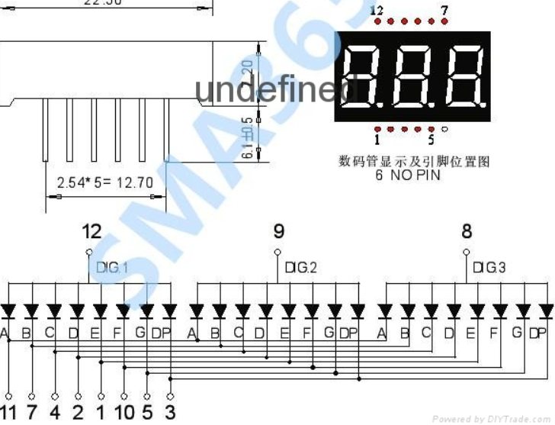

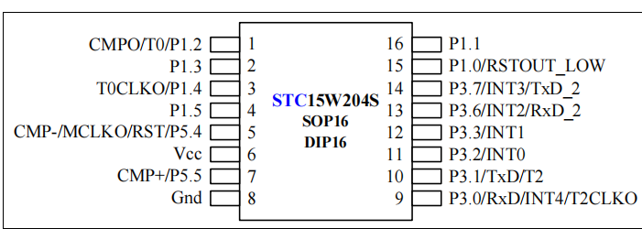

STC | 7LED
P1.0 | 11 | A
P1.1 | 7 | B
P1.2 | 4 | C
P1.3 | 2 | D
P1.4 | 1 | E
P1.5 | 10 | F
P3.7 | 5 | G
P5.4 | 3 | DP

P3.2 | 8
P3.3 | 9
P3.6 | 12

