Sheet1
ORDERED
Item | Brand & Link | Cost | Comment | Budget | $50.00
Servo | hiwonder 20kg | $13.98 |  | Spent | $49.31
Switch (for lever) | GE Lighting | $3.88 |  | Remaining | $0.69
XT60 Connectors (x10) | MCIGICM | $7.99
8x AA battery holder (x2) | SDTC | $8.49 | need 16 AA batteries
12V 5W 500 Lumen LED (x2) | PYRJIN | $6.99
1W 2.4V 350mA red LEDs (x20) | LedWekei | $7.98

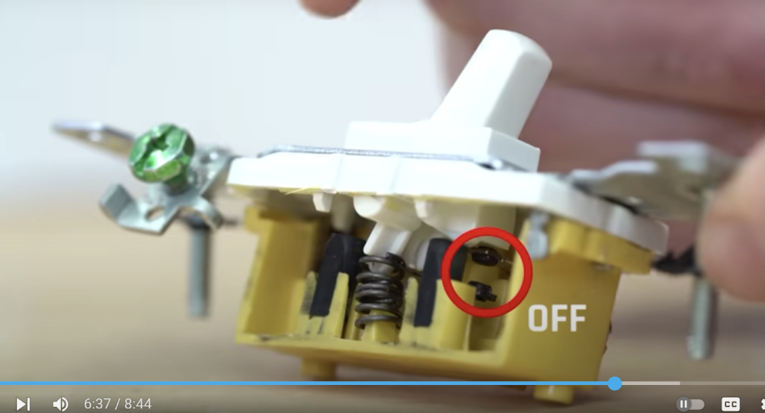
 |  |  |  | Switch | could cad replica of the plastic part with our own extension and replace it, or just screw on our own extension to the plastic part
OPTIONS
8x AA battery holder (x2) | QTEATAK | $6.99
1W 2.4V 350mA red LEDs (x20) | LedWekei | $7.98 | can go over budget for this
AA 1.5V batteries (x20) | Amazon | $10.53
AA 1.5V batteries (x20) | Energizer | $13.66
AA 1.5V batteries (x12) | Voniko | $6.99
AA 1.5V batteries (x36) | Voniko | $12.39
AA 1.5V batteries (x24) | Duracell | $18.64

Other
USB | usb

Super Glue | EPIC

Soldering | SILAB

LEDs

Super LED for Lamp

Wires

Batteries (x2)

Arduino | Ezan | $0.00

Aesthetic Stuff
Lasercuting wood | EPIC | $0.00
3d Printing Filament | EPIC, SILAB? | $0.00
Fabric for designs
Print out design on paper?
Paint? | Some silab, some purchase. By color

