Tutor 2
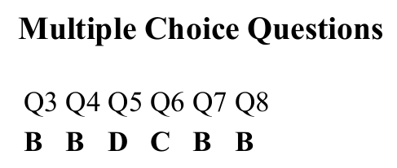
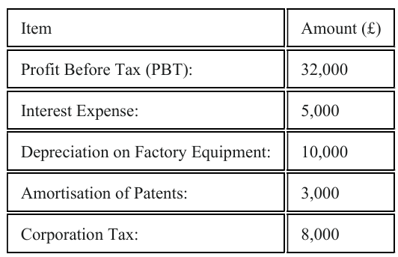
Scenario 1 |  |  | Scenario 2
Fixed Costs | 6000
Selling Price | 30 |  | EBITDA = EBIT + Deprecitation + Amortisation
Variable Cost | 12 |  | EBIT = PBT + Interest
Actual Sales | 12000 |  | EBIT | 37000 | =32000+5000
 |  |  | EBITDA | 50000 | =Q5+10000+3000
BEP (Sales Revenue)
Contribution per Unit | 18 | =B3-B4 | Operating Profit (EBIT)
Contribution Margin Ratio | 0.6 | =B8/B3 | EBIT = PBT + Interest
 |  |  | EBIT | 37000 | =32000+5000
BEP | Fixed Costs / CM Ratio
 | 10000 | =B2/B9 | EBITDA is preferred because it strips out the effects of financing (interest), taxation (tax), and non-cash accounting policies (Depreciation/Amortisation), allowing a clearer comparison of core operational performance between international firms
BEP (Units) | Fixed Costs / Contribution per Unit
 | 333.33333333 | =B2/B8
Margin of Safety | Actual Sales - BEP Sales
 | 2000 | =B5-B12
MoS (%) | 0.16666666667 | =B16/B5

Sales can drop by 16.67% before losses occur.

