Sheet1
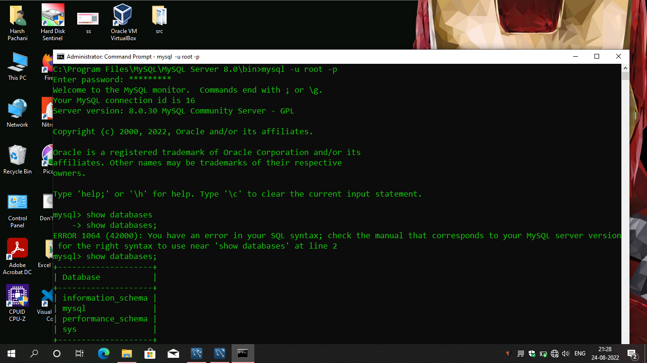
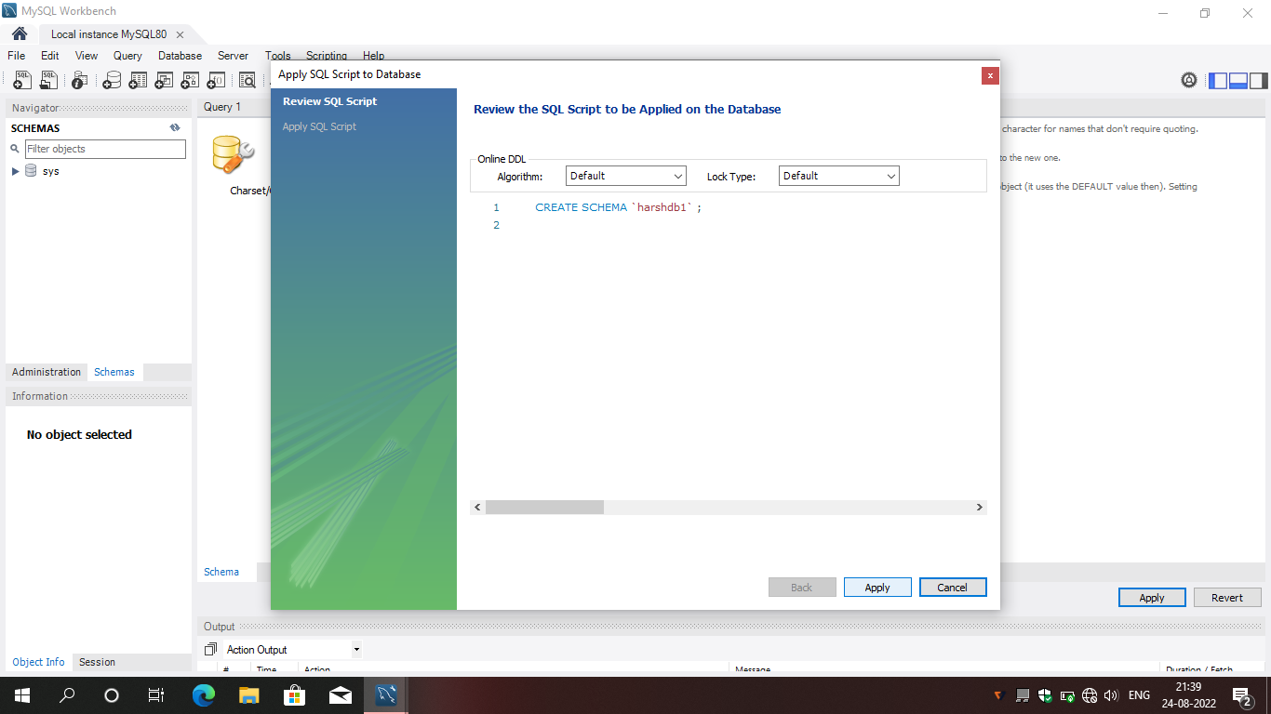
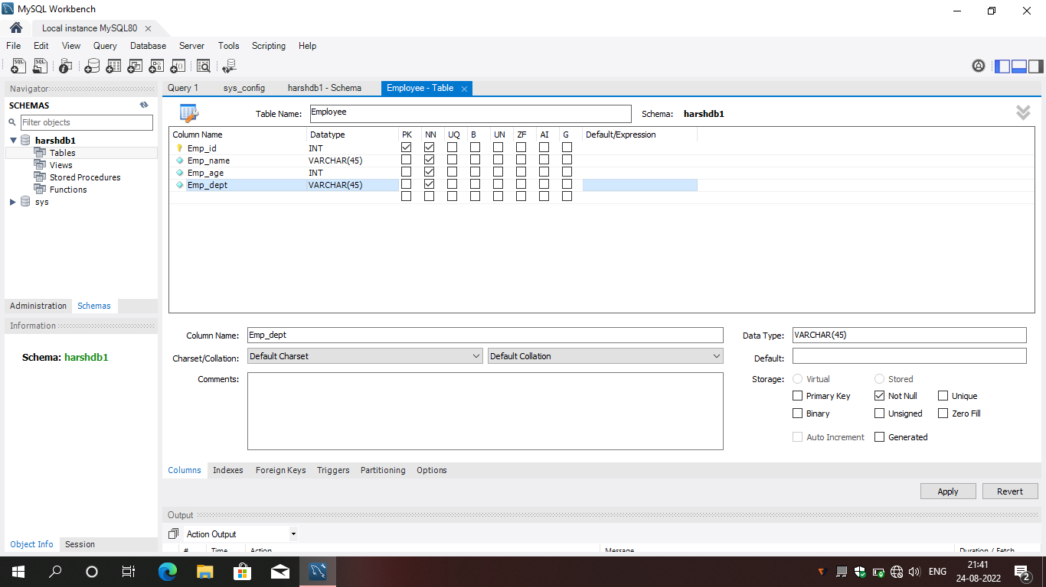
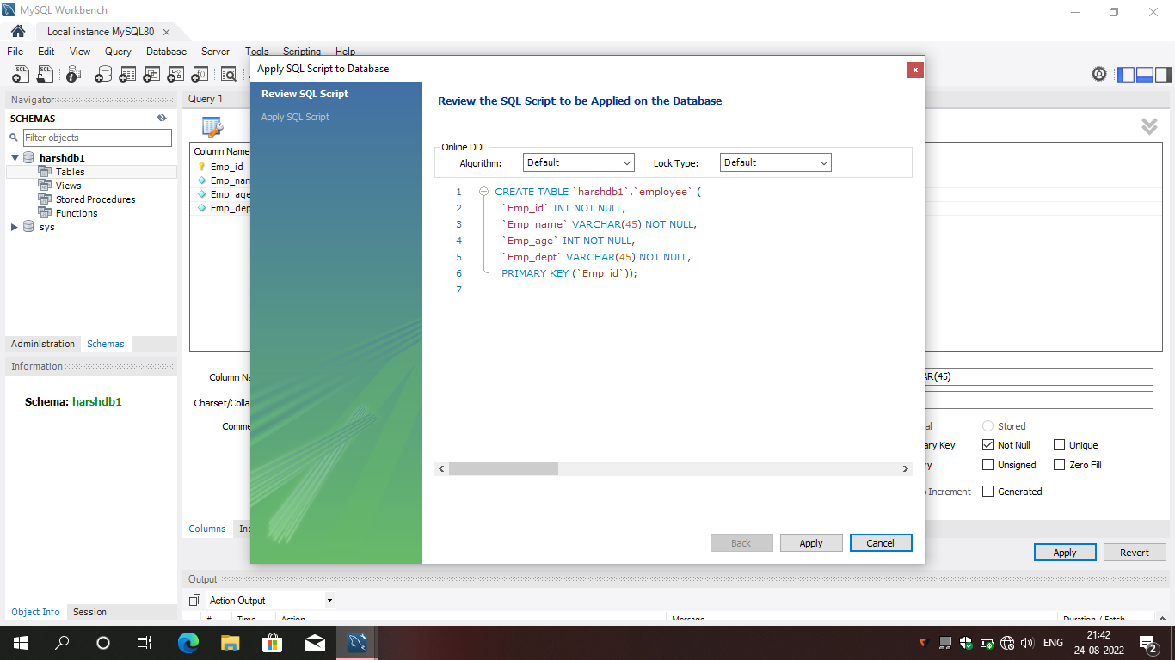
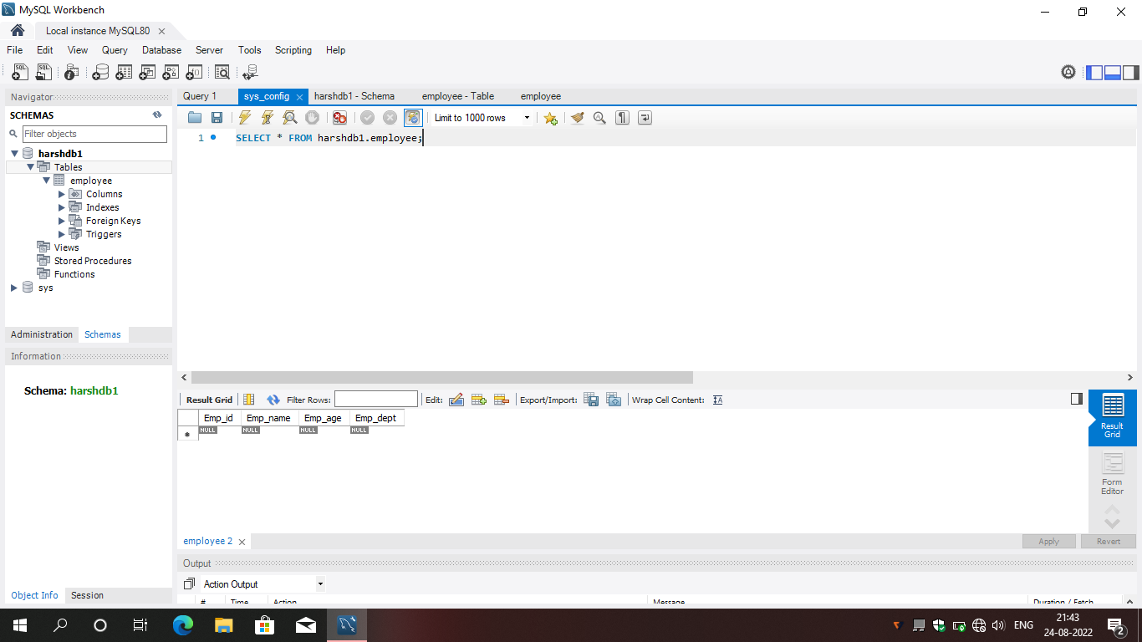
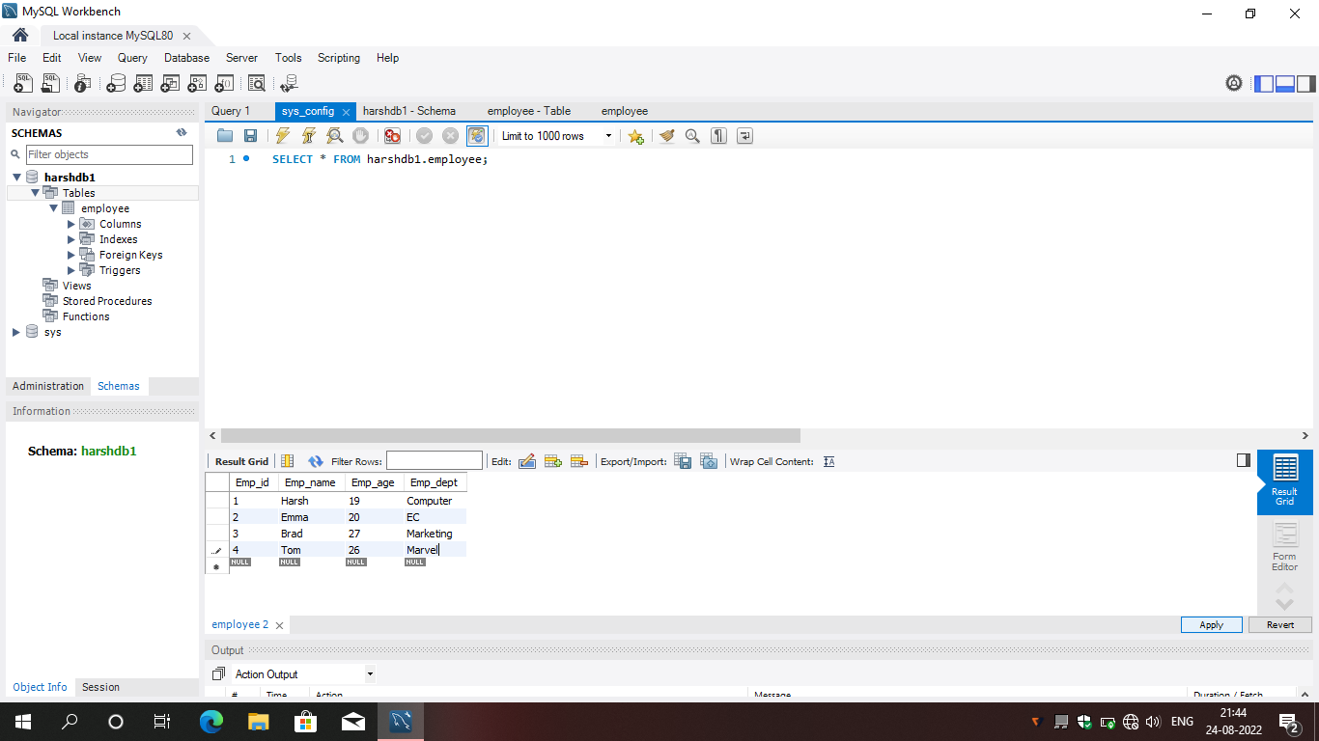
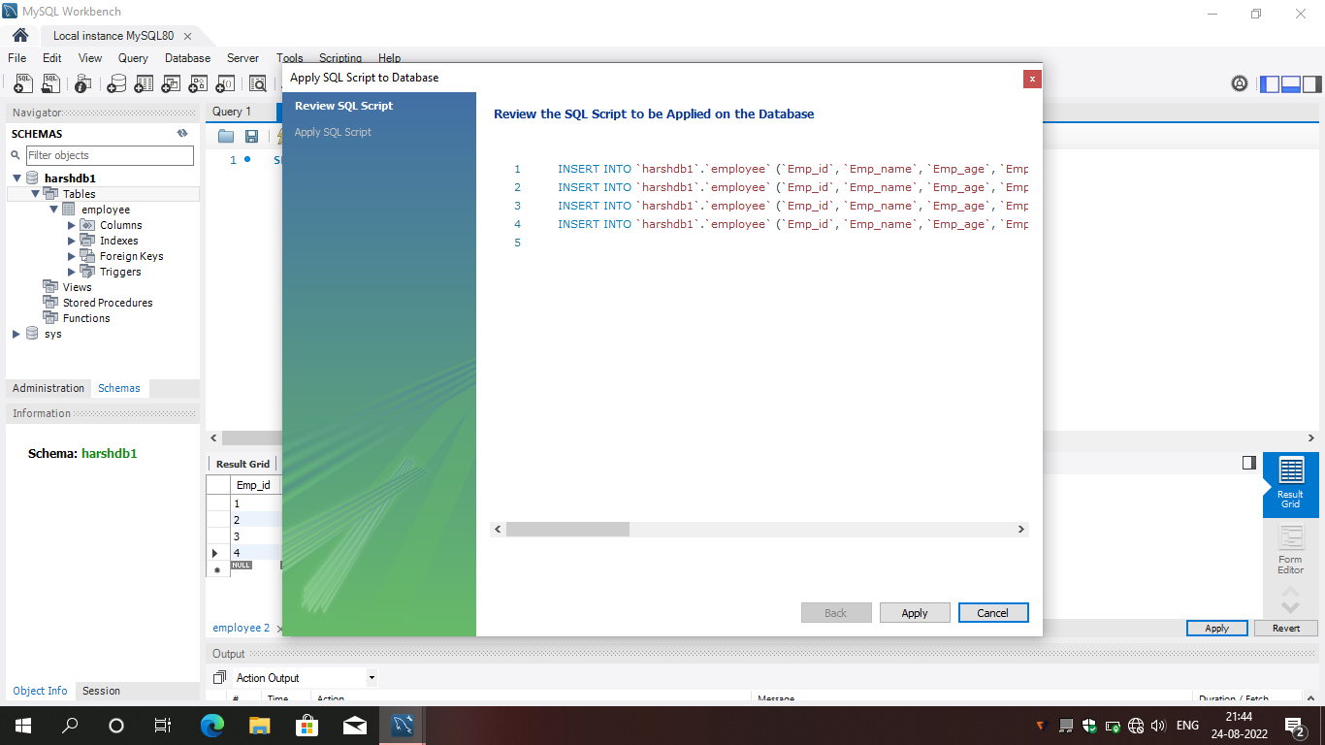

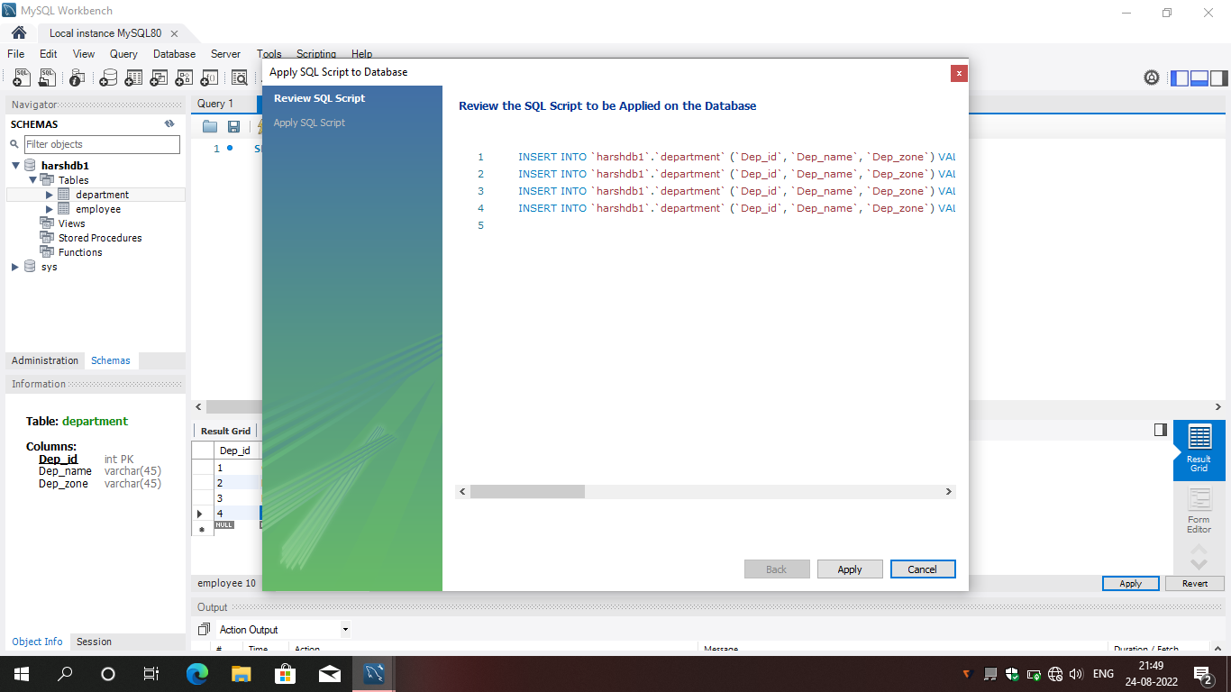
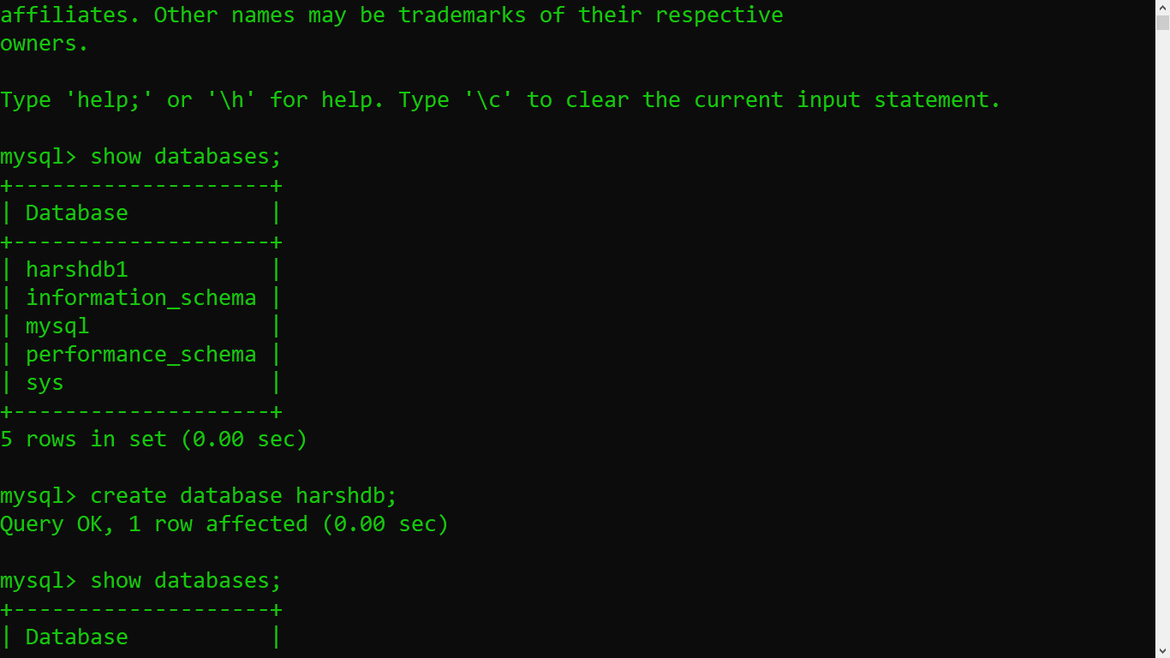
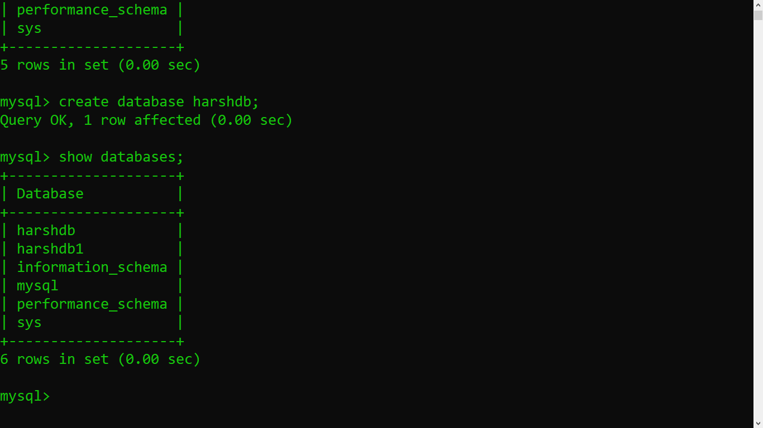
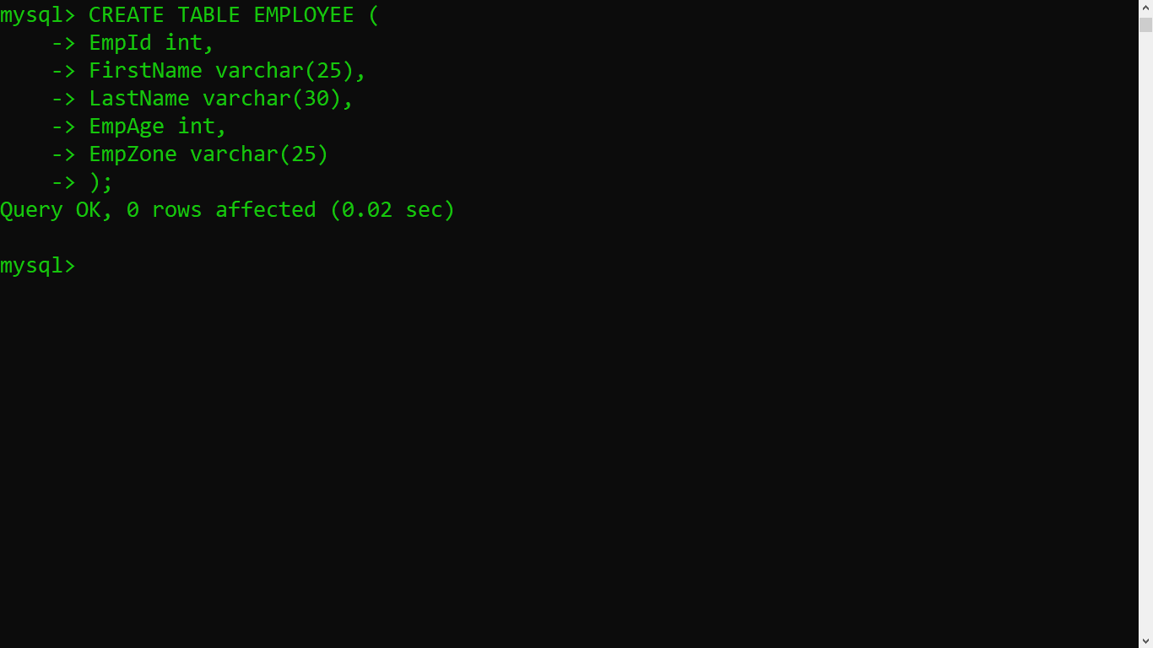
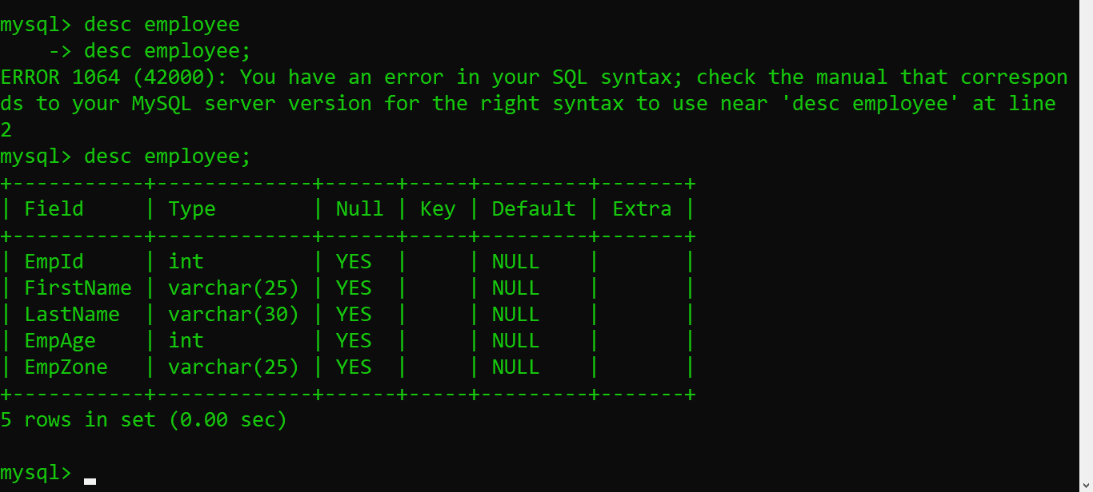
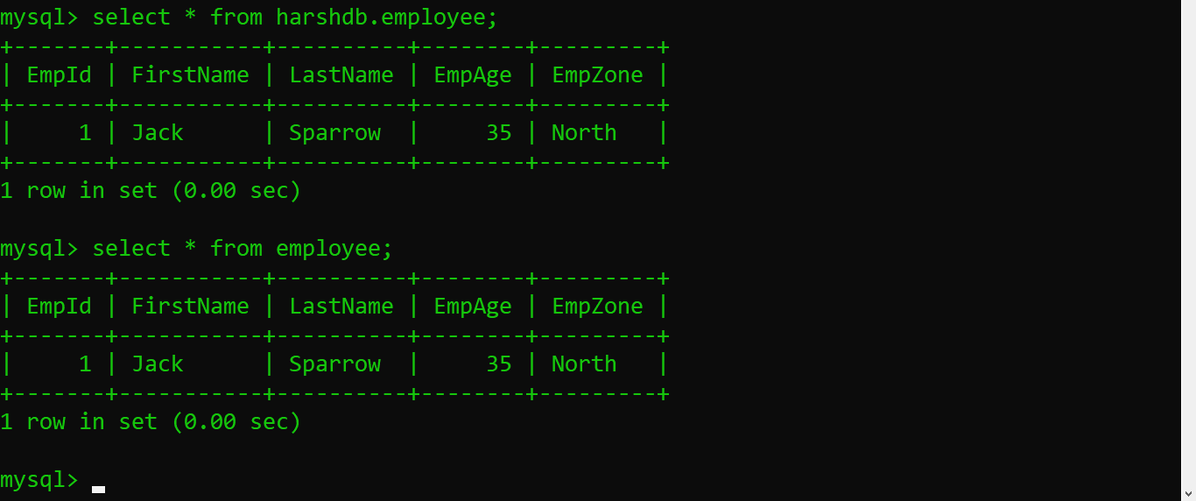
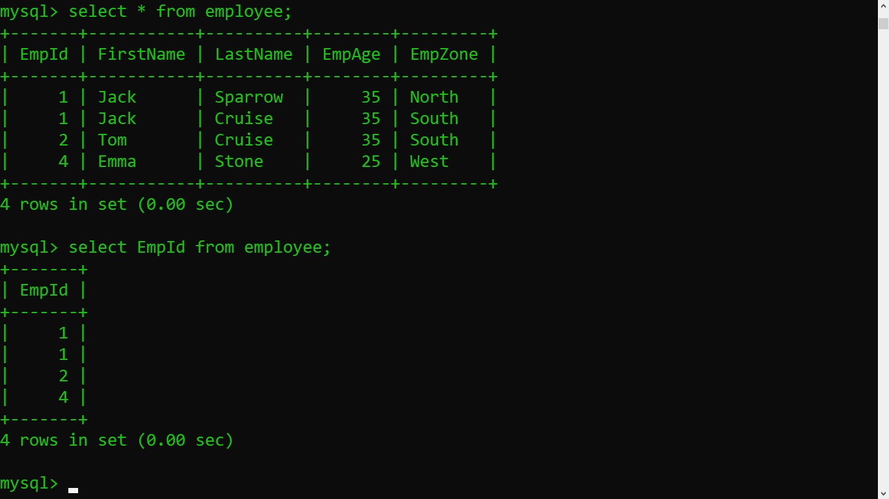
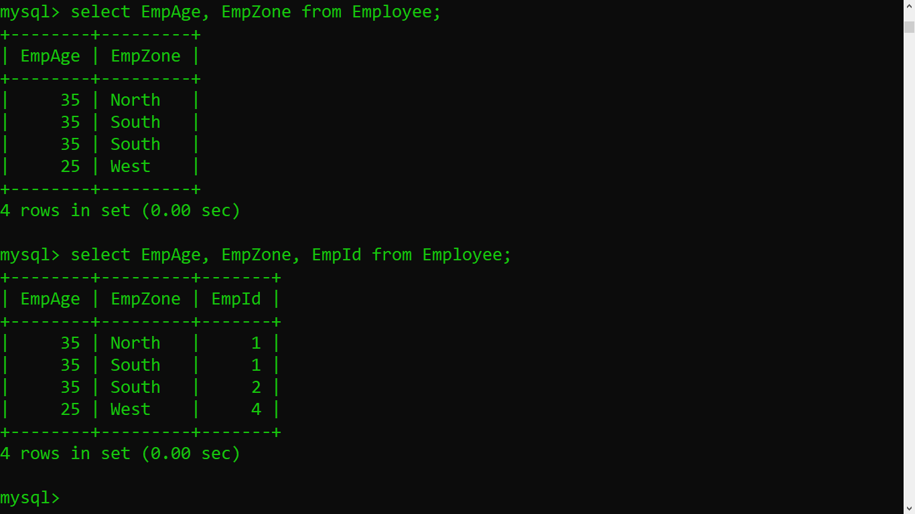
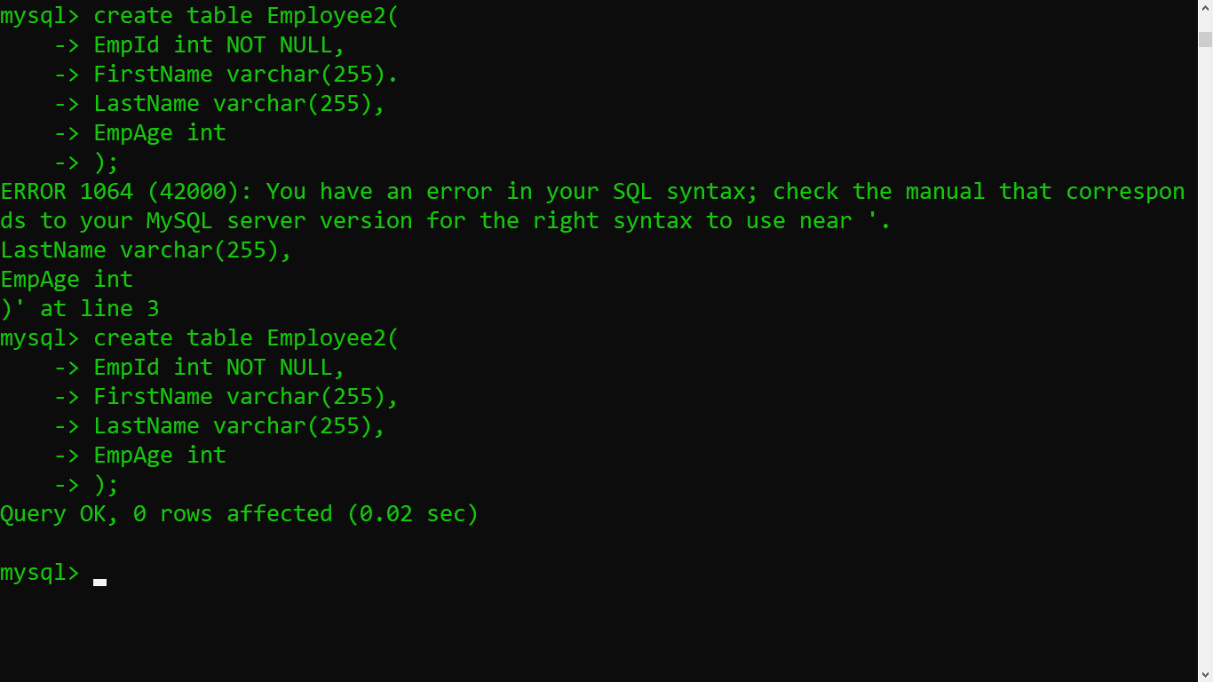
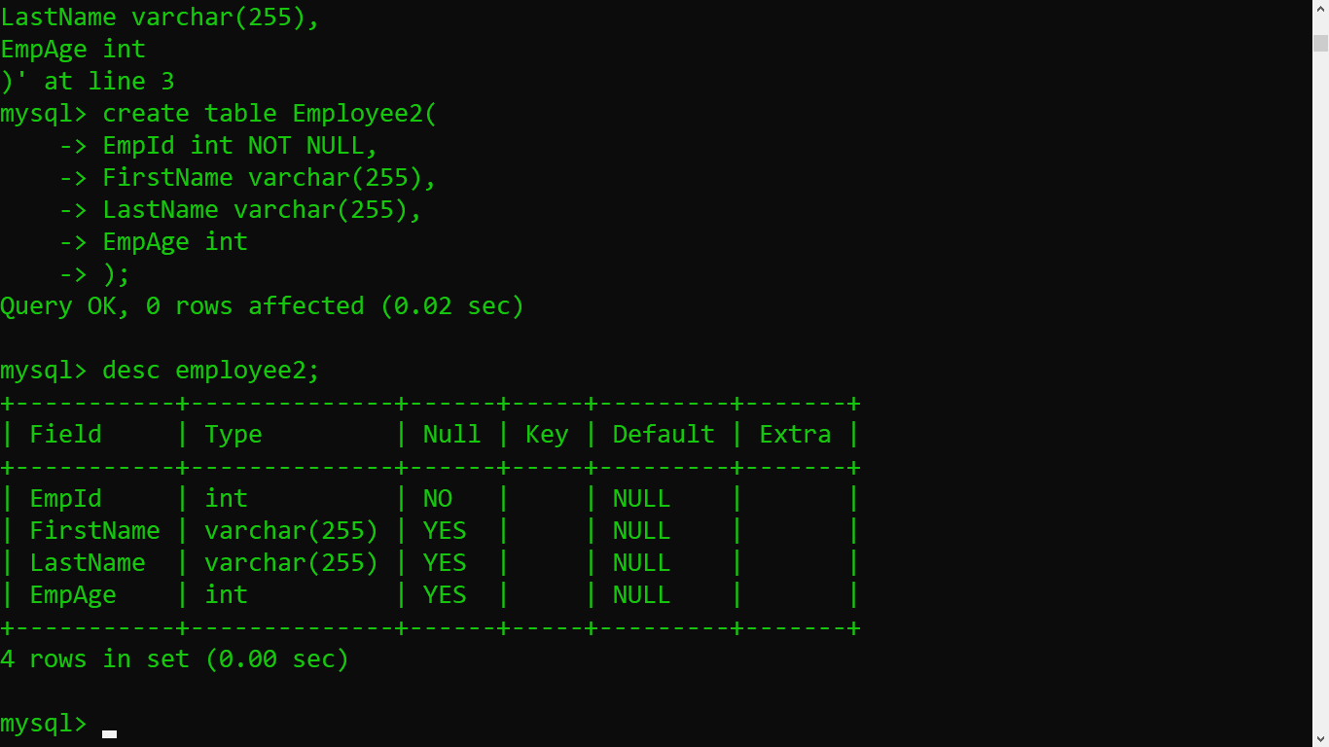
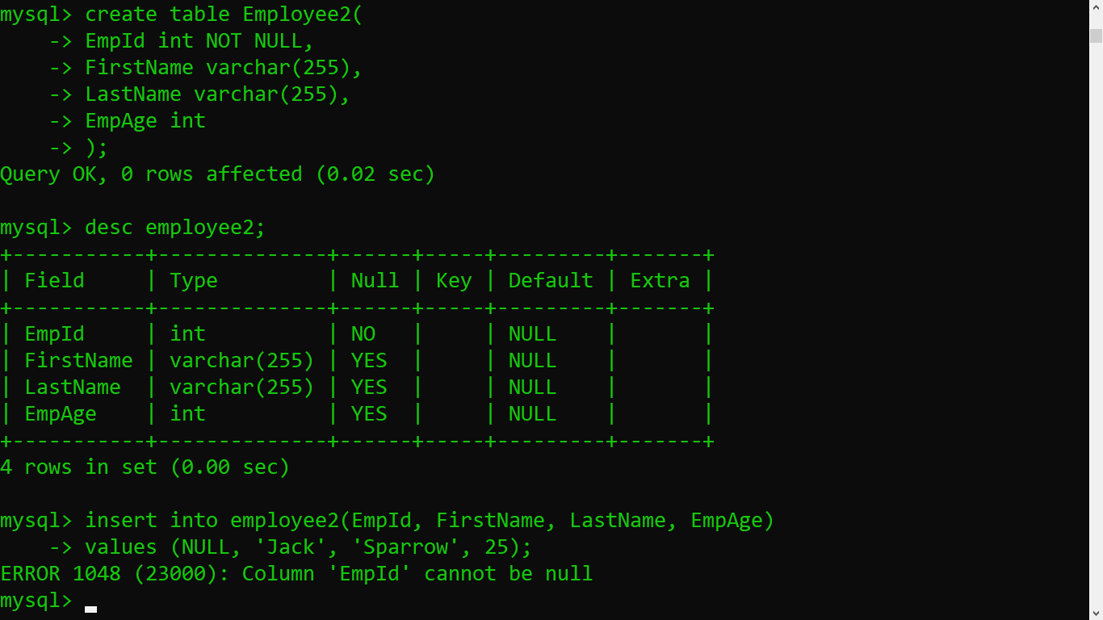
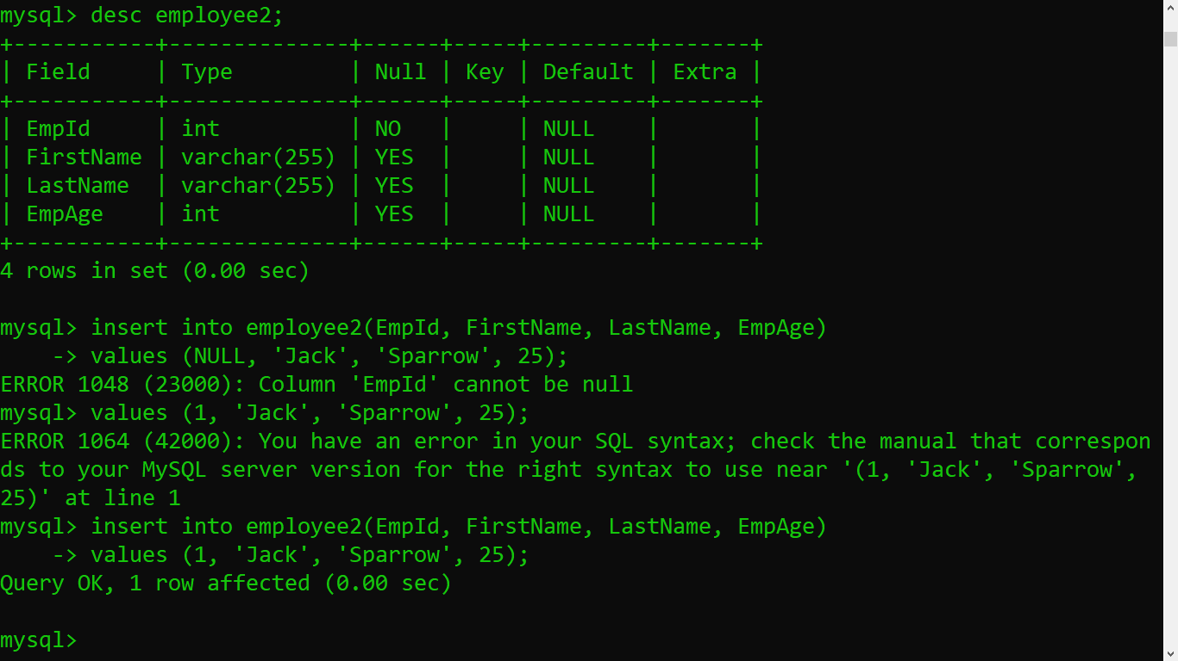
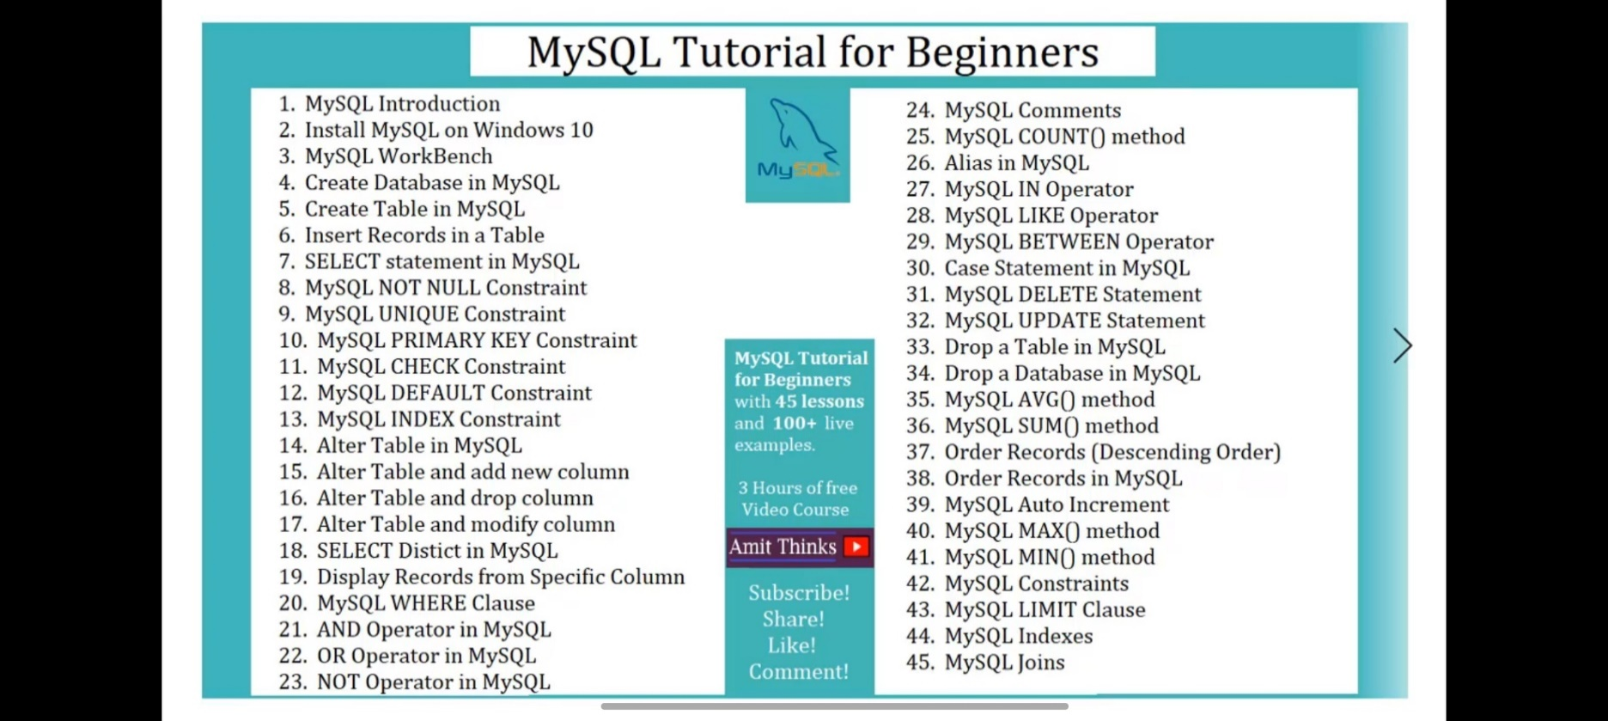
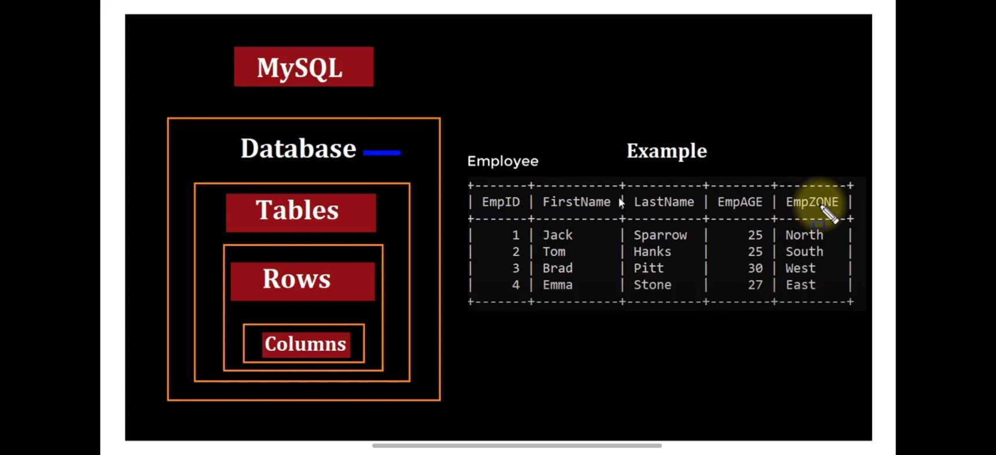

 |  | NOTE:- Database and Schema are the same words. Both means Database.
 |  | To create a database or schema in mysql we can use both cmd and mysql workbench but we will in this excel sheet only talk about cmd commands with mysql
 |  | First of all we have to open a cmd in run as administrator and then write command cd C:\Program Files\MySQL\MySQL Server 8.0\bin , because it's going to run on this path only and then write command mysql -u root -p and then hit enter after that we have to enter a password of mysql. Where -u stands for User and -p stands for Password.
 |  | For Single Line Comment:-#This is for Single line Comment OR -- This is for Single line Comment AND For Multi Line Comment:- /*This is for Multi line Comment*/ EX:- SELECT * -> /* /*> THIS IS FOR MULTILINE COMMENT /*> */ -> FROM EMPLOYEE;
 |  | WHERE CLAUSE IF FOR SET A CONDITION

NO. | CLAUSE | COMMAND | EXAMPLE | EXPLAINATION
1 | SHOW | SHOW DATABASES; | SHOW DATABASES; | It show every databases or schemas on the device.
2 | CREATE | CREATE DATABASE "DATABASE NAME" | CREATE DATABASE HARSH; | It will create a new Database.
3 | USE | USE "DATABASE NAME" | USE HARSH; | To Use the Database.
4 | CREATE | CREATE TABLE "TABLE NAME" | CREATE TABLE EMPLOYEE( -> EmpId int, -> FirstName varchar(20), -> LastName varchar(22), -> EmpAge int -> ); | This will create a table in a database and add 4 columns in it (EmpId, FirstName, LastName, EmpAge).
5 | DESC | DESC "TABLE NAME"; | DESC EMPLOYEE; | This will Describe the table info, like NULL, KEY, DEFAULT.
6 | INSERT | INSERT INTO "TABLE NAME" (COLUMN NAMES) VALUES (VALUE OF THE COLUMNS); | INSERT INTO EMPLOYEE(EmpId, FirstName, LastName, EmpAge) VALUES (1, "Harsh", "Pachani", 19); | This will add a row with the values which assinged to the columns.
7 | SELECT | SELECT * FROM "TABLE NAME" OR SELECT * FROM "DATABASE NAME" . "TABLE NAME" | SELECT * FROM EMPLOYEE; OR SELECT * FROM HARSH.EMPLOYEE | This command will show the rows and columns of selected table of the database(All the data stored into the table). The * means Everything.
 |  | SELECT "COLUMN NAME" FROM "TABLE NAME"; | SELECT EMPID FROM EMPLOYEE; | If we want Particular Column data from the table.
 |  | SELECT "COLUMN3" , "COLUMN2", "COLUMN 3" FROM "TABLE NAME"; | SELECT EMPID, FIRSTNAME, LASTNAME FROM EMPLOYEE; | If we want multiple Particular column data from the table.
8 | NOT NULL CONSTRAINT | CREATE TABLE Table2( -> EmpId INT NOT NULL, -> EmpAge INT NOT NULL, -> LastName varchar(10), -> FirstName varchar(15) NOT NULL -> ); | CREATE TABLE Table2( -> EmpId INT NOT NULL, -> EmpAge INT NOT NULL, -> LastName varchar(10), -> FirstName varchar(15) NOT NULL -> ); | NOT NULL is a Constraint and if we use this in the column name then the value of that column cannot be NULL. And if we try to leave it NULL then mysql will throw an error.
9 | UNIQUE CONSTRAINT | create table Table3( -> EmpId INT NOT NULL, -> FIRSTNAME varchar(255), -> LastName varchar(255), -> UNIQUE(EmpId) -> ); | create table Table3( -> EmpId INT NOT NULL, -> FIRSTNAME varchar(255), -> LastName varchar(255), -> UNIQUE(EmpId) -> ); | UNIQUE is a Constrain threw which we can declare or make a UNIQUE Column.
10 | PRIMARY KEY CONSTRAINT | create table Table4( -> EmpId INT NOT NULL, -> FIRSTNAME varchar(255), -> Lastname varchar(254), -> EmpZone varchar(20), -> PRIMARY KEY (EmpId) -> ); | create table Table4( -> EmpId INT NOT NULL, -> FIRSTNAME varchar(255), -> Lastname varchar(254), -> EmpZone varchar(20), -> PRIMARY KEY (EmpId) -> ); | PRIMARY KEY is a Uniquely identify each row in a table. EX:- Student RollNo, Aadharcard Number, Pan number, Account Number. Note:- Always use desc "table name" for see which is primary key and which is unique key
11 | CHECK CONSTRAINT | create table employee2( -> EmpId INT NOT NULL, -> FirstName varchar(255), -> Lastname varchar(254), -> EmpAge INT, -> CHECK(EmpAge > 20) -> ); | create table employee2( -> EmpId INT NOT NULL, -> FirstName varchar(255), -> Lastname varchar(254), -> EmpAge INT, -> CHECK(EmpAge > 20) -> ); | CHECK Constraint use to Check the condition of the value of column, if the condition is not fulfilled then it will give an error.
12 | DEFAULT CONSTRAINT | create table emp( -> EmpId int NOT NULL, -> FirstName varchar(255), -> LastName varchar(255), -> EmpDept varchar(255) DEFAULT 'Operations' -> ); | create table emp( -> EmpId int NOT NULL, -> FirstName varchar(255), -> LastName varchar(255), -> EmpDept varchar(255) DEFAULT 'Operations' -> ); | If the value of the default is given then we can left the column data as a null andstill the data will be taken from default constrain.
13 | INDEX CONSTRAINT | CREATE INDEX "INDEX NAME" -> ON "Table Name"("Column name"); | CREATE INDEX DEMOINDEX -> ON EMPLOYEE(FirstName); | Indexes are basically use to retrieve records from the database quickly than any other method.
 |  | To Use multiple Columns. | CREATE INDEX DEMOINDEX2 -> ON EMPLOYEE(FirstName,LastName,EmpZone);
14 | SHOW INDEXES | SHOW INDEXES FROM "TABLE NAME" | SHOW INDEXES FROM EMPLOYEE; | To see list of every Indexes from the table
15 | DROP OR DELETE INDEXES | DROP INDEX "INDEX NAME" ON "TABLE NAME"; | DROP INDEX DEMOINDEX ON EMPLOYEE; | This command will Delete an index from the table

 | ALTER A TABLE :-ALTER means we can ADD, DELETE and MODIFY columns in an EXISTING TABLE
16 | Add Column | ALTER TABLE "TABLE NAME" -> ADD "COLUMN NAME" DATATYPE(SIZE IF ANY); | ALTER TABLE EMPLOYEE -> ADD EmpDept varchar(255); | To Add a New Column.
17 | Delete Column | ALTER TABLE "TABLE NAME" -> DROP COLUMN "COLUMN NAME"; | ALTER TABLE EMPLOYEE -> DROP COLUMN EmpDept; | To Delete a Column.
18 | Modify Column | ALTER TABLE "TABLE NAME" -> MODIFY COLUMN "COLUMN NAME" "DATA TYPE"; | ALTER TABLE EMPLOYEE -> MODIFY COLUMN EmpDept int; | To Modify a Column.
19 | SELECT DISTINCT | SELECT DISTINCT "COLUMN NAME" FROM "TABLE NAME"; | SELECT DISTINCT EmpAge FROM EMPLOYEE; | SELECT DISTINCT will remove all duplicate Value from the table and only show Unique values.
20 | SELECT SPECIFIC | SELECT "COLUMN NAME" from "TABLE NAME"; | SELECT FirstName from EMPLOYEE; | Display Records from a Specific Column.
21 | WHERE CLAUSE | SELECT * FROM"TABLE NAME" -> WHERE "COLUMN NAME" = "CONDITION"; | SELECT * FROM EMPLOYEE -> WHERE EmpAge = 25; | To Display Specific or Conditional Data from the Table.
 | WHERE EXAMPLES: |  | SELECT * FROM EMPLOYEE -> WHERE EmpAge > 30; | Here are the various Operators in Where Clause:- =, >, <, <=, >=, <>(This is Not Equal to), BETWEEN, LIKE, IN
22 | AND OPERATOR | SELECT * FROM ''TABLE NAME" -> WHERE"COLUMN NAME"="CONDITION" AND "COLUMN NAME"="CONDITION"; | SELECT * FROM EMPLOYEE -> WHERE EmpAge=35 AND EmpZone="North"; | And Operator displays the records only when all the Condtion Seperated by AND is True.
23 | OR OPERATOR | SELECT * FROM "TABLE NAME" -> WHERE "COLUMN NAME"='CONDITION' OR "COLUMN NAME"='CONDITION'; | SELECT * FROM EMPLOYEE -> WHERE EmpZone='west' OR EmpZone='South'; | OR OPERATOR dIsplays the records only when all the Conditon Seperated by OR is True.
 |  | IF ONE condition is True then the Table will show the content | SELECT * FROM EMPLOYEE -> where FirstName='Jack' OR LastName='Sparrow';
24 | NOT OPERATOR | SELECT * FROM "TABLE NAME" -> WHERE NOT "COLUMN NAME"="CONDITION"; | SELECT * FROM EMPLOYEE -> WHERE NOT EmpAge=25; | NOT OPERATOR allows you to display the records if the conditions or condition is not True.
25 | COUNT() FUNCTION | SELECT COUNT("COLUMN NAME") -> FROM "TABLE NAME" -> WHERE "COLUMN NAME" = "CONDITION"; | SELECT COUNT(EmpAge) -> FROM EMPLOYEE -> WHERE EmpAge = 35; | COUNT() is a Function which Return the Number of Row from the Table.
 |  | SELECT COUNT(*) -> FROM "TABLE NAME"; | SELECT COUNT(*) -> FROM EMPLOYEE; | To Print the Entire Table Rows
26 | ALIAS | SELECT "EXISTING NAME OF COLUMN" AS "NEW NAME OF THAT COLUMN" -> FROM "TABLE NAME"; | SELECT EmpAge AS age -> FROM EMPLOYEE; | ALIAS is a Temporary name That is given to a Table or Column in a Table while showing the Results
 |  | For multiple Column ALIAS | SELECT FirstName AS name1, LastName AS name2 -> FROM EMPLOYEE;
27 | IN OPERATOR | SELECT * FROM "TABLE NAME" -> WHERE "COLUMN NAME" IN('VALUE1', 'VALUE2', …, 'VALUE N'); | SELECT * FROM EMPLOYEE -> WHERE EmpZone IN('north', 'west'); | IN OPERATOR can be use for multiple Conditon
28 | NOT IN OPERATOR | SELECT * FROM "TABLE NAME" -> WHERE "COLUMN NAME" NOT IN('VALUE1', 'VALUE2', …, 'VALUE N'); | SELECT * FROM EMPLOYEE -> WHERE EmpZone NOT IN('north', 'west');
29 | LIKE OPERATOR | SELECT * FROM "TABLE NAME" -> WHERE"TABLE NAME" LIKE '"CHARACTER"%'; #we used % Operator because we don't know how many characters are there after e. % is for representing a zero, one or more than one characters. | SELECT * FROM EMPLOYEE -> WHERE FirstName LIKE 'E%'; #we used % Operator because we don't know how many characters are there after e. % is for representing a zero, one or more than one characters. | LIKE OPERATOR is used to Search for a Specified Pattern in a Column. OR USED TO SEARCH FOR A SPECIFIED PATTERN.
 |  | OTHER EXAMPLES:- | SELECT * FROM EMPLOYEE -> WHERE EmpZone LIKE '%h'; | It has Two WildCards: % is for Zero, One or More Characters. AND _ is for Single Characters.
 |  |  | SELECT * FROM EMPLOYEE -> WHERE EmpZone LIKE '___t'; #Here we used _Three times because now we know the t is in Fourth Position and before there are Three characters so we used Three _
30 | BETWEEN OPERATOR | SELECT * FROM "TABLE NAME" -> WHERE "COLUMN" BETWEEN "START CONDITION" AND "END CONDITION"; | SELECT * FROM EMPLOYEE -> WHERE EmpAge BETWEEN 30 AND 35; | BETWEEN OPERATOR is For Select values within a Given Range.
31 | NOT BETWEEN OPERATOR | SELECT * FROM "TABLE NAME" -> WHERE "COLUMN NAME" NOT BETWEEN "START CONDITION" and "END CONDITION"; | SELECT * FROM EMPLOYEE -> WHERE EmpAge NOT BETWEEN 30 and 35;
32 | CASE STATEMENT | SELECT "COLUMN 1, COLUMN 2, COLUMN 3, -> CASE -> WHEN "COLUMN NAME" > "CONDITION" THEN "MESSAGE IF CONDITION BECOMES TRUE" -> WHEN "COLUMN NAME" = "CONDITION" THEN "CONDITION MESSAGE" -> ELSE "CONDITION MESSAGE" -> END AS Eligibility (IT IS AN ALIAS, ELIGIBILITY IS TEMPORARY COLUMN NAME) -> FROM "TABLE NAME"; | SELECT FirstName, LastName, EmpAge, -> CASE -> WHEN EmpAge > 25 THEN 'Employee with experiance, Eligable for Sr. Profile' -> WHEN EmpAge = 25 THEN 'Employee is mid-experianced level, Eligible!' -> ELSE 'Freshers... New to the company' -> END AS Eligibility -> FROM EMPLOYEE; | CASE STATEMENT goes through conditions and Return value if the first condition is meet. It's just like an If-Else statement
33 | DELETE STATEMENT | DELETE FROM "TABLE NAME"; | DELETE FROM EMPLOYEE; | To Delete All the Records from the Table
 |  | DELETE FROM "TABLE NAME" -> WHERE "COLUMN NAME" = 'CONDITION'; | DELETE FROM EMPLOYEE -> WHERE EmpZone = 'South'; | To Delete Specific Records from the Table
34 | UPDATE STATEMENT | UPDATE "TABLE NAME" -> SET "COLUMN NAME" = "UPDATED VALUE" -> WHERE "COLUMN NAME" = "ID IN WHICH WE WANT TO UPDATE THE VALUE"; | UPDATE EMPLOYEE -> SET EmpAge = 24 -> WHERE EmpId = 3; | To Update the Value
35 | DROP TABLE STATEMENT OR DELTING A TABLE | DROP TABLE "TABLE NAME"; | DROP TABLE EMPLOYEE; | To Delete Or Drop a Table
36 | DROP A DATABASE OR DELETE A DATABASE | DROP DATABASE "DATABASE NAME"; | DROP DATABASE harshpachani; | To Delete an Entire Database.
37 | AVG() FUNCTION | SELECT AVG("COLUMN NAME") -> FROM "TABLE NAME"; | SELECT AVG(Emp_age) -> FROM EMPLOYEE; | AVG() is a Function to Return the Average value of a Numeric column.
38 | SUM() FUNCTION | SELECT SUM("COLUMN NAME") -> FROM "TABLE NAME"; | SELECT SUM(Emp_age) -> FROM EMPLOYEE; | To Return a Sum of the numeric value
39 | ORDER BY KEYWORD | SELECT * FROM "TABLE NAME" -> ORDER BY "COLUMN NAME"; | SELECT * FROM EMPLOYEE -> ORDER BY Emp_age; | To Sort the Records in Ascending Order
40 | ORDER BY DESC KEYWORD | SELECT * FROM "TABLE NAME" -> ORDER BY "COLUMN NAME" DESC; | SELECT * FROM EMPLOYEE -> ORDER BY Emp_age DESC; | To Sort the Records in Ascending Order. Here DESC Stands for Descending order
41 | AUTO INCREMENT FIELD | CREATE TABLE "TABLE NAME"( -> "COLUMN NAME" "COLUMN DATATYPE" NOT NULL AUTO_INCREMENT, #This is a Primary Key and Will be Incremented Everytime whenever the New Record or Row will be added. -> FirstName varchar(255), -> LastName varchar(255), -> Empage int, -> EmpZone varchar(255), -> PRIMARY KEY(EmpId) -> ); | CREATE TABLE EMPLOYEE( -> EmpId int NOT NULL AUTO_INCREMENT, -> FirstName varchar(255), -> LastName varchar(255), -> Empage int, -> EmpZone varchar(255), -> PRIMARY KEY(EmpId) -> ); | AUTO_INCREMENT will be Incremented Everytime whenever the New Record or Row will be added, and we don't need to Increment the numbers Manually.It Starts from One and Increment Every time new Row Afftected.
42 | MAX() FUNCTION | SELECT MAX("COLUMN NAME") AS "NAME TO BE PRINTED AS TEMPORARY COLUMN NAME" -> FROM "TABLE NAME"; | SELECT MAX(Empage) AS LargestAge -> FROM EMPLOYEE; OUTPUT:- +------------+ | LargestAge | +------------+ | 29 | +------------+ 1 row in set (0.00 sec) | Return the Maximum Value among the Column
43 | MIN() FUNCTION | SELECT MIN("COLUMN NAME") AS "NAME TO BE PRINTED AS TEMPORARY COLUMN NAME" -> FROM "TABLE NAME"; | SELECT MIN(EmpAge) AS SmallestAge -> FROM EMPLOYEE; OUTPUT:- +-------------+ | SmallestAge | +-------------+ | 25 | +-------------+ 1 row in set (0.00 sec) | Return the Minimum Value among the Column
44 | LIMIT CLAUSE | select * from "TABLE NAME" -> LIMIT "NUMBER OF ROWS WE WANT TO DISPLAY IN THE LIST"; | select * from employee -> LIMIT 2; | We can Specify the Number of Records to Return easily Using the LIMIT CLAUSE

NO. | CONSTRAINTS | COMMAND | EXAMPLE | EXPLAINATION

1 | NOT NULL |  |  | Should not Have a Null Value
2 | UNIQUE | CREATE TABLE "TABLE NAME"( -> EmpId int NOT NULL, -> FirstName varchar(255), -> LastName varchar(255), -> UNIQUE("COLUMN NAME") -> ); | CREATE TABLE EMPLOYEE( -> EmpId int NOT NULL, -> FirstName varchar(255), -> LastName varchar(255), -> UNIQUE(EmpId) -> ); | All the Values in a Column are Unique. EX:- ID
3 | PRIMARY KEY | When we Declare any Column name as a Unique Key then that Column will Automatically become the Primary Key | CREATE TABLE EMPLOYEE( -> EmpId int NOT NULL, -> FirstName varchar(255), -> LastName varchar(255), -> EmpZone varchar(255), -> PRIMARY KEY(EmpId) -> ); | Uniquely identify each row in a table, EX:- EmpId, LicenseNO, StudentRollNo.
4 | FOREIGN KEY |  |  | Uniquely identify
5 | CHECK | IF WE TRY TO ENTER THE AGE WHICH IS LESS THAN 20 THEN THE VALUES WON'T BE ADDED INTO THE TABLE | mysql> CREATE TABLE EMPLOYEE( -> EmpId int NOT NULL, -> FirstName varchar(255), -> LastName varchar(255), -> EmpAge int, -> CHECK(EmpAge>20) -> ); | All Values in a Column Satisfies a specific condition EX:- Age > 20
6 | DEFAULT | create table employee( -> EmpId int NOT NULL, -> FirstName varchar(255), -> LastName varchar(255), -> EmpDept varchar(255) DEFAULT 'Operations' -> ); | create table employee( -> EmpId int NOT NULL, -> FirstName varchar(255), -> LastName varchar(255), -> EmpDept varchar(255) DEFAULT 'Operations' -> ); | Set a Default value
7 | INDEX | CREATE INDEX "INDEX NAME" -> ON EMPLOYEE("COLUMN NAME1", "COLUMN NAME2, …, "COLUMN NAME N"); | CREATE INDEX DEMOINDEX2 -> ON EMPLOYEE(FirstName, LastName, EmpZone); | Create and Retrieve data quickly from a database
8 | SHOW INDEXES | show indexes from "TABLE NAME"; | show indexes from employee; | Show every indexes in a list
9 | DROP INDEXES | DROP INDEX "INDEX NAME" ON "TABLE NAME"; | DROP INDEX DEMOINDEX ON EMPLOYEE;

NO. | JOINS | COMMAND | EXAMPLE | EXPLAINATION
1 | INNER JOIN | SELECT "TABLE 1 NAME"."COLUMN NAME","TABLE 2 NAME" . "COLUMN NAME" -> FROM "TABLE 1 NAME" -> INNER JOIN "TABLE 2 NAME" ON "TABLE 1 NAME" . "COLUMN NAME" = "TABLE 2 NAME" . "COLUMN NAME"; | SELECT EMPLOYEE2.EmpId,DEPARTMENT.DeptName -> FROM EMPLOYEE2 -> INNER JOIN DEPARTMENT ON EMPLOYEE2.DeptId = DEPARTMENT.DeptId; | Return Records if the Both the tables having some matching values then the result will be same.
2 | LEFT JOIN | SELECT EMPLOYEE2.EmpId,DEPARTMENT.DeptName -> FROM DEPARTMENT -> LEFT JOIN EMPLOYEE2 ON EMPLOYEE2.DeptId = DEPARTMENT.DeptId; | SELECT EMPLOYEE2.EmpId,DEPARTMENT.DeptName -> FROM DEPARTMENT -> LEFT JOIN EMPLOYEE2 ON EMPLOYEE2.DeptId = DEPARTMENT.DeptId;
3 | RIGHT JOIN | SELECT EMPLOYEE2.EmpId,DEPARTMENT.DeptName -> FROM DEPARTMENT -> RIGHT JOIN EMPLOYEE2 ON EMPLOYEE2.DeptId = DEPARTMENT.DeptId; | SELECT EMPLOYEE2.EmpId,DEPARTMENT.DeptName -> FROM DEPARTMENT -> RIGHT JOIN EMPLOYEE2 ON EMPLOYEE2.DeptId = DEPARTMENT.DeptId;
4 | FULL JOIN(NOT SUPPORTED IN MYSQL)

