Assumption_Sheet
IRCTC | 542830 | INE335Y01020

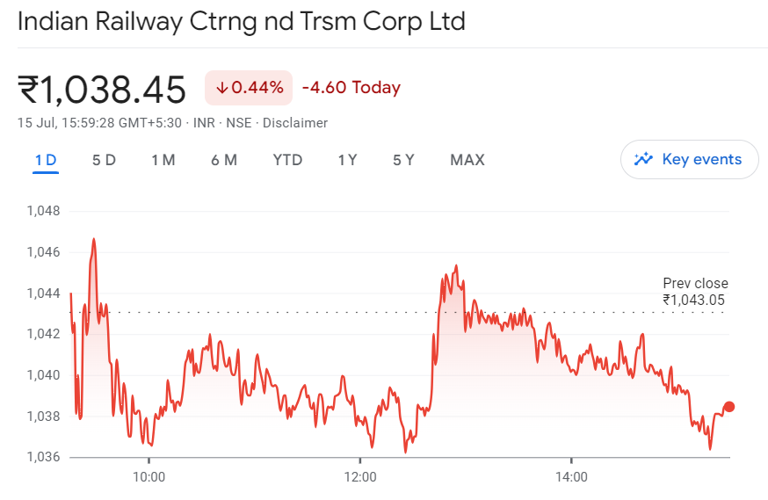
 | Scenario Manager
 | Base Case | 2

 | General Assumptions
 | Transaction Date | 2024-07-15
 | Days in a year | 360
 | India 10-Year Bond Yield | 6.99%
 | Revenue Std. Dev. | 4.20%
 | Addition in F. Assets (Growth) | 4.00% /3 years
 | Addition in Depreciation (Growth) | 4.00% /3 years
 | No. of Shares Outstanding | 800,000,000.00
 | CMP | ₹ 1,038.45
 | Perp. Growth Rate | 6.00%

 | Items | Sheet | Reference | Assumptions
 | Other Operating Income | Revenue_Build_Up | G16:Q17 | "Other operating revenue" contains Scrap Sale–Rail Neer & Scrap Sale–Catering. It has been forecasted using average of % of "Revenue from Operation" of previous years.

 | Sale of Products (Railneer, Food & Beverages) | Revenue_Build_Up | H21:Q21 H59:Q61 | "Sale of Products (Railneer, Food & Beverages)" has been anticipated using several scenarios. Base scenario has been established by seeing the CAGR growth from FY 2020 to FY 2024. Best and worst case has been done by considering standard deviation (4.20%) of revenue from operation.

 | Income From Catering Services | Revenue_Build_Up | H26:Q26 H38:Q40 | "Income From Catering Services" has been planned through several scenarios. The baseline scenario is based on the CAGR growth from FY 2020 to FY 2024. The best and worst case scenarios were calculated by calculating the standard deviation (4.20%) of revenue from operations.

 | Tourism & Train Operations | Revenue_Build_Up | H27:Q27 H52:Q54 | The tourism business is booming and anticipated to expand further. "Revenue from Tourism & Train Operations" was anticipated using the prior year's CAGR increase. In both the best and worst-case scenarios, the standard deviation (4.2%) of revenue from operations was taken.

 | Railneer (License Fee) | Revenue_Build_Up | G28:Q29 | "Railneer (Licence Fee)" was calculated using the average percentage of revenue from product sales (Railneer and Catering).

 | Other Income | Revenue_Build_Up | H31:Q32 | Other sources of income include interest income from FDRs and TDRs (gross), interest income from others, and dividends from mutual funds. Thus, it has been anticipated as a percentage of the most recent year's revenue from operations.

 | Cost of Material Consumed, Purchase of Stock-in-trade and Change in Inventory, WIP & SIT | Cost_Build_Up | H16:Q17 H19:Q20 H22:Q23 | The cost of material consumed, the acquisition of stock-in-trade, and changes in inventories of finished goods, work-in-progress, and stock-in-trade were calculated using the previous year's average percentage of corresponding expenses to revenue from operations.

 | Expenses of Catering Services & Expenses of Tourism & Train Operations | Cost_Build_Up | C29:Q30 C32:Q33 | Expenses for Catering Services and Tourism & Train Operations have been forecasted by calculating the average of percentage of these expenses relative to the Revenue from Catering Services and Revenue from Tourism & Train Operations, respectively, based on previous years' data.

 | Manufacturing & Direct Expenses | Cost_Build_Up | C35:Q36 | Manufacturing and Direct Expenses have been forecasted by averaging the percentage obtained by dividing these expenses by the combined revenue from Internet Ticketing and product sales (Railneer & Catering).

 | Employee benefit expense | Cost_Build_Up | H38:Q39 | Employee benefit expenses have been forecasted by analyzing the CAGR growth over the past three years (post COVID year), as these expenses are independent of revenue.

 | CSR Expense & Other Expenses | Cost_Build_Up | H44:Q45 H47:Q48 | Corporate Social Responsibility (CSR) expenses and other expenses have been forecasted by averaging the percentage from previous years, calculated by dividing these expenses by the revenue from operations.

 | Finance Costs | Cost_Build_Up | H50:Q51 | Finance costs have been forecasted by taking the average percentage rates of finance costs on borrowings, lease liabilities, and the unwinding of discounts on security deposits from previous years.

 | Tax Rate | Cost_Build_Up | H53:Q53 | The tax rate has been forecasted based on the assumption that it increases by 0.5% every two years.

 | Additions to Fixed Assets | Fixed_Asset_Schedule |  | Additions to Fixed Assets have been forecasted based on the assumption that they increase by 4% every three years.

 | Depreciation for the Year | Fixed_Asset_Schedule |  | Depreciation for the year have been forecasted based on the assumption that they increase by 4% every three years.

 | Capital WIP | Fixed_Asset_Schedule | H224:Q225 | Capital WIP have been forecasted based on the assumption that they increase by 4% every three years.

 | Trade Receivables, Inventory & Trade Payables | Working_Capital | H14:Q16 | Trade Receivables, Inventory, and Trade Payables have been increased by 5% annually.

 | BS Items | BS_Items | H16:Q85 | Balance sheet items have been forecasted by averaging the percentage of each item relative to revenue from operations, excluding the COVID year.

 | Dividends Paid | Income_Statement | H50:Q51 | Dividends paid have been forecasted by averaging the percentage of dividends paid relative to net profit + other comprehensive income over the last three years, which includes the period after COVID and post stock split.

