DashBoard
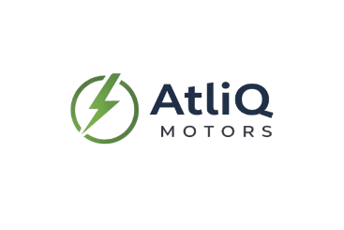
Indian EV Market Analysis - 2024 Report
Based on EV Sales Data from 2022 to 2024

2.07 M
-66.20
Revenue Growth (%)
3.61
EV Penetration (%)
-31.21%
EV Sales CAGR (%)
Maharashtra
Top State by EV Sales
Total EV Sold
396K

EV Sales Trend by Month
Top 5 EV Makers (2W)
Bottom 5 EV Makers (2W)
 | Total
Jan | 189K
Feb | 198K
Mar | 292K
Apr | 135K
May | 160K
Jun | 107K
Jul | 127K
Aug | 142K
Sep | 146K
Oct | 185K
Nov | 205K
Dec | 180K
 | Total
OLA ELECTRIC | 489473
TVS | 272575
ATHER | 204449
HERO ELECTRIC | 170394
AMPERE | 167274
BATTRE ELECTRIC | 4841
KINETIC GREEN | 9585
JITENDRA | 12438
BGAUSS | 15051
BEING | 18392

Top States by EV Penetration Rate (2024)
EV Sales Forecast (2030)
Revenue Growth (2W vs 4W)
 | Penetration rate
Goa | 9.84%
Karnataka | 7.84%
Delhi | 6.76%
Kerala | 6.64%
Maharashtra | 6.49%

Delhi vs Karnataka

