SABR_Model_Notes
What is the SABR Model?

The Stochastic Alpha Beta Rho (SABR) model is used to describe the volatility smile observed in options markets. It models how the implied volatility changes with the strike price and time to expiry.

SABR Model Formula (Hagan's Approximation)

The formula for implied volatility under the SABR model:

Key Parameters in SABR

Parameter | Meaning | Typical Range
α (Alpha) | Instantaneous volatility (vol of vol) | 0.1 to 0.5
β (Beta) | Elasticity of volatility to the underlying. β = 1: lognormal, β = 0: normal | 0 to 1
ρ (Rho) | Correlation between asset price and volatility | –1 to 1
ν (Nu) | Volatility of volatility | 0.1 to 0.5
F | Forward price (spot for simplicity)
K | Strike price of the option | From data
T | Time to expiry in years

Intermediate Calculations in Excel

To implement this in Excel, break the formula into manageable parts:

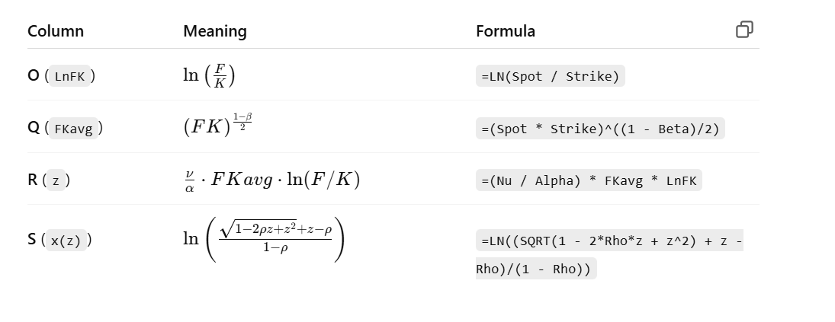

Main SABR Formula in Excel

Use this formula in N2 (SABR Model IV):

Convert to Excel by replacing variables with cell references like:

Using Solver to Fit Parameters

Once the model formula is set:

1. Observed IV is in column G.

2. Model IV (SABR) is in column N.

3. In column O, compute Error = G - N.

1M_IV_SABR_Model
Date | Expiry | DTE | Strike | Spot | OptionType | IV(%) | MidPrice | OI | Alpha | Beta | p | v | SABR Model IV | Error | LnFK | Fkavg | z | x(z)
2025-05-30 | 2025-06-30 | 30 | 17,000.00 | 24833.6 | C | 51.53 | 7900.825 | 2655 | 0.2 | 0.5 | 0.93181027744 | 0.2 | 0.0040952170464 | 51.525904783 | 0.37898423086 | 9808850.8887 | 3717399.8097 | 18.507143357
2025-05-30 | 2025-06-30 | 30 | 18,000.00 | 24833.6 | C | 44.81 | 6904.625 | 1204 | 0.2 | 0.5 | 0.52955758297 | 0.2 | 0.0035085693482 | 44.806491431 | 0.32182581702 | 9808850.8887 | 3156741.4513 | 18.343659174
2025-05-30 | 2025-06-30 | 30 | 19,000.00 | 24833.6 | C | 38.83 | 5915.05 | 1974 | 0.2 | 0.5 | 0.31786777721 | 0.2 | 0.0029486896773 | 38.82705131 | 0.26775859575 | 9808850.8887 | 2626404.1399 | 18.159734468
2025-05-30 | 2025-06-30 | 30 | 20,000.00 | 24833.6 | C | 32.91 | 4920.975 | 5793 | 0.2 | 0.5 | 0.23472073061 | 0.2 | 0.0024120685556 | 32.907587931 | 0.21646530136 | 9808850.8887 | 2123275.8636 | 17.947078835
2025-05-30 | 2025-06-30 | 30 | 20,400.00 | 24833.6 | C | 29.89 | 4351.6 | 7 | 0.2 | 0.5 | 0.93965854586 | 0.2 | 0.0022031858971 | 29.887796814 | 0.19666267406 | 9808850.8887 | 1929034.8453 | 17.851138474
2025-05-30 | 2025-06-30 | 30 | 20,450.00 | 24833.6 | C | 30.2 | 4508.625 | 7 | 0.2 | 0.5 | 0.82461502531 | 0.2 | 0.0021772892346 | 30.197822711 | 0.19421469243 | 9808850.8887 | 1905022.9584 | 17.838612731
2025-05-30 | 2025-06-30 | 30 | 20,500.00 | 24833.6 | C | 29.98 | 4289.95 | 313 | 0.2 | 0.5 | 0.59922793618 | 0.2 | 0.0021514386574 | 29.977848561 | 0.19177268877 | 9808850.8887 | 1881069.7087 | 17.825959273
2025-05-30 | 2025-06-30 | 30 | 20,550.00 | 24833.6 | C | 30.23 | 4192.15 | 9 | 0.2 | 0.5 | 0.30678355439 | 0.2 | 0.0021256337423 | 30.227874366 | 0.18933663397 | 9808850.8887 | 1857174.8104 | 17.813175072
2025-05-30 | 2025-06-30 | 30 | 20,600.00 | 24833.6 | C | 34 | 4318.35 | 8 | 0.2 | 0.5 | 0.26519336446 | 0.2 | 0.0020998740643 | 33.997900126 | 0.18690649912 | 9808850.8887 | 1833337.98 | 17.800256989
2025-05-30 | 2025-06-30 | 30 | 20,650.00 | 24833.6 | C | 29.73 | 4147.8 | 8 | 0.2 | 0.5 | 0.7581737161 | 0.2 | 0.0020741591963 | 29.727925841 | 0.18448225551 | 9808850.8887 | 1809558.9359 | 17.787201778
2025-05-30 | 2025-06-30 | 30 | 17,000.00 | 24833.6 | P | 51.53 | 3.3 | 1877 | 0.2 | 0.5 | 0.44753058286 | 0.2 | 0.0040952170464 | 51.525904783 | 0.37898423086 | 9808850.8887 | 3717399.8097 | 18.507143357
2025-05-30 | 2025-06-30 | 30 | 18,000.00 | 24833.6 | P | 44.81 | 3.45 | 5501 | 0.2 | 0.5 | 0.2499606446 | 0.2 | 0.0035085693482 | 44.806491431 | 0.32182581702 | 9808850.8887 | 3156741.4513 | 18.343659174
2025-05-30 | 2025-06-30 | 30 | 19,000.00 | 24833.6 | P | 38.83 | 3.875 | 8571 | 0.2 | 0.5 | 0.89227923028 | 0.2 | 0.0029486896773 | 38.82705131 | 0.26775859575 | 9808850.8887 | 2626404.1399 | 18.159734468
2025-05-30 | 2025-06-30 | 30 | 20,000.00 | 24833.6 | P | 32.91 | 4.65 | 20400 | 0.2 | 0.5 | 0.12522066912 | 0.2 | 0.0024120685556 | 32.907587931 | 0.21646530136 | 9808850.8887 | 2123275.8636 | 17.947078835
2025-05-30 | 2025-06-30 | 30 | 20,400.00 | 24833.6 | P | 29.89 | 4.55 | 97 | 0.2 | 0.5 | 0.15026158584 | 0.2 | 0.0022031858971 | 29.887796814 | 0.19666267406 | 9808850.8887 | 1929034.8453 | 17.851138474
2025-05-30 | 2025-06-30 | 30 | 20,450.00 | 24833.6 | P | 30.2 | 11.525 | 18 | 0.2 | 0.5 | 0.13618600476 | 0.2 | 0.0021772892346 | 30.197822711 | 0.19421469243 | 9808850.8887 | 1905022.9584 | 17.838612731
2025-05-30 | 2025-06-30 | 30 | 20,500.00 | 24833.6 | P | 29.98 | 4.85 | 3249 | 0.2 | 0.5 | 0.24000202153 | 0.2 | 0.0021514386574 | 29.977848561 | 0.19177268877 | 9808850.8887 | 1881069.7087 | 17.825959273
2025-05-30 | 2025-06-30 | 30 | 20,550.00 | 24833.6 | P | 30.23 | 7.1 | 17 | 0.2 | 0.5 | 0.42815682696 | 0.2 | 0.0021256337423 | 30.227874366 | 0.18933663397 | 9808850.8887 | 1857174.8104 | 17.813175072
2025-05-30 | 2025-06-30 | 30 | 20,600.00 | 24833.6 | P | 47 | 7.1 | 27 | 0.2 | 0.5 | 0.6100721531 | 1.2 | 0.0020998740643 | 46.997900126 | 0.18690649912 | 9808850.8887 | 1833337.98 | 17.800256989
2025-05-30 | 2025-06-30 | 30 | 20,650.00 | 24833.6 | P | 29.73 | 7.225 | 55 | 0.2 | 0.5 | 0.5506709219 | 2.2 | 0.0020741591963 | 29.727925841 | 0.18448225551 | 9808850.8887 | 1809558.9359 | 17.787201778

volatility smiles/Skew
volatility smiles/Skew SABR Model IV

3M_IV_SABR_Model
Date | Expiry | DTE | Strike | Spot | OptionType | IV(%) | MidPrice | OI | Alpha | Beta | p | v | SABR Model IV | Error | LnFK | Fkavg | z | x(z)
2025-05-30 | 2025-08-25 | 90 | 20,000.00 | 24833.6 | C | 11.32 | 4300.025 | 26 | 0.2 | 0.5 | 0.047834841065 | 0.2 | 0.0028297943637 | 11.317170206 | 0.21646530136 | 9817837.0761 | 2125221.0614 | 15.311550315
2025-05-30 | 2025-08-25 | 90 | 21,000.00 | 24833.6 | C | 11.64 | 3396 | 595 | 0.2 | 0.5 | 0.35740648605 | 0.2 | 0.0022291563631 | 11.637770844 | 0.16767513719 | 9817837.0761 | 1646207.1787 | 15.056148445
2025-05-30 | 2025-08-25 | 90 | 22,000.00 | 24833.6 | C | 11.8 | 2458.25 | 1746 | 0.2 | 0.5 | 0.94509306827 | 0.2 | 0.0016462267088 | 11.798353773 | 0.12115512156 | 9817837.0761 | 1189481.2444 | 14.731191754
2025-05-30 | 2025-08-25 | 90 | 23,000.00 | 24833.6 | C | 12.18 | 1656.2 | 4678 | 0.2 | 0.5 | 0.9356143722 | 0.2 | 0.0010756040876 | 12.178924396 | 0.076703358986 | 9817837.0761 | 753061.08171 | 14.274065511
2025-05-30 | 2025-08-25 | 90 | 24,000.00 | 24833.6 | C | 13.12 | 994.525 | 7140 | 0.2 | 0.5 | 0.76746884471 | 0.2 | 0.00050757501232 | 13.119492425 | 0.034143744567 | 9817837.0761 | 335217.72132 | 13.464699325
2025-05-30 | 2025-08-25 | 90 | 25,000.00 | 24833.6 | C | 11.64 | 507.625 | 8098 | 0.2 | 0.5 | 0.0061805446411 | 0.2 | 0.0001138892353 | 11.639886111 | -0.0066782499534 | 9817837.0761 | -65565.969996 | -11.737233271
2025-05-30 | 2025-08-25 | 90 | 26,000.00 | 24833.6 | C | 11.8 | 220.75 | 4881 | 0.2 | 0.5 | 0.34895664743 | 0.2 | 0.00067233488086 | 11.799327665 | -0.045898963107 | 9817837.0761 | -450628.54174 | -13.664790352
2025-05-30 | 2025-08-25 | 90 | 27,000.00 | 24833.6 | C | 12.18 | 89.825 | 5209 | 0.2 | 0.5 | 0.3747954978 | 0.2 | 0.001173614264 | 12.178826386 | -0.08363929109 | 9817837.0761 | -821156.93308 | -14.264964787
2025-05-30 | 2025-08-25 | 90 | 28,000.00 | 24833.6 | C | 13.12 | 41.325 | 2743 | 0.2 | 0.5 | 0.69601049247 | 0.2 | 0.0016423931887 | 13.118357607 | -0.12000693526 | 9817837.0761 | -1178208.5384 | -14.625642316
2025-05-30 | 2025-08-25 | 90 | 27,000.00 | 24833.6 | C | 14.26 | 23.25 | 504 | 0.2 | 0.5 | 0.46017177907 | 0.2 | 0.001173614264 | 14.258826386 | -0.08363929109 | 9817837.0761 | -821156.93308 | -14.264964787
2025-05-30 | 2025-08-25 | 90 | 20,000.00 | 24833.6 | P | 22.74 | 29.8 | 5906 | 0.2 | 0.5 | 0.9635787909 | 0.2 | 0.0028297943637 | 22.737170206 | 0.21646530136 | 9817837.0761 | 2125221.0614 | 15.311550315
2025-05-30 | 2025-08-25 | 90 | 21,000.00 | 24833.6 | P | 21.05 | 52.425 | 5152 | 0.2 | 0.5 | 0.28687213789 | 0.2 | 0.0022291563631 | 21.047770844 | 0.16767513719 | 9817837.0761 | 1646207.1787 | 15.056148445
2025-05-30 | 2025-08-25 | 90 | 22,000.00 | 24833.6 | P | 19.51 | 96.975 | 7140 | 0.2 | 0.5 | 0.2756090219 | 0.2 | 0.0016462267088 | 19.508353773 | 0.12115512156 | 9817837.0761 | 1189481.2444 | 14.731191754
2025-05-30 | 2025-08-25 | 90 | 23,000.00 | 24833.6 | P | 17.97 | 177.525 | 7759 | 0.2 | 0.5 | 0.73585367933 | 0.2 | 0.0010756040876 | 17.968924396 | 0.076703358986 | 9817837.0761 | 753061.08171 | 14.274065511
2025-05-30 | 2025-08-25 | 90 | 24,000.00 | 24833.6 | P | 17.05 | 342.25 | 12654 | 0.2 | 0.5 | 0.88296566913 | 0.2 | 0.00050757501232 | 17.049492425 | 0.034143744567 | 9817837.0761 | 335217.72132 | 13.464699325
2025-05-30 | 2025-08-25 | 90 | 25,000.00 | 24833.6 | P | 16.57 | 641 | 7434 | 0.2 | 0.5 | 0.97935183943 | 0.2 | 0.0001138892353 | 16.569886111 | -0.0066782499534 | 9817837.0761 | -65565.969996 | -11.737233271
2025-05-30 | 2025-08-25 | 90 | 26,000.00 | 24833.6 | P | 16.46 | 1118.275 | 6537 | 0.2 | 0.5 | 0.92871003606 | 0.2 | 0.00067233488086 | 16.459327665 | -0.045898963107 | 9817837.0761 | -450628.54174 | -13.664790352
2025-05-30 | 2025-08-25 | 90 | 27,000.00 | 24833.6 | P | 17.36 | 1795.725 | 977 | 0.2 | 0.5 | 0.28916596973 | 0.2 | 0.001173614264 | 17.358826386 | -0.08363929109 | 9817837.0761 | -821156.93308 | -14.264964787

volatility smiles/Skew
20,000.00 | 51.53
21,000.00 | 44.81
22,000.00 | 38.83
23,000.00 | 32.91
24,000.00 | 29.89
25,000.00 | 30.2
26,000.00 | 29.98
27,000.00 | 30.23
28,000.00 | 34
27,000.00 | 29.73
20,000.00 | 51.53
21,000.00 | 44.81
22,000.00 | 38.83
23,000.00 | 32.91
24,000.00 | 29.89
25,000.00 | 30.2
26,000.00 | 29.98
27,000.00 | 30.23
 | 47
 | 29.73
volatility smiles/Skew SABR Model IV

6M_IV_SABR_Model
Date | Expiry | DTE | Strike | Spot | OptionType | IV(%) | MidPrice | OI | Alpha | Beta | p | v | SABR Model IV | Error | LnFK | Fkavg | z | x(z)
2025-05-30 | 2025-11-25 | 180 | 20,000.00 | 24833.6 | C | 10 | 5498.7 | 1302 | 0.2 | 0.5 | 0.69233578349 | 0.2 | 0.26% | 999.74% | 0.21646530136 | 9832594.15 | 2128415.4558 | 16.442781496
2025-05-30 | 2025-11-25 | 180 | 21,000.00 | 24833.6 | C | 12 | 4621.25 | 1483 | 0.2 | 0.5 | 0.64331244226 | 0.2 | 0.21% | 11.997927342 | 0.16767513719 | 9832594.15 | 1648681.573 | 16.187379537
2025-05-30 | 2025-11-25 | 180 | 22,000.00 | 24833.6 | C | 9.4 | 3744.375 | 3829 | 0.2 | 0.5 | 0.076853919694 | 0.2 | 0.15% | 9.3984717033 | 0.12115512156 | 9832594.15 | 1191269.1395 | 15.862422697
2025-05-30 | 2025-11-25 | 180 | 23,000.00 | 24833.6 | C | 9.47 | 2919.475 | 5544 | 0.2 | 0.5 | 0.88294763725 | 0.2 | 0.10% | 9.4690037239 | 0.076703358986 | 9832594.15 | 754192.99885 | 15.40529614
2025-05-30 | 2025-11-25 | 180 | 24,000.00 | 24833.6 | C | 10.29 | 2156.95 | 11663 | 0.2 | 0.5 | 0.41434510033 | 0.2 | 0.05% | 10.289531926 | 0.034143744567 | 9832594.15 | 335721.58309 | 14.595928889
2025-05-30 | 2025-11-25 | 180 | 25,000.00 | 24833.6 | C | 10.53 | 1460.9 | 10208 | 0.2 | 0.5 | 0.83471818295 | 0.2 | 0.01% | 10.529881318 | -0.0066782499534 | 9832594.15 | -65664.521424 | -11.259359325
2025-05-30 | 2025-11-25 | 180 | 26,000.00 | 24833.6 | C | 10.81 | 907.5 | 19174 | 0.2 | 0.5 | 0.34171717872 | 0.2 | 0.07% | 10.809303543 | -0.045898963107 | 9832594.15 | -451305.87613 | -13.186927212
2025-05-30 | 2025-11-25 | 180 | 27,000.00 | 24833.6 | C | 11.14 | 506.75 | 16832 | 0.2 | 0.5 | 0.2617461942 | 0.2 | 0.12% | 11.138786123 | -0.08363929109 | 9832594.15 | -822391.20428 | -13.78703472
2025-05-30 | 2025-11-25 | 180 | 28,000.00 | 24833.6 | P | 11.73 | 265.45 | 10114 | 0.2 | 0.5 | 0.41601408224 | 0.2 | 0.17% | 11.728302818 | -0.12000693526 | 9832594.15 | -1179979.4896 | -14.148583282
2025-05-30 | 2025-11-25 | 180 | 29,000.00 | 24833.6 | P | 12.59 | 133.775 | 3935 | 0.2 | 0.5 | 0.56073658344 | 0.2 | 0.22% | 12.587845545 | -0.15509825507 | 9832594.15 | -1525018.1955 | -14.404712996
2025-05-30 | 2025-11-25 | 180 | 20,000.00 | 24833.6 | P | 21.78 | 71.4 | 9085 | 0.2 | 0.5 | 0.6192617129 | 0.2 | 0.26% | 21.777365801 | 0.21646530136 | 9832594.15 | 2128415.4558 | 16.442781496
2025-05-30 | 2025-11-25 | 180 | 21,000.00 | 24833.6 | P | 20.42 | 112.75 | 8155 | 0.2 | 0.5 | 0.8316722526 | 0.2 | 0.21% | 20.417927342 | 0.16767513719 | 9832594.15 | 1648681.573 | 16.187379537
2025-05-30 | 2025-11-25 | 180 | 22,000.00 | 24833.6 | P | 19.42 | 182 | 15830 | 0.2 | 0.5 | 0.88077023758 | 0.2 | 0.15% | 19.418471703 | 0.12115512156 | 9832594.15 | 1191269.1395 | 15.862422697
2025-05-30 | 2025-11-25 | 180 | 23,000.00 | 24833.6 | P | 18.36 | 287.425 | 19809 | 0.2 | 0.5 | 0.44474769336 | 0.2 | 0.10% | 18.359003724 | 0.076703358986 | 9832594.15 | 754192.99885 | 15.40529614
2025-05-30 | 2025-11-25 | 180 | 24,000.00 | 24833.6 | P | 17.59 | 462.25 | 35355 | 0.2 | 0.5 | 0.67118881413 | 0.2 | 0.05% | 17.589531926 | 0.034143744567 | 9832594.15 | 335721.58309 | 14.595928889
2025-05-30 | 2025-11-25 | 180 | 25,000.00 | 24833.6 | P | 16.97 | 722 | 20407 | 0.2 | 0.5 | 0.55930574011 | 0.2 | 0.01% | 16.969881318 | -0.0066782499534 | 9832594.15 | -65664.521424 | -11.259359325
2025-05-30 | 2025-11-25 | 180 | 26,000.00 | 24833.6 | P | 16.93 | 1128.45 | 9505 | 0.2 | 0.5 | 0.3498294132 | 0.2 | 0.07% | 16.929303543 | -0.045898963107 | 9832594.15 | -451305.87613 | -13.186927212
2025-05-30 | 2025-11-25 | 180 | 27,000.00 | 24833.6 | P | 17.15 | 1670.3 | 7731 | 0.2 | 0.5 | 0.050077297321 | 0.2 | 0.12% | 17.148786123 | -0.08363929109 | 9832594.15 | -822391.20428 | -13.78703472

volatility smiles/Skew
volatility smiles/Skew SABR Model IV

Black-Scholes Model_Notes
What is Implied Volatility (IV)?

IV is the volatility value that, when plugged into the Black-Scholes formula, gives a theoretical option price equal to the market price.

Spot price (S)

Strike price (K)

Time to expiry (T)

Risk-free rate (r)

Option market price (MidPrice)

Option type (Call or Put)

Inputs Needed in Excel

Column | Description
Spot (E2) | Current index level (NIFTY spot)
Strike (D2) | Strike price of the option
MidPrice (H2) | Market mid-price of option
DTE (C2) | Days to expiry (convert to years)
r | Risk-free interest rate (e.g., 0.06)
OptionType (F2) | 'C' for Call or 'P' for Put
σ (Vol) | Variable to solve using Goal Seek or Solver

Black-Scholes Formula (for European Call and Put)

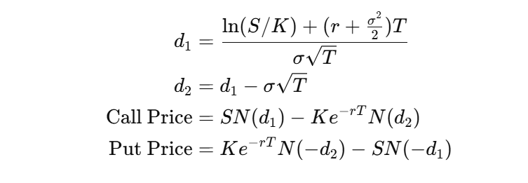

Assumptions of the Black-Scholes Model

1. Efficient Markets

Markets are frictionless: no transaction costs, taxes, or bid-ask spreads.

All participants have equal access to information.

Securities are perfectly divisible (can be traded in any amount).

2. European Option Style

The model assumes the option is European, meaning it can only be exercised at expiration, not before.

3. No Dividends Paid

The underlying asset does not pay any dividends or yields during the life of the option.

(An adjusted version of Black-Scholes accounts for dividends.)

4. Constant Risk-Free Rate (r)

The risk-free interest rate is known and remains constant throughout the life of the option.

5. Constant Volatility (σ)

The volatility of the underlying asset’s returns is:

Known in advance

Constant over time

In reality, volatility is not constant, leading to models like SABR, Heston, or local volatility models.

6. Lognormal Distribution of Returns

The price of the underlying asset follows a geometric Brownian motion, implying:

The log returns of the asset are normally distributed.

Hence, the asset price is lognormally distributed.

7. No Arbitrage

The market does not allow for arbitrage opportunities (riskless profit with no investment).

8. Continuous Trading and Hedging

The model assumes continuous trading of the underlying and continuous delta hedging.

You can rebalance your hedge as often as needed without cost.

9. Single Underlying Asset

The option is written on a single underlying asset (e.g., Nifty index, stock).

1M_IV_BS_Model
Date | Expiry | DTE | DTE to years | Strike | Spot | OptionType | IV(%) | MidPrice | OI | Risk-Free Rate (r) | d1 | d2 | Option Price | Calculate Volatility
2025-05-30 | 2025-06-30 | 30 | 0.082191780822 | 17000 | 24833.6 | C | 0.515 | 7900.825 | 2655 | 0.05 | 2.6701812168 | 2.5227964659 | 7900.8249723 | 0.51
2025-05-30 | 2025-06-30 | 30 | 0.082191780822 | 18000 | 24833.6 | C | 0.45 | 6904.625 | 1204 | 0.05 | 2.6565526876 | 2.5310518145 | 6904.0001395 | 0.44
2025-05-30 | 2025-06-30 | 30 | 0.082191780822 | 19000 | 24833.6 | C | 0.39 | 5915.05 | 1974 | 0.05 | 2.3052110782 | 2.1842810403 | 5915.0000023 | 0.42
2025-05-30 | 2025-06-30 | 30 | 0.082191780822 | 20000 | 24833.6 | C | 0.33 | 4920.975 | 5793 | 0.05 | 2.2069152559 | 2.1047914584 | 4920.0003359 | 0.36
2025-05-30 | 2025-06-30 | 30 | 0.082191780822 | 20450 | 24833.6 | C | 0.30 | 4508.625 | 7 | 0.05 | 1.7470615849 | 1.6298458628 | 4508.6249949 | 0.41
2025-05-30 | 2025-06-30 | 30 | 0.082191780822 | 17000 | 24833.6 | P | 0.55 | 3.3 | 1877 | 0.05 | 2.7519327878 | 2.6091700494 | 3.300060942 | 0.50
2025-05-30 | 2025-06-30 | 30 | 0.082191780822 | 18000 | 24833.6 | P | 0.14 | 3.45 | 5501 | 0.05 | 2.693311115 | 2.5696061698 | 3.450314551 | 0.43
2025-05-30 | 2025-06-30 | 30 | 0.082191780822 | 19000 | 24833.6 | P | 0.39 | 3.875 | 8571 | 0.05 | 2.558044384 | 2.4496278532 | 4.6496539992 | 0.38
2025-05-30 | 2025-06-30 | 30 | 0.082191780822 | 20000 | 24833.6 | P | 0.33 | 4.65 | 20400 | 0.05 | 2.5385719022 | 2.4503100701 | 3.9999543286 | 0.31
2025-05-30 | 2025-06-30 | 30 | 0.082191780822 | 20400 | 24833.6 | P | 0.30 | 4.55 | 97 | 0.05 | 2.4473424201 | 2.3640563261 | 4.9999893209 | 0.29

Call_IV smile/skew
Put_IV smile/skew

Call Calculate Volatility
Put Calculate Volatility

Consolidated Graph

Put_IV smile/skew

EWMA_Notes
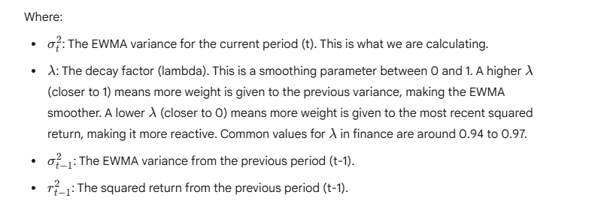
Exponentially Weighted Moving Average (EWMA) is a popular technique for forecasting volatility because it gives more weight to recent observations, making it more responsive to changes in market conditions. Here's a detailed, step-by-step guide to implementing EWMA in Excel, including how the input and output will look.

Understanding the EWMA Formula

The core formula for EWMA of volatility (specifically, EWMA of squared returns, which is the EWMA variance) is:

ARCH_Notes
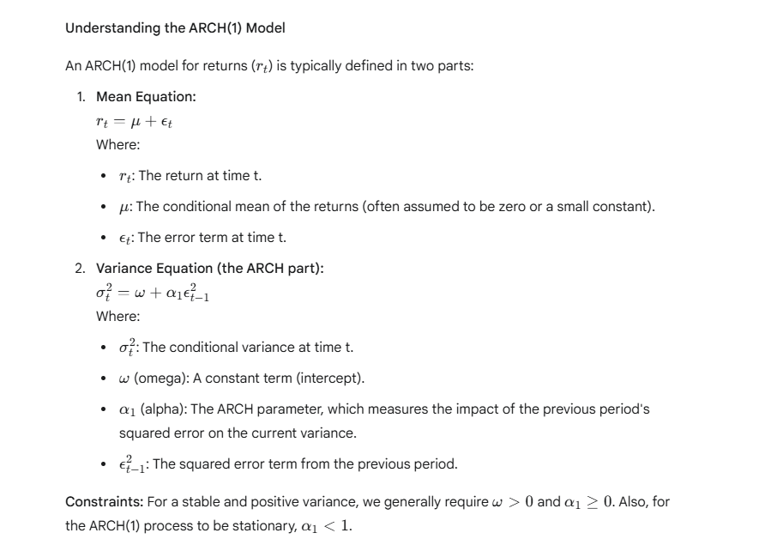

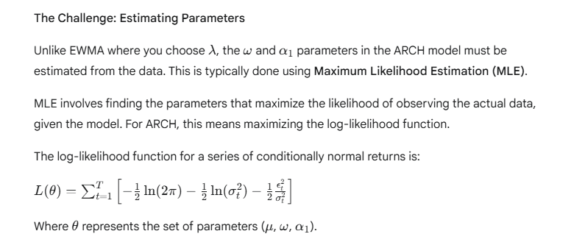

GARCH_Notes
