Dashboard
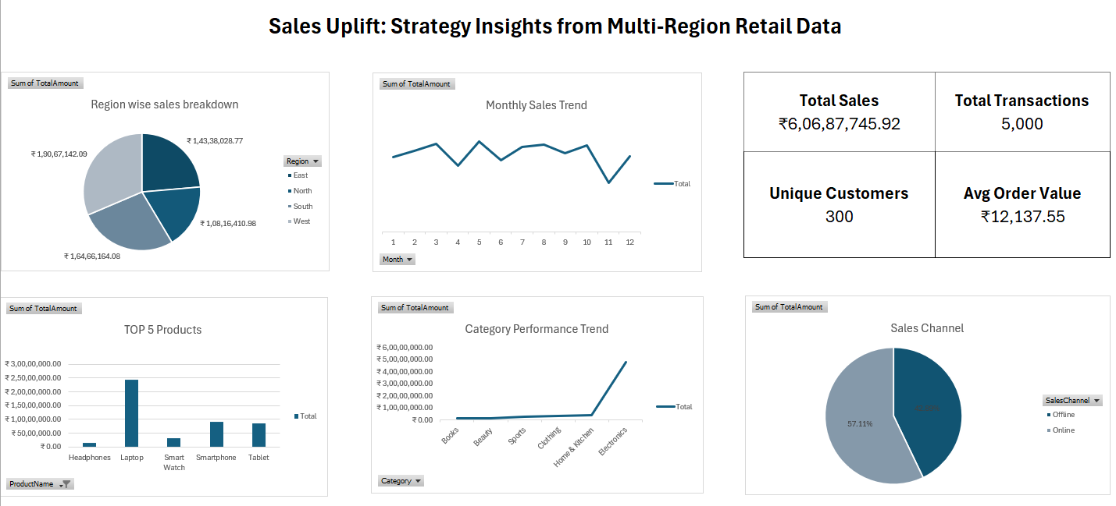

Region wise total sales
Region | Sum of TotalAmount
East | ₹14,338,028.77
North | ₹10,816,410.98
South | ₹16,466,164.08
West | ₹19,067,142.09
Grand Total | ₹60,687,745.92

Monthly sales
Month | Sum of TotalAmount
1 | ₹4,879,513.03
2 | ₹5,257,600.60
3 | ₹5,736,126.90
4 | ₹4,300,874.39
5 | ₹5,859,384.16
6 | ₹4,650,316.10
7 | ₹5,510,187.67
8 | ₹5,678,721.59
9 | ₹5,085,506.05
10 | ₹5,602,171.66
11 | ₹3,209,383.14
12 | ₹4,917,960.63
Grand Total | ₹60,687,745.92

Top 5 products
ProductName | Sum of TotalAmount
Laptop | ₹24,475,783.94
Smartphone | ₹9,123,388.54
Tablet | ₹8,645,753.93
Smart Watch | ₹3,094,560.46
Headphones | ₹1,567,025.45
Grand Total | ₹46,906,512.32

Category performance trend
Category | Sum of TotalAmount
Books | ₹1,125,481.40
Beauty | ₹1,414,869.26
Sports | ₹2,944,027.43
Clothing | ₹3,565,469.59
Home & Kitchen | ₹3,606,801.13
Electronics | ₹48,031,097.11
Grand Total | ₹60,687,745.92

Sales channel
SalesChannel | Sum of TotalAmount
Offline | 42.89%
Online | 57.11%
Grand Total | 100.00%

