State Transition Technique
Name: Davala Harshika Dayal Email: davala.dayal@coforge.com Employee Id: 85010906

State Transition Assignment

Test case Scenario 1: ATM Card Transaction
 |  | 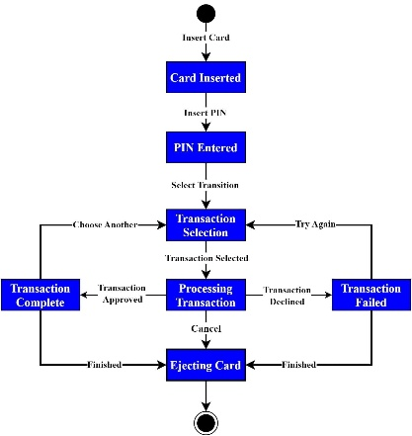

Test case Scenario 2: Login System
 | 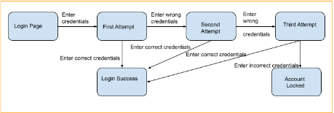

Test Case Scenario 3: Shopping Cart System
 | 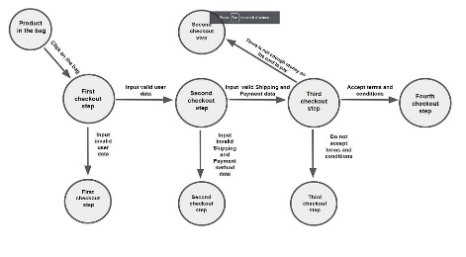

Test Case Scenario 4: Vending Machine
 | 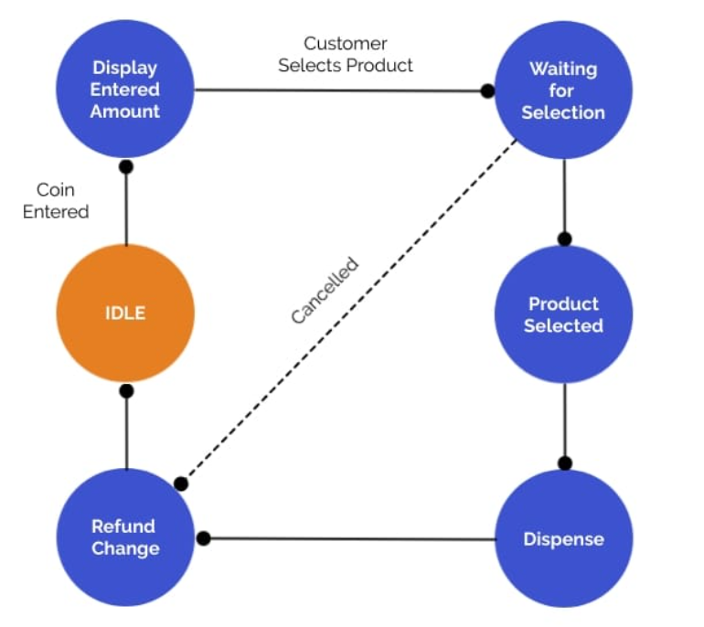

Test Case Scenario 5: Music Player
 | 