Block Diagram
Back
 | BLOCK DIAGRAM | BLOCK DIAGRAM WITH PART NUMBER

 | 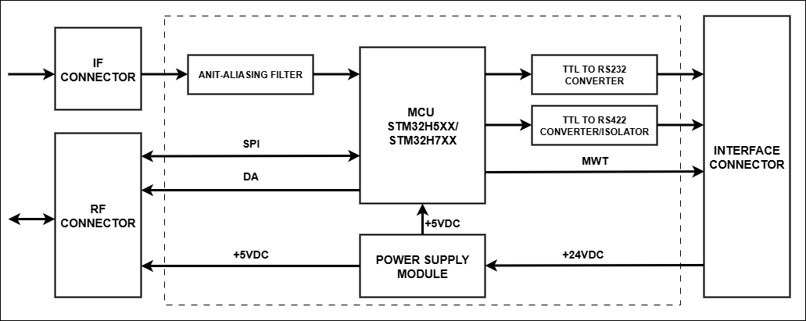 | 