Taxonomy Tree
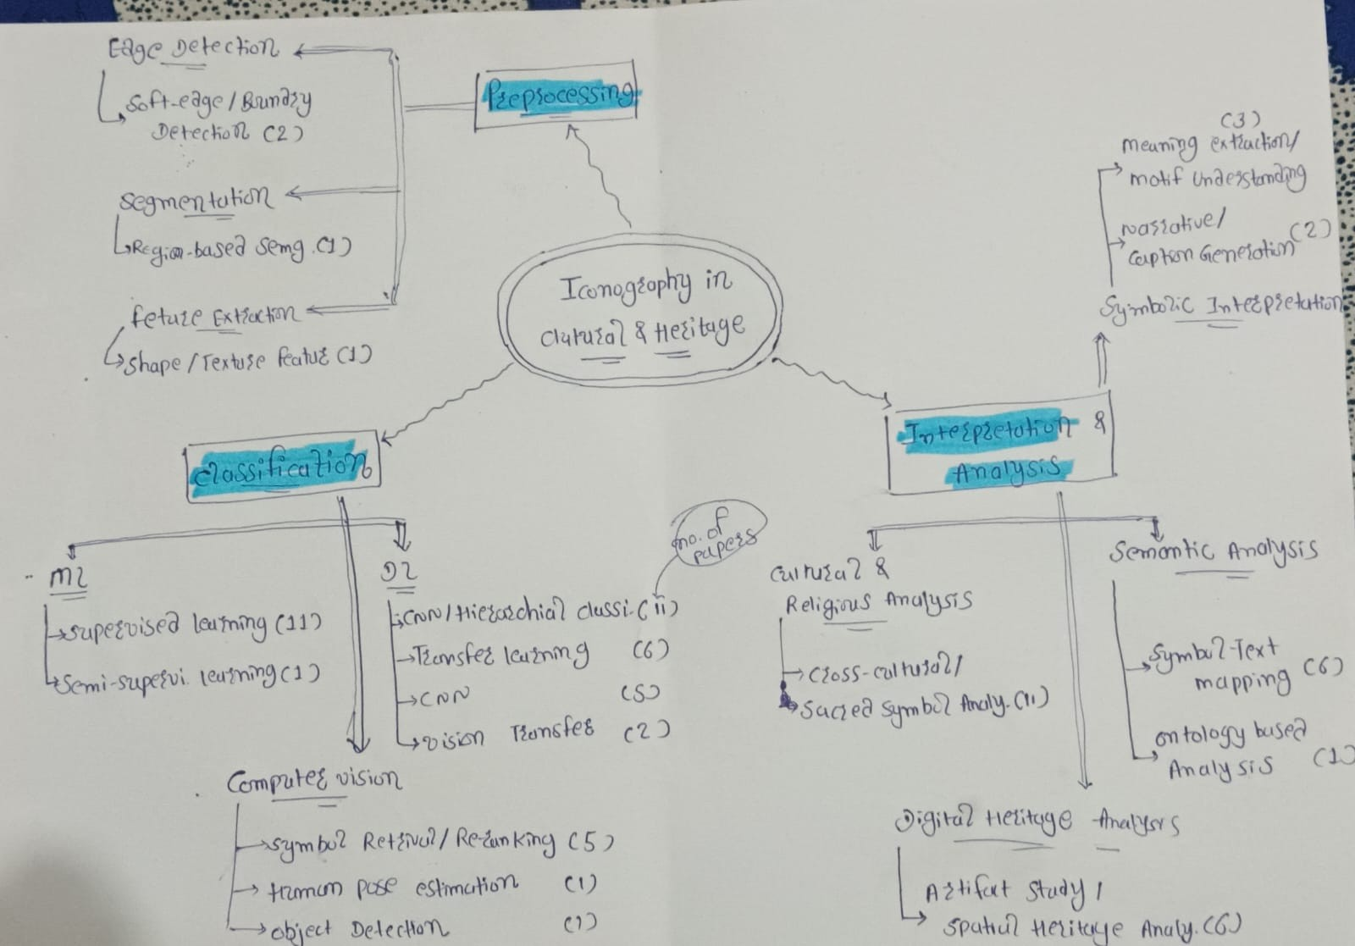
Stage / Method / Sub-method | Node | Coverage
Preprocessing
 | Edge Detection | 2 papers
 | - Soft-edge / Boundary Detection | 2 papers
 | Segmentation | 1 papers
 | - Region-based Segmentation | 1 papers
 | Feature Extraction | 1 papers
 | - Shape/Texture Features | 1 papers

Classification
 | Deep Learning | 24 papers
 | - CNN / Hierarchical Classification | 11 papers
 | - Transfer Learning / Multimodal Retrieval | 6 papers
 | - CNN | 5 papers
 | - Vision Transformers | 2 papers
 | Machine Learning | 12 papers
 | - Supervised Learning | 11 papers
 | - Semi-supervised Learning | 1 papers
 | Computer Vision | 7 papers
 | - Symbol Retrieval / Re-ranking | 5 papers
 | - Human Pose Estimation | 1 papers
 | - Object Detection | 1 papers

Interpretation & Analysis
 | Cultural & Religious Analysis | 11 papers
 | - Cross-cultural / Sacred Symbol Analysis | 11 papers
 | Semantic Analysis | 7 papers
 | - Symbol-Text Mapping | 6 papers
 | - Ontology-based Analysis | 1 papers
 | Digital Heritage Analysis | 6 papers
 | - Artifact Study / Spatial Heritage Analysis | 6 papers
 | Symbolic Interpretation | 5 papers
 | - Meaning Extraction / Motif Understanding | 3 papers
 | - Narrative / Caption Generation | 2 papers

