BLIP -FT
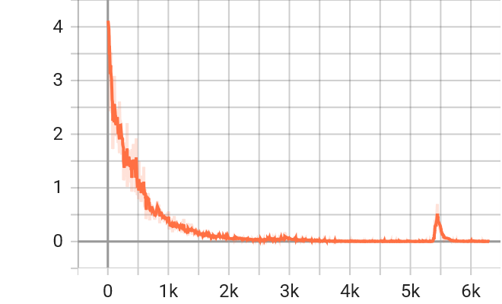

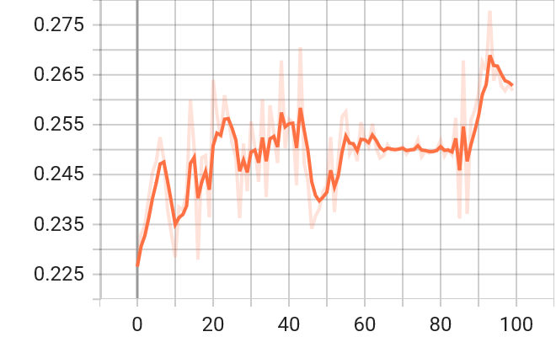

 |  |  |  |  |  |  | Training Loss
 |  |  |  |  |  |  |  |  |  |  |  |  |  |  |  | CHRF ++
 |  |  |  |  |  |  | 1.08 e-3
 |  |  |  |  |  |  |  |  |  |  |  |  |  |  |  | 0.262

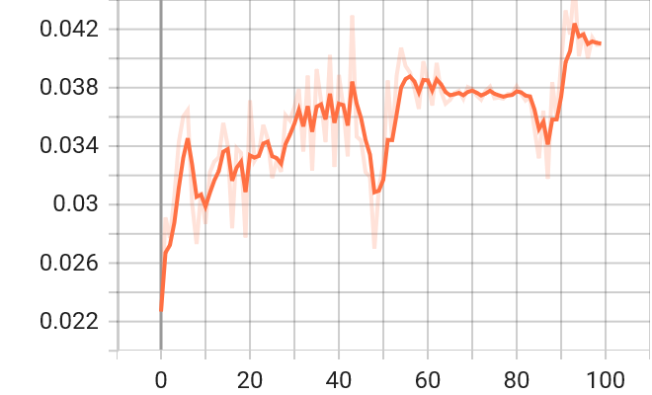
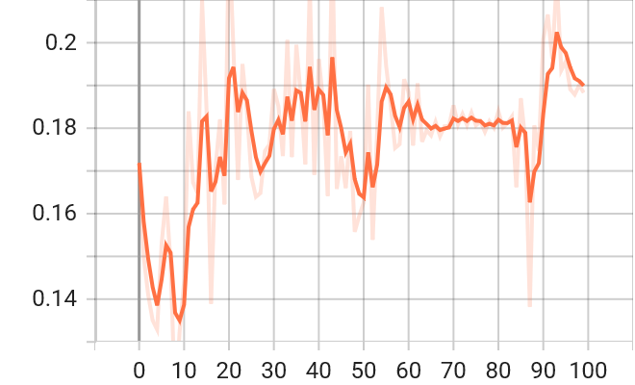
 |  |  |  |  |  |  | BLEU score

 |  |  |  |  |  |  | 0.04
 |  |  |  |  |  |  |  |  |  |  |  |  |  |  |  |  | Rogue

 |  |  |  |  |  |  |  |  |  |  |  |  |  |  |  |  | 0.189

 | Decoding |  |  |  |  | Base |  |  |  |  | FT |  |  |  | Ground Truth

 | Greedy |  | Caption |  | blue and yellow checked sari sari with blouse |  |  |  |  | soft cotton & silk saree for women half sarees under 349 2020 beautiful for women saree free size with blouse piece |  |  |  | women's blue color cotton silk checkered saree with blouse piece (folk blue_free size)

 |  |  | BLEU |  | 0 |  |  |  |  |  | 0
 |  |  | CHRF |  | 0.2312 |  |  |  |  |  | 0.3943
 |  |  | ROGUE |  | 0.2609 |  |  |  |  |  | 0.3429
test/14

 | Top K
 |  |  | K = 3 |  | K = 5 |  | K = 8 |  |  | K = 3 |  | K = 5 |  | K = 8
 |  | T = 0.3 | BLEU | 0 | BLEU | 0 | BLEU | 0 | T = 0.3 | BLEU | 0 | BLEU | 0 | BLEU | 0
 |  |  | CHRF | 0.2312 | CHRF | 0.2918 | CHRF | 0.2312 |  | CHRF | 0.3943 | CHRF | 0.3943 | CHRF | 0.3943
 |  |  | ROGUE | 0.2609 | ROGUE | 0.3636 | ROGUE | 0.2609 |  | ROGUE | 0.3429 | ROGUE | 0.3429 | ROGUE | 0.3429
 |  | T = 0.5 | BLEU | 0 | BLEU | 0 | BLEU | 0 | T = 0.5 | BLEU | 0 | BLEU | 0 | BLEU | 0
 |  |  | CHRF | 0.1371 | CHRF | 0.1333 | CHRF | 0.1626 |  | CHRF | 0.0749 | CHRF | 0.3943 | CHRF | 0.0749
 |  |  | ROGUE | 0.1 | ROGUE | 0.0833 | ROGUE | 0.1739 |  | ROGUE | 0.2353 | ROGUE | 0.3429 | ROGUE | 0.2353
 |  | T = 0.8 | BLEU | 0 | BLEU | 0 | BLEU | 0 | T = 0.8 | BLEU | 0 | BLEU | 0 | BLEU | 0
 |  |  | CHRF | 0.2297 | CHRF | 0.1239 | CHRF | 0.0663 |  | CHRF | 0.0749 | CHRF | 0.1696 | CHRF | 0.3943
 |  |  | ROGUE | 0.2857 | ROGUE | 0.0952 | ROGUE | 0.1 |  | ROGUE | 0.2353 | ROGUE | 0.129 | ROGUE | 0.3429

 | Top P
 |  |  | P = 0.3 |  | P = 0.5 |  | P = 0.8 |  |  | P = 0.3 |  | P = 0.5 |  | P = 0.8
 |  | T = 0.3 | BLEU | 0 | BLEU | 0 | BLEU | 0 | T = 0.3 | BLEU | 0 | BLEU | 0 | BLEU | 0
 |  |  | CHRF | 0.2312 | CHRF | 0.2312 | CHRF | 0.2447 |  | CHRF | 0.3943 | CHRF | 0.3943 | CHRF | 0.3943
 |  |  | ROGUE | 0.2609 | ROGUE | 0.2609 | ROGUE | 0.2609 |  | ROGUE | 0.3429 | ROGUE | 0.3429 | ROGUE | 0.3429
 |  | T = 0.5 | BLEU | 0 | BLEU | 0 | BLEU | 0 | T = 0.5 | BLEU | 0 | BLEU | 0 | BLEU | 0
 |  |  | CHRF | 0.2312 | CHRF | 0.2752 | CHRF | 0.3133 |  | CHRF | 0.3943 | CHRF | 0.3943 | CHRF | 0.0749
 |  |  | ROGUE | 0.2609 | ROGUE | 0.3478 | ROGUE | 0.3478 |  | ROGUE | 0.3429 | ROGUE | 0.3429 | ROGUE | 0.2353
 |  | T = 0.8 | BLEU | 0 | BLEU | 0 | BLEU | 0 | T = 0.8 | BLEU | 0 | BLEU | 0 | BLEU | 0
 |  |  | CHRF | 0.2312 | CHRF | 0.2719 | CHRF | 0.2647 |  | CHRF | 0.3943 | CHRF | 0.0749 | CHRF | 0.3943
 |  |  | ROGUE | 0.2609 | ROGUE | 0.3478 | ROGUE | 0.25 |  | ROGUE | 0.3429 | ROGUE | 0.2353 | ROGUE | 0.3429

