C1
CLIENTE | ITEM | DNI | TELEFONO | ITEM | PRODUCTO | CANTIDAD | PRECIO UNITARIO | ANTIDUMPING | VALORACION | AD VALOREM | PERCEPCION | PESO | VOL. SELECCIONADO
 |  |  |  |  |  |  |  | #REF!

 |  |  |  | COUNTRY OF ORIGINE: NINGBO , CHINA
 |  |  |  | INCOTERMS: FOB - NINGBO
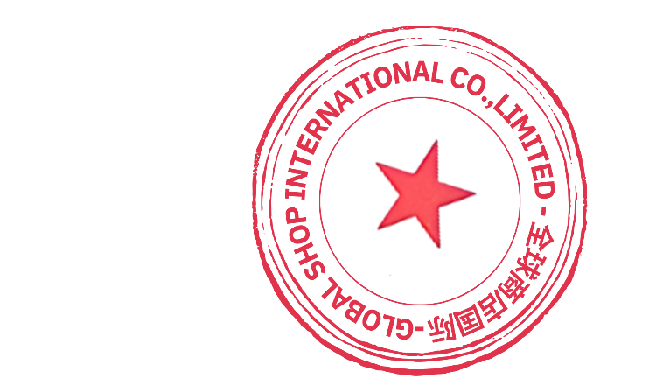
 |  |  |  | Bank Details:
 | Intermediary Bank: BANK OF AMERICA N.A.NEW YORK BRANCH |  |  | **
 | SWIFT BIC: BOFAUS3N

 | Beneficiary Bank: ZHEJIANG CHOUZHOU COMMERCIAL BANK |  |  | **
 | SWIFT BIC: CZCBCN2X
 | City: YIWU
 | Province: ZHEJIANG
 | Country: CHINA

 | Beneficiary Name: GLOBAL SHOP INTERNATIONAL COMPANY LIMITED |  |  | **
 | Beneficiary Account: NRA15602002010590029396
 | Company Address: ROOM 803 8/E EASEY COMERCIAL BUILDING 253 - 261 HENNESSY ROAD WAN CHAI, HONG KONG CHINA

