VINS 2025
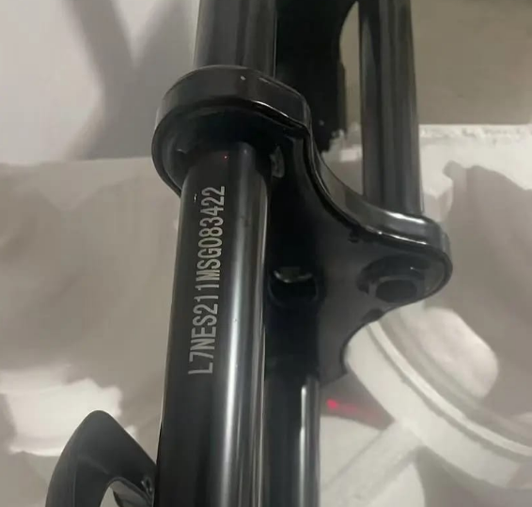
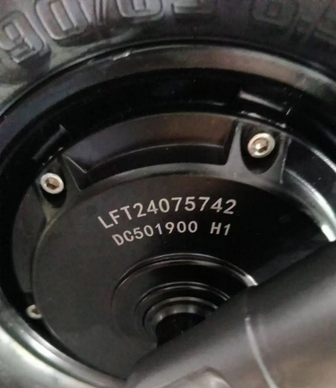
CLIENTE | N | PICTURE OF PRODUCT | MODEL | VIN NUMBER | MOTOR NUMBER | The VIN codes must be engraved on the structure of the products, these must be irremovable with laser, plates or stickers are not accepted It is mandatory that the letter L is first in the numbering and the letter S is in the tenth position, the VIN code must have a maximum of 17 digits and must be accompanied by an engine code
 | 1
 | 2
 | 3
 | 4
 | 5
 | 6
 | 7
 | 8
 | 9
 | 10
 | 11
 | 12
 | 13 |  |  |  |  | VIN码必须刻在产品的结构上，这些必须不能用激光去除，不接受板材或贴纸 编号中字母 L 必须位于第一位，字母 R 位于第十位，VIN 代码最多必须有 17 位数字，并且必须附有发动机代码
 | 14
 | 15
 | 16
 | 17
 | 18

 |  |  |  |  |  |  | CÓDIGO VIN | CÓDIGO MOTOR

