Security Hotspot Changes
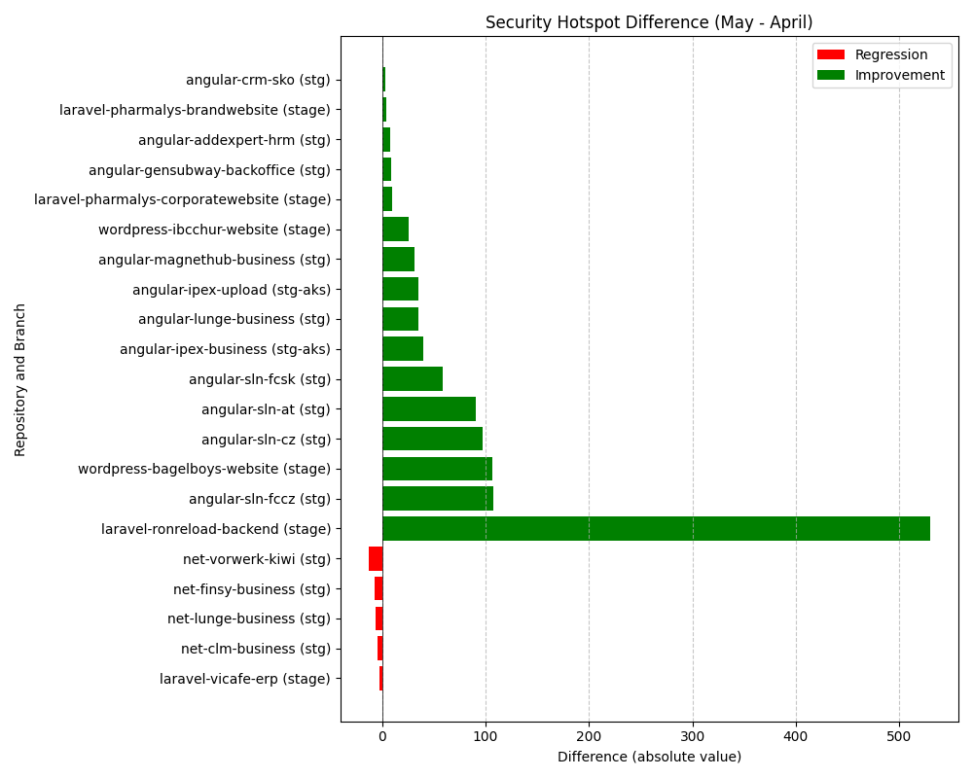
Repository Name | Branch | Clean Name | Security Hotspot (first) | Security Hotspot (second) | Security Hotspot Difference
l3-net-finsy-business | stg | net-finsy-business | 34 | 41 | 7
l3-angular-ipex-business | stg-aks | angular-ipex-business | 76 | 36 | -40
SELISEdigitalplatforms_l3-net-vorwerk-kiwi_f8adebe8-80cd-45a9-ac02-b4bde0019fd0 | stg | net-vorwerk-kiwi | 6 | 19 | 13
SELISEdigitalplatforms_l3-angular-sln-at_AYrGamu0_aRx5xCzLxUn | stg | angular-sln-at | 195 | 104 | -91
l3-laravel-pharmalys-corporatewebsite | stage | laravel-pharmalys-corporatewebsite | 14 | 4 | -10
SELISEdigitalplatforms_l3-wordpress-bagelboys-website_AY-P2f3cgH6yUMlbh8Ti | stage | wordpress-bagelboys-website | 149 | 42 | -107
l3-angular-lunge-business | stg | angular-lunge-business | 68 | 33 | -35
SELISEdigitalplatforms_l3-net-clm-business_AYr6qlBR_aRx5xCzLyR9 | stg | net-clm-business | 62 | 66 | 4
l3-laravel-pharmalys-brandwebsite | stage | laravel-pharmalys-brandwebsite | 15 | 11 | -4
SELISEdigitalplatforms_l3-angular-magnethub-business_AYqsBO3m_aRx5xCzLwzS | stg | angular-magnethub-business | 42 | 11 | -31
SELISEdigitalplatforms_l3-wordpress-ibcchur-website_AY8FxhuFID568PNnQuue | stage | wordpress-ibcchur-website | 54 | 28 | -26
l3-angular-crm-sko | stg | angular-crm-sko | 52 | 49 | -3
SELISEdigitalplatforms_l3-angular-ipex-upload_e8004eb2-02fb-433d-a4c8-b92f31fe7456 | stg-aks | angular-ipex-upload | 53 | 18 | -35
l3-net-lunge-business | stg | net-lunge-business | 30 | 36 | 6
SELISEdigitalplatforms_l3-angular-gensubway-backoffice_AYmGu4qY_aRx5xCzLszk | stg | angular-gensubway-backoffice | 22 | 13 | -9
l3-laravel-vicafe-erp | stage | laravel-vicafe-erp | 1 | 3 | 2
l3-angular-sln-cz | stg | angular-sln-cz | 214 | 117 | -97
SELISEdigitalplatforms_l3-laravel-ronreload-backend_c8d81364-6b85-475d-a873-9664d0789076 | stage | laravel-ronreload-backend | 634 | 104 | -530
SELISEdigitalplatforms_l3-angular-addexpert-hrm_AYqr4KMc_aRx5xCzLwyo | stg | angular-addexpert-hrm | 15 | 7 | -8
l3-angular-sln-fcsk | stg | angular-sln-fcsk | 103 | 44 | -59
l3-angular-sln-fccz | stg | angular-sln-fccz | 210 | 102 | -108

