Code Smell Changes
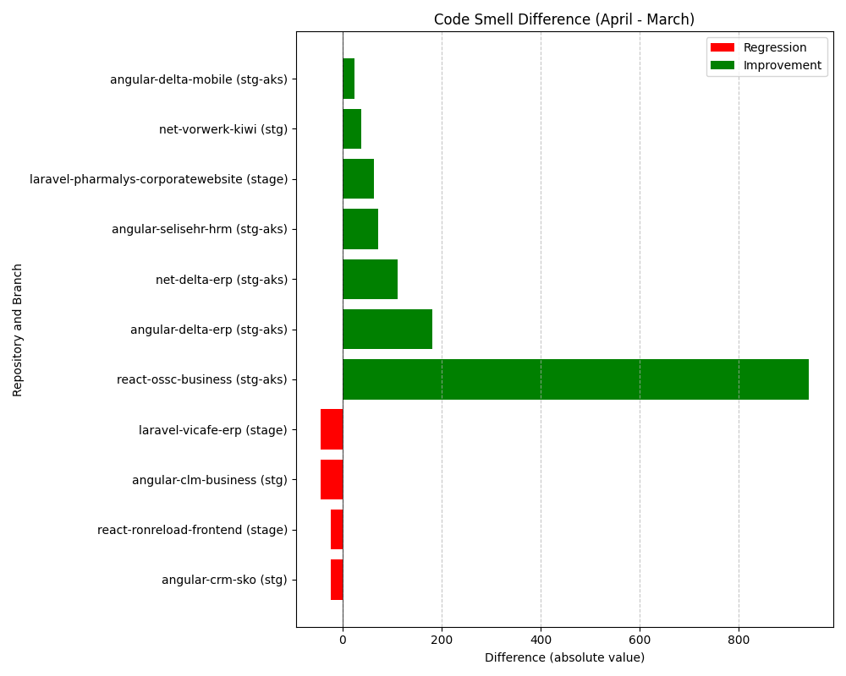
Repository Name | Branch | Clean Name | Code Smell (March) | Code Smell (April) | Code Smell Difference
l3-laravel-pharmalys-corporatewebsite | stage | laravel-pharmalys-corporatewebsite | 571 | 507 | -64
l3-angular-clm-business | stg | angular-clm-business | 1398 | 1441 | 43
SELISEdigitalplatforms_l3-angular-delta-erp_AZFBCY8TgH6yUMlbiA0m | stg-aks | angular-delta-erp | 14087 | 13906 | -181
l3-angular-crm-sko | stg | angular-crm-sko | 9951 | 9974 | 23
SELISEdigitalplatforms_l3-net-vorwerk-kiwi_f8adebe8-80cd-45a9-ac02-b4bde0019fd0 | stg | net-vorwerk-kiwi | 3963 | 3924 | -39
SELISEdigitalplatforms_l3-angular-delta-mobile_AZFBJG1xgH6yUMlbiA1W | stg-aks | angular-delta-mobile | 1827 | 1802 | -25
SELISEdigitalplatforms_l3-react-ossc-business_4e7c4210-63ef-4211-98a6-ca974f31e2cf | stg-aks | react-ossc-business | 1530 | 589 | -941
SELISEdigitalplatforms_l3-react-ronreload-frontend_af4cf0c3-5db4-4fbd-a153-4f5b0e7c58ae | stage | react-ronreload-frontend | 5964 | 5987 | 23
l3-laravel-vicafe-erp | stage | laravel-vicafe-erp | 3329 | 3373 | 44
SELISEdigitalplatforms_l3-angular-selisehr-hrm_cabf2e67-0760-4b87-b530-f7edbc488768 | stg-aks | angular-selisehr-hrm | 2721 | 2649 | -72
l3-net-delta-erp | stg-aks | net-delta-erp | 1800 | 1688 | -112

