Duplications Changes
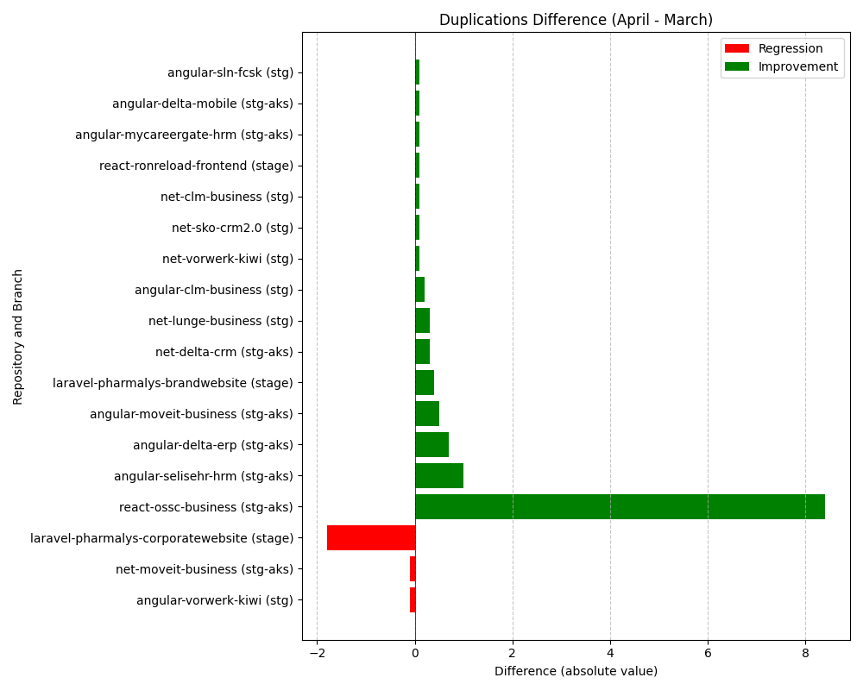
Repository Name | Branch | Clean Name | Duplications (March) | Duplications (April) | Duplications Difference
l3-laravel-pharmalys-corporatewebsite | stage | laravel-pharmalys-corporatewebsite | 28.6 | 30.4 | 1.8
l3-angular-clm-business | stg | angular-clm-business | 19.8 | 19.6 | -0.2
SELISEdigitalplatforms_l3-angular-delta-erp_AZFBCY8TgH6yUMlbiA0m | stg-aks | angular-delta-erp | 23.5 | 22.8 | -0.7
l3-angular-sln-fcsk | stg | angular-sln-fcsk | 22.7 | 22.6 | -0.1
SELISEdigitalplatforms_l3-angular-vorwerk-kiwi_17ed2fd4-96a0-4343-81ad-9e8cf3fa6c59 | stg | angular-vorwerk-kiwi | 14.3 | 14.4 | 0.1
SELISEdigitalplatforms_l3-angular-moveit-business_AZFGoVgpgH6yUMlbiCAj | stg-aks | angular-moveit-business | 21.8 | 21.3 | -0.5
SELISEdigitalplatforms_l3-net-vorwerk-kiwi_f8adebe8-80cd-45a9-ac02-b4bde0019fd0 | stg | net-vorwerk-kiwi | 23.6 | 23.5 | -0.1
SELISEdigitalplatforms_l3-angular-delta-mobile_AZFBJG1xgH6yUMlbiA1W | stg-aks | angular-delta-mobile | 6.6 | 6.5 | -0.1
SELISEdigitalplatforms_l3-react-ossc-business_4e7c4210-63ef-4211-98a6-ca974f31e2cf | stg-aks | react-ossc-business | 26.9 | 18.5 | -8.4
SELISEdigitalplatforms_l3-react-ronreload-frontend_af4cf0c3-5db4-4fbd-a153-4f5b0e7c58ae | stage | react-ronreload-frontend | 8.7 | 8.6 | -0.1
l3-net-lunge-business | stg | net-lunge-business | 5.3 | 5 | -0.3
SELISEdigitalplatforms_l3-net-clm-business_AYr6qlBR_aRx5xCzLyR9 | stg | net-clm-business | 15.4 | 15.3 | -0.1
SELISEdigitalplatforms_l3-angular-selisehr-hrm_cabf2e67-0760-4b87-b530-f7edbc488768 | stg-aks | angular-selisehr-hrm | 5.9 | 4.9 | -1
l3-net-moveit-business | stg-aks | net-moveit-business | 1 | 1.1 | 0.1
l3-laravel-pharmalys-brandwebsite | stage | laravel-pharmalys-brandwebsite | 27.7 | 27.3 | -0.4
SELISEdigitalplatforms_l3-net-sko-crm2.0_AY5wOQvUQHRMk2aGGAYZ | stg | net-sko-crm2.0 | 1.7 | 1.6 | -0.1
SELISEdigitalplatforms_l3-angular-mycareergate-hrm_AZFGqD1LgH6yUMlbiCBA | stg-aks | angular-mycareergate-hrm | 9 | 8.9 | -0.1
l3-net-delta-crm | stg-aks | net-delta-crm | 5.9 | 5.6 | -0.3

