Code Smell Changes
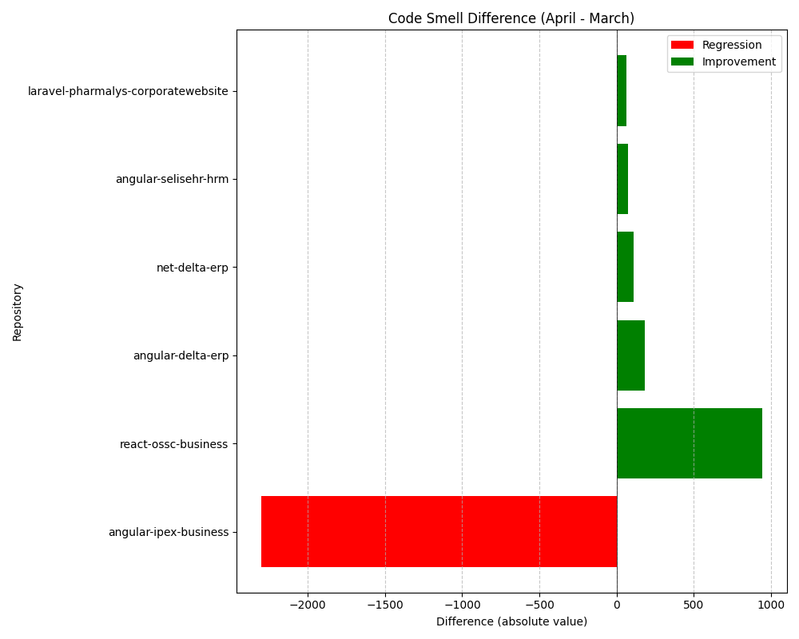
Repository Name | Clean Name | Code Smell (March) | Code Smell (April) | Code Smell Difference
l3-laravel-pharmalys-corporatewebsite | laravel-pharmalys-corporatewebsite | 571 | 507 | -64
SELISEdigitalplatforms_l3-react-ossc-business_4e7c4210-63ef-4211-98a6-ca974f31e2cf | react-ossc-business | 1530 | 589 | -941
SELISEdigitalplatforms_l3-angular-delta-erp_AZFBCY8TgH6yUMlbiA0m | angular-delta-erp | 14087 | 13906 | -181
SELISEdigitalplatforms_l3-angular-selisehr-hrm_cabf2e67-0760-4b87-b530-f7edbc488768 | angular-selisehr-hrm | 2721 | 2649 | -72
l3-net-delta-erp | net-delta-erp | 1800 | 1688 | -112
l3-angular-ipex-business | angular-ipex-business | 2190 | 4489 | 2299

