Security Hotspot Changes
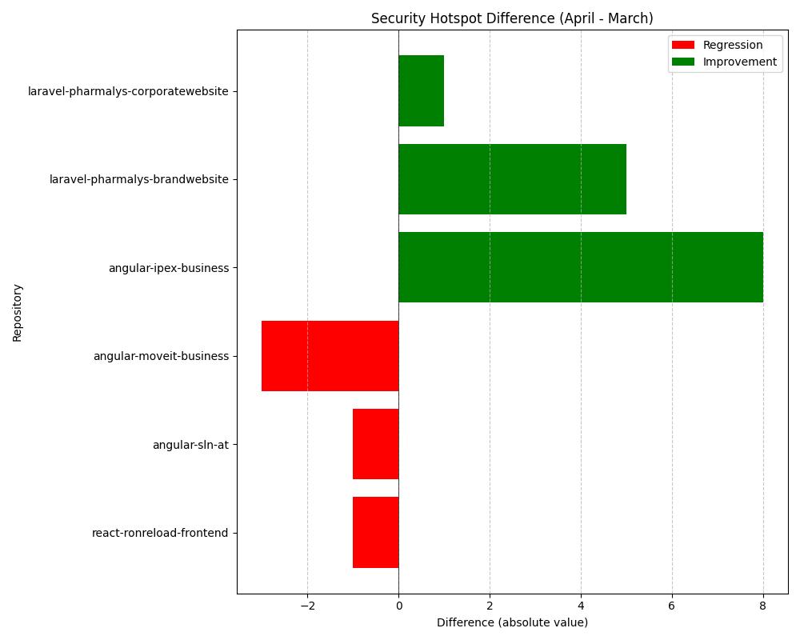
Repository Name | Clean Name | Security Hotspot (March) | Security Hotspot (April) | Security Hotspot Difference
SELISEdigitalplatforms_l3-react-ronreload-frontend_af4cf0c3-5db4-4fbd-a153-4f5b0e7c58ae | react-ronreload-frontend | 13 | 14 | 1
l3-laravel-pharmalys-corporatewebsite | laravel-pharmalys-corporatewebsite | 15 | 14 | -1
SELISEdigitalplatforms_l3-angular-sln-at_AYrGamu0_aRx5xCzLxUn | angular-sln-at | 194 | 195 | 1
l3-laravel-pharmalys-brandwebsite | laravel-pharmalys-brandwebsite | 20 | 15 | -5
SELISEdigitalplatforms_l3-angular-moveit-business_AZFGoVgpgH6yUMlbiCAj | angular-moveit-business | 0 | 3 | 3
l3-angular-ipex-business | angular-ipex-business | 84 | 76 | -8

