Code Smell Changes
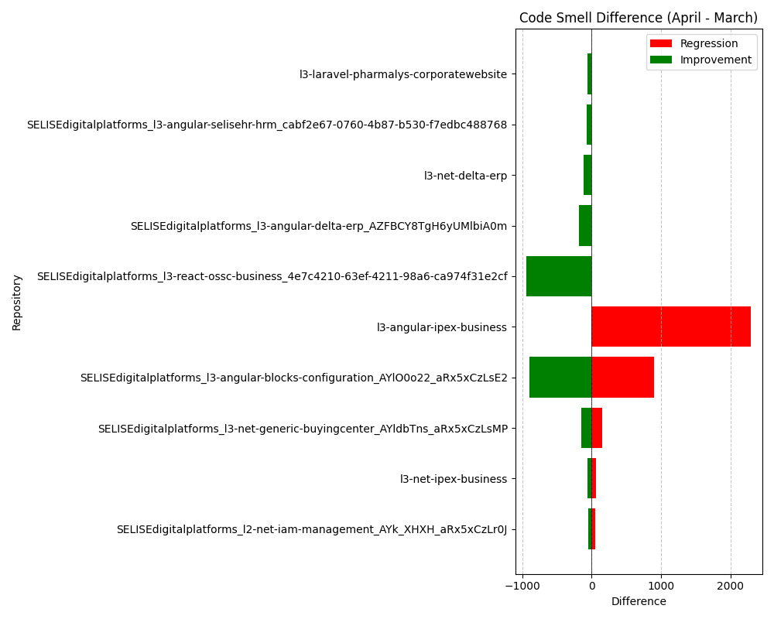
Repository Name | Code Smell (March) | Code Smell (April) | Code Smell Difference
SELISEdigitalplatforms_l2-net-iam-management_AYk_XHXH_aRx5xCzLr0J | 173 | 122 | -51
SELISEdigitalplatforms_l2-net-iam-management_AYk_XHXH_aRx5xCzLr0J | 122 | 173 | 51
SELISEdigitalplatforms_l3-angular-blocks-configuration_AYlO0o22_aRx5xCzLsE2 | 596 | 1490 | 894
SELISEdigitalplatforms_l3-angular-blocks-configuration_AYlO0o22_aRx5xCzLsE2 | 1489 | 596 | -893
SELISEdigitalplatforms_l3-angular-delta-erp_AZFBCY8TgH6yUMlbiA0m | 14087 | 13906 | -181
l3-angular-ipex-business | 2190 | 4489 | 2299
SELISEdigitalplatforms_l3-angular-selisehr-hrm_cabf2e67-0760-4b87-b530-f7edbc488768 | 2721 | 2649 | -72
l3-laravel-pharmalys-corporatewebsite | 571 | 507 | -64
l3-net-delta-erp | 1800 | 1688 | -112
SELISEdigitalplatforms_l3-net-generic-buyingcenter_AYldbTns_aRx5xCzLsMP | 375 | 229 | -146
SELISEdigitalplatforms_l3-net-generic-buyingcenter_AYldbTns_aRx5xCzLsMP | 229 | 375 | 146
l3-net-ipex-business | 597 | 534 | -63
l3-net-ipex-business | 534 | 597 | 63
SELISEdigitalplatforms_l3-react-ossc-business_4e7c4210-63ef-4211-98a6-ca974f31e2cf | 1530 | 589 | -941

