Duplications Changes
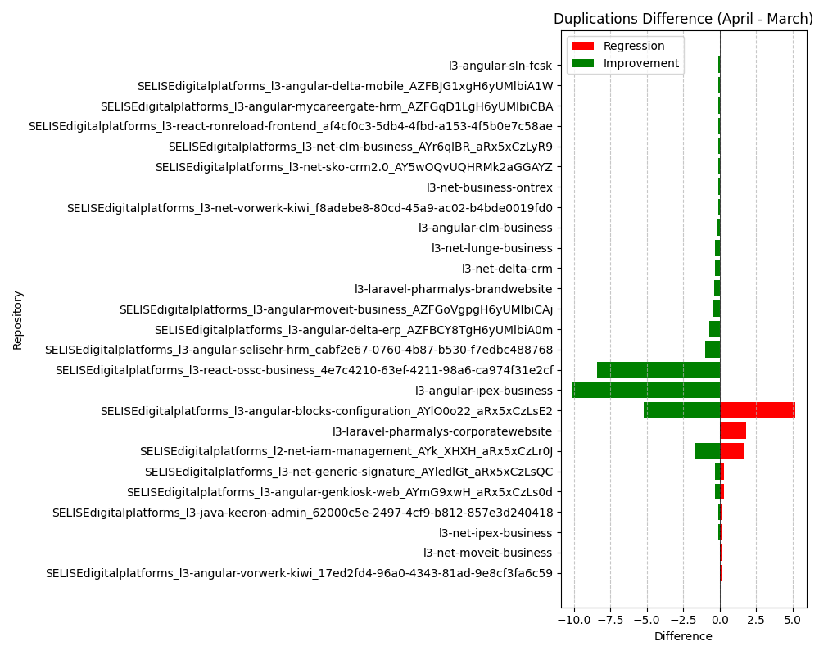
Repository Name | Duplications (March) | Duplications (April) | Duplications Difference
SELISEdigitalplatforms_l3-java-keeron-admin_62000c5e-2497-4cf9-b812-857e3d240418 | 2.5 | 2.4 | -0.1
SELISEdigitalplatforms_l3-java-keeron-admin_62000c5e-2497-4cf9-b812-857e3d240418 | 2.4 | 2.5 | 0.1
SELISEdigitalplatforms_l2-net-iam-management_AYk_XHXH_aRx5xCzLr0J | 8.8 | 10.5 | 1.7
SELISEdigitalplatforms_l2-net-iam-management_AYk_XHXH_aRx5xCzLr0J | 10.5 | 8.8 | -1.7
SELISEdigitalplatforms_l3-angular-blocks-configuration_AYlO0o22_aRx5xCzLsE2 | 13.6 | 8.4 | -5.2
SELISEdigitalplatforms_l3-angular-blocks-configuration_AYlO0o22_aRx5xCzLsE2 | 8.4 | 13.6 | 5.2
l3-angular-clm-business | 19.8 | 19.6 | -0.2
SELISEdigitalplatforms_l3-angular-delta-erp_AZFBCY8TgH6yUMlbiA0m | 23.5 | 22.8 | -0.7
SELISEdigitalplatforms_l3-angular-delta-mobile_AZFBJG1xgH6yUMlbiA1W | 6.6 | 6.5 | -0.1
SELISEdigitalplatforms_l3-angular-genkiosk-web_AYmG9xwH_aRx5xCzLs0d | 5.3 | 5 | -0.3
SELISEdigitalplatforms_l3-angular-genkiosk-web_AYmG9xwH_aRx5xCzLs0d | 5 | 5.3 | 0.3
l3-angular-ipex-business | 14 | 3.9 | -10.1
SELISEdigitalplatforms_l3-angular-moveit-business_AZFGoVgpgH6yUMlbiCAj | 21.8 | 21.3 | -0.5
SELISEdigitalplatforms_l3-angular-mycareergate-hrm_AZFGqD1LgH6yUMlbiCBA | 9 | 8.9 | -0.1
SELISEdigitalplatforms_l3-angular-selisehr-hrm_cabf2e67-0760-4b87-b530-f7edbc488768 | 5.9 | 4.9 | -1
l3-angular-sln-fcsk | 22.7 | 22.6 | -0.1
SELISEdigitalplatforms_l3-angular-vorwerk-kiwi_17ed2fd4-96a0-4343-81ad-9e8cf3fa6c59 | 14.3 | 14.4 | 0.1
l3-laravel-pharmalys-brandwebsite | 27.7 | 27.3 | -0.4
l3-laravel-pharmalys-corporatewebsite | 28.6 | 30.4 | 1.8
l3-net-business-ontrex | 4.2 | 4.1 | -0.1
SELISEdigitalplatforms_l3-net-clm-business_AYr6qlBR_aRx5xCzLyR9 | 15.4 | 15.3 | -0.1
l3-net-delta-crm | 5.9 | 5.6 | -0.3
SELISEdigitalplatforms_l3-net-generic-signature_AYledlGt_aRx5xCzLsQC | 13.6 | 13.9 | 0.3
SELISEdigitalplatforms_l3-net-generic-signature_AYledlGt_aRx5xCzLsQC | 13.9 | 13.6 | -0.3
l3-net-ipex-business | 2.9 | 3 | 0.1
l3-net-ipex-business | 3 | 2.9 | -0.1
l3-net-lunge-business | 5.3 | 5 | -0.3
l3-net-moveit-business | 1 | 1.1 | 0.1
SELISEdigitalplatforms_l3-net-sko-crm2.0_AY5wOQvUQHRMk2aGGAYZ | 1.7 | 1.6 | -0.1
SELISEdigitalplatforms_l3-net-vorwerk-kiwi_f8adebe8-80cd-45a9-ac02-b4bde0019fd0 | 23.6 | 23.5 | -0.1
SELISEdigitalplatforms_l3-react-ossc-business_4e7c4210-63ef-4211-98a6-ca974f31e2cf | 26.9 | 18.5 | -8.4
SELISEdigitalplatforms_l3-react-ronreload-frontend_af4cf0c3-5db4-4fbd-a153-4f5b0e7c58ae | 8.7 | 8.6 | -0.1

