Security Hotspot Changes
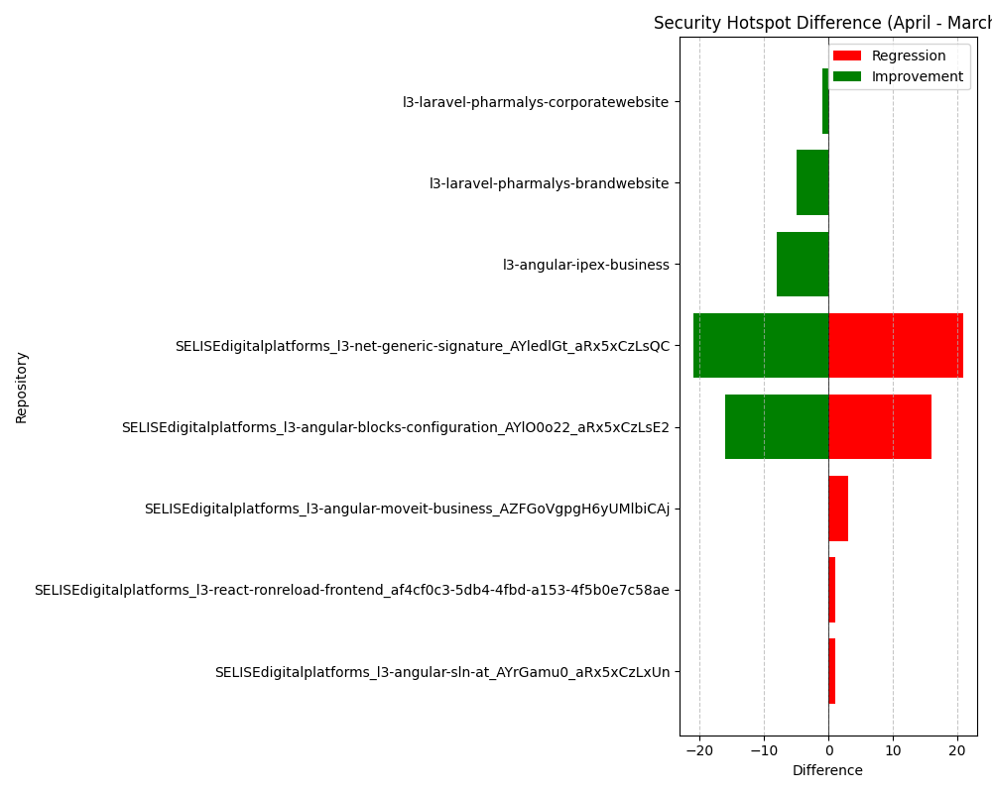
Repository Name | Security Hotspot (March) | Security Hotspot (April) | Security Hotspot Difference
SELISEdigitalplatforms_l3-angular-blocks-configuration_AYlO0o22_aRx5xCzLsE2 | 33 | 49 | 16
SELISEdigitalplatforms_l3-angular-blocks-configuration_AYlO0o22_aRx5xCzLsE2 | 49 | 33 | -16
l3-angular-ipex-business | 84 | 76 | -8
SELISEdigitalplatforms_l3-angular-moveit-business_AZFGoVgpgH6yUMlbiCAj | 0 | 3 | 3
SELISEdigitalplatforms_l3-angular-sln-at_AYrGamu0_aRx5xCzLxUn | 194 | 195 | 1
l3-laravel-pharmalys-brandwebsite | 20 | 15 | -5
l3-laravel-pharmalys-corporatewebsite | 15 | 14 | -1
SELISEdigitalplatforms_l3-net-generic-signature_AYledlGt_aRx5xCzLsQC | 23 | 44 | 21
SELISEdigitalplatforms_l3-net-generic-signature_AYledlGt_aRx5xCzLsQC | 44 | 23 | -21
SELISEdigitalplatforms_l3-react-ronreload-frontend_af4cf0c3-5db4-4fbd-a153-4f5b0e7c58ae | 13 | 14 | 1

