Code Smell Changes
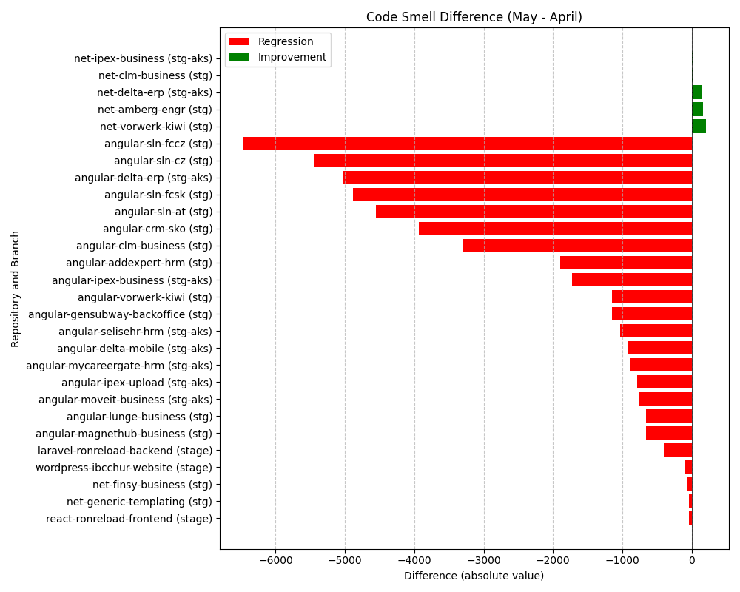
Repository Name | Branch | Clean Name | Code Smell (first) | Code Smell (second) | Code Smell Difference
SELISEdigitalplatforms_l3-angular-delta-erp_AZFBCY8TgH6yUMlbiA0m | stg-aks | angular-delta-erp | 13906 | 18942 | 5036
SELISEdigitalplatforms_l3-angular-mycareergate-hrm_AZFGqD1LgH6yUMlbiCBA | stg-aks | angular-mycareergate-hrm | 2404 | 3295 | 891
SELISEdigitalplatforms_l3-angular-vorwerk-kiwi_17ed2fd4-96a0-4343-81ad-9e8cf3fa6c59 | stg | angular-vorwerk-kiwi | 3983 | 5136 | 1153
SELISEdigitalplatforms_l3-angular-sln-at_AYrGamu0_aRx5xCzLxUn | stg | angular-sln-at | 12113 | 16666 | 4553
SELISEdigitalplatforms_l3-angular-delta-mobile_AZFBJG1xgH6yUMlbiA1W | stg-aks | angular-delta-mobile | 1802 | 2717 | 915
l3-angular-lunge-business | stg | angular-lunge-business | 980 | 1640 | 660
SELISEdigitalplatforms_l3-angular-moveit-business_AZFGoVgpgH6yUMlbiCAj | stg-aks | angular-moveit-business | 745 | 1513 | 768
SELISEdigitalplatforms_l3-react-ronreload-frontend_af4cf0c3-5db4-4fbd-a153-4f5b0e7c58ae | stage | react-ronreload-frontend | 5987 | 6024 | 37
SELISEdigitalplatforms_l3-angular-selisehr-hrm_cabf2e67-0760-4b87-b530-f7edbc488768 | stg-aks | angular-selisehr-hrm | 2649 | 3685 | 1036
SELISEdigitalplatforms_l2-net-generic-templating_AYlEkScv_aRx5xCzLr5J | stg | net-generic-templating | 93 | 133 | 40
SELISEdigitalplatforms_l3-wordpress-ibcchur-website_AY8FxhuFID568PNnQuue | stage | wordpress-ibcchur-website | 5711 | 5803 | 92
SELISEdigitalplatforms_l3-angular-gensubway-backoffice_AYmGu4qY_aRx5xCzLszk | stg | angular-gensubway-backoffice | 2327 | 3479 | 1152
l3-angular-ipex-business | stg-aks | angular-ipex-business | 4489 | 6219 | 1730
l3-net-finsy-business | stg | net-finsy-business | 2100 | 2167 | 67
l3-angular-sln-fccz | stg | angular-sln-fccz | 15137 | 21607 | 6470
l3-angular-sln-fcsk | stg | angular-sln-fcsk | 9914 | 14802 | 4888
l3-net-delta-erp | stg-aks | net-delta-erp | 1688 | 1532 | -156
l3-angular-sln-cz | stg | angular-sln-cz | 12643 | 18094 | 5451
SELISEdigitalplatforms_l3-angular-magnethub-business_AYqsBO3m_aRx5xCzLwzS | stg | angular-magnethub-business | 994 | 1650 | 656
l3-angular-crm-sko | stg | angular-crm-sko | 9974 | 13913 | 3939
l3-net-ipex-business | stg-aks | net-ipex-business | 597 | 574 | -23
SELISEdigitalplatforms_l3-angular-addexpert-hrm_AYqr4KMc_aRx5xCzLwyo | stg | angular-addexpert-hrm | 4194 | 6094 | 1900
SELISEdigitalplatforms_l3-laravel-ronreload-backend_c8d81364-6b85-475d-a873-9664d0789076 | stage | laravel-ronreload-backend | 18799 | 19202 | 403
l3-angular-clm-business | stg | angular-clm-business | 1441 | 4741 | 3300
SELISEdigitalplatforms_l3-net-vorwerk-kiwi_f8adebe8-80cd-45a9-ac02-b4bde0019fd0 | stg | net-vorwerk-kiwi | 3924 | 3720 | -204
SELISEdigitalplatforms_l3-angular-ipex-upload_e8004eb2-02fb-433d-a4c8-b92f31fe7456 | stg-aks | angular-ipex-upload | 2945 | 3733 | 788
l3-net-amberg-engr | stg | net-amberg-engr | 399 | 236 | -163
SELISEdigitalplatforms_l3-net-clm-business_AYr6qlBR_aRx5xCzLyR9 | stg | net-clm-business | 662 | 637 | -25

