Duplications Changes
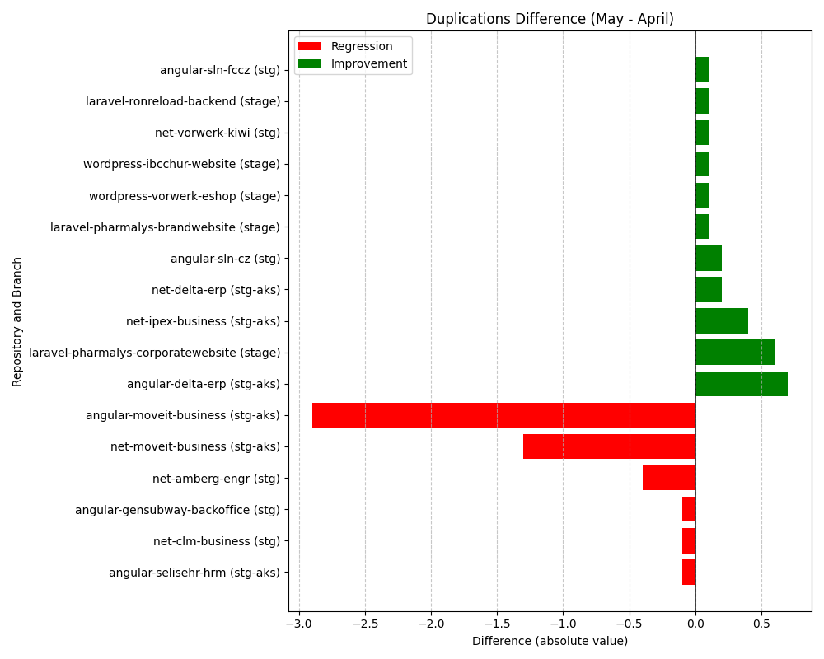
Repository Name | Branch | Clean Name | Duplications (first) | Duplications (second) | Duplications Difference
SELISEdigitalplatforms_l3-angular-delta-erp_AZFBCY8TgH6yUMlbiA0m | stg-aks | angular-delta-erp | 22.8 | 22.1 | -0.7
SELISEdigitalplatforms_l3-angular-moveit-business_AZFGoVgpgH6yUMlbiCAj | stg-aks | angular-moveit-business | 21.3 | 24.2 | 2.9
SELISEdigitalplatforms_l3-angular-selisehr-hrm_cabf2e67-0760-4b87-b530-f7edbc488768 | stg-aks | angular-selisehr-hrm | 4.9 | 5 | 0.1
SELISEdigitalplatforms_l3-wordpress-ibcchur-website_AY8FxhuFID568PNnQuue | stage | wordpress-ibcchur-website | 18.3 | 18.2 | -0.1
l3-wordpress-vorwerk-eshop | stage | wordpress-vorwerk-eshop | 14.8 | 14.7 | -0.1
SELISEdigitalplatforms_l3-angular-gensubway-backoffice_AYmGu4qY_aRx5xCzLszk | stg | angular-gensubway-backoffice | 6.1 | 6.2 | 0.1
l3-laravel-pharmalys-corporatewebsite | stage | laravel-pharmalys-corporatewebsite | 30.4 | 29.8 | -0.6
l3-angular-sln-fccz | stg | angular-sln-fccz | 16.9 | 16.8 | -0.1
l3-net-delta-erp | stg-aks | net-delta-erp | 3.9 | 3.7 | -0.2
l3-angular-sln-cz | stg | angular-sln-cz | 17 | 16.8 | -0.2
l3-net-ipex-business | stg-aks | net-ipex-business | 2.9 | 2.5 | -0.4
SELISEdigitalplatforms_l3-laravel-ronreload-backend_c8d81364-6b85-475d-a873-9664d0789076 | stage | laravel-ronreload-backend | 6.4 | 6.3 | -0.1
l3-laravel-pharmalys-brandwebsite | stage | laravel-pharmalys-brandwebsite | 27.3 | 27.2 | -0.1
l3-net-moveit-business | stg-aks | net-moveit-business | 1.1 | 2.4 | 1.3
SELISEdigitalplatforms_l3-net-vorwerk-kiwi_f8adebe8-80cd-45a9-ac02-b4bde0019fd0 | stg | net-vorwerk-kiwi | 23.5 | 23.4 | -0.1
l3-net-amberg-engr | stg | net-amberg-engr | 3.5 | 3.9 | 0.4
SELISEdigitalplatforms_l3-net-clm-business_AYr6qlBR_aRx5xCzLyR9 | stg | net-clm-business | 15.3 | 15.4 | 0.1

