手顺
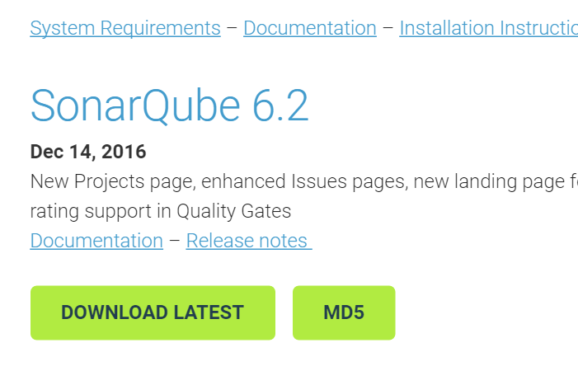
前提
安装Java环境
安装有MySQL数据库

 |  | 下载
1 | 下载SonarQube与SonarQube Runner
 | http://www.sonarqube.org/downloads/
 | https://docs.sonarqube.org/display/SCAN/Analyzing+with+SonarQube+Scanner

2 | 数据库配置
 | 进入数据库命令
 | #mysql -u root -p

 | mysql> CREATE DATABASE sonar CHARACTER SET utf8 COLLATE utf8_general_ci;
 | mysql> CREATE USER 'sonar' IDENTIFIED BY 'sonar';
 | mysql> GRANT ALL ON sonar.* TO 'sonar'@'%' IDENTIFIED BY 'sonar';
 | mysql> GRANT ALL ON sonar.* TO 'sonar'@'localhost' IDENTIFIED BY 'sonar';
 | mysql> FLUSH PRIVILEGES;

3 | 将下载的sonarqube-6.2.zip包解压至任何目录
 | 将下载的C:\work\sihuo\sonar-scanner-2.8.zip包解压至任何目录
 | 添加SONAR_HOME、SONAR_RUNNER_HOME环境变量，并将SONAR_RUNNER_HOME加入PATH

4 | 修改sonar配置文件
 | \sonarqube-6.2\conf\sonar.properties
 | 改修点参考sonar页

5 | 修改sonar-scanner.properties的配置文件
 | sonar-scanner-2.8\conf
 | 改修点参考sonar_runner页

6 | 启动服务
 | \sonarqube-6.2\bin\windows-x86-64（32位机选windows-x86-32）
 | StartSonar.bat

7 | http://localhost:9000/sonar

以上安装完了
8 | 配置工程
 | 任意工程目录下
 | 新规sonar-project.properties文件
 | 文件内容参考sonar-project页

9 | 切换到项目源码根目录，执行命令 # sonar-scanner
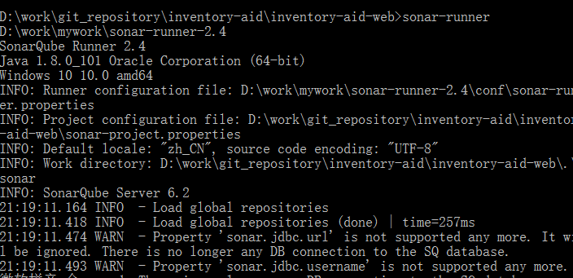

10 | 访问 http://localhost:9000/sonar/projects 分析结果

 | sonar page
 | Administration->System->update center
 | install java

 | mongod --dbpath ~/data/mongo/db##Spring boot 1.Clone from github 4.将/src/main/java/com/accenture/fsadd/FsAddApplication.java作为Java Application来执行
 | 2.将maven的数据源设为阿里云 3.启动Mongodb 5.倒入初始化数据/src/main/resources/mongo/import.db.sh

 | 使用maven包管理器开发java web时，由于国内网速太慢，或者墙的缘故，创建project后，总是要等待很长时间加载所需jar包。这对于开发者而言，是一种痛苦的等待，对于企业，也是一种损失。
 | 今天得遇高人指点，对eclipse中的maven插件做了优化配置，下面一步一步的操作示范，帮助有需要的朋友们：
 | linux/windows：打开eclipse后，window-》preferences-》maven
 | mac：eclipse偏好设置-》maven
 | 然后选择 User Settings，如下图：

 | 根据图中3的指示的位置，创建一个配置文件settings.xml。
 | 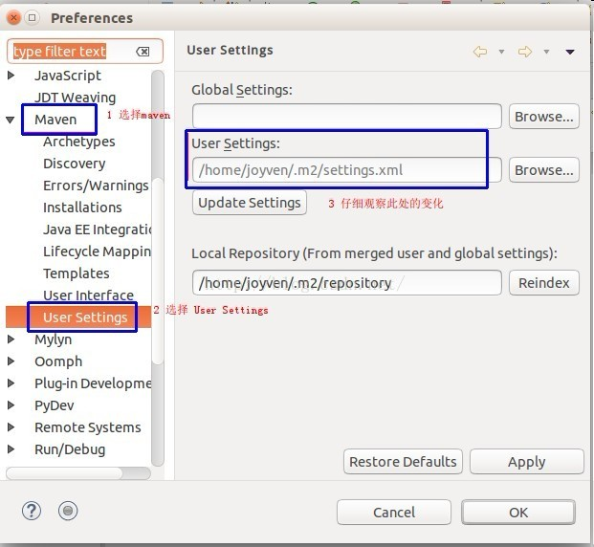 linux/mac均可使用下面命令创建，先不写任何内容，然后保存，vim命令模式下是:wq，注：w是写入，q是退出，冒号是命令开始
 | ~$ vim /home/joyven/.m2/settings.xml
 | windows需要在当前用户目录下，依管理员身份创建。

 | 接着回到eclipse的操作步骤，先关闭preferences面板，再次根据前面说步骤的，打开此面板，你会看到User Settings中发生的变化，如下图：

 | 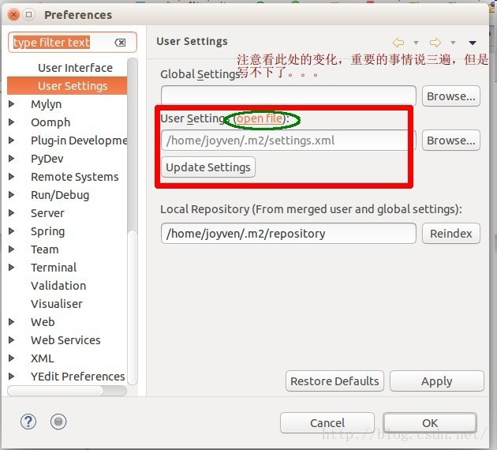 是的，你没看错，多出来了一个openfile。点击openfile，然后Apply，再OK，最后关闭此面板。此时，已经在eclipse编辑窗口打开了前面创建的settings.xml文件。

 | 配置开始了，将下面的代码复制到settings.xml文件中，保存即可。

 | <settings xsi:schemaLocation="http://maven.apache.org/SETTINGS/1.0.0 http://maven.apache.org/xsd/settings-1.0.0.xsd">
 | <mirrors>
 | <mirror>
 | <id>alimaven</id>
 | <name>aliyun maven</name>
 | <url>http://maven.aliyun.com/nexus/content/groups/public/</url>
 | <mirrorOf>central</mirrorOf>
 | </mirror>

 | </mirrors>

 | <profiles>
 | <profile>
 | <id>default</id>
 | <repositories>
 | <repository>
 | <id>nexus</id>
 | <name>local private nexus</name>
 | <url>http://maven.oschina.net/content/groups/public/</url>
 | <releases>
 | <enabled>true</enabled>
 | </releases>
 | <snapshots>
 | <enabled>false</enabled>
 | </snapshots>
 | </repository>
 | </repositories>
 | <pluginRepositories>
 | <pluginRepository>
 | <id>nexus</id>
 | <name>local private nexus</name>
 | <url>http://maven.oschina.net/content/groups/public/</url>
 | <releases>
 | <enabled>true</enabled>
 | </releases>
 | <snapshots>
 | <enabled>false</enabled>
 | </snapshots>
 | </pluginRepository>
 | </pluginRepositories>
 | </profile>
 | </profiles>
 | </settings>

