Tabelle1
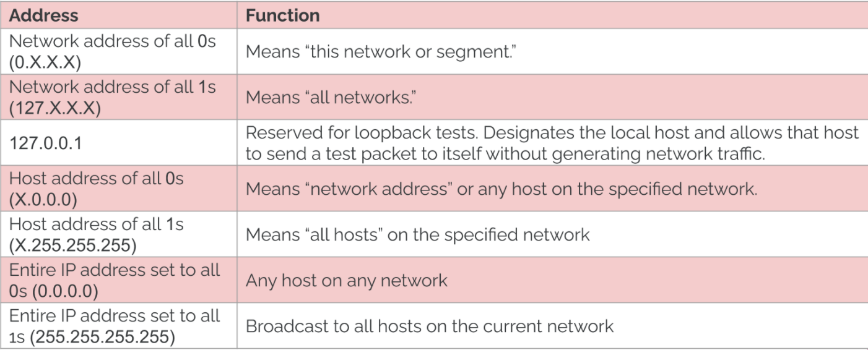
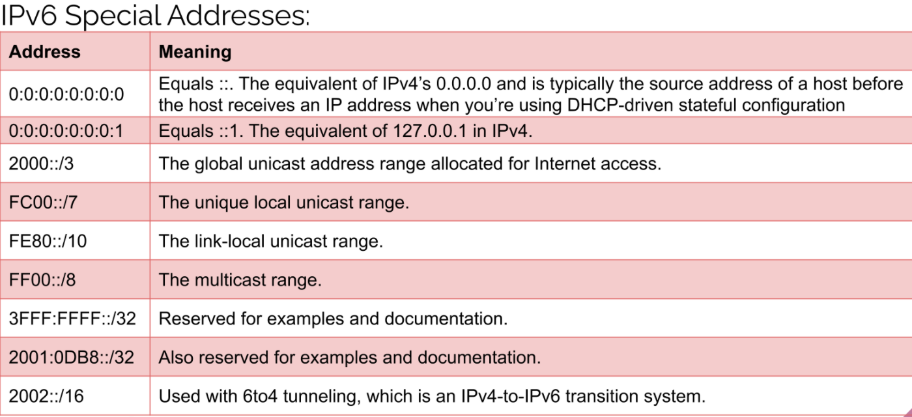
1 | git init
 | git remote add origin URL-github- |  | git clone URL-github- |  | git --list | q->exit
 | git add . |  | same steps
 | git commit -m "…..............." |  | same steps
 | git push -u origin master |  | git push

2 | The moment you create a repository, you will find a .git directory present inside it. This .git directory contains all
 | the metadata of the repository and maintains a track of all the changes made to the files in your repository, by
 | keeping a commit history.
 | All the information regarding commits, hooks, refs, object databases, remote repository addresses, etc. are kept
 | inside this folder. This is the most crucial part of Git. When you clone any Git repository on your local machine, this
 | .git is the directory that actually gets copied.
 | If the .git/ directory gets deleted, then you will lose track of your project’s history. The repository will no longer be
 | under version control.

3 | Router :

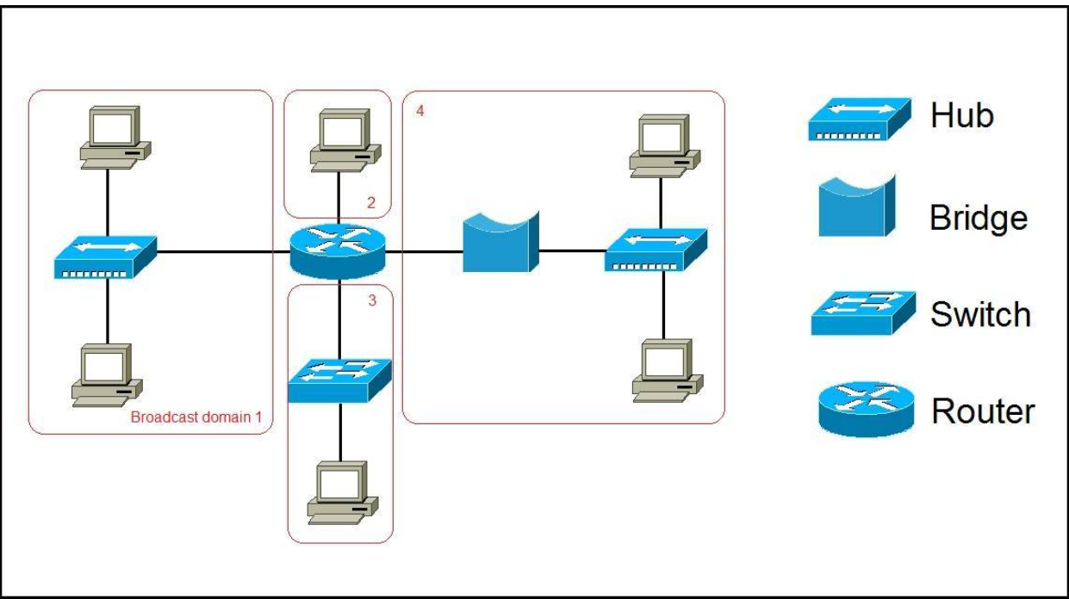
 | In the picture above we have a network of six computers, two hubs, a bridge, a switch, and a router. The broadcast domains are marked in red. Remember, all devices connected to a hub, a bridge, and a switch are in the same broadcast domain. Notice that all hosts can communicate with each other by Data Link layer (hardware address) broadcast. Only routers separate the LAN into multiple broadcast domains. That is why we have four broadcast domains in the network pictured above.

4 | Provides a set of standards for manufacturers
 |  | LAYER | TAKES | BREAKS INTO
 | LAYER 4 | TRANSPORT | DATA | SEGMENTS
 | LAYER 3 | NETWORK | SEGMENTS | PACKAGES
 | LAYER 2 | DATALINK | PACKAGES | FRAMES

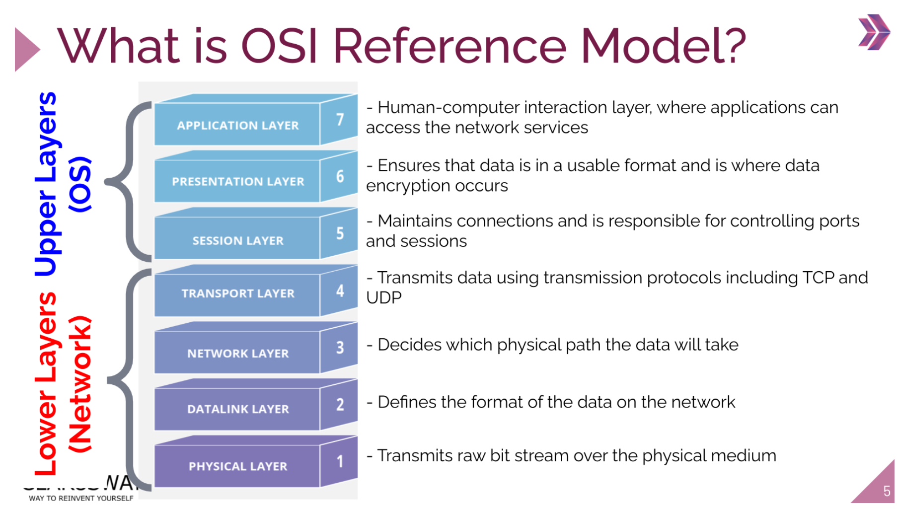

5 | it will search for sample.txt in in GFG directory

