Sheet1
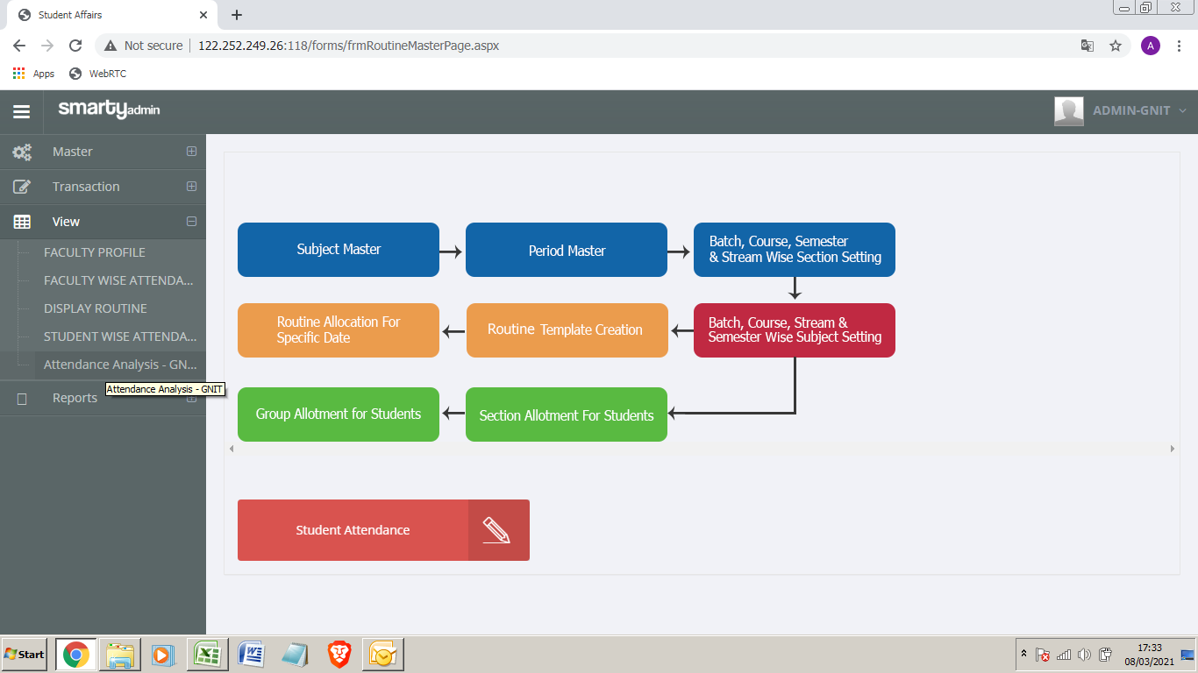

Click Here
Goto next pict

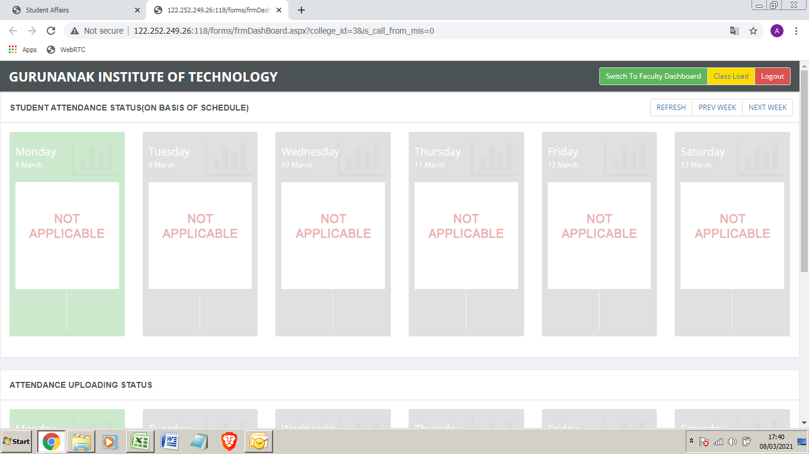

 |  | Click here

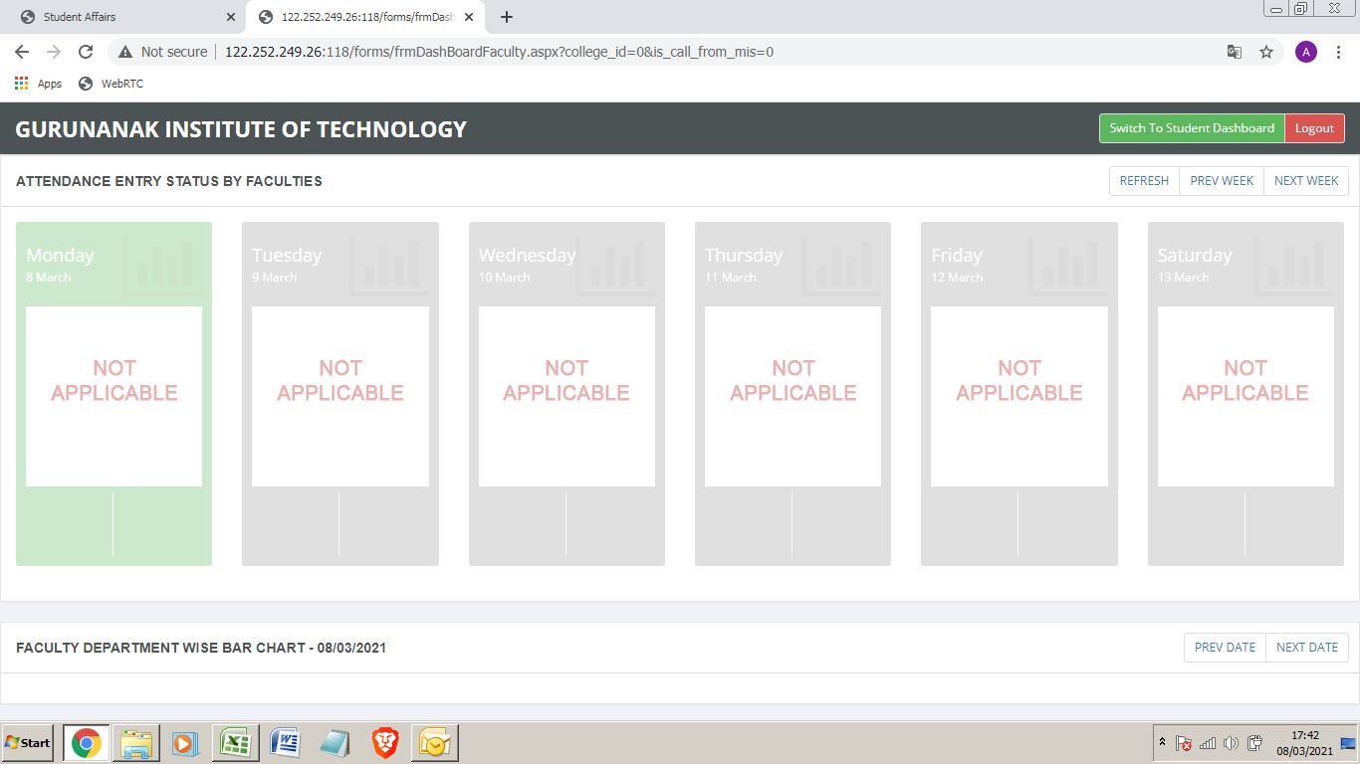

 |  | Click here until next pict appear

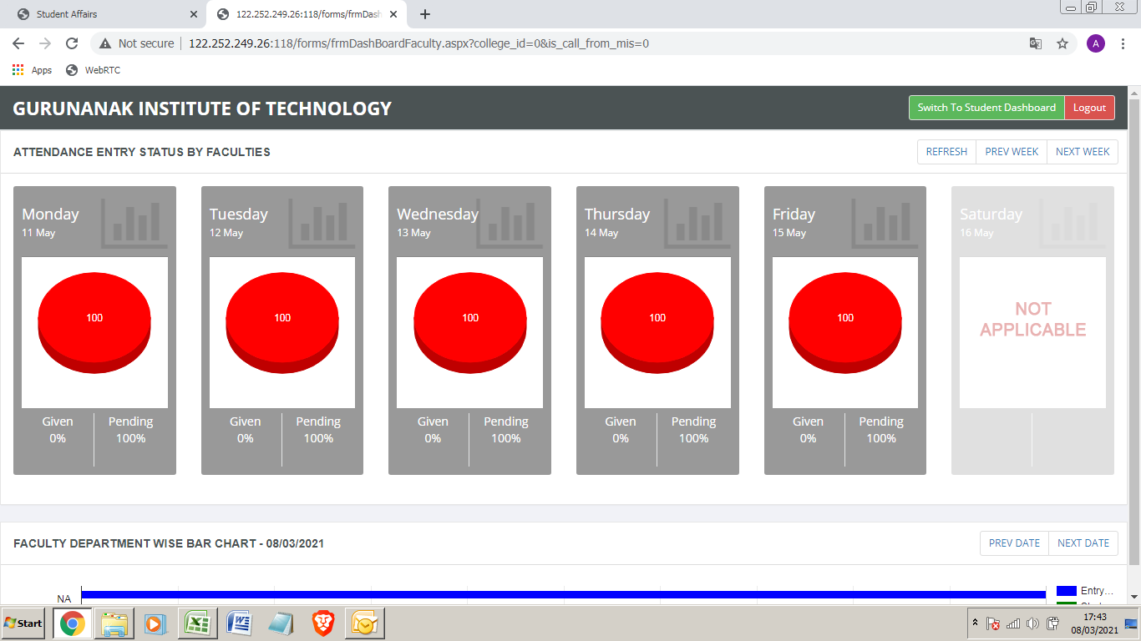

 | Click Here
 | Goto next pict

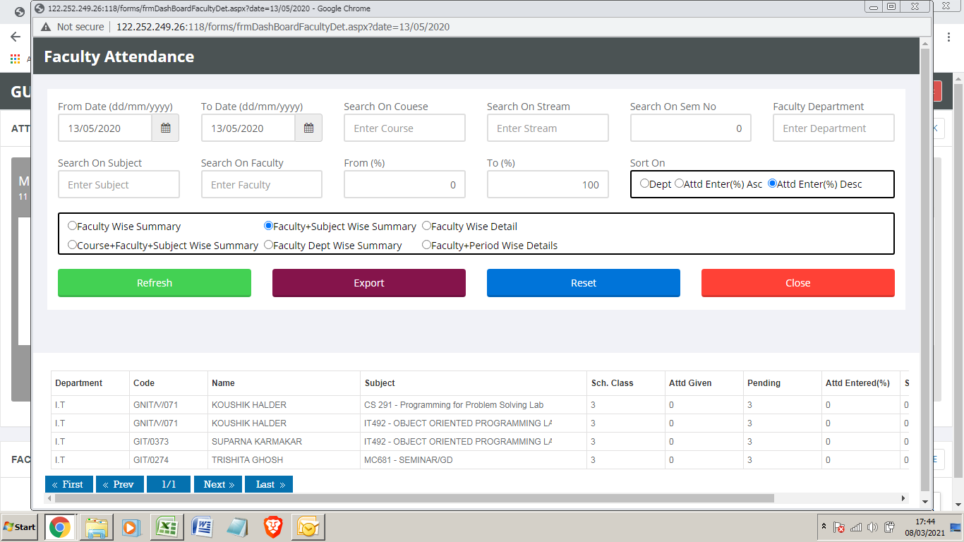

 | From this interface
 | you can generate all
 | faculty releted reports

