Sheet1
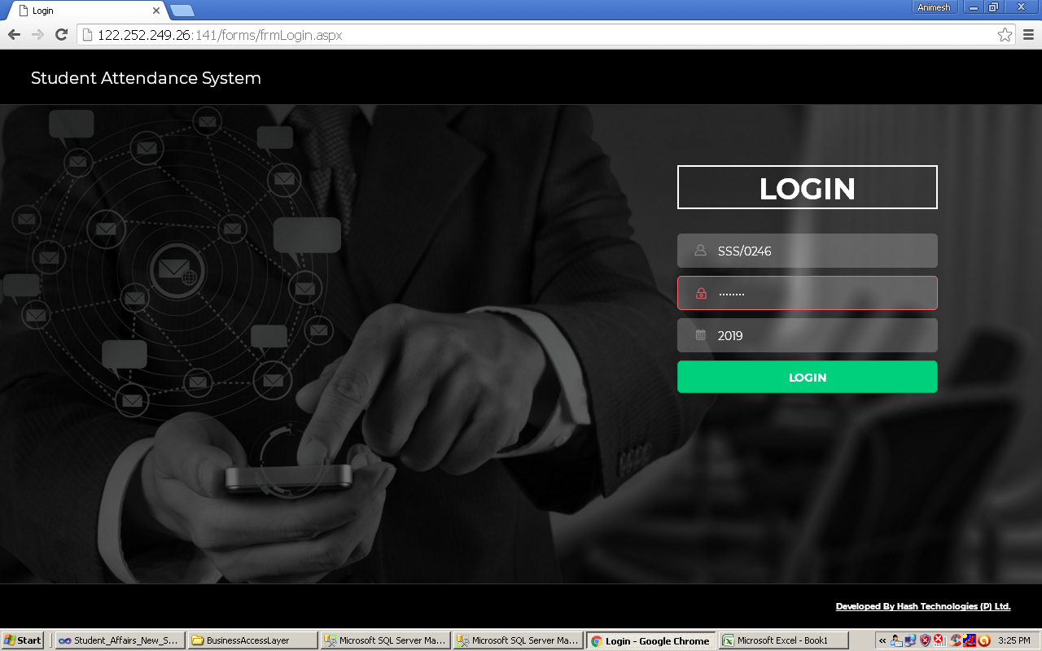

 |  |  |  | Enter Username

 |  |  |  | Enter Password

 |  |  |  | Click Login

 | Fig.01

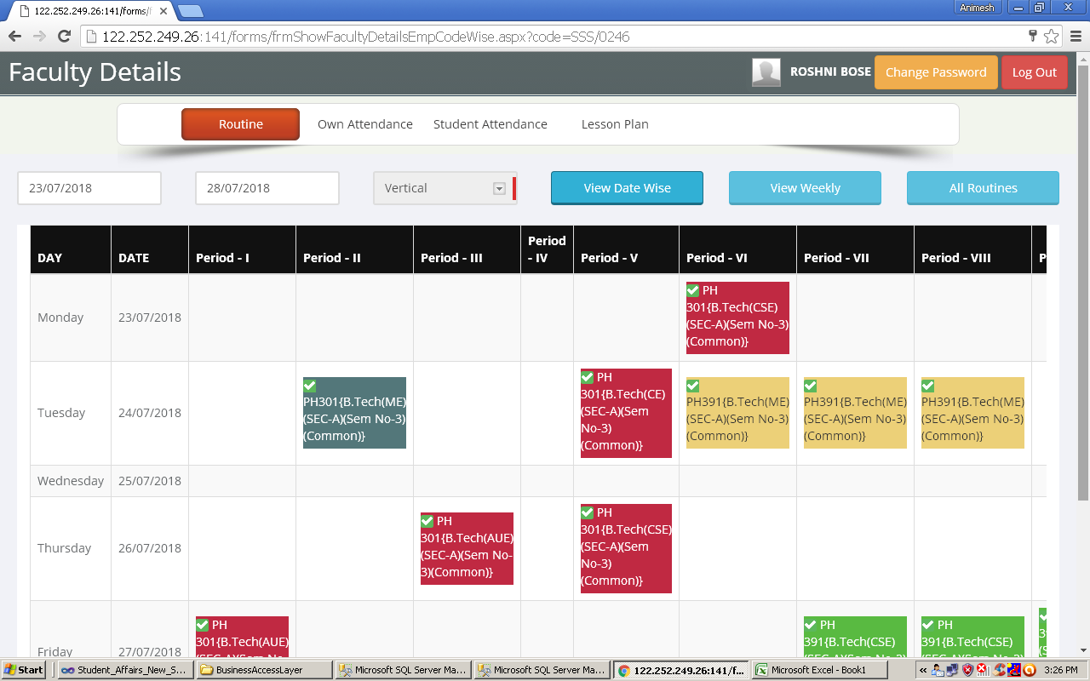
 |  |  | Enter from date (23/07/2018)

 |  |  | Enter to date(28/07/2018)

 |  |  | Click View Date Wise

 |  |  | Date wise routine matrix will appear

 |  |  | Click on (Green Tick) for student attendance (Fig.04)

 |  |  | Click on Lesson Plan for creating Lesson Plan(Fig.03)

 |  |  | Note:- This data will be available after
 |  |  | uploading of Class Routine

 | Fig.02

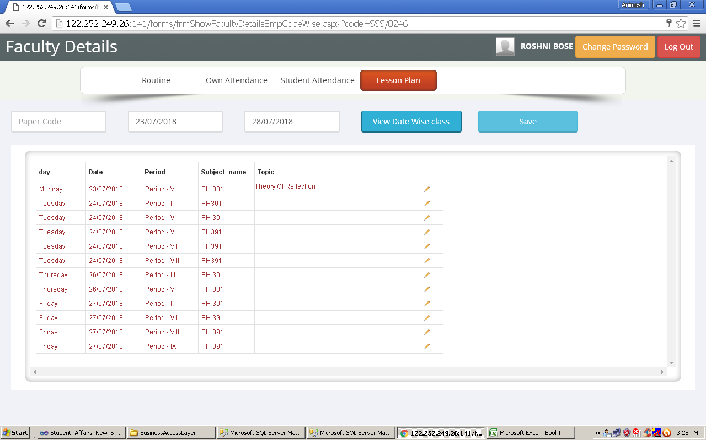

 |  |  | Enter from date

 |  |  | Enter to date

 |  |  | Click on View Date Wise Class
 |  |  | class will displayed as per routine entered

 |  |  | Enter Topic to cover

 |  |  | Click Save

 | Fig.03

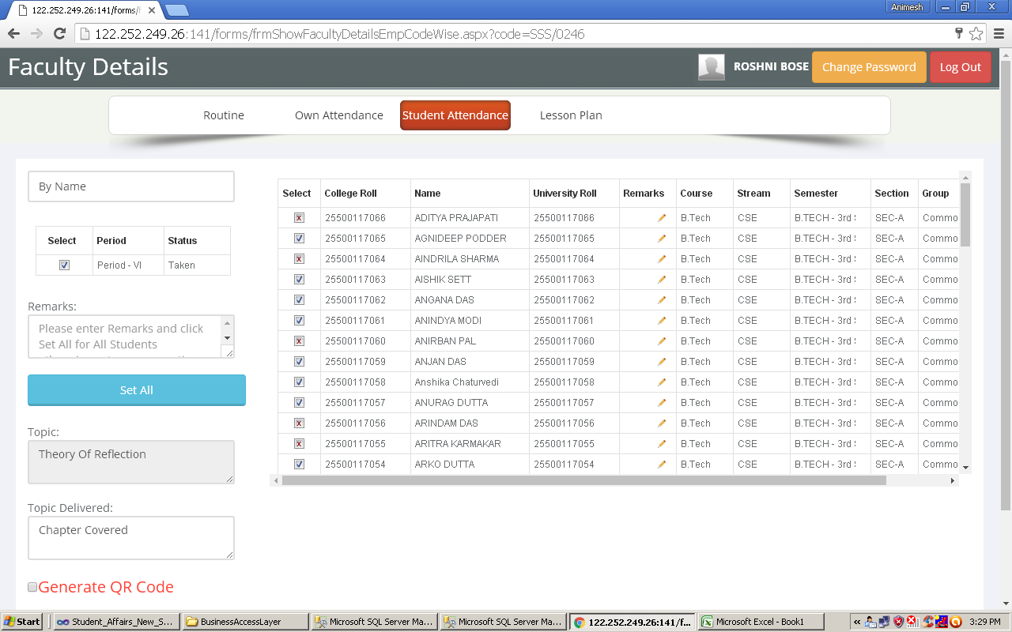

 |  | Put check box on if student is present

 |  | Enter topic delivered

 |  | click save

Fig.04

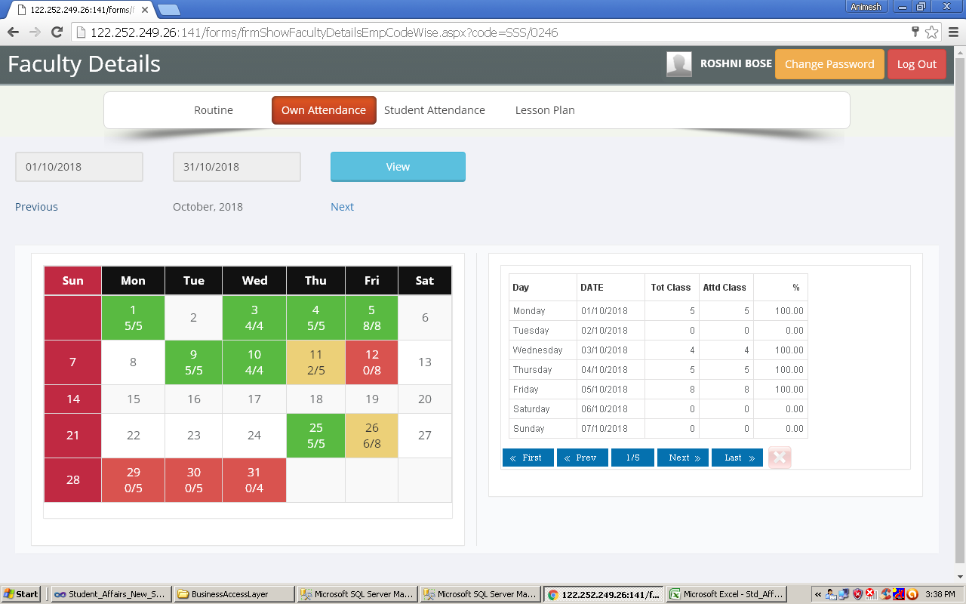
 |  | For Viewing Own attendance

 |  | Click View

 |  | Click prev/next

Fig.05

